functional_diagram


fhv_tripdata | sample data | fhvhv_tripdata | sample data | tax+_zone_lookup | sample data
dispatching_base_num | B00001 | dispatching_base_num | B02864 | LocationID | 1 | fhv_tripdata | sample data
PULocationID | 264 | PULocationID | 148 | Borough | EWR | dispatching_base_num | B00001
DOLocationID | 264 | DOLocationID | 90 | Zone | Newark Airport | PULocationID | 264
pickup_datetime | 1/1/20 | pickup_datetime | 1/1/20 | service_zone | EWR | DOLocationID | 264
dropoff_datetime | 1/1/20 | dropoff_datetime | 1/1/20 |  |  | pickup_datetime | 1/1/20
SR_Flag |  | SR_Flag |  |  |  | dropoff_datetime | 1/1/20
 |  | hvfhs_license_num | HV0003 |  |  | SR_Flag

green_tripdata | sample data | yellow_tripdata | sample data
VendorID | 2 | VendorID | 1
PULocationID | 264 | PULocationID | 238
DOLocationID | 264 | DOLocationID | 239
lpep_pickup_datetime | 12/18/19 | tpep_pickup_datetime | 1/1/20
lpep_dropoff_datetime | 12/18/19 | tpep_dropoff_datetime | 1/1/20
passenger_count | 5 | passenger_count | 1
trip_distance | 0 | trip_distance | 1.2
RatecodeID | 1 | RatecodeID | 1
store_and_fwd_flag | N | store_and_fwd_flag | N
payment_type | 1 | payment_type | 1
fare_amount | 3.5 | fare_amount | 6
extra | 0.5 | extra | 3
mta_tax | 0.5 | mta_tax | 0.5
tip_amount | 0.01 | tip_amount | 1.47
tolls_amount | 0 | tolls_amount | 0
improvement_surcharge | 0.3 | improvement_surcharge | 0.3
total_amount | 4.81 | total_amount | 11.27
congestion_surcharge | 0 | congestion_surcharge | 2.5
ehail_fee
trip_type | 1

Customer
Location
Product
Time

physical_diagram
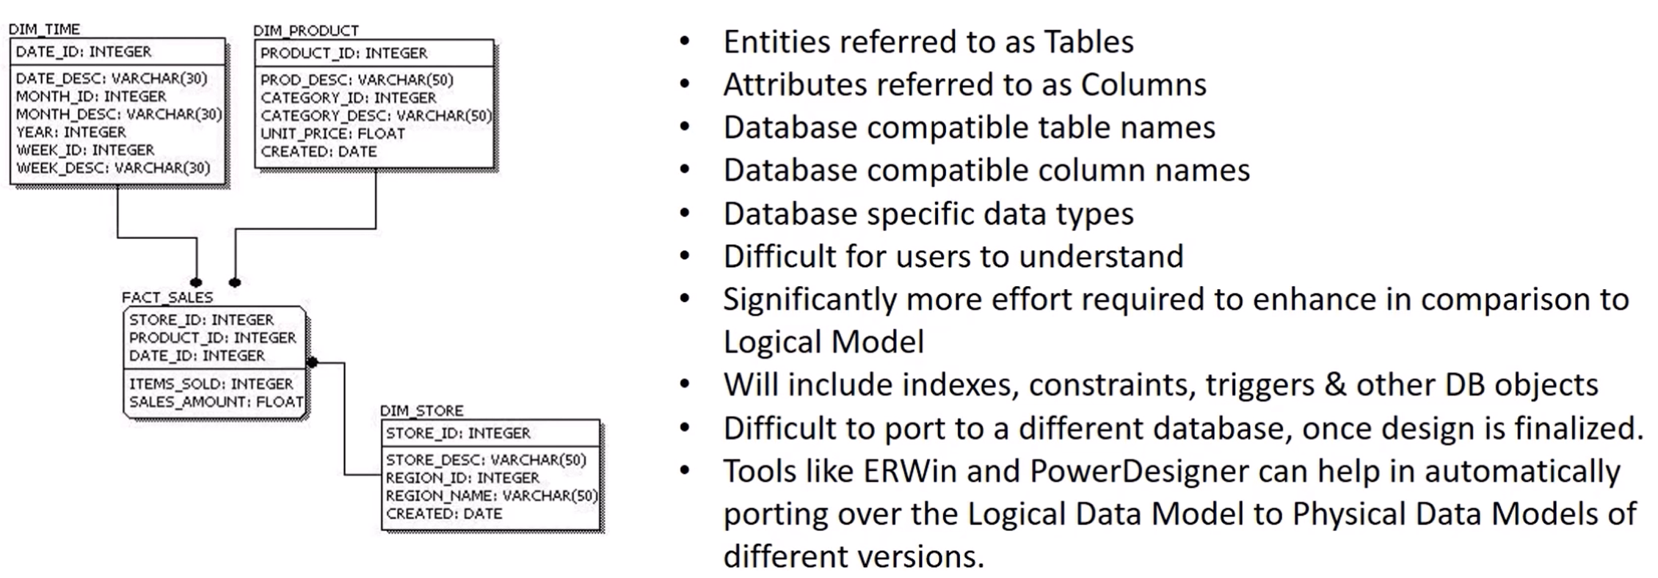
ERWin
PowerDesigner

