Object
1. Object( create, (square and figure brackets) access, comupted propoerties, property value shorthand, walk over object, "in" operator, and integer properties)
 | 1. Objects |  |  |  |  |  |  |  |  | 4. Object methods, this

 |  | Objects are used to store keyed collections of value data and more complex entities. In js, object penetrate almost every aspect of the lanuage.
2. Object references and copying |  |  |  |  |  |  |  |  |  |  | Method shorthand
 |  | create and query
let user = {
name: 'jansson',
age : 20,
sayhi: function () {
alert('hello');
},
}
let user = {
name: 'jansson',
age : 20,
sayhi() {
alert('hello');
},
}
3. Garbage collection
 |  |  | An object can be created with figure brackets {…} with an optional list of properties. An empty object can be created using one of two syntaxes:
let user = new Object(); // "object constructor"
let user = {}; // "object literal"
4. Object methods

5.Constructor, operator "new"

 |  |  | put some properties into {…} as "key:value" pairs: |  |  |  |  |  |  |  |  |  | normal syntax | shorthand mothods

let user = { // an object
name: "John", // by key "name" store value "John"
age: 30, // by key "age" store value 30
"like birds" : true // multiword property name must be quoted
};
 |  |  |  |  |  | The last property in the list may end with a comma.
 |  |  |  |  |  |  |  |  |  |  | "this" in methods

 |  |  |  |  |  |  |  |  |  |  |  | To access the object, a method can use the this keyword. |  | 当一个函数作为对象的方法被调用时（使用点符号或方括号符号），this 会自动绑定到该对象。
let user = {
name: 'jansson',
age: 20,
sayhi: function () {
alert('hello, ' + this.name);
},
}
user.sayhi(); //hello, jansson

 |  |  | Property values are accessible using the dot notation:
// get property values of the object:
alert(user.name)
alert(user["like birds"])

 |  | [ ] 和 .最大的区别是什么呢？ |  |  |  |  |  |  |  |  | "this" is not bound

let user = { name: 'john' };
let admin = { name: 'admin' };
function sayhi() {
alert(this.name);
}
user.f = sayhi;
admin.f = sayhi;
sayhi(); //undefined
user.f(); //john
admin.f() // admin
 |  |  | [] 可以动态访问对象的属性 |  |  |  |  |  |  |  |  | In javascript, keyword "this" behaves unlike most other programming languages. It can be used in any function, even if it's not a method of an object.
 |  |  | 例如：user[key] 会查找名为 key 变量的值，并使用该值作为属性名
let user = {
name: "John",
age: 30,
}
let key = 用户输入的值
alert(user[key]); // 如果用户输入key的值为name，则返回John
//但是，不同通过user.key去访问，因为user里没有key这个属性, net是静态访问，并不会去搜寻
alert(user.key) //undefined

 |  |  |  |  |  |  |  |  |  |  |  |  |  | !important
 |  |  |  |  |  |  |  |  |  |  |  |  |  | When a function is declared, it may use this, but that this has no value until the function is called.

 |  | Computed properties |  |  |  |  |  |  |  |  | Arrow functions have no "this"

 |  |  | we can use square brackets in an object literal, when creating an object. That's called computed proporties. |  |  |  |  |  |  |  |  | Arrow functions are special: they don't have their "own" this.
let fruit = propmpt('which fruit to buy?', 'apple');
let bag = {
[fruit] : 5,
};
for(k in bag)
{
alert( bag.apple);
}
 |  |  |  |  |  |  |  |  |  |  |  | If we reference this from such a function, it's taken from the outer "normal" function.
let company = {
name: "TechCorp",
regularWorker: function () {
alert("I work at " + this.name);
},
homeWorker: () => {
alert("I work at " + this.name);
}
};
// 在公司调用
company.regularWorker(); // 输出: I work at TechCorp
company.homeWorker(); // 输出: I work at undefined
let user = {
firstName: "Ilya",
sayHi() {
let arrow = () => alert(this.firstName);
arrow();
}
};
user.sayHi(); // Ilya

 |  |  | [fruit] means that the property name should be taken from fruit

 |  | Property value shorthand

function maker(name, age) {
return {
name : name,
age : age,
}
};
let user = maker('Jansson', 30);
alert(user.name);
function maker(name, age) {
return {
name,
age,
}
};
let user = maker('Jansson', 30);
alert(user.name);
let user = {
name,
age : 30,
};

 |  |  |  |  |  |  |  |  |  |  |  | company是global variable，so homeWorker中的this继承company，指向全局 |  |  | 其中arrow中的this继承sayhi的作用域，指向user

 |  |  |  |  |  |  |  |  |  |  |  | 在strict models, this显示为undefined，在non-strict model, this显示为windows

 |  |  |  |  |  |  |  |  |  |  | test1

function makeUser() {
return {
name: "John",
ref: this
};
}
let user = makeUser();
alert(user.ref.name);
function makeUser() {
return {
name: "John",
ref () {
return this;
}
};
}
let user = makeUser();
alert(user.ref().name);
 |  |  |  |  |  |  | Property value shorthand |  | both nomal properties and shorthands in the same object |  |  |  |  |  |  |  | this 的动态绑定：
 |  |  |  |  |  |  |  |  |  |  |  |  |  |  |  |  |  | JavaScript 中的 this 是动态绑定的，而不是静态绑定的。
 |  | Property existence test, "in" operator |  |  |  |  |  |  |  |  |  |  |  |  |  |  |  | 这意味着 this 的值不是在函数定义时确定的，而是在函数被调用时确定的。

let user = {
name: jansson,
age : 30,
};
// 如果read the non-existing property just returns undefined
alert(user.sex === undefined) //true
 |  |  | A notable feature of objects in js, compared to many other languages, is that it's possible to access any property. There will be no error if the property doesn't exist! |  |  |  |  |  |  |  |  |  |  |  |  |  | 调用上下文决定 this：
 |  |  |  |  |  |  |  |  |  |  |  |  |  |  |  |  |  | this 的值取决于函数如何被调用，而不是函数在哪里被定义。
 |  |  |  |  |  |  |  |  |  |  |  |  |  |  |  |  |  | 同一个函数在不同的调用情况下可能有不同的 this 值。
let user = {
name: jansson,
age : 30,
sex: undefined
};
// 如果read the non-existing property just returns undefined
alert(user.sex) //it's undefined, so -no such property?
alert('sex' in user); //true
 |  |  |  |  |  |  |  |  |  |  |  |  |  |  |  |  | 几种常见的调用情况：
 |  |  |  |  |  | if one of the property exists, but the value is undefined |  |  |  |  |  |  |  |  |  |  |  | 作为方法调用：this 指向调用该方法的对象。
 |  |  |  |  |  | how to judge if the property exits |  |  |  |  |  |  |  |  |  |  |  | 普通函数调用：this 指向全局对象（非严格模式）或 undefined（严格模式）。
 |  |  |  |  |  |  |  |  |  |  |  |  |  |  |  |  |  | 构造函数调用：this 指向新创建的对象。
 |  |  |  |  |  |  |  |  |  |  |  |  | undefined |  |  |  |  | 通过 call/apply/bind 调用：this 可以被显式指定。
 |  |  |  |  |  |  |  |  |  |  |  |  |  |  |  | John
let user = {
name: jansson,
age : 30,
};
alert(’name‘ in user) // true
alert('sex' in user) //false
 |  |  |  |  |  |  |  |  |  |  |  |  | 第一个例子中的 this 是在 makeUser 函数调用时确定的，而第二个例子中的 this 是在 ref 方法被调用时确定的。

 |  |  |  |  |  |  |  |  |  | 5.Constructor, operator "new"

 |  |  |  |  |  |  |  |  |  |  | Purpose: to implement reusable object creation code, like mutiple users or menu items and so on.

 |  |  |  |  |  |  |  |  |  |  | Difference between regular function and Constructor:

 |  |  |  |  |  |  |  |  |  |  |  | 1. Constructor are named with capital letter first.
 |  | for in
 |  |  | The snytax: |  |  |  |  |  |  |  |  | 2. Constrcutor should be executed only with "new" operator.
let user = {
name : jansson,
age : 30,
sex: male,
};
for(let key in user) {
alert(key);
alert(user[key]);
}
function User(name, age) {
this.name = name;
this.age = age;
}
let user = new User("jansson", 18);
alert(user.name);
alert(user.age);

 |  | integer properties |  |  |  |  |  |  |  |  |  | what happened when a function is executed with new?

 |  |  | 为了确定一个字符串是否可以被视为"整数属性" |  |  |  |  |  |  |  |  |  | 1. A new empty object is created and assigned to this.

function User(name, age) {
//1. this = {};
// 2. add properties to it
this.name = name;
this.age = age;
// 3. return this; (implicity)
}
 |  |  |  | 1. 将字符串转换为数字（使用 Number()） |  |  |  |  |  |  |  |  | 2. The function body executes. Usually it modifies this, adds new properties to it.
 |  |  |  | 2. 去掉可能的小数部分（使用 Math.trunc()）
 |  |  |  | 3. 再将结果转回字符串（使用 String()） |  |  |  |  |  |  |  |  | 3. The value of this is returened.（隐式）

function User(name, age) {
this.name = name;
this.age = age;
}
 |  |  | 判断标准：
 |  |  |  | 如果经过这个过程后，得到的字符串与原始字符串相同，那么这个属性名就被认为是"整数属性"。

 |  |  | integer properties are sorted, others appear in creation order.
let codes = {
"49": "Germany",
"41": "Switzerland",
"44": "Great Britain",
// ..,
"1": "USA"
};
for(let code in codes) {
alert(code); // 1, 41, 44, 49
};

 |  |  |  |  |  |  |  |  |  |  |  | The let user = new User("jansson", 18) result is same as

let user = {
name: "jansson",
age: 18,
}

 |  |  | to fix the issue with the phone codes, we can 'cheat' by making the codes non-integer. Adding a plus sign before each code is enough. "+" |  |  |  |  |  |  |  | How to determin whether it's the regular function or Constructor?
let codes = {
"+49": "Germany",
"+41": "Switzerland",
"+44": "Great Britain",
// .., "+1": "USA"
};
for (let code in codes)
{
alert( +code ); // 49, 41, 44, 1
}
 |  |  |  |  |  |  |  |  |  |  |  | Using a special new.target property, we can check whether it was called with new or without it
function User() {
alert(new.target);
}
User(); // undefined
new User(); // function User() { ... }

 |  |  |  |  |  |  |  |  |  |  |  | we can also do both new and regular calls to do the same, like this:

function User(name) {
if (!new.target) {
return new User(name);
}
this.name = name;
}
let jansson = new User("Jansson");
alert(jansson.name);
 | 2. Object references and copying

 |  | Const objects can be modified

 |  |  | An important side of effect of storing objects as references is that an object declared as can be modified.

const user = {
name: 'jansson',
};
user.name = 'zijian';

 |  |  |  |  |  |  |  |  |  |  |  | This approach is sometimes used in libraries to make the syntax more flexible. So that people may call the function with or without new, and it still works.

 |  |  | The value of user is constant, it must always reference the same object, but properties of that object are free to change. |  |  |  |  |  |  |  | Return from constructors
 |  |  | The const user gives an error only if we try to set user=… as a whole.
 |  |  |  |  |  |  |  |  |  |  |  | Usually, constrcutors do not have a returen statemen. But if there is a return statement, then the rule is simple :
 |  | Clone
 |  |  | how to duplicate an object? |  |  |  |  |  |  |  |  |  | 1. If return is called with an object, then the object is returned instead of this.

let user = {
name: 'jansson',
age: 20,
sayhi: function () {
alert('hello');
},
}
let customer = {};
for (key in user) {
customer[key] = user[key];
}
customer.name = 'zijian';
alert(user.name); // jansson
let user = {
name: 'jansson',
age: 20,
};
let customer = {};
let client = Object.assign({}, user);
client.age = 21;
alert(user.name);
alert(user.age);
 |  |  |  |  |  |  |  |  |  |  |  |  | 2. If return is called with a primitive, it's ignored.

 |  |  |  |  |  |  |  |  |  |  |  | In other words, return with an object returns that object, in all other cases this is returned.

function BigUser() {
this.name = "John";
return {
name: "Jansson",
}
}
alert(new BigUser().name); //Jansson
function BigUser() {
this.name = "John";
return 10; //or no return
}
alert(new BigUser().name); //John

 |  |  |  |  |  |  |  |  |  |  | Methods in constructor

 |  | Merge |  |  |  |  |  |  |  |  |  | Using constructor functions to create objects gives a great deal of flexibility.
function User(name) {
this.name = name;
this.sayhi = function () {
alert("my name is " + this.name);
}
}
let user = new User("jansson");
user.sayhi();
let user = {
name: "jansson",
sayhi() {
alert("my name is " + this.name);
},
}
user.sayhi();
 |  |  | we can use the method Object.assign to get it.

 |  |  | The syntax is

@ dest: a target object
@fueher arguments: a list of source objects.
Object.assign(dest. … sources)

 |  |  | It copies the properties of all source objects into the target dest, and then return it as the result.

 |  |  | If the copied property name already exists, it gets overwritten: |  |  |  |  |  |  | 6. Optional chaining ?.

let user = {
name: 'jansson',
}
let customer = {
name: 'zijian',
}
let client = {
age: 20,
}
// now user = {name:'zijian', age: 20}
Object.assign(user, customer, client);
alert(user.name);
alert(user.age);

 |  | Nested cloning

 |  |  | Beacause properties can be references to other objects, so we should use "deep cloning" or "structured cloning"

let user = {
name: 'jansson',
age: 20,
size: {
height: 176,
width: 70,
},
};
let client = Object.assign({}, user);
alert(client.size === user.size); //true
client.size.width = 60;
alert(user.size.width); //60
let user = {
name: 'jansson',
age: 20,
size: {
height: 176,
width: 70,
},
};
let client = structuredClone({}, user);
alert(client.size === user.size); //true
client.size.width = 60;
alert(user.size.width); //60

 |  |  |  |  | properties can be referenced to other objectss |  |  | deep cloning or structured cloning

 | 3. Garbage collection

 |  | Reachability: "reachable” values are those that are accessible or usable somehow. They are guaranteed to be stored in memory.

Data types
 | 1. Method of primitives |  |  |  |  |  |  |  |  | 3. Iterables
1. Method of primitives
 |  | The key distinction between primitives and objects: |  |  |  |  |  |  |  |  | 1,What's the iterables?

 |  |  | A primitive |  |  |  |  |  |  |  |  | Iterable objects are a generalization of

 |  |  |  | 1. is a value of a primitive type

 |  |  |  | 2. There are 7 primitive types: String, number, bitint, boolean, symbol, null and undefined.

 |  |  | An object

 |  |  |  | 1. Is capable of storing multiple value as properties

 |  |  |  | 2. Can be created with {}. There are other kinds of objects in JavaScript: functions, for example, are objects.

 |  |  |  | One of the best things about the object is that we can store a function as one of properties.
let user = {
name: 'jansson',
age : 20,
sayhi: function () {
alert('hello');
},
}

 |  | A promitive as an Object

 |  |  | Here’s the paradox faced by the creator of JavaScript:

 |  |  |  | 1. There are many things one would want to do with a primitive, like a string or a number. It would be great to access them using methods.

 |  |  |  | 2. Primitives must be as fast and lightweight as possible.

 |  |  | The solution looks a little bit awkward, but here it is:

 |  |  |  | 1. Primitives are still primitive. A single value, as desired.

 |  |  |  | 2. The language allows access to methods and properties of strings, numbers, booleans and symbols.

 |  |  |  | 3. In order for that to work, a special “object wrapper” that provides the extra functionality is created, and then is destroyed.

 |  |  | The “object wrappers” are different for each primitive type and are called: String, Number, Boolean, Symbol and BigInt. Thus, they provide different sets of methods.
let user = 'jansson';
let client = user.toUpperCase()
alert(client);

 |  |  |  |  |  |  |  |  | 1

 |  |  | 1. The String user is a primitive. So in the moment of accessing its property, a special object is created that knows the value of the string, and has useful methods, like toUpperCase()

 |  |  | 2. That method runs and returns a new string

 |  |  | 3. The special object is destroyed, leaving the primitive str alone.

 |  |  | 刚刚开始自动create 一个新的special object, and then对新的object访问toUpperCase()方法，将值返回给client(并不会修改原来的str的值), 然后销毁

 |  | Constructors

 |  |  | constructors String/Number/Boolean are for internal use only
 |  |  | 这些构造函数主要用于 JavaScript 引擎内部创建包装对象，而不是给开发者直接使用的。
alert(typeof 0); //"number"
alert(typeof new Number(0) ); //"object"!

 |  |  | Using the same functions String/Number/Boolean without new is totally fine and useful thing.
 |  |  | They convert a value to the corresponding type: to a string, a number, or a boolean (primitive).
let num = Number("123"); // convert a string to number

 | 2. Numbers( Regular numbers and BigInt numbers)

 |  | Regular number: 64-bit

 |  | BitInt number: arbitrary length

 |  | Ways to write number

 |  |  | In Javascript, we can shorten a number that e multiplies the number by 1 with the given zeros count.

 |  |  |  | 1e3 === 1_000

 |  |  |  | 1.23e6 === 1.23 * 1_000_000

 |  | Hex, binary and octal numbers

 |  |  | Hex: 0x

 |  |  | binary: 0b

 |  |  | octal: 0o

 |  |  | toString(base): The method returns a string representation of num in the numeral system with the given base. By default, it's 10

let num = 255;
alert(toString(16)); //ff
alert(toString(2)); // 1111 1111

 |  |  | Common use cases for this are:
 |  |  |  | base=16 is used for hex colors, character encodings etc, digits can be 0..9 or A..F.
 |  |  |  | base=2 is mostly for debugging bitwise operations, digits can be 0 or 1.
 |  |  |  | base=36 is the maximum, digits can be 0..9 or A..Z. The whole Latin alphabet is used to represent a number.
alert(123456..tostring(36)); // 2n9c

 |  | Rounding

 |  |  | One of the most used operations when working with numbers is rounding.

 |  |  |  | Math.floor | Math.ceil |  | Math.round | Math.trunc
 |  |  | 3.1 | 3 | 4 |  | 3 | 3
 |  |  | 3.5 | 3 | 4 |  | 4 | 3
 |  |  | 3.6 | 3 | 4 |  | 4 | 3
 |  |  | -1.1 | -2 | -1 |  | -1 | -1
 |  |  | -1.5 | -2 | -1 |  | -2 | -1
 |  |  | -1.6 | -2 | -1 |  | -2 | -1

 |  |  | But what if we'd like to round the number to n-th digit after the decimal?

 |  |  |  | 1. Multiply-and-divide |  | as we’re doing maths with integers, the error somewhat decreases, but we still get it on division:
let num = 1.23456;
alert(Math.trunc(num * 100) / 100); //1.23

 |  |  |  | 2. toFixed(n) sounds the number to n digits after the point and returns a string representation of the result.
 |  |  |  | This rounds up or down to the nearest value
let num = 1.23456;
alert(num.toFixed(2)); //1.23

 |  |  |  | If the decimal part is short than required, zeros are appended to the end:

let num = 1.2;
alert(num.toFixed(5)); //"1.20000"

 |  |  |  | We can convert it to a number using the unary plus or a Number() call, e.g. write +num.toFixed(5).

 |  | Imprecise caclulations

 |  |  | Internally, a number is represented in 64-bit format IEEE-754, so there are exactly 64 bits to store a number:

 |  |  |  | 52 of them are used to store the digits, 11 of them store the position of the decimal point, and 1 bit is for the sign.

 |  |  | If a number is really huge, it may overflow the 64-bit storage and become a special numeric value Infinity:
alert(1e500); //Infinity

 |  |  | Why does (0.1+0.2 === 0.3) return false?

 |  |  |  | A number is stored in memory in its binary form, a sequence of bits – ones and zeroes

 |  |  |  | But fractions like 0.1, 0.2 that look simple in the decimal numeric system are actually unending fractions in their binary form.
alert(0.1.toString(2)); //0.0001100110011001100110011001100110011001100110011001101
alert(0.2.toString(2));

 |  | Test: isFinite and isNaN

 |  |  | Infinity (and -Infinity): is a special numeric value that is greater (less) than anything.

 |  |  | NaN: represents an error.

 |  |  | The belong to the type number, but are not "normal" numbers, so there are special function to check for them:
alert(isNaN(Infinity)); //true
alert(isNaN(NaN)); //true
alert(isNaN(str)); //true
alert(isNaN(2)); //false

 |  |  | The value NaN is unique in that it does not equal anything, including itself
alert(NaN === NaN); //false

try-catch
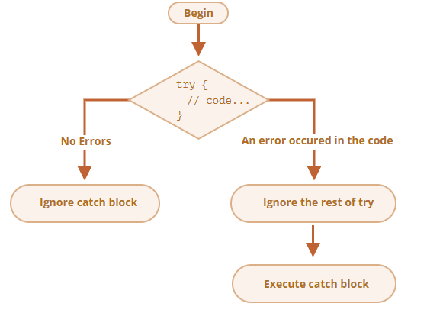
1. try catch syntax:

try {
// code
} catch (err) {
// error handling
}

 | if an error occurs, then the try execution is stopped, and control flows to beginning of catch (err)

2. Works for runtime errors

 | For try… catch to work, the code must be runnable. In other words, it should be vaild javascript.

 | It won't work if the code is syntactically wrong.

try {{{{{
} catch (err) {
}

 | The javascript engine first reads the code, and then runs it. The errors that occur on the reading phase are called "parse-time" erros and unrecoverable

 | So, try catch can only handle errors that occur in valid code. Such errors are called "runtime errors" or, sometimes, "exceptions
try {
setTimeout(() => {
asfas; //瞎写
}, 1000);
} catch (error) {
alert(error);
}

 | That’s because the function settimeout itself is executed later, when the engine has already left the try...catch construct.

setTimeout(() => {
try {
safasfd;
} catch (error) {
alert(error);
}
}, 1000);

3. Error object

异步编程
1. Introduction | 1. Introduction

2. Promise |  | Callbacks

 |  |  | 你到一个商店买东西，刚好你要的东西没有货，于是你在店员那里留下了你的电话，过了几天店里有货了，店员帮你买了并且送到了你家。

 |  |  | 在这个例子里，

 |  |  |  | 你的电话号码就叫回调函数，
 |  |  |  | 你把电话留给店员就叫登记回调函数，
 |  |  |  | 店里后来有货了叫做触发了回调关联的事件，
 |  |  |  | 店员帮你买了叫做调用回调函数，
 |  |  |  | 送到了你家叫做响应回调事件

 |  |  | Take a look at the function, that laods a script with the given: loadScript(src)

function loadScript(src) {
// creates a <script> tag and append it to the page
// this causes the script with given src to start loading and run when complete
let script = document.createElement('script')
script.src = src;
document.head.append(script);

// load and excute the script at the given path
loadScript('my/script.js‘);
// the code below loadscript
// doesn't wait for the script loading to finish
//...
 |  |  | call this function
 |  |  |  |  |  |  | If there’s any code below , it doesn’t wait until the script loading finishes.loadScript(…)
// load and excute the script at the given path
loadScript('my/script.js‘); // the script has "function newFunction() {…}"
newFunction(); // no such function!

 |  |  | we'd like the function would provide a way to track the load completion.

 |  |  | Let's add a function as a second aguement to that should execute when the script loads

function loadScript(src, callbck) {
let script = document.createElement('script')
script.src = src;
// 在脚本加载完成并执行后触发
script.onload = ( ) => callback(script);
document.head.append(script);

 |  |  |  |  |  |  | That’s called a “callback-based” style of asynchronous programming.
// load and excute the script at the given path
loadScript('my/script.js‘, function() {
// the callback runs after the script is loaded
newFunction();
});
 |  |  |  |  |  |  | A function that does something asynchronously should provide a argument where we put the function to run after it’s complete.

 |  | Handling errors

 |  |  | Here's an improved version of that tracks loading errors: loadScript

function loadScript(src, callback) {
let script = document.createElement('script');
script.src = src;
script.onload = () => callback(null, script);
script.error = () => callback(new Error('script load error for ${src}'));
document.head.append(script);
}

loadScript('my/script.js', function(error, script) {
if(error) {
// handle error
} else {
// script loaded successfully
}
});

 |  |  | It’s called the “error-first callback” style.

 |  |  | The convention is :

 |  |  |  | 1. The first argument os reserved for an error if it occurs. Then is called callback(err)

 |  |  |  | 2. The second argument (and the next ones if needed) are for the successful result. Then is called callback(null, result1, result2…)

 |  |  | So the single function is used both for reporting errors and passing back results.
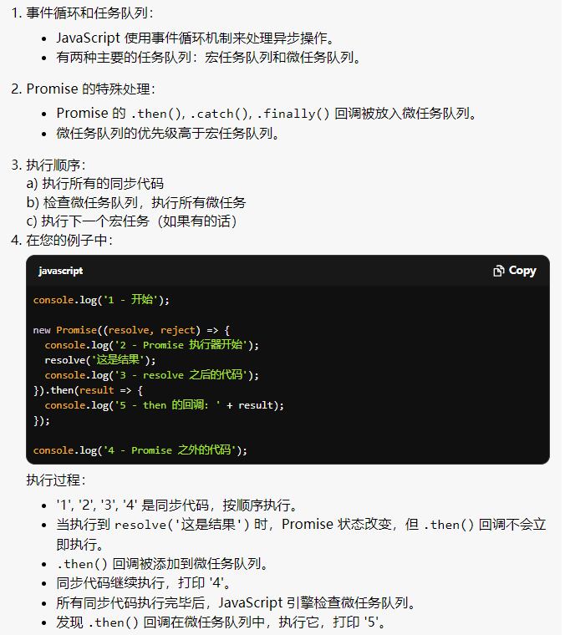
 |  | Pyramid of Doom

 | 2. Promise

 |  |  | The constructor syntax for a promise object is:
let promise = new promise(function(resolve, reject) {
});

 |  |  | The function passsed to new Promise is called the executor. When new promise is created, the executor runs automatically.

 |  |  | Its arguments resolve and reject are callbacks provided by Javascript itself. Our code is only side the executor.

 |  |  | to summarize: When it is finished with the attempt, it calls resolve if it was successful or reject if there was an error.

 |  |  |  | resolve(value) -- if the job is finished successfully, with result value

 |  |  |  | reject(error) -- if an error has occurred, error is the error object.

 |  |  | The promise object returned by the new promise constructor has there internal properties:

 |  |  |  | 1. state -- initially "pending", thaen changes to either "fulfilled" when resolve is called or "rejected" when reject is called

 |  |  |  | 2. result -- initially undefined, then changes to value when resolve(value) is called or error when reject(error) is called.
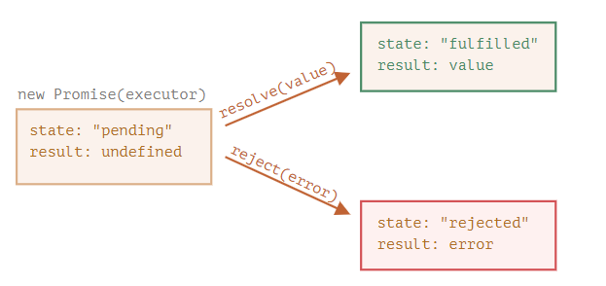

 |  |  |  | A promise that is either resolved or rejected is called “settled”, as opposed to an initially “pending” promise.

 |  | Consumers: then, catch

 |  |  | then

 |  |  |  | The synatax is
promise.then(
function(result) {/*handle a successful result*/}
function(error) {/* handle an error */ }
);

 |  |  |  | The first argument of .then is a function that runs when the promise is resolved and receives the result.

 |  |  |  | The second argument of .then is a function that runs when the promise is rejected and receives the error.

let promise = new Promise((resolve, rejest) => {
setTimeout(() => resolve('done!'), 1000);
}).then(
result => {
alert(result);
}, error => {
alert(error);
}
);
let promise = new Promise((resolve, rejest) => {
setTimeout( () => rejust(new Error("Whoops)), 1000);
}).then(
result => {
alert(result);
}, error => {
alert(error);
}
);

 |  |  |  |  | first function was executed | second one was executed

 |  |  |  | If we're interested only in successful completions, then we can provide only one function argument to .then

let promise = new Promise(resolve => {
setTimeout(() => {
resolve("done!")
}, 1000);
}).then(alert);

 |  |  | catch

 |  |  |  | If we're interested only in errors, then we can use null as the first argument: .then(null, errorHandlingFunction)

 |  |  |  | Or we can use .catch(errorHandlingFunction), which is exactly the same:

let promise = new Promise((resolve, reject) => {
setTimeout(() => {
reject(new Error('sorry'))
}, (1000));
}).catch(alert);
let promise = new Promise((resolve, reject) => {
setTimeout(() => {
reject(new Error('sorry'))
}, (1000));
}).then(null, error => {
alert(error);
})

 |  |  |  | The call .catch(f) is a complete analog of .then(null, f), it's just a shorthand.

 |  |  | Cleanup: finally

new promise((resolve, reject) => {
})
.then(result => {
// successfully
})
.catch(error => {
// error
})
.finally(() => {
//finish
});
 |  |  |  | The snytax is like this:
 |  |  |  |  |  |  |  | 1. 同步代码

 |  |  |  |  |  |  |  |  |  | 执行顺序：
 |  |  |  |  |  |  |  | 立即执行，包括 Promise 构造函数内的代码
 |  |  |  |  |  |  |  | 2. 微任务 (Microtasks) |  | 执行所有同步代码
 |  |  |  |  |  |  |  |  |  | 检查微任务队列，执行所有微任务
 |  |  |  |  |  |  |  |  |  | 执行一个宏任务
 |  |  |  |  |  |  |  | Promise 的 .then(), .catch(), .finally() 回调 |  | 再次检查微任务队列，执行所有新的微任务
 |  |  |  |  |  |  |  | queueMicrotask() 中的任务 |  | 重复步骤 3-4，直到所有队列清空
 |  |  |  |  |  |  |  | MutationObserver 回调

 |  |  |  |  |  |  |  | 3. 宏任务 (Macrotasks)

 |  |  |  | 1. A finally handler has no arguments. |  |  |  |  | setTimeout, setInterval 回调
 |  |  |  |  |  |  |  |  | requestAnimationFrame
 |  |  |  | 有一些具体的性质不明白其实际场景，后面回过头再看 |  |  |  |  | I/O 操作
 |  |  |  |  |  |  |  |  | UI 渲染

 | 3. Promise Chain

DOM
DOM: document object model

 | 当网页被加载时，浏览器会创建页面的文档对象模型（Document Object Model）。
 | important: 获取的DOM元素返回的是一个对象，所以叫Document Object Model
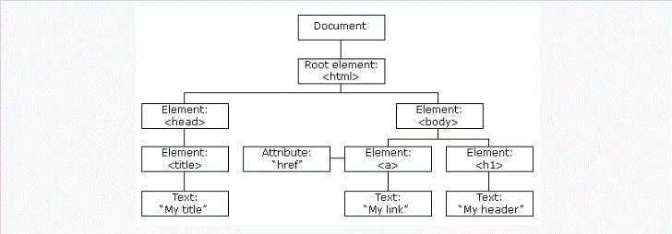

 |  |  |  |  | 增

 |  |  |  |  | 删

 |  |  |  |  | 创建
 |  |  |  |  | 属性

 |  |  |  |  | 事件操作

HTMLCollection（由 getElementsByClassName 和 getElementsByTagName 返回）： 是实时的（live）集合，会随着文档的变化而自动更新。 有 length 属性和数字索引。 不具有数组的方法（如 forEach, map 等）。
 | 1.查

NodeList（由 querySelectorAll 返回）： 是静态集合，不会随文档变化而更新。 有 length 属性和数字索引。 在现代浏览器中，NodeList 实际上支持一些数组方法，如 forEach。
 |  | 不推荐 | 1. 通过 id 找到 HTML 元素: document.getElementById("Idname") | 返回对象
 |  |  | 2. 通过标签名找到 HTML 元素: document.getElementsByTagName('TagName'); | 返回HTMLcollection
 |  | 推荐 H5新增 | 1. 通过类名找到 HTML 元素: document.getElementsByClassName("Classname"); | 返回HTMLcollection
 |  |  | 2. 指定选择器返回第一个元素对象 document.querySelector('选择器') | 返回对象
 |  |  | 3. 根据指定选择器返回 document.querySelectorAll('选择器') | 返回NodeList

 | 2. 改

 |  | 改变内容
<p id="p1">Hello World!</p>
<script>
document.getElementById("p1").innerHTML="新文本!";
</script>

 |  | 改变属性
<img id="image" src="smiley.gif"> <script> document.getElementById("image").src="landscape.jpg"; </script>

 |  | 改变css样式
<p id="p1">Hello World!</p>
<p id="p2">Hello World!</p>
<script>
document.getElementById("p2").style.color="blue";
document.getElementById("p2").style.fontFamily="Arial";
document.getElementById("p2").style.fontSize="larger";
</script>

 |  | 通过事件触发执行代码
<h1 id="id1">我的标题 1</h1>
<button type = "button" onclick = "document.getElementById('id1').style.color='red'"> 点我!</button>

