Figure_1
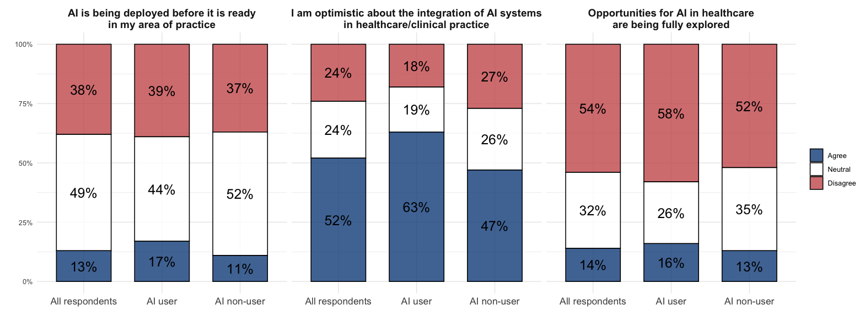
Question | Choice | freq_all | freq_ai_users | freq_non_ai_users
AI is being deployed before it is ready in my area of practice | Agree | 13 | 16 | 11
 | Disagree | 38 | 39 | 37
 | Neutral | 49 | 44 | 52
I am optimistic about the integration of AI systems in healthcare | Neutral | 24 | 19 | 26
 | Optimistic | 52 | 63 | 47
 | Pessimistic | 24 | 18 | 27
Opportunities for AI in healthcare are being fully explored | Agree | 14 | 15 | 13
 | Disagree | 54 | 58 | 52
 | Neutral | 32 | 26 | 34

Figure_2
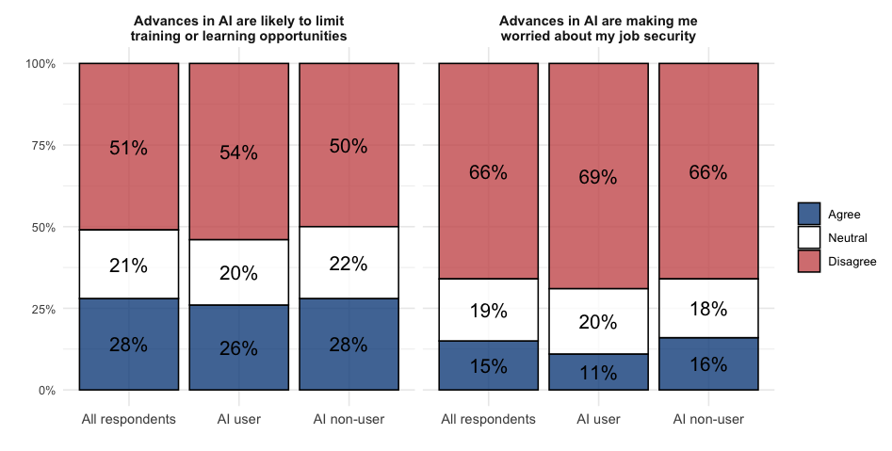
Question | Choice | freq_all | freq_ai_users | freq_non_ai_users
Advances in AI are likely to limit training or learning opportunities | Agree | 28 | 25 | 28
 | Neutral | 21 | 20 | 22
 | Disagree | 51 | 54 | 50
Advances in AI are making me worried about my job security | Agree | 15 | 11 | 16
 | Neutral | 19 | 20 | 18
 | Disagree | 67 | 69 | 65

Figure_3

Question | Choice | freq_all | freq_ai_users | freq_non_ai_users
I've had sufficient training to understand my professional responsibilities when using AI | Agree | 12 | 17 | 10
 | Neutral | 18 | 26 | 15
 | Disagree | 70 | 57 | 75
I understand the risks of AI in healthcare in my area of practice | Agree | 44 | 53 | 40
 | Neutral | 24 | 24 | 25
 | Disagree | 32 | 23 | 35
I understand who is responsible if a decision is made incorrectly involving an AI system | Agree | 30 | 37 | 28
 | Neutral | 19 | 22 | 18
 | Disagree | 51 | 42 | 54

Figure_4
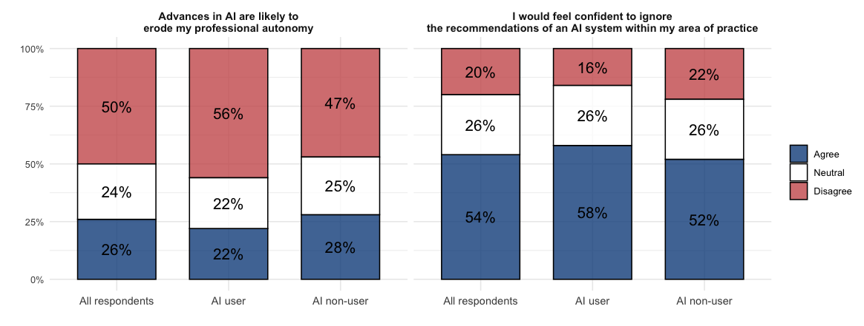
Question | Choice | freq_all | freq_ai_users | freq_non_ai_users
Advances in AI are likely to erode my professional autonomy | Agree | 26 | 22 | 28
 | Neutral | 24 | 22 | 25
 | Disagree | 50 | 56 | 47
I would feel confident to ignore the recommendations of an AI system | Agree | 54 | 58 | 52
 | Neutral | 26 | 26 | 26
 | Disagree | 20 | 16 | 22

Figure_5
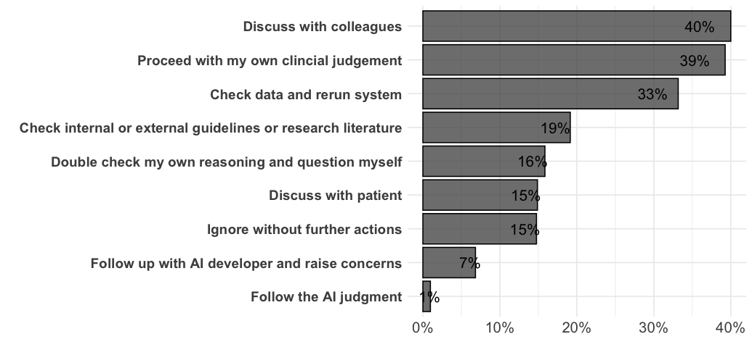
Response | Freq
Discuss with colleagues/senior consultant/MDT | 40
Ignore/proceed with own clincial judgement | 39
Would document reasons/capture audit trial/rerun, check and review AI data, if possible | 33
Check internal or external guidelines/research/look for trial or assurance guidance/research literature | 19
Double check my own reasoning/question myself/establish my reasons to disagree/cause concern | 16
Ignore without further actions | 15
Discuss with patient/involve patient | 15
Follow up with AI developer, data team or other third party/flag alarm/raise concerns | 7
Follow the AI judgment | 1

Figure_6
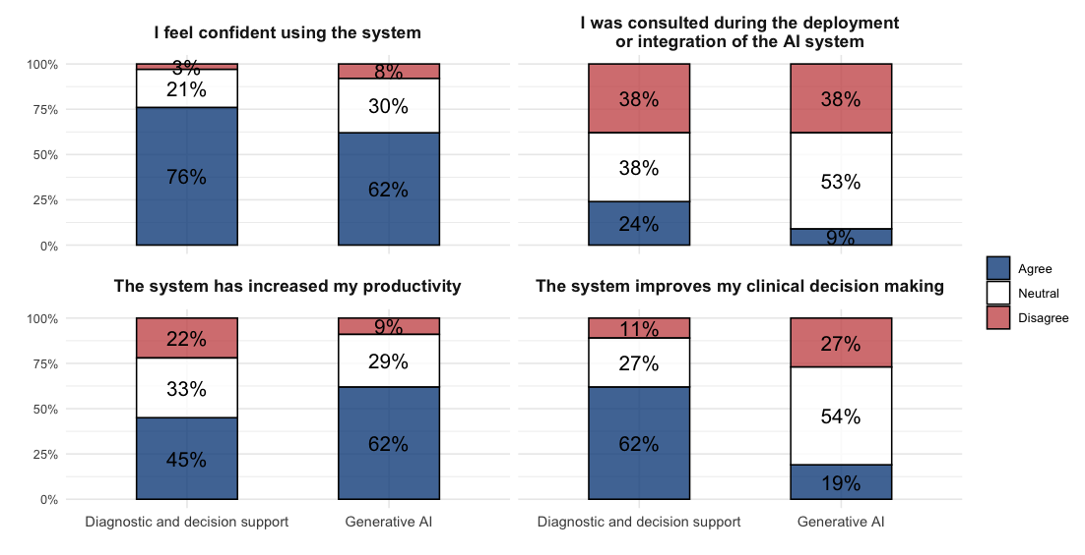
Question | Choice | freq_all_ai_users | freq_generative_users | freq_dss_users
I feel confident using the system | Agree | 72 | 62 | 76
 | Disagree | 5 | 8 | 4
 | Neutral | 23 | 30 | 21
I was consulted during the deployment or integration of the AI system | Agree | 18 | 9 | 24
 | Disagree | 37 | 38 | 38
 | Neutral | 45 | 53 | 37
The system has increased my productivity | Agree | 53 | 62 | 45
 | Disagree | 16 | 9 | 23
 | Neutral | 31 | 29 | 33
The system improves my clinical decision making | Agree | 42 | 19 | 62
 | Disagree | 17 | 26 | 11
 | Neutral | 41 | 54 | 28

Figure_7
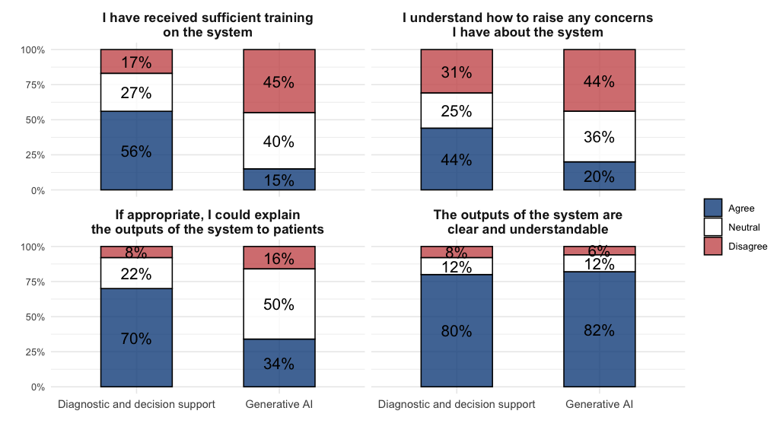
Question | Choice | freq_all_ai_users | freq_generative_users | freq_dss_users
I have received sufficient training on the system | Agree | 38 | 15 | 56
 | Neutral | 33 | 40 | 27
 | Disagree | 29 | 45 | 17
I understand how to raise any concerns I have about the system | Agree | 35 | 20 | 44
 | Neutral | 29 | 36 | 25
 | Disagree | 35 | 44 | 31
If appropriate, I could explain the outputs of the system to patients | Agree | 53 | 34 | 70
 | Neutral | 35 | 50 | 22
 | Disagree | 12 | 16 | 8
The outputs of the system are clear and understandable | Agree | 81 | 82 | 80
 | Neutral | 12 | 12 | 12
 | Disagree | 7 | 6 | 8

