Contents
 |  | RM 155715 Lots 1a,1b Financial Viability Risk Assessment Template
 |  | Contents Sheet
 |  | OFFICIAL
 |  | All Checks OK
 |  | Click for Contents

OK | OK

 |  |  | Contents

 |  |  |  | Worksheet | Link | Sheet Description | Errors | Warnings
 |  |  |  | Contents | Link | Contents sheet listing all worksheets in template, listing error checks and containing template map. | OK | OK
 |  |  |  | Bidder Instructions | Link | This sheet provides instructions to Bidders on how to use this template. | OK | OK
 |  |  |  | RAG Thresholds | Link | This sheet allows for the Contracting Authority to set the RAG thresholds used in the scoring of the ratios. | OK | OK
 |  |  |  | 1.1a Lead Financial Input | Link | Input sheet for a Lead Bidder which is a Private Limited Company/Publicly Listed Company together with its Immediate and Ultimate Parent. | OK | OK
 |  |  |  | 1.1b Lead Financial Input | Link | Input sheet for a Lead Bidder which is a Not-for-profit/Voluntary organisation together with its Immediate and Ultimate Parent. | OK | OK
 |  |  |  | 2.1 Lead Ancillary Input | Link | Ancillary information input sheet for Lead Bidder, the Immediate Parent and Ultimate Parent. | OK | OK
 |  |  |  | 3.1 Lead Bidder Assessment | Link | Ratio commentary and supplementary information sheet for Lead Bidder. | OK | OK
 |  |  |  | 3.2 Immediate Parent Assmt | Link | Ratio commentary and supplementary information sheet for Immediate Parent of the Lead Bidder. | OK | OK
 |  |  |  | 3.3 Ultimate Parent Assmt | Link | Ratio commentary and supplementary information sheet for Ultimate Parent of the Lead Bidder. | OK | OK
 |  |  |  | Metric Definitions | Link | This sheet sets out metric definitions under EFS guidance. | OK | OK

 |  |  |  | Master Control Check |  |  | OK | OK

2.2 Sub-Supplier Ancillary Inpu
3.6 Sub-Supplier #3 Assmt

RAG Thresholds
 |  | RM 155715 Lots 1a,1b Financial Viability Risk Assessment Template
 |  | RAG Thresholds Sheet
 |  | OFFICIAL
 |  | All Checks OK
 |  | Click for Contents

OK | OK

 |  | RAG Thresholds and Associated Boundaries

RAG Thresholds
The RAG thresholds in the table opposite set the boundaries of the RAG ratings as defined in Appendix 2 of the Assessing and Monitoring the Economic and Financial Standing of Bidders and Suppliers Guidance Note.
 |  |  |  |  |  |  |  | Threshold Boundaries
 |  | Metric Definition (EFS) | Ratio | Red | Amber | Green | Interpretation | Red | Amber | Green
 |  | 1 | Turnover Ratio |  |  |  | Higher the better
 |  | 2 | Operating Margin | 5.00% |  | 10.00% | Higher the better | x < 5.0% | 5.0% ≤ x ≤ 10.0% | x > 10.0%
 |  | 3a | Free Cash flow to Net Debt Ratio |  |  |  | Higher the better
 |  | 3b | Net Debt to EBITDA Ratio | 3.50 |  | 3.00 | Lower the better | x > 3.5 | 3.5 ≥ x ≥ 3 | x < 3
 |  | 4 | Net Debt and Net Pension Deficit to EBITDA Ratio | 5.00 |  | 4.50 | Lower the better | x > 5 | 5 ≥ x ≥ 4.5 | x < 4.5
 |  | 5 | Net Interest Paid Cover | 3.00 |  | 4.50 | Higher the better | x < 3 | 3 ≤ x ≤ 4.5 | x > 4.5
 |  | 6 | Acid Ratio | 0.80 |  | 1.00 | Higher the better | x < 0.8 | 0.8 ≤ x ≤ 1 | x > 1
 |  | 7 | Net Asset Value | - |  | 0 | Higher the better | x ≤ 0 |  | x > 0
 |  | 8 | Group Exposure Ratio | 50.00% |  | 25.00% | Lower the better | x > 50.0% | 50.0% ≥ x ≥ 25.0% | x < 25.0%

End of Sheet

Metric Definitions
 |  | RM 155715 Lots 1a,1b Financial Viability Risk Assessment Template
 |  | Metric Definitions Sheet
 |  | OFFICIAL
 |  | All Checks OK
 |  | Click for Contents

OK | OK

 |  |  | Please see below for the definitions of the 8 Metrics as detailed in Appendix I in the Assessing and Monitoring the Economic and Financial Standing of Bidders and Suppliers Guidance Note.
 |  |  | Further detail regarding formulation of the ratios can be found in this Guidance Note too. |  |  | Link

 |  |  | Note: The table below sets out how the metric definitions are mapped within the FVRA tool. Differences between the formulation of the metric definition and the formula mappings set out below are as a result of the application of accounting standards, applied principles and terminology.

 |  |  |  |  |  | Formula Mappings
 |  |  | Metric No. | Metric | Metric Definition (as per EFS Guidance) | Private Limited Company/Public Listed Company | Not-for-Profit/Voluntary Organisation
 |  |  | 1 | Turnover Ratio |  | Turnover Ratio = Turnover / Annual Contract Value | Turnover Ratio = Total income and endowments / Annual Contract Value
 |  |  | 2 | Operating Margin |  | Operating Margin = (Operating profit + Exceptional and non-underlying items*) / Turnover *Exceptional and non-underlying items are only included if value is negative. Operating profit is calculated as the sum of: Other operating income/expense, Administrative income/expense, Grant income (e.g. Government income), Impairment losses/gains and Restructuring costs. | Operating Margin = Net income/(expenditure) before gains and losses / Total income and endowments
 |  |  | 3(A) | Free cash flow to Net Debt Ratio | 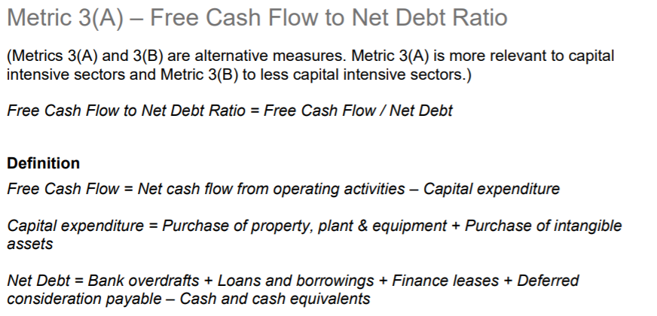 | Free cash flow to Net Debt Ratio = Free cash flow / Net Debt Where Free cash flow is defined as the sum of: Net cash flow from operating activities (After working capital and tax) and Capital expenditure (Tangible and intangible). Where Net Debt is defined as: The sum of 1. Current Liabilities: Loans and overdrafts, Deferred consideration, Lease liabilities, Amounts owed to group undertakings, Amounts owed to joint ventures and associates and Derivative financial instruments. 2. Non-current liabilities: Lease liabilities, Loans and borrowings, Amounts owed to group undertakings, Amounts owed to joint ventures and associates, Deferred consideration and Derivative financial instruments. Less 1.Current Assets: Derivative financial instruments, Other current financial assets (i.e. MMFs, secured loan notes), Cash and cash equivalents (Incl marketable securities) and Investments. | Free cash flow to Net Debt Ratio = Free cash flow / Net Debt Where Free Cash flow is defined as the sum of: Net cash flow from/used in operating activities and Purchase of tangible fixed assets and intangible assets Where Net Debt is defined as The sum of: 1. Current Liabilities: Borrowings (Falling due within one year), Deferred consideration, Amounts owed to group undertakings and Obligations under finance lease and hire purchase contracts 2. Non-current liabilities: Borrowings (Falling due after more than one year), Deferred consideration, Amounts owed to group undertakings and Obligations under finance lease and hire purchase contracts Less: 1. Current Assets: Cash at bank and in hand and equivalents
 |  |  | 3(B) | Net Debt to EBITDA Ratio | 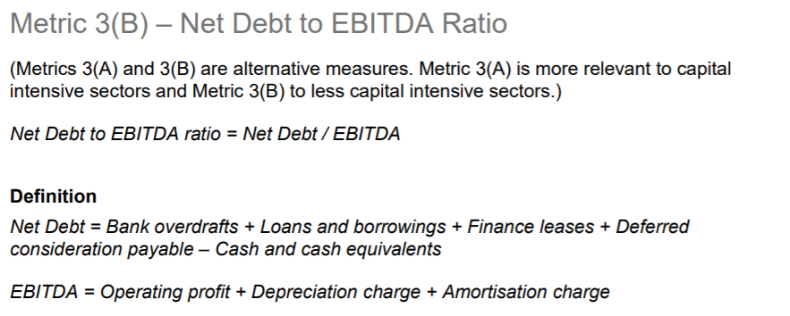 | Net Debt to EBITDA Ratio = Net Debt / EBITDA Where Net Debt is defined as: The sum of 1. Current Liabilities: Loans and overdrafts, Deferred consideration, Lease liabilities, Amounts owed to group undertakings, Amounts owed to joint ventures and associates and Derivative financial instruments. 2. Non-current liabilities: Lease liabilities, Loans and borrowings, Amounts owed to group undertakings, Amounts owed to joint ventures and associates, Deferred consideration and Derivative financial instruments. Less 1.Current Assets: Derivative financial instruments, Other current financial assets (i.e. MMFs, secured loan notes), Cash and cash equivalents (Incl marketable securities) and Investments. Where EBITDA is defined as: Operating profit plus Exceptional and non-underlying items* less Depreciation and Amortisation. Operating profit is calculated as the sum of: Other operating income/expense, Administrative income/expense, Grant income (e.g. Government income), Impairment losses/gains and Restructuring costs. *Exceptional and non-underlying items are included in the calculation where the value is negative. | Net Debt to EBITDA Ratio = Net Debt / EBITDA Where Net Debt is defined as The sum of: 1. Current Liabilities: Borrowings (Falling due within one year), Deferred consideration, Amounts owed to group undertakings and Obligations under finance lease and hire purchase contracts 2. Non-current liabilities: Borrowings (Falling due after more than one year), Deferred consideration, Amounts owed to group undertakings and Obligations under finance lease and hire purchase contracts Less: 1. Current Assets: Cash at bank and in hand and equivalents Where EBITDA is defined as: Net income/(expenditure) before gains and losses less Depreciation and Amortisation
 |  |  | 4 | Net Debt and Net Pension Deficit to EBITDA Ratio | 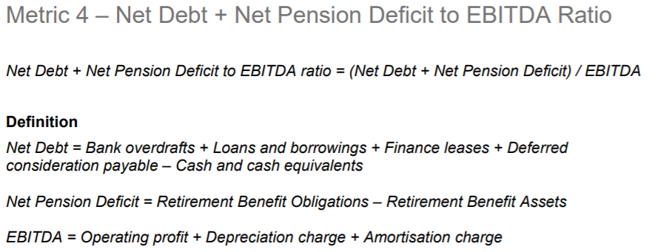 | Net Debt and Net Pension Deficit to EBITDA Ratio = (Net debt + Net Pension Deficit) / EBITDA Where Net Debt is defined as: The sum of 1. Current Liabilities: Loans and overdrafts, Deferred consideration, Lease liabilities, Amounts owed to group undertakings, Amounts owed to joint ventures and associates and Derivative financial instruments. 2. Non-current liabilities: Lease liabilities, Loans and borrowings, Amounts owed to group undertakings, Amounts owed to joint ventures and associates, Deferred consideration and Derivative financial instruments. Less 1.Current Assets: Derivative financial instruments, Other current financial assets (i.e. MMFs, secured loan notes), Cash and cash equivalents (Incl marketable securities) and Investments. Where Net Pension Deficit is defined as: - ( Employee benefit assets (Pension etc.) - Employee benefit liabilities (Pension etc.) ) Where EBITDA is defined as: Operating profit plus Exceptional and non-underlying items* less Depreciation and Amortisation. Operating profit is calculated as the sum of: Other operating income/expense, Administrative income/expense, Grant income (e.g. Government income), Impairment losses/gains and Restructuring costs. *Exceptional and non-underlying items are included in the calculation where the value is negative. | Net Debt and Net Pension Deficit to EBITDA Ratio = (Net debt + Net Pension Deficit) / EBITDA Where Net Debt is defined as The sum of: 1. Current Liabilities: Borrowings (Falling due within one year), Deferred consideration, Amounts owed to group undertakings and Obligations under finance lease and hire purchase contracts 2. Non-current liabilities: Borrowings (Falling due after more than one year), Deferred consideration, Amounts owed to group undertakings and Obligations under finance lease and hire purchase contracts Less: 1. Current Assets: Cash at bank and in hand and equivalents Where Net Pension Deficit is defined as: - (Employee benefit assets (Pension etc.) - Employee retirement benefit liabilities (Pension etc.) ) Where EBITDA is defined as: Net income/(expenditure) before gains and losses less Depreciation and Amortisation
 |  |  | 5 | Net Interest Paid Cover |  | Net Interest Paid Cover = (Operating profit + Exceptional and non-underlying items* + Share of results of associates and joint ventures) / - (Interest Received + Interest Paid) *Exceptional and non-underlying items are only included if value is negative. Operating profit is calculated as the sum of: Other operating income/expense, Administrative income/expense, Grant income (e.g. Government income), Impairment losses/gains and Restructuring costs. | Net Interest Paid Cover = Net income/(expenditure) before gains and losses / - (Net finance costs + Investment income)
 |  |  | 6 | Acid Ratio |  | Acid Ratio = (Current Assets - Stock and WIP) / Current liabilities | Acid Ratio = (Current Assets - Stock and WIP) / Current liabilities
 |  |  | 7 | Net Asset Value |  | Net Asset Value = Net Worth | Net Asset Value = Total charity funds
 |  |  | 8 | Group Exposure Ratio | 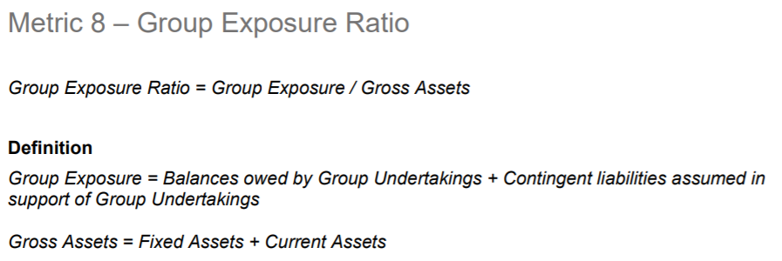 | Group Exposure Ratio = Group Exposure / Gross Assets Where Group Exposure is defined as: The sum of: 1. Other non-current assets: Amounts owed by group undertakings and Amounts owed by joint ventures and associates 2. Current assets: Amounts owed by group undertakings and Amounts owed by joint ventures and associates 3. Contingent liabilities in support of group undertakings (£'000s) Where Gross Assets is defined as: The sum of: 1. Fixed Assets: Other intangible fixed assets, Tangible fixed assets, Other fixed assets (Fixed asset investments, investment properties etc.) and Right of use assets 2. Current Assets We note that Goodwill has been excluded in the calculation of gross assets. | Group Exposure Ratio = Group Exposure / Gross Assets Where Group Exposure is defined as: The sum of: 1. Other non-current assets: Amounts owed by group undertakings 2. Current assets: Amounts owed by group undertakings 3. Contingent Liabilities in support of Group undertakings Where Gross Assets is defined as the sum of: Tangible assets, Intangible assets, Investments and Current assets

End of Sheet

