Pricing Support 3
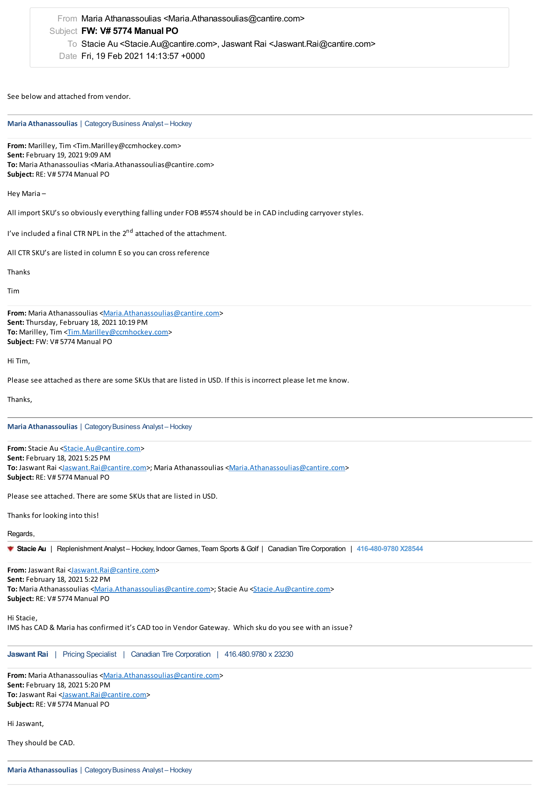
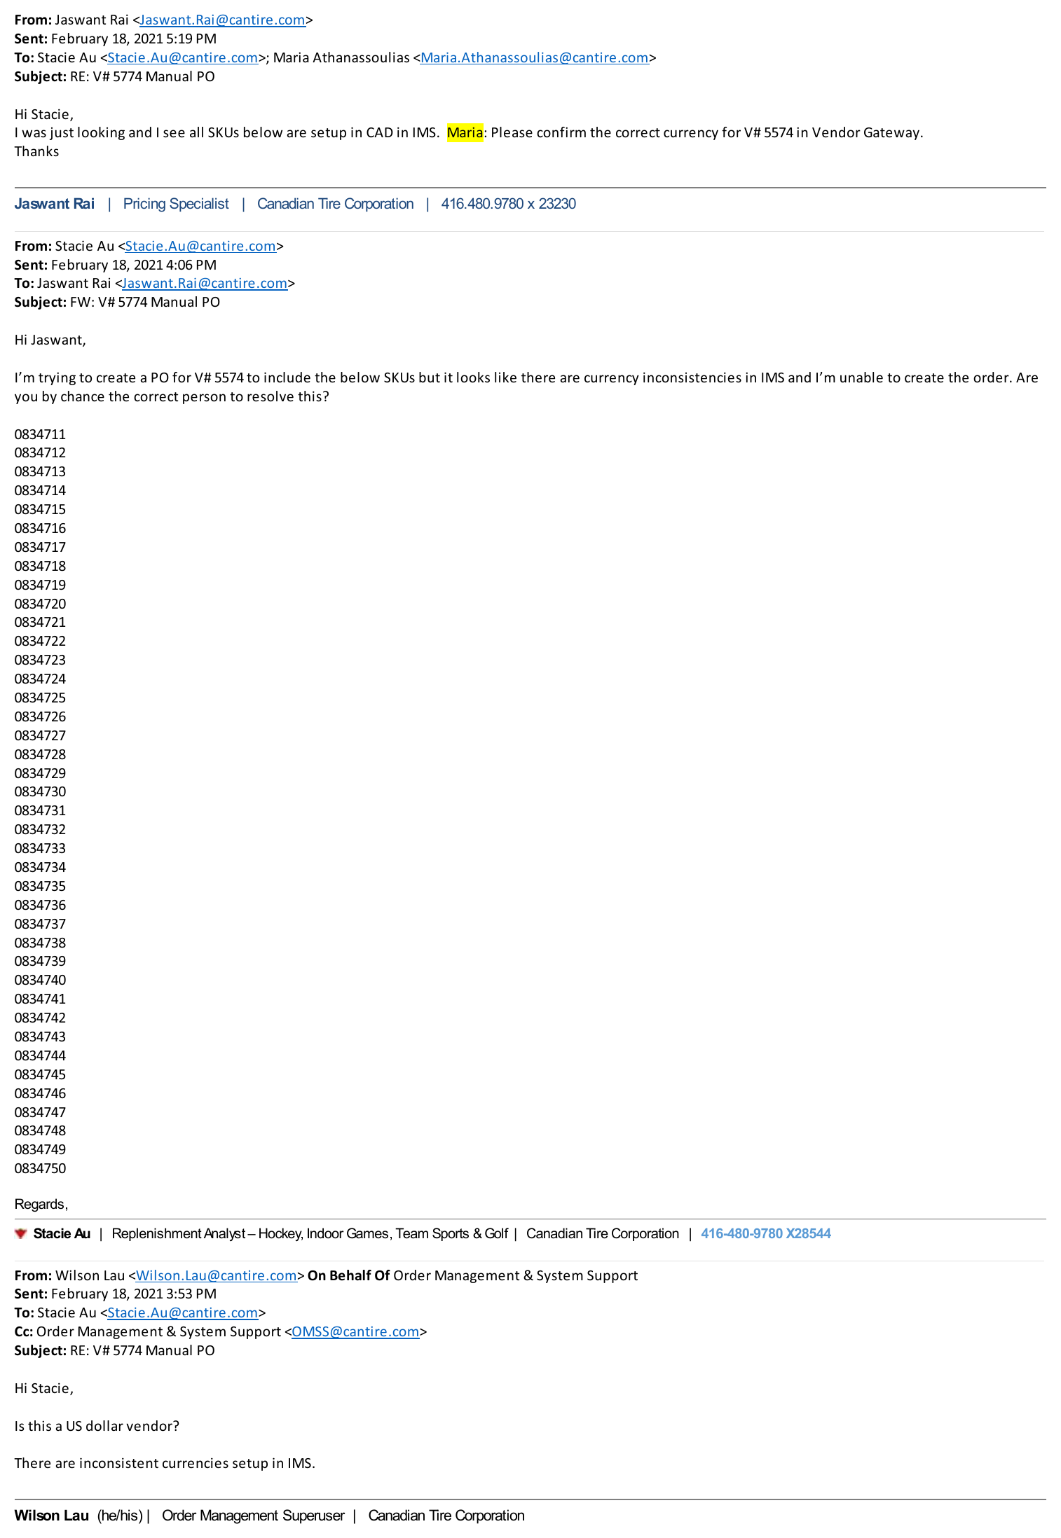
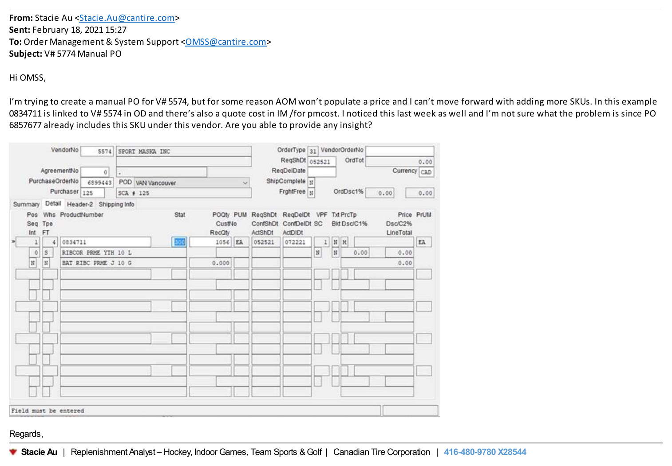
CLAIM DETAILS:
FOB/CME ID: | 5574
CBM ID: | 151
CURRENCY: | CAD

CLAIM TYPE | COMMENT | ADJUSTMENT $ | CURRENCY | RFX NUMBER
Pricing Audit | According to the attached email and SAP Awards the effective currency for the below Skus is 'CAD', However the following PO(s) containing these Skus were invoiced in 'USD', resulting in an overpayment. This claim is to collect the same. | $319,170.32 | CAD | RFx-2020-8703 RFx-2020-8470

As Per Support

