Sheet1
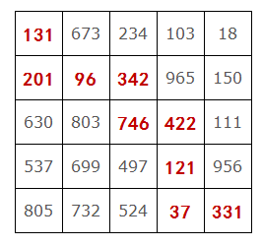

131 | 673 | 234 | 103 | 18
201 | 96 | 342 | 965 | 150
630 | 803 | 746 | 422 | 111
537 | 699 | 497 | 121 | 956
805 | 732 | 524 | 37 | 331

