Overview
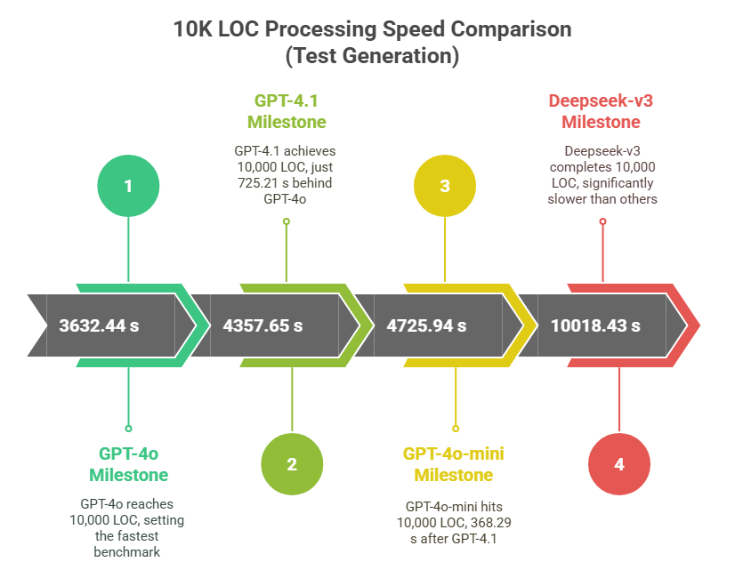
Metric | deepseek-v3 | gpt-4.1 | gpt-4o | gpt-4o-mini
Tested test files | 185 | 185 | 185 | 185
Total LOC | 16,698 | 16,698 | 16,698 | 16,698
Total generation time | 16,441.81 s | 7,115.05 s | 5,841.44 s | 7,491.03 s
Time to reach 10 K LOC | 10,018.43 s (at 10,093 LOC) | 4,357.65 s (at 10,059 LOC) | 3,632.44 s (at 10,088 LOC) | 4,725.94 s (at 10,074 LOC)
Test files passed | 77 (41.62%) | 112 (60.54%) | 102 (55.14%) | 64 (34.59%)
• in round 1 | 33 (17.84%) | 51 (27.57%) | 47 (25.41%) | 41 (22.16%)
• in round 2 | 23 (12.43%) | 36 (19.46%) | 42 (22.70%) | 16 (8.65%)
• in round 3 | 21 (11.35%) | 25 (13.51%) | 13 (7.03%) | 7 (3.78%)
Test files with compile errors | 23 | 40 | 35 | 59
Test files with runtime errors | 76 | 31 | 48 | 61
Fatal errors | 9 | 2 | 0 | 1
Unit tests generated | 284 | 475 | 160 | 122
CSV written to | tool_results_deepseek-v3.csv | tool_results_gpt-4.1.csv | tool_results_gpt-4o.csv | tool_results_gpt-4o-mini.csv
Test cases run - Before | 107 | 107 | 107 | 107
Test cases run - After | 391 | 582 | 267 | 229
Δ (new tests) | +284 (+265%) | +475 (+444%) | +160 (+150%) | +122 (+114%)

Global Coverage Summary
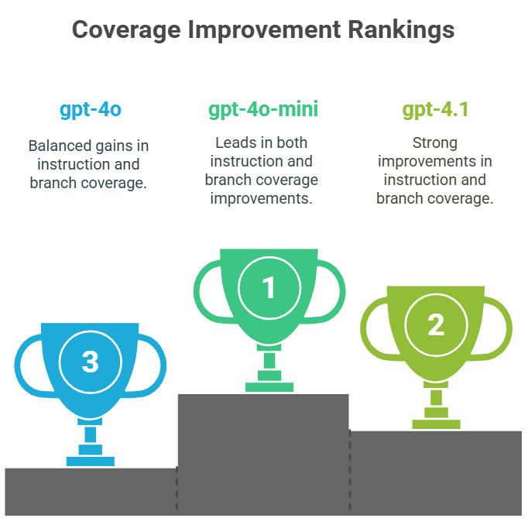
Metric | deepseek-v3 |  |  | gpt-4.1 |  |  | gpt-4o-mini |  |  | gpt-4o
 | Before | After | Δpp | Before | After | Δpp | Before | After | Δpp | Before | After | Δpp
Instruction | 28.3 % | 36.9 % | 8.6 % | 28.3 % | 42.4 % | 14.1 % | 28.3 % | 46.9 % | 18.6 % | 28.3 % | 39.2 % | 10.9 %
Branch | 20.3 % | 27.0 % | 6.7 % | 20.3 % | 35.8 % | 15.5 % | 20.3 % | 40.9 % | 20.6 % | 20.3 % | 30.2 % | 9.9 %

