Overall check
Sr. No. | Page | Changes | Screenshots for reference
1 | Home page | Social Media icons are to be added
2 | Home page | Explore Rooftect Advances and Explore the application (can we have them in same case, either sentence or title)
3 | Home page | Can we have a sub line for both of these categories like the rest
4 | Home page | Can we have them in same case, either sentence or title
5 | Product Page | Can we keep all the product names in alphabetical order? Just like the old version of the website
6 | Listing under product page | Alphabetic possible here as well? | 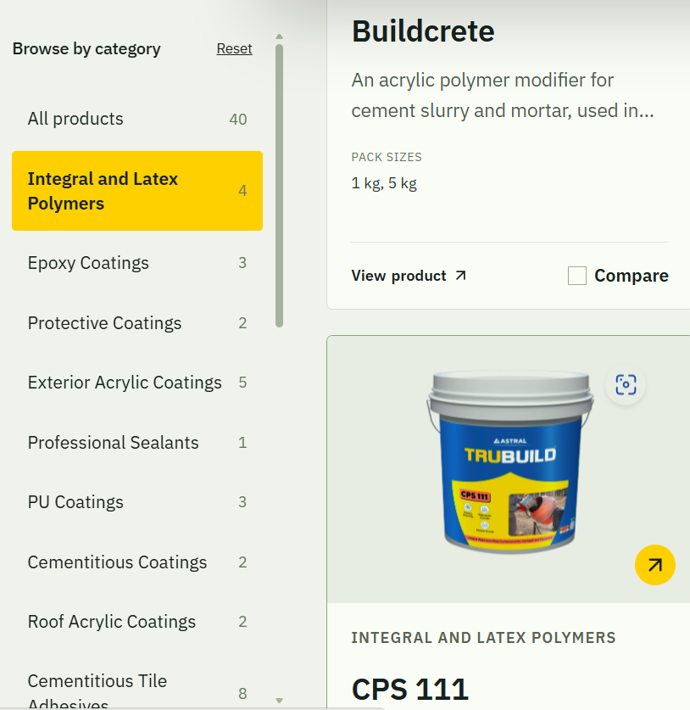
7 | About Us - Official Company Overview | This looks a bit untidy
8 | About Us | We will redirect from new to old website for about us info?
9 | Contact Us | Can we have all the list of cities with address the way it is in the old version? This shows the geographical vastness of our company
10 | Solutions Nomenclature | To be matched as per the old website as of now, mentioned below:
 |  | Concrete and Mortar instead of Concrete & repair
 |  | Roof Waterproofing instead of Roof & terrace
 |  | Wet Areas instead of Bathroom & Wet Areas
 |  | Exterior Waterproofing instead of Exterior walls
 |  | Water Tanks & Other Areas instead of Water tanks & pools
 |  | Substructure Waterproofing instead of Basements and Foundations
 |  | Professional Sealants instead of Joints & Sealants

