Sheet1
图片 | ASIN | 商品主图 | 实际类型
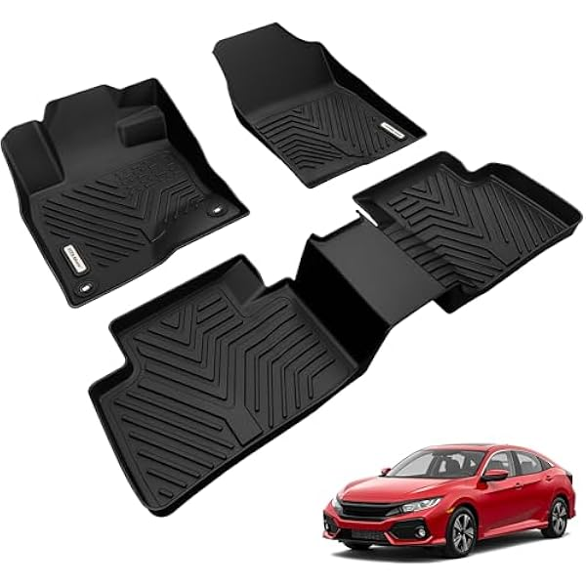 | B09Z96WL3R | https://m.media-amazon.com/images/I/41CJq0ogaoL._AC_US600_.jpg | floor mat
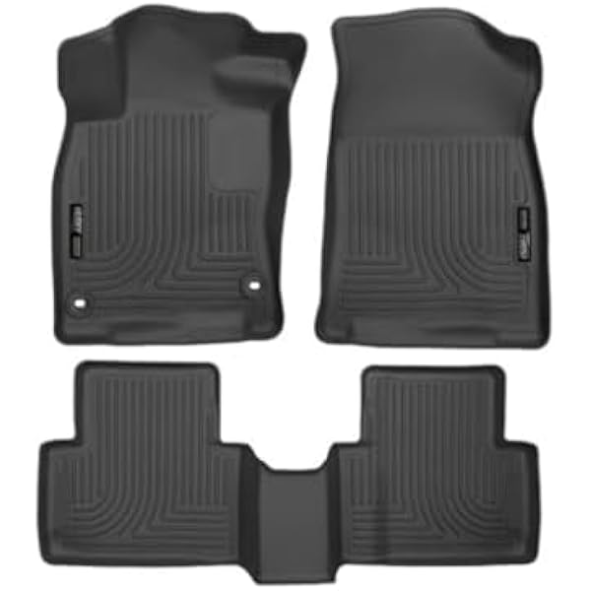 | B01BDAXITA | https://m.media-amazon.com/images/I/31vOinmnu6L._AC_US600_.jpg | floor mat
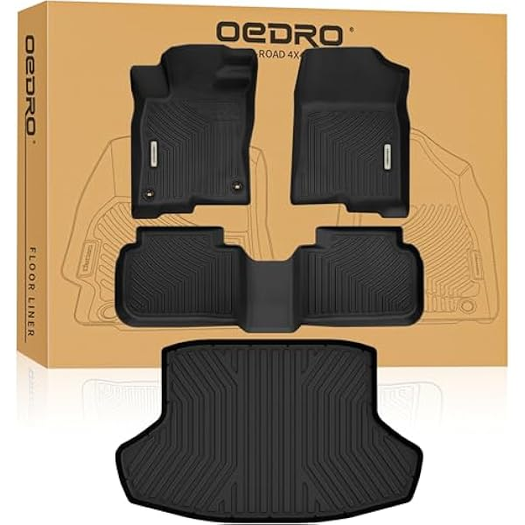 | B0BZ4BFHXT | https://m.media-amazon.com/images/I/419WzyG-KBL._AC_US600_.jpg | floor mat
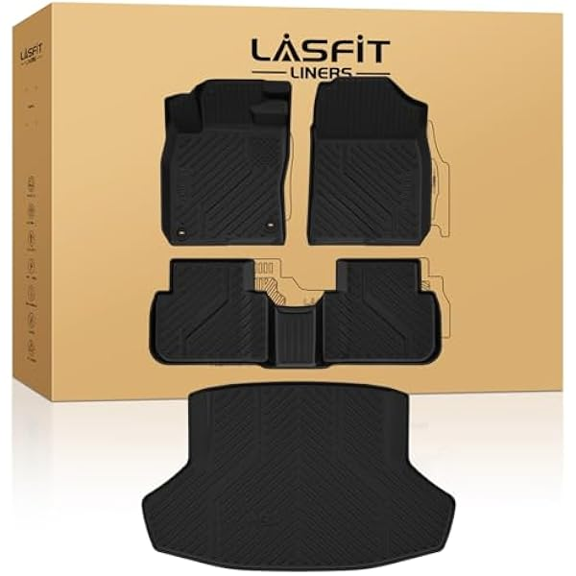 | B0C2ZFKK1L | https://m.media-amazon.com/images/I/41WdpPNm97L._AC_US600_.jpg | floor mat cargo linear
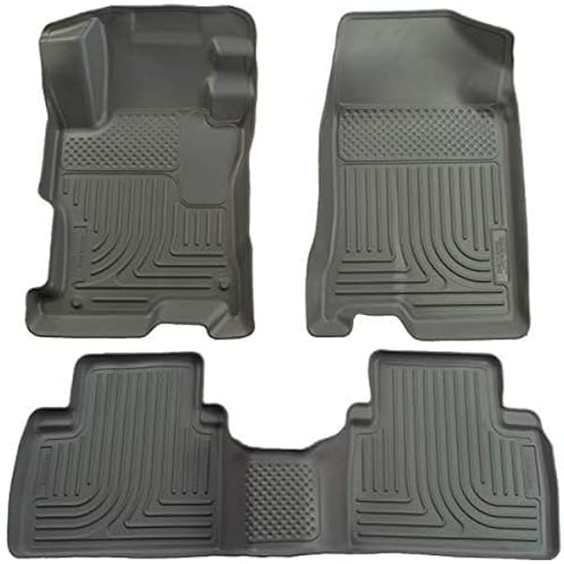 | B002QFHLX6 | https://m.media-amazon.com/images/I/41DYfoYvFvL._AC_US600_.jpg | floor mat
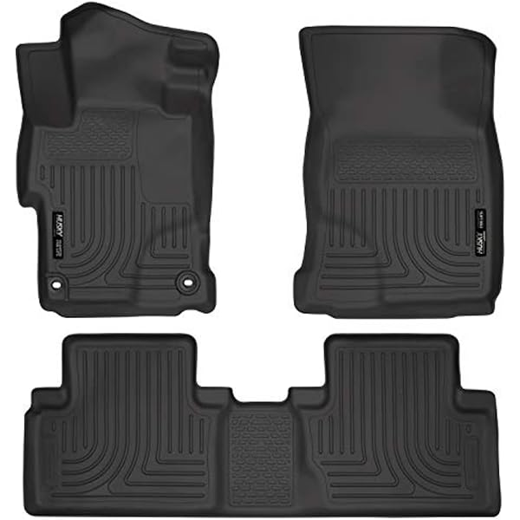 | B00KE8LSPE | https://images-na.ssl-images-amazon.com/images/I/71quue4kiqL._AC_US600_.jpg | floor mat
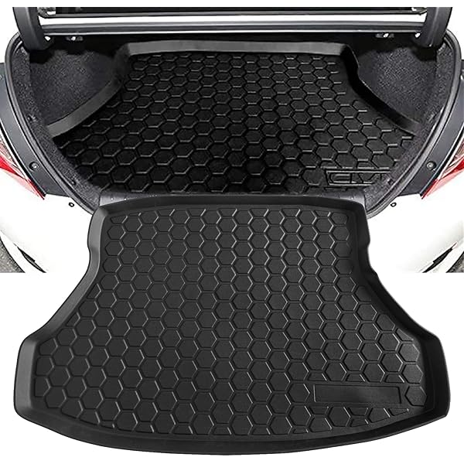 | B06ZYBLZV5 | https://images-na.ssl-images-amazon.com/images/I/71Rr4B5wMNL._AC_US600_.jpg | cargo net
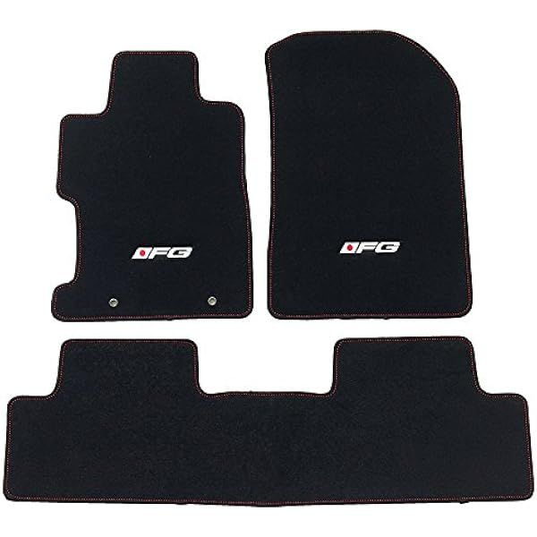 | B071F9D5CM | https://m.media-amazon.com/images/I/51eLbDOlsXL._AC_US600_.jpg | floor mat
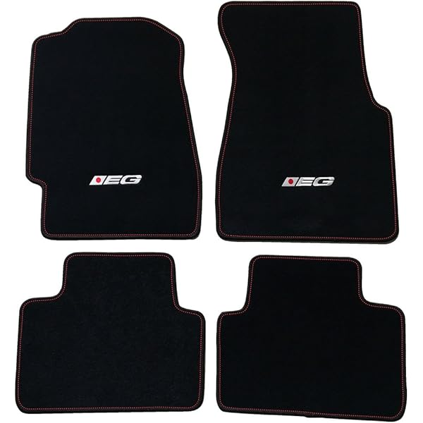 | B071P2HWPW | https://images-na.ssl-images-amazon.com/images/I/61dJpm8yimL._AC_US600_.jpg | floor mat
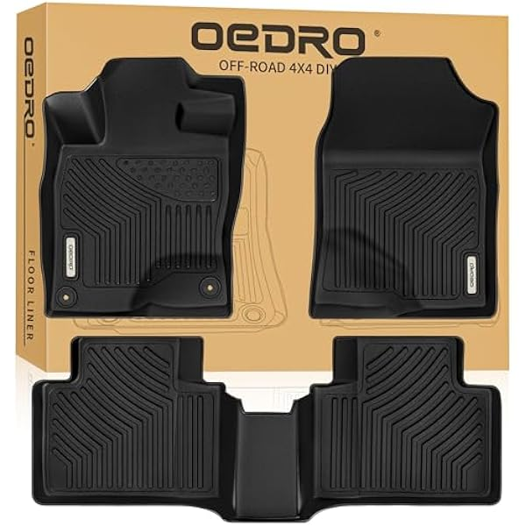 | B07KYNJN5L | https://m.media-amazon.com/images/I/515wDbP0B1L._AC_US600_.jpg | floor mat
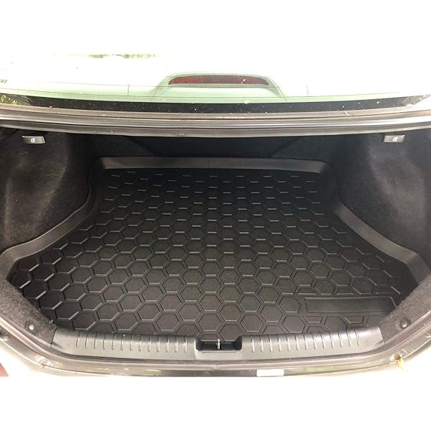 | B07L2PPM6Q | https://images-na.ssl-images-amazon.com/images/I/71LBfmpEmNL._AC_US600_.jpg | cargo linear
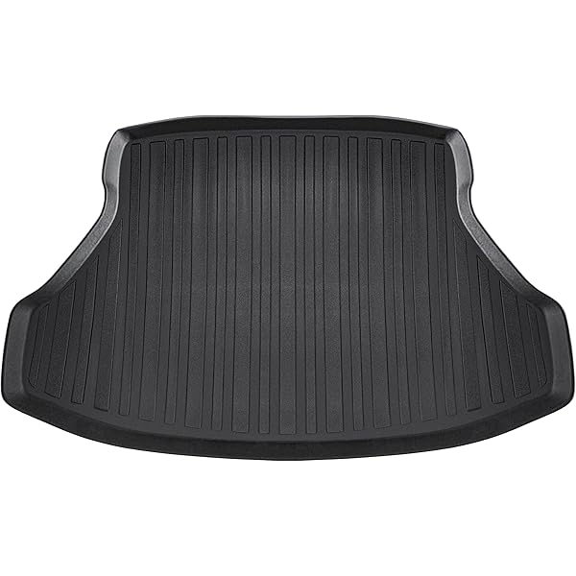 | B07LFMTG2J | https://images-na.ssl-images-amazon.com/images/I/71INoI2aq0L._AC_US600_.jpg | cargo linear
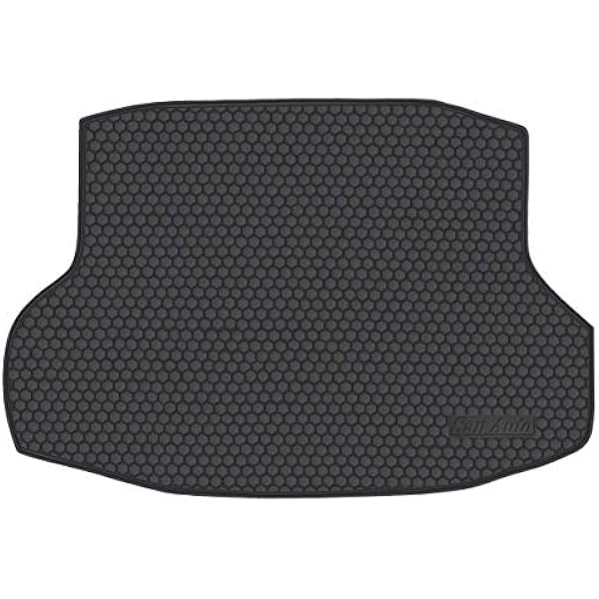 | B07PNV7W14 | https://m.media-amazon.com/images/I/416IG9h4ZlL._AC_US600_.jpg | cargo linear
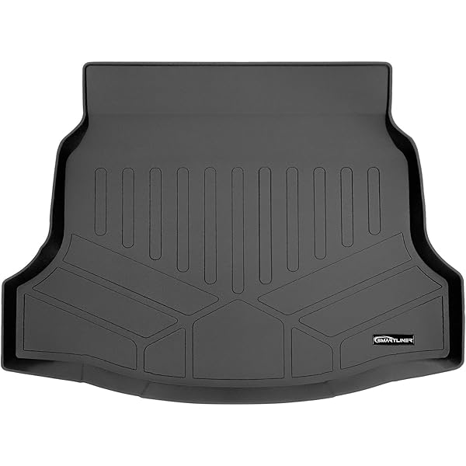 | B07PW2XBNG | https://images-na.ssl-images-amazon.com/images/I/71W11LiBMrL._AC_US600_.jpg | cargo linear
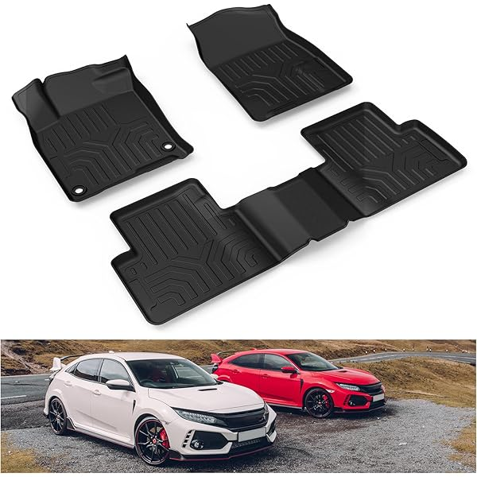 | B07RP7WVS3 | https://images-na.ssl-images-amazon.com/images/I/71dTw43BiqL._AC_US600_.jpg | floor mat
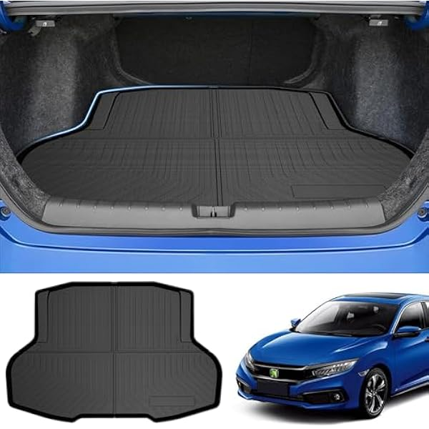 | B07YDB31G4 | https://m.media-amazon.com/images/I/41tppZQv8gL._AC_US600_.jpg | cargo linear
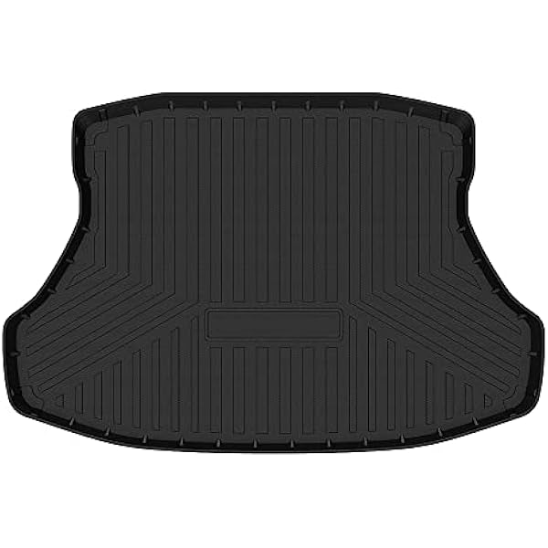 | B08S3N5ZZC | https://m.media-amazon.com/images/I/31MCkIv2lBL._AC_US600_.jpg | cargo linear
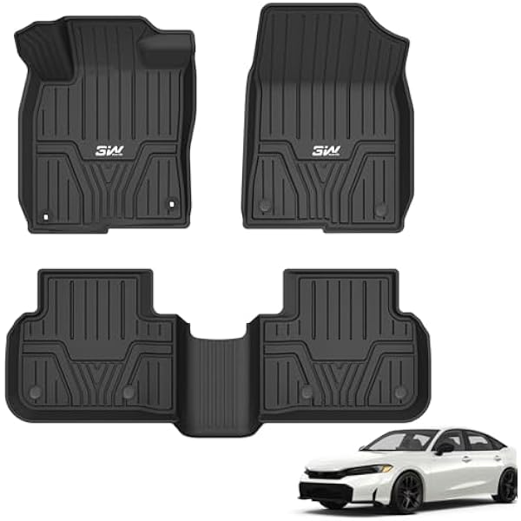 | B09NXJBW5C | https://m.media-amazon.com/images/I/41aXrIdhruL._AC_US600_.jpg | floor mat
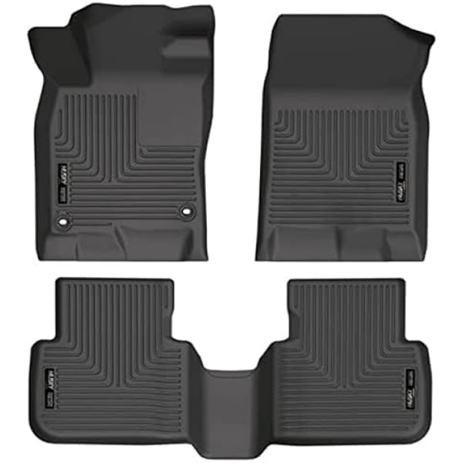 | B09SKMV7V2 | https://m.media-amazon.com/images/I/41tWp4m2fOL._AC_US600_.jpg | floor mat
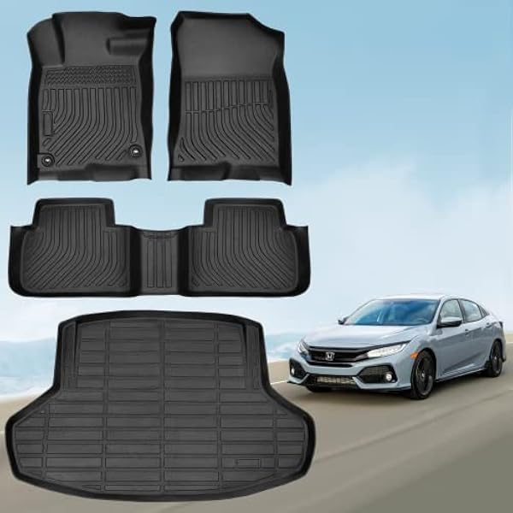 | B0B5X15G4Y | https://m.media-amazon.com/images/I/41ZdfQN2FNL._AC_US600_.jpg | floor mat cargo linear
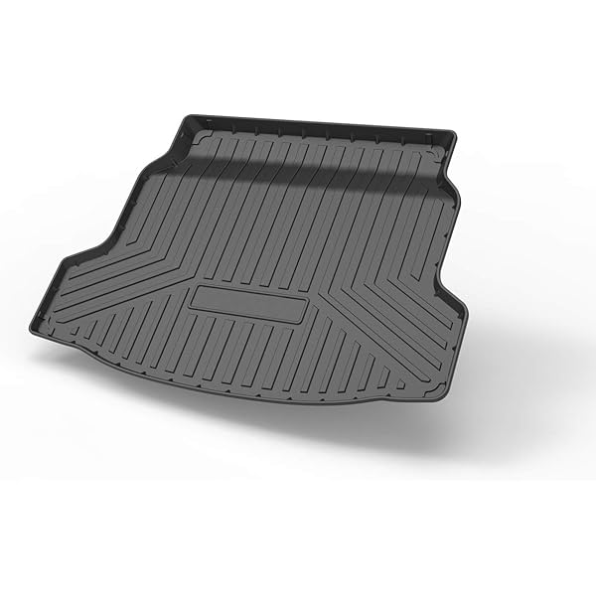 | B0B68L1RVN | https://images-na.ssl-images-amazon.com/images/I/61DqpiaApuL._AC_US600_.jpg | cargo linear
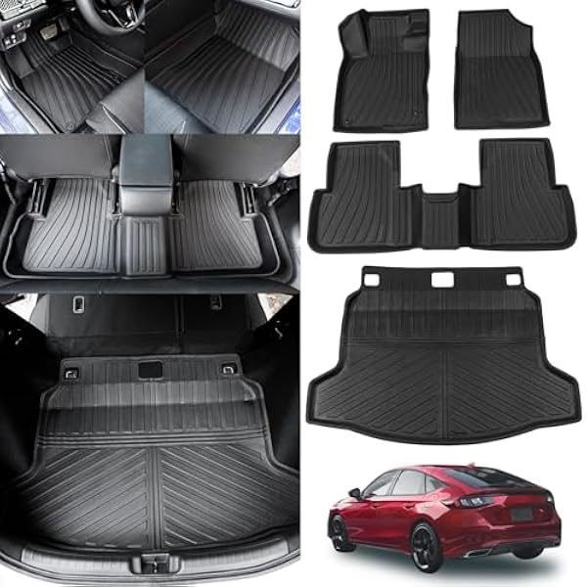 | B0BCQ2YNM3 | https://m.media-amazon.com/images/I/51+b7AVR+YL._AC_US600_.jpg | floor mat cargo linear
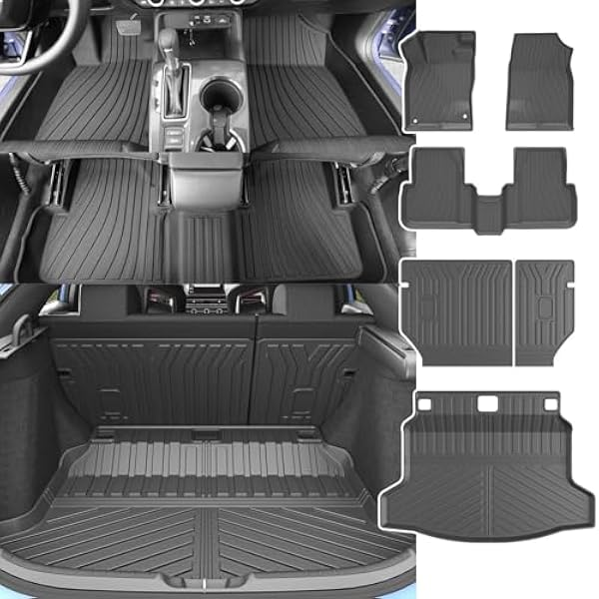 | B0BFW43N9J | https://m.media-amazon.com/images/I/51bSur3a6QL._AC_US600_.jpg | floor mat cargo linear
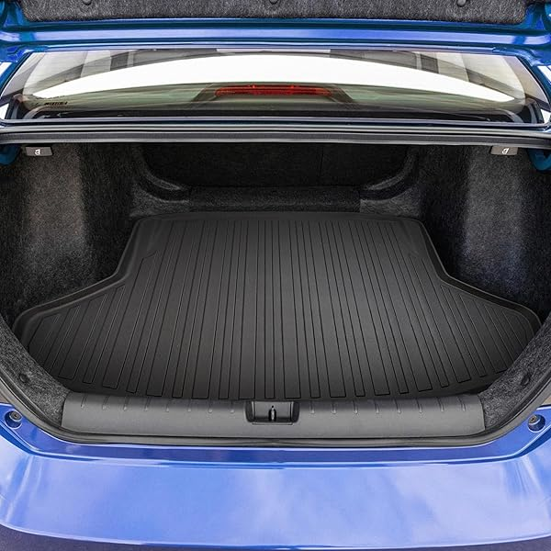 | B0BXBMK17X | https://images-na.ssl-images-amazon.com/images/I/81IqtEe2nOL._AC_US600_.jpg | cargo net
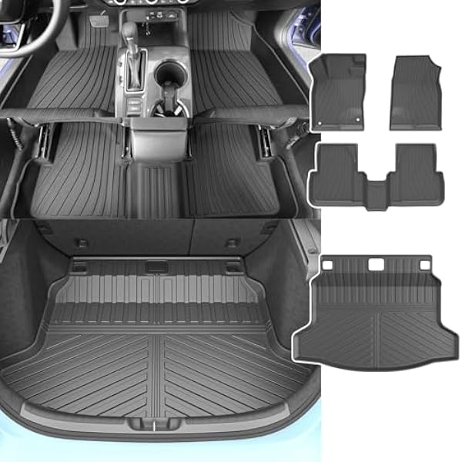 | B0BZ36L8TT | https://m.media-amazon.com/images/I/516kX3pyi5L._AC_US600_.jpg | floor mat cargo linear
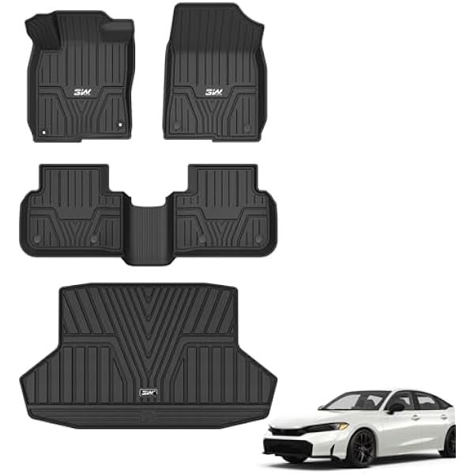 | B0BZZ4P5VZ | https://m.media-amazon.com/images/I/41wyA7pfR2L._AC_US600_.jpg | floor mat cargo linear
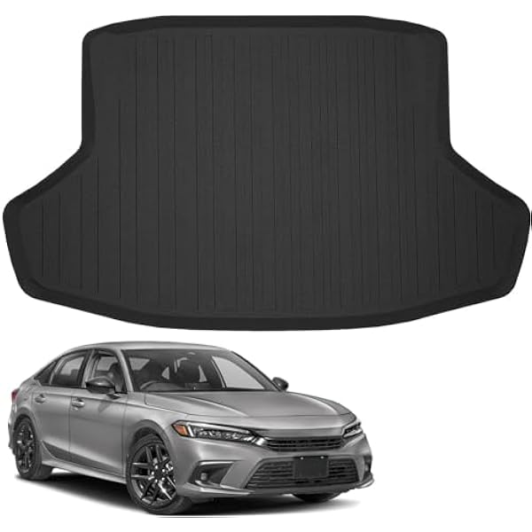 | B0C11YT12F | https://m.media-amazon.com/images/I/41fot1ffGiL._AC_US600_.jpg | cargo linear
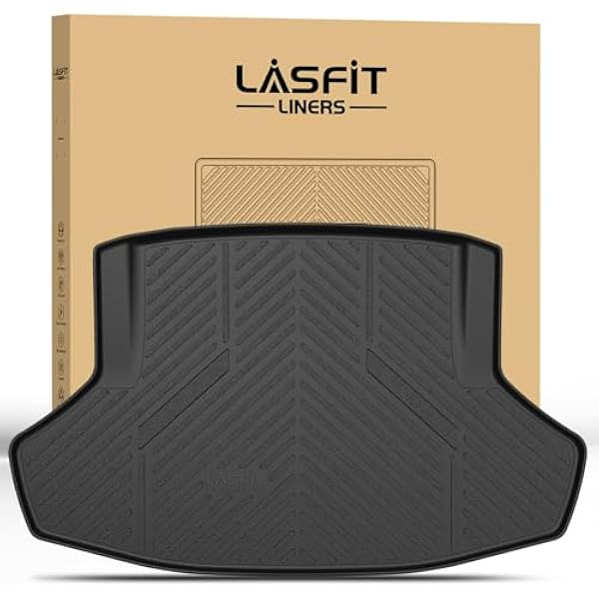 | B0C1S52JCQ | https://m.media-amazon.com/images/I/41Jwe1GtaYL._AC_US600_.jpg | cargo linear
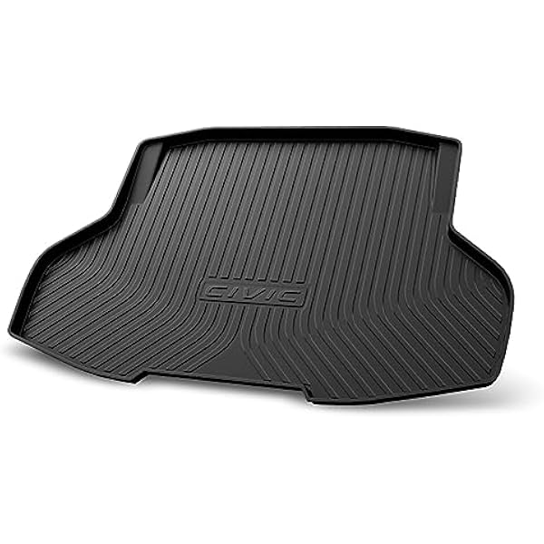 | B0C9N4BDRD | https://m.media-amazon.com/images/I/41greW-geFL._AC_US600_.jpg | cargo linear
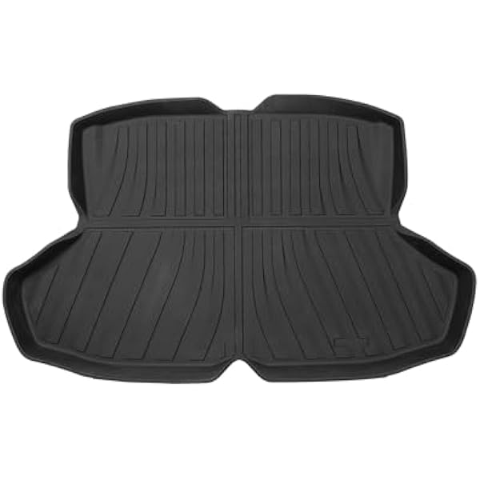 | B0CF29C33H | https://m.media-amazon.com/images/I/311++tOSf9L._AC_US600_.jpg | cargo linear
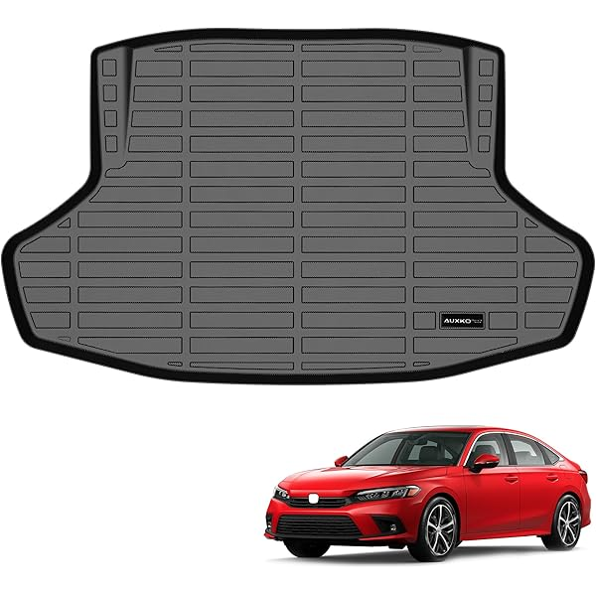 | B0CFZV9Z7H | https://images-na.ssl-images-amazon.com/images/I/915tZHQ6z+L._AC_US600_.jpg | cargo linear
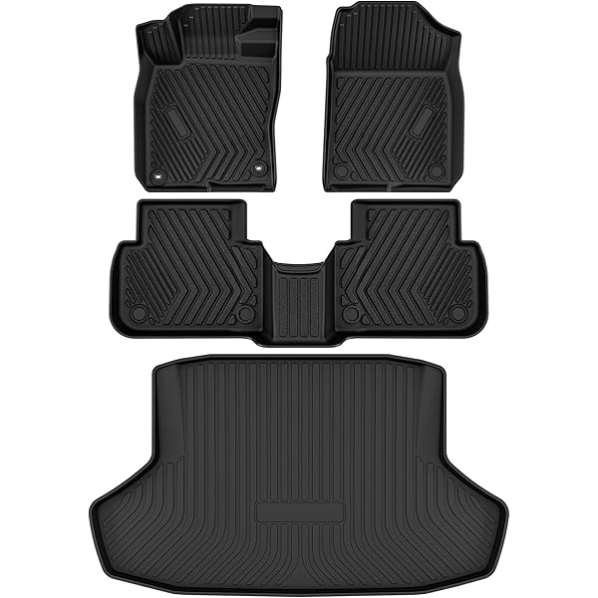 | B0CJTPBQNQ | https://images-na.ssl-images-amazon.com/images/I/81bIVvZQkOL._AC_US600_.jpg | floor mat cargo linear
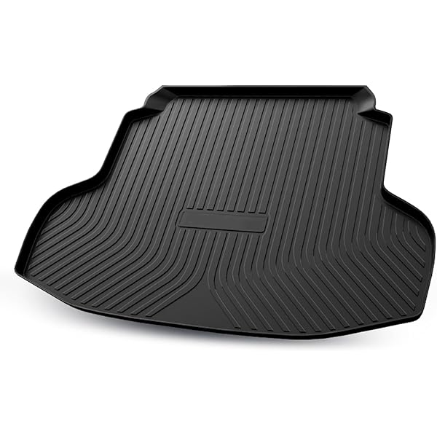 | B0CNZ17MHB | https://images-na.ssl-images-amazon.com/images/I/61nD1Ib76PL._AC_US600_.jpg | cargo linear
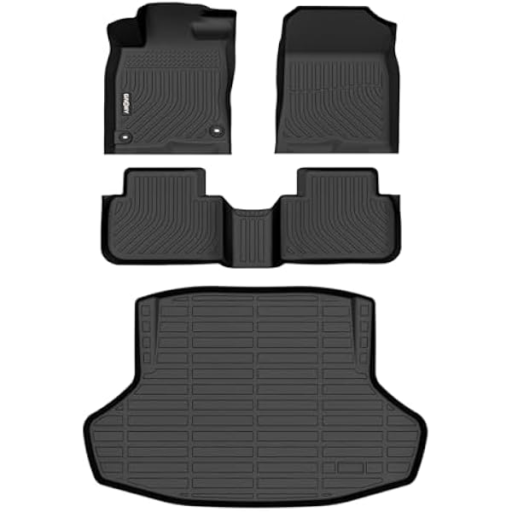 | B0CVXKQP1C | https://m.media-amazon.com/images/I/41-YKRAb-vL._AC_US600_.jpg | floor mat cargo linear
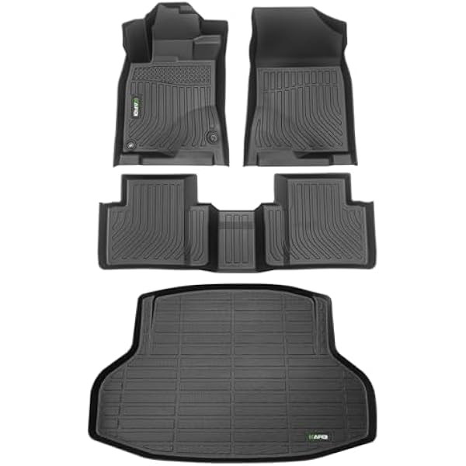 | B0CWRYPY7N | https://m.media-amazon.com/images/I/41Azhzonr+L._AC_US600_.jpg | floor mat cargo linear
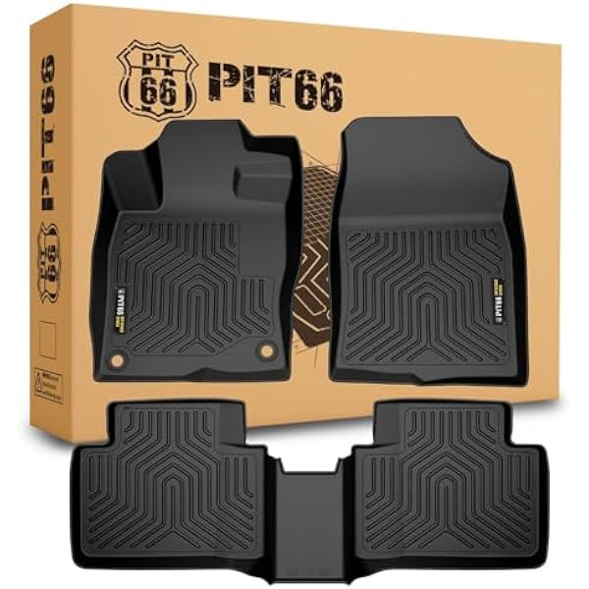 | B0D5LPWJYP | https://m.media-amazon.com/images/I/4124n50-1sL._AC_US600_.jpg | floor mat
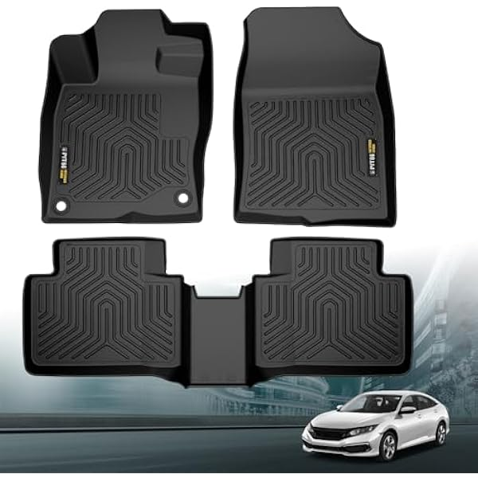 | B0D5LXLJ41 | https://m.media-amazon.com/images/I/41gSIEMRhML._AC_US600_.jpg | floor mat
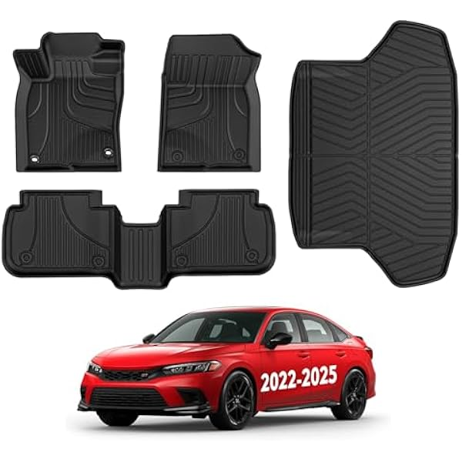 | B0D8LDDH8V | https://m.media-amazon.com/images/I/41zOAuTwH6L._AC_US600_.jpg | floor mat
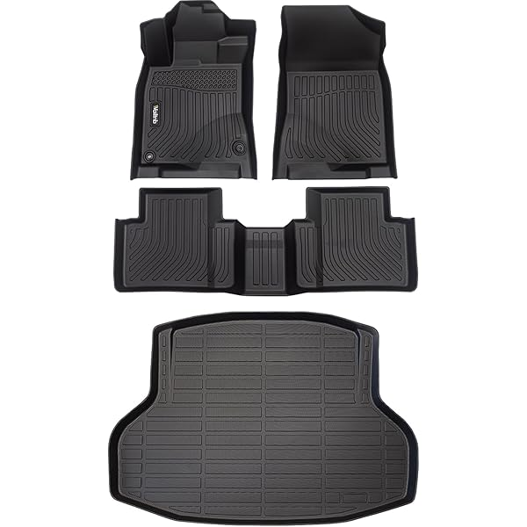 | B0D97NHZNC | https://images-na.ssl-images-amazon.com/images/I/71RMc36zRxL._AC_US600_.jpg | floor mat cargo linear
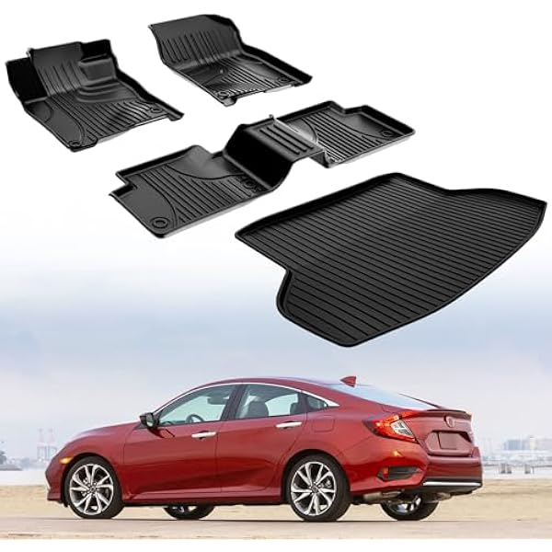 | B0D9GK4ZRT | https://m.media-amazon.com/images/I/51Nu5QVmd2L._AC_US600_.jpg | floor mat cargo linear
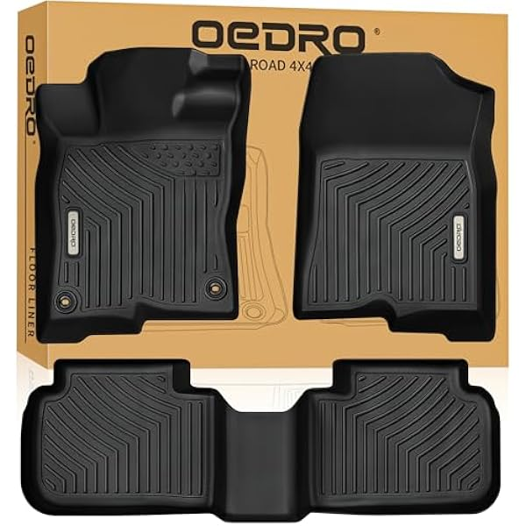 | B0DCND333N | https://m.media-amazon.com/images/I/51PpjB7vVFL._AC_US600_.jpg | floor mat
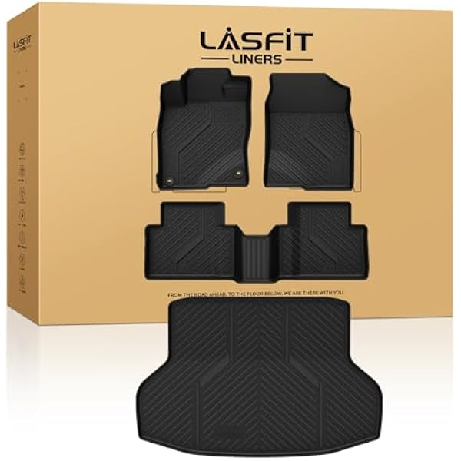 | B0DGWNX63L | https://m.media-amazon.com/images/I/41ilUJWK+qL._AC_US600_.jpg | floor mat cargo linear
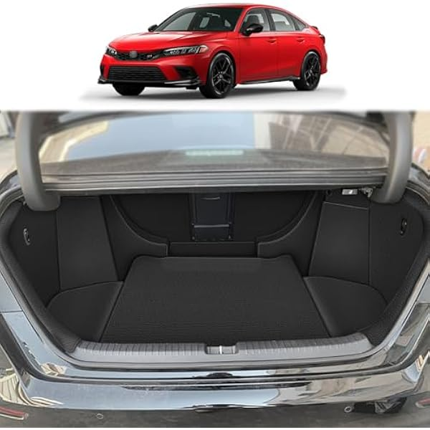 | B0DHJV7TJX | https://m.media-amazon.com/images/I/41JE07JiGXL._AC_US600_.jpg | cargo cover
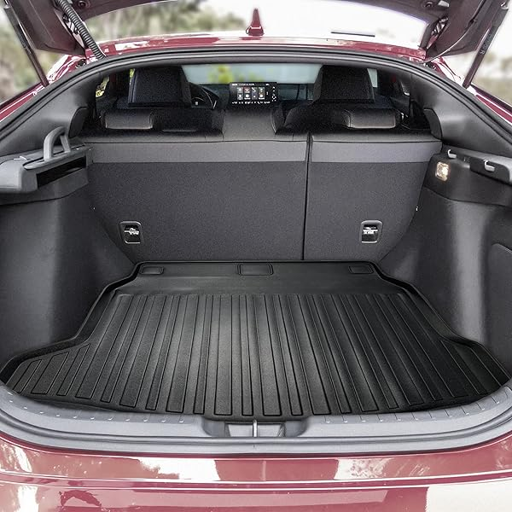 | B0DHZVRRZB | https://images-na.ssl-images-amazon.com/images/I/91RP5HlJZIL._AC_US600_.jpg | cargo net
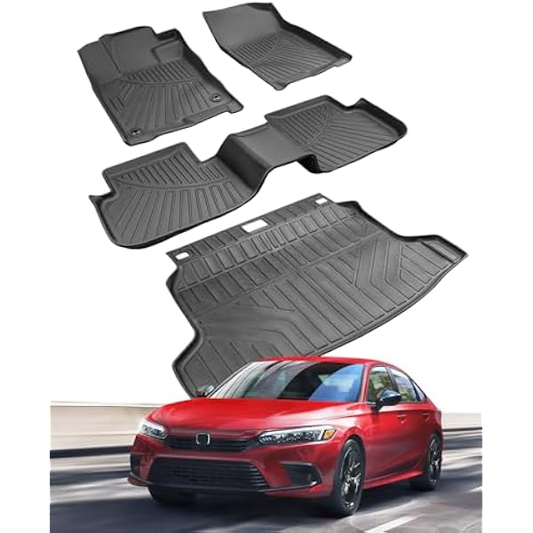 | B0DM4X3GWB | https://m.media-amazon.com/images/I/41m6klBSQuL._AC_US600_.jpg | floor mat cargo linear
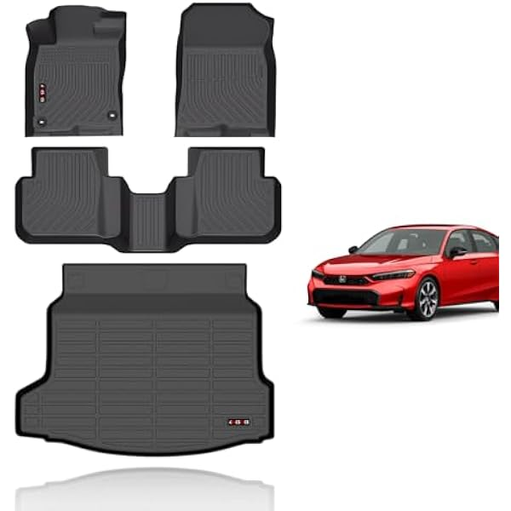 | B0DPLYGKTD | https://m.media-amazon.com/images/I/316JHqbWDHL._AC_US600_.jpg | floor mat cargo linear
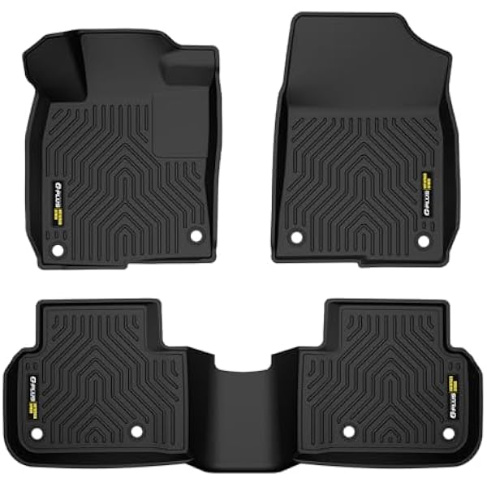 | B0DX6VVFXN | https://m.media-amazon.com/images/I/41ZbbIiA8vL._AC_US600_.jpg | floor mat
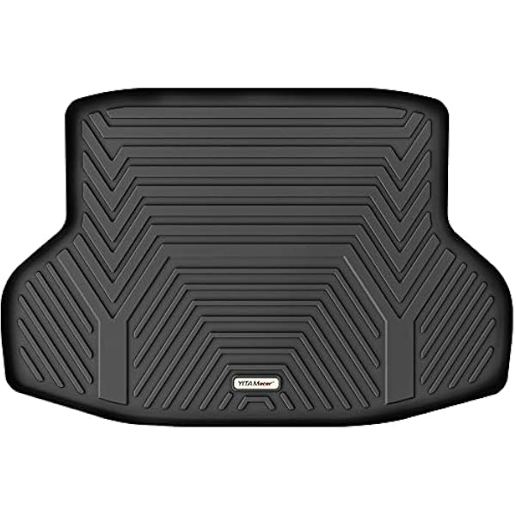 | B0F3HJN4VS | https://m.media-amazon.com/images/I/41S6pp1eqaL._AC_US600_.jpg | cargo linear
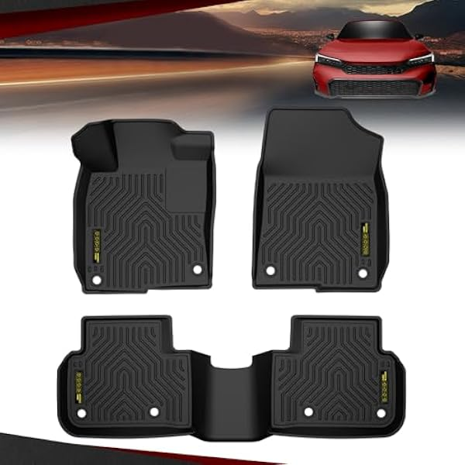 | B0FH9HPFGN | https://m.media-amazon.com/images/I/41Q8bpYPpqL._AC_US600_.jpg | floor mat
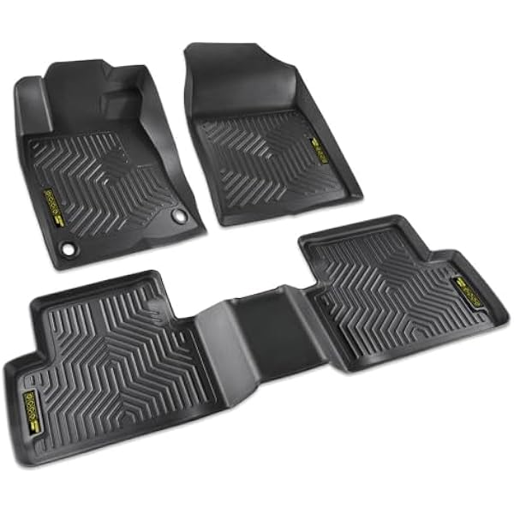 | B0FHB2H9H1 | https://m.media-amazon.com/images/I/41Rt4JQ-oYL._AC_US600_.jpg | floor mat
 | B0FHGWNWP9 | https://m.media-amazon.com/images/I/41-skMu6+pL._AC_US600_.jpg | floor mat
 | B0FHGX3DML | https://m.media-amazon.com/images/I/41x9fDEzr-L._AC_US600_.jpg | floor mat
 | B009TABP9W | https://m.media-amazon.com/images/I/51cTqnEwovL._AC_US600_.jpg | cargo linear
 | B019W2NPJO | https://m.media-amazon.com/images/I/4114jw-mn-L._AC_US600_.jpg | cargo linear
 | B01DGZNHN2 | https://m.media-amazon.com/images/I/519wgKf8CBL._AC_US600_.jpg | cargo linear
 | B01M2CA5OK | https://m.media-amazon.com/images/I/41Axnivdh1L._AC_US600_.jpg | cargo linear
 | B01M71YGGK | https://m.media-amazon.com/images/I/410AK4mcahL._AC_US600_.jpg | floor mat
 | B06XSW9TFW | https://m.media-amazon.com/images/I/31pAs4bnu8L._AC_US600_.jpg | cargo linear
 | B0725QMHMJ | https://m.media-amazon.com/images/I/31qFPFgDHkL._AC_US600_.jpg | floor mat
 | B07CG5TCR9 | https://m.media-amazon.com/images/I/51y2tsK9llL._AC_US600_.jpg | cargo linear
 | B07CG6618C | https://m.media-amazon.com/images/I/41bDcz2+YdL._AC_US600_.jpg | cargo linear
 | B07CG99VDK | https://m.media-amazon.com/images/I/51u34CdmJbL._AC_US600_.jpg | cargo linear
 | B07CJLL17Z | https://m.media-amazon.com/images/I/41eKsTt4RAL._AC_US600_.jpg | cargo linear
 | B07K6VSWZF | https://m.media-amazon.com/images/I/41ChjZqvUQL._AC_US600_.jpg | cargo linear
 | B07PZJ92BG | https://m.media-amazon.com/images/I/41Axnivdh1L._AC_US600_.jpg | cargo linear
 | B088RNCSRM | https://m.media-amazon.com/images/I/41Waar0V8EL._AC_US600_.jpg | cargo linear
 | B08HYP3K6M | https://m.media-amazon.com/images/I/41bDcz2+YdL._AC_US600_.jpg | cargo linear
 | B09RVHLKW9 | https://m.media-amazon.com/images/I/31pJGXu-UcL._AC_US600_.jpg | dash cover
 | B09TDF7NRF | https://m.media-amazon.com/images/I/41H3lhSIH9L._AC_US600_.jpg | cargo linear
 | B0B6H5YK7K | https://m.media-amazon.com/images/I/41Jlh+Lw6oL._AC_US600_.jpg | cargo linear
 | B0C6GQHR36 | https://m.media-amazon.com/images/I/41zQyH3VncL._AC_US600_.jpg | cargo cover
 | B0CF2S4VWK | https://m.media-amazon.com/images/I/51GxPinYe5L._AC_US600_.jpg | cargo net
 | B0CMXFCN89 | https://m.media-amazon.com/images/I/41OSUTISvKL._AC_US600_.jpg | floor mat cargo linear
 | B0CTCX9QJQ | https://m.media-amazon.com/images/I/51UqPb7WSnL._AC_US600_.jpg | cargo linear
 | B0CXFDGF4Y | https://m.media-amazon.com/images/I/41su6XCA-oL._AC_US600_.jpg | cargo linear
 | B0CZRWBW36 | https://m.media-amazon.com/images/I/41mniQ7YMpL._AC_US600_.jpg | floor mat cargo linear
 | B0D35JM1KN | https://m.media-amazon.com/images/I/41k7PKhDjgL._AC_US600_.jpg | cargo linear
 | B0DLB5J94F | https://m.media-amazon.com/images/I/31jOoIe7HGL._AC_US600_.jpg | cargo linear
 | B0DMFFRBYB | https://m.media-amazon.com/images/I/31x55jOtEiL._AC_US600_.jpg | cargo cover
 | B0DS644XFS | https://m.media-amazon.com/images/I/31wbUcOO6tL._AC_US600_.jpg | cargo linear
 | B0FD9HB5YK | https://m.media-amazon.com/images/I/31jOoIe7HGL._AC_US600_.jpg | cargo linear
 | B0FLF7DSNX | https://m.media-amazon.com/images/I/31u2RR-dfqL._AC_US600_.jpg | cargo linear

