Instructions
Hello, and welcome to the program that will schedule Lincoln Douglas and Team debates for you!
Before you begin, there are a few instructions that you need to be aware of in order to have the best experience using this program.
First, you can toggle between the pages for each event using the tabs in the bottom left corner
Second, this spreadsheet uses something called Macros, which are just programs (written by me) that are kind of like Java or Python
These macros are what make this program possible - they do all of the calculations to schedule events.
When opening this file, you may have noticed an alert pop up regarding macros. In order to be able to use this program at all, you must enable them

Ok, now to actually using this program:
LD and Team scheduling will work very similarly, so I will just go through how to use the LD scheduler and you can probably figure out the rest
When going to the page titled "LD," you will notice three things:
 | 1 - | A list that prompts you to type in all competitor names.
 | 2 - | A large button
 | 3 - | A bunch of data to the right
A few notes about these things:
 | 1 - | You MUST spell competitor's names correctly in order for this program to work!
 | 2 - | As you can probably guess, pressing the large button will do the magic - it will complete the schedule AND send an email of it to all competitors
 | 3 - | DO NOT mess with the data to the far right. This is essential for the program to work, as it records data for seeding for finals
 |  | Related to this: Make sure to SAVE EVERY TIME YOU MAKE AN EDIT. This is so that the program can record historical data and therefore seedings
Ok, now to the actual instructions (continued below the images):
 | 1 - | Type the list of all competitor names directly underneath the place where it prompts you to. Do not leave any blank cells above a person's name
 |  | Please note, it does not matter if the letters are uppercaese or lowercase
 |  | Some examples are shown below:

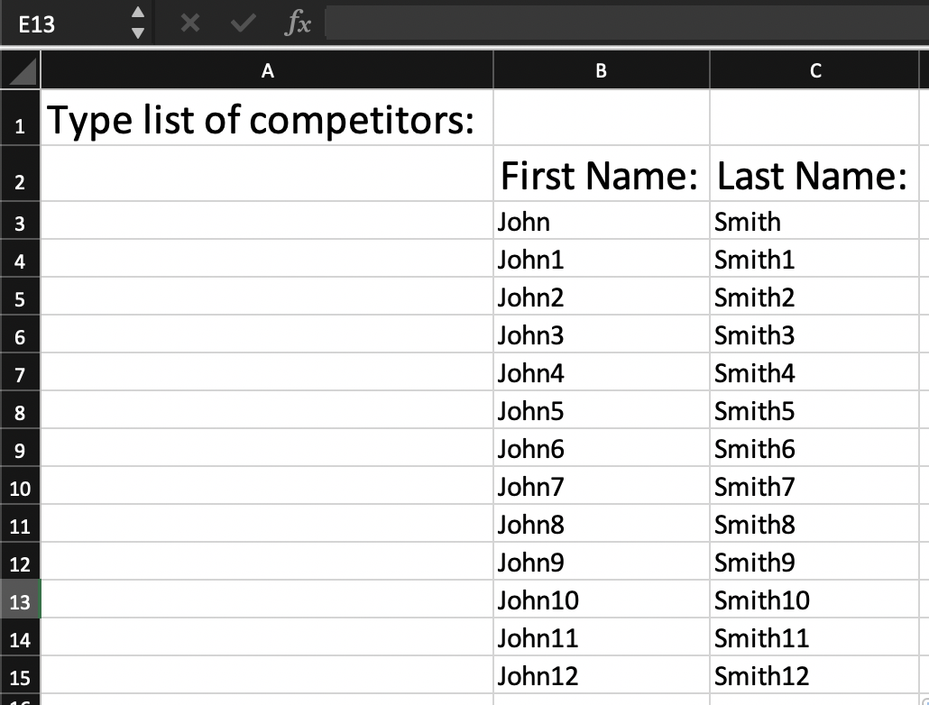
 |  | Correct: | Incorrect:
 |  |  | Problem: blank row interrupting the list | Problem: First and last names must both be filled out

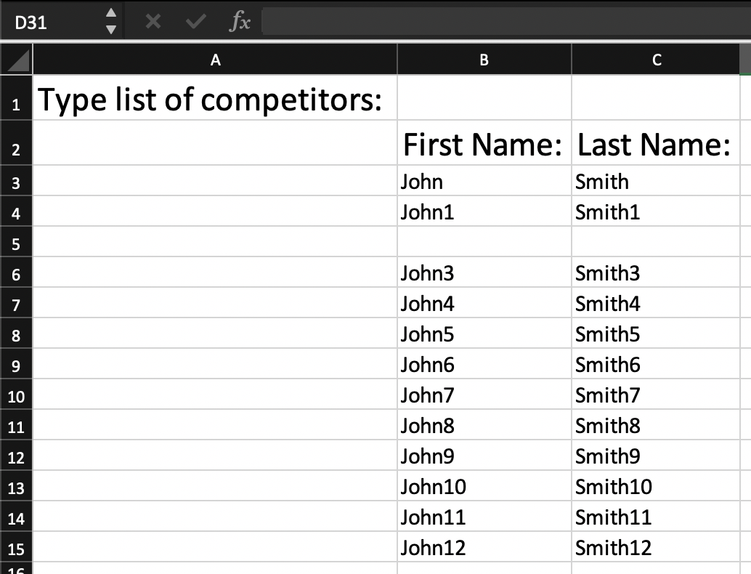
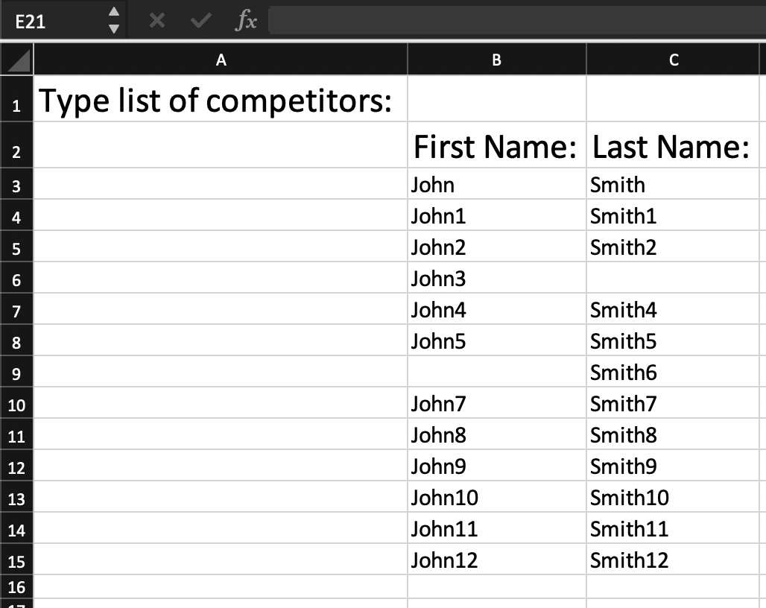

 | 2 - | Press the button
 | 3 - | A table with the completed schedule will appear that you can copy and paste into a Word document.
 |  | A version of this will also be sent to all competitors via student email
 | 4 - | Click Save
 | 5 - | At the end of the year (after finals is over), press the RESET ALL button. This will clear all data, so that next year, seedings can start fresh

