Finding Battery Information
Battery Information is stored in the Battery Data Sheet.
Lenovo Battery Information Files - (SDS and UN38.3 Test Report/Summaries) are found by using the Battery Part Numbers

How do I find the battery PN for my product?
1. Battery PNs are found on the outside of the Product packaging.
2. Using the Parts Select Tool with the product Serial Number
3. Using the Parts Select Tool with the Part Number
4. Using the Parts Select Tool with the Machine Type
5. Using the Battery Finder Tool with the Machine Type (Products) or part number (options/accessories)

Battery Part Numbers/Information for Notebooks/Tablets is found on the product Label
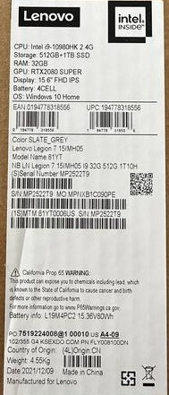

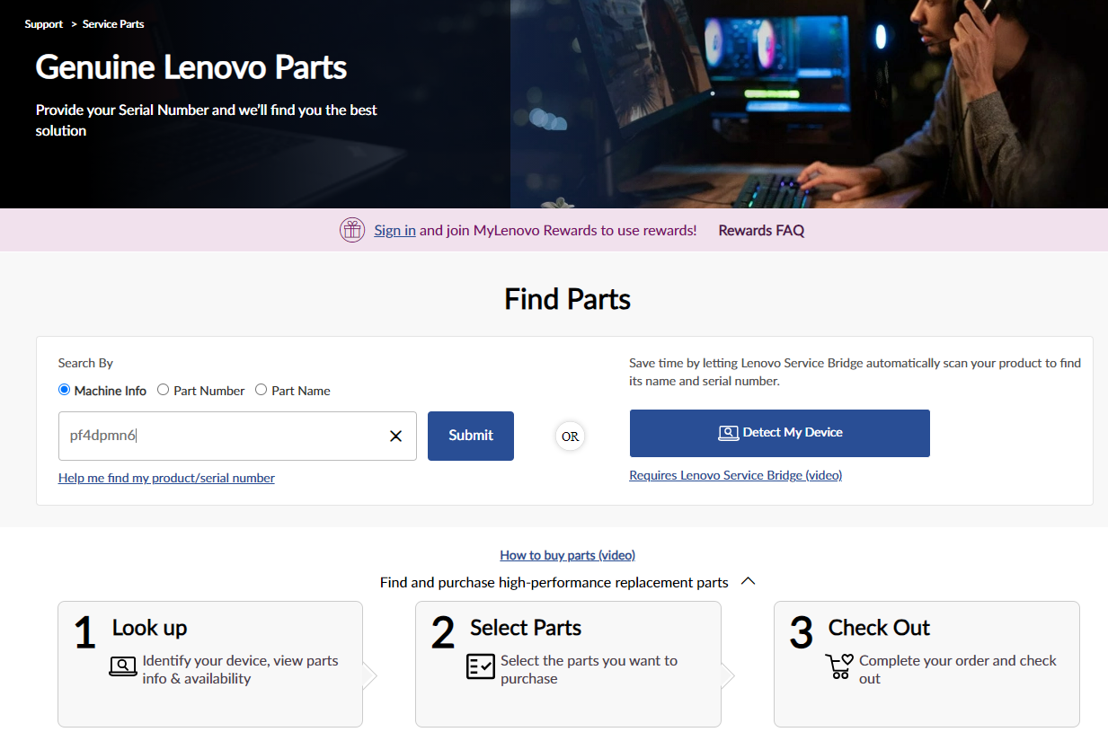
Using the Parts Select Tool with a product Serial Number. This is the same process if using "detect my device"
1. Enter the Serial Number into the Parts Select tool (https://support.lenovo.com/us/en/parts-lookup)

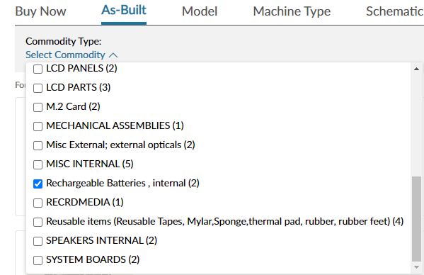
2. Choose "As Built", then Select "Rechargeable Batteries"

3. Battery FRU Part Number is displayed - Note sometimes the same battery is listed 2x
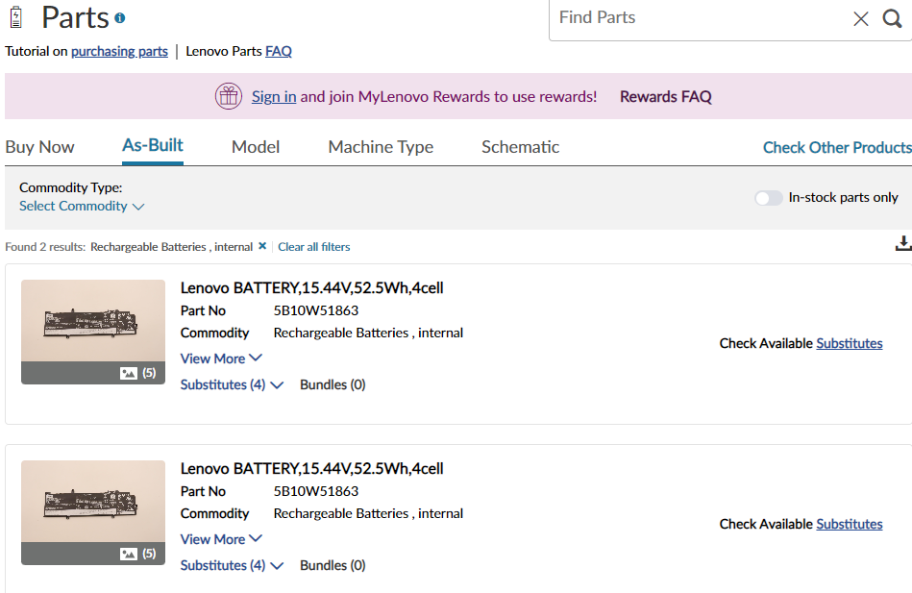

4. Open the file (BatteryInformationFinder) - linked on SDS web page. Goto the BatteryFinder and enter the Battery Part Number

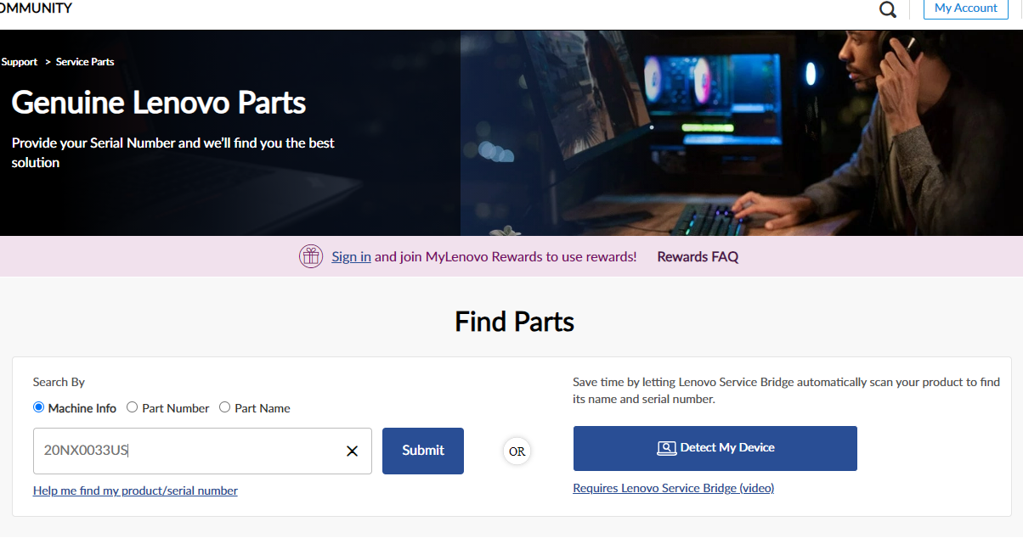
Using the Parts Select Tool with the Part Number.
1. Enter the Part Number into the Parts Select tool (https://support.lenovo.com/us/en/parts-lookup)

2. Choose "Model", then "Rechargeable Batteries"
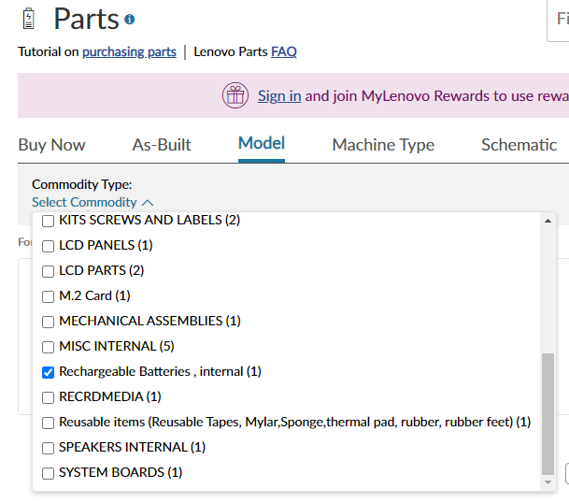

3. Battery FRU PN is displayed
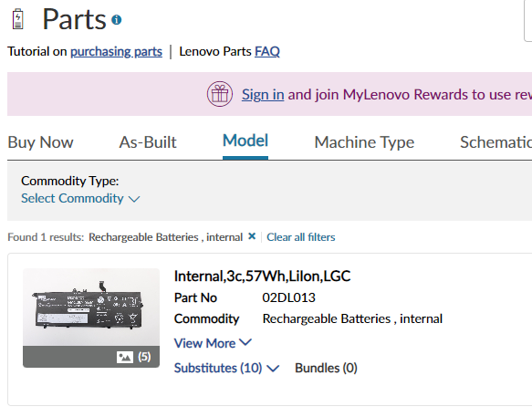

4. Open the file (BatteryInformationFinder) - linked on SDS web page. Goto the BatteryFinder and enter the Battery Part Number

Using the Parts Select Tool with the Machine Type
Note: This method provides ALL potential batteries for the Product.
1. Enter the Machine Type into the Parts Select tool (https://support.lenovo.com/us/en/parts-lookup)
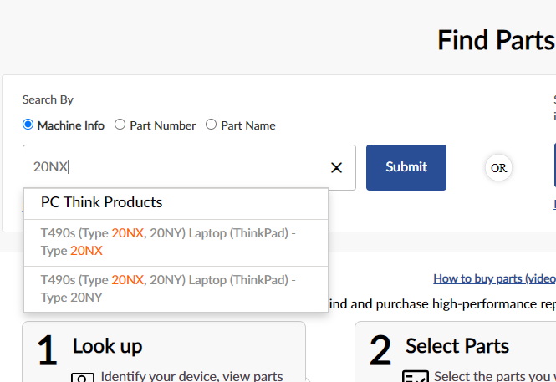

2. Choose "Machine Type" and then "Rechargeable Batteries"
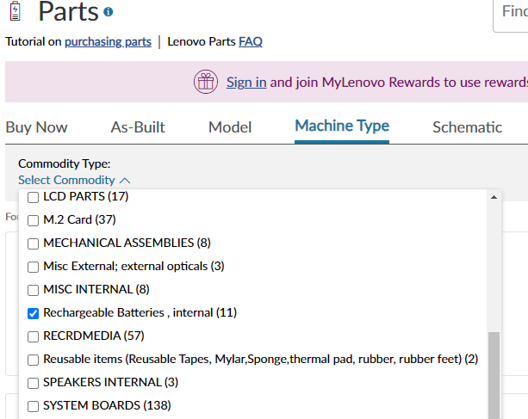

3. All potential Batteries are then displayed
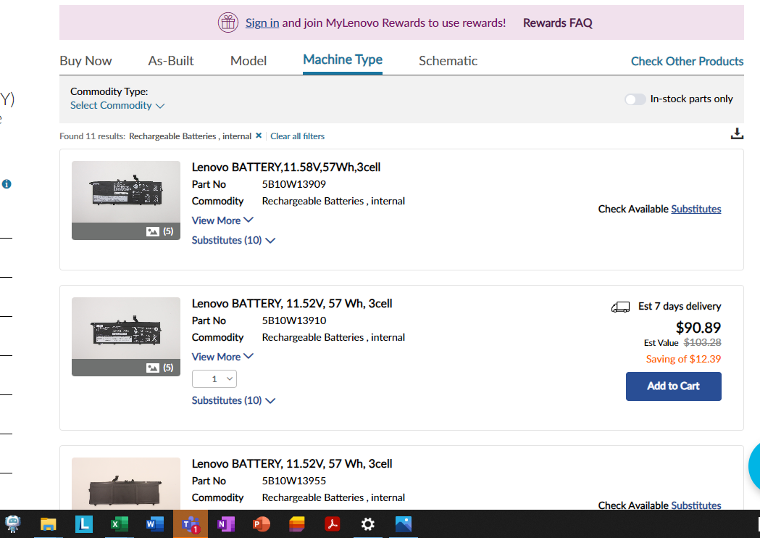

5. Using the Battery Finder Tool with the Machine Type
Step 1 - power on the computer and launch the Lenovo Vantage App.

Step 2 - Click on "My Device" then

Lenovo Notebook Batteries
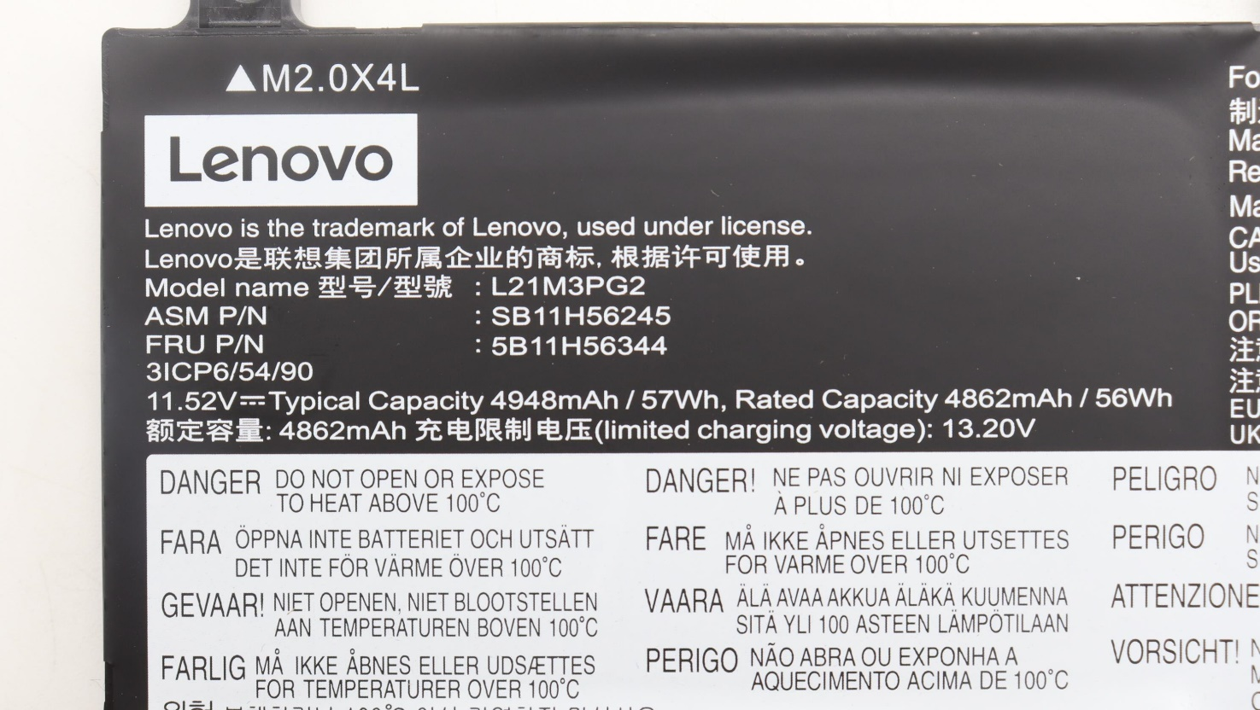
Why does my Batter have 3 part numbers?
Lenovo Notebook Batteries use 3 Part Numbers
FRU P/N | This is the PN that is used to order the battery and also what is provided by the Parts Lookup Site (https://support.lenovo.com/us/en/parts-lookup)
ASM P/N | This is the PN uses for the battery assembly (Battery + plastic around the battery). UN38.3 Files use this Part Number
Battery Model | This is the PN that describes the battery characteristics.

Example pf Battery PN labeling

