human-edit
BRAND | IMAGE OF INITIAL ITEM | EDIT INSTRUCTION | IMAGE OF EDITED ITEM
Dawid Tomaschewski | 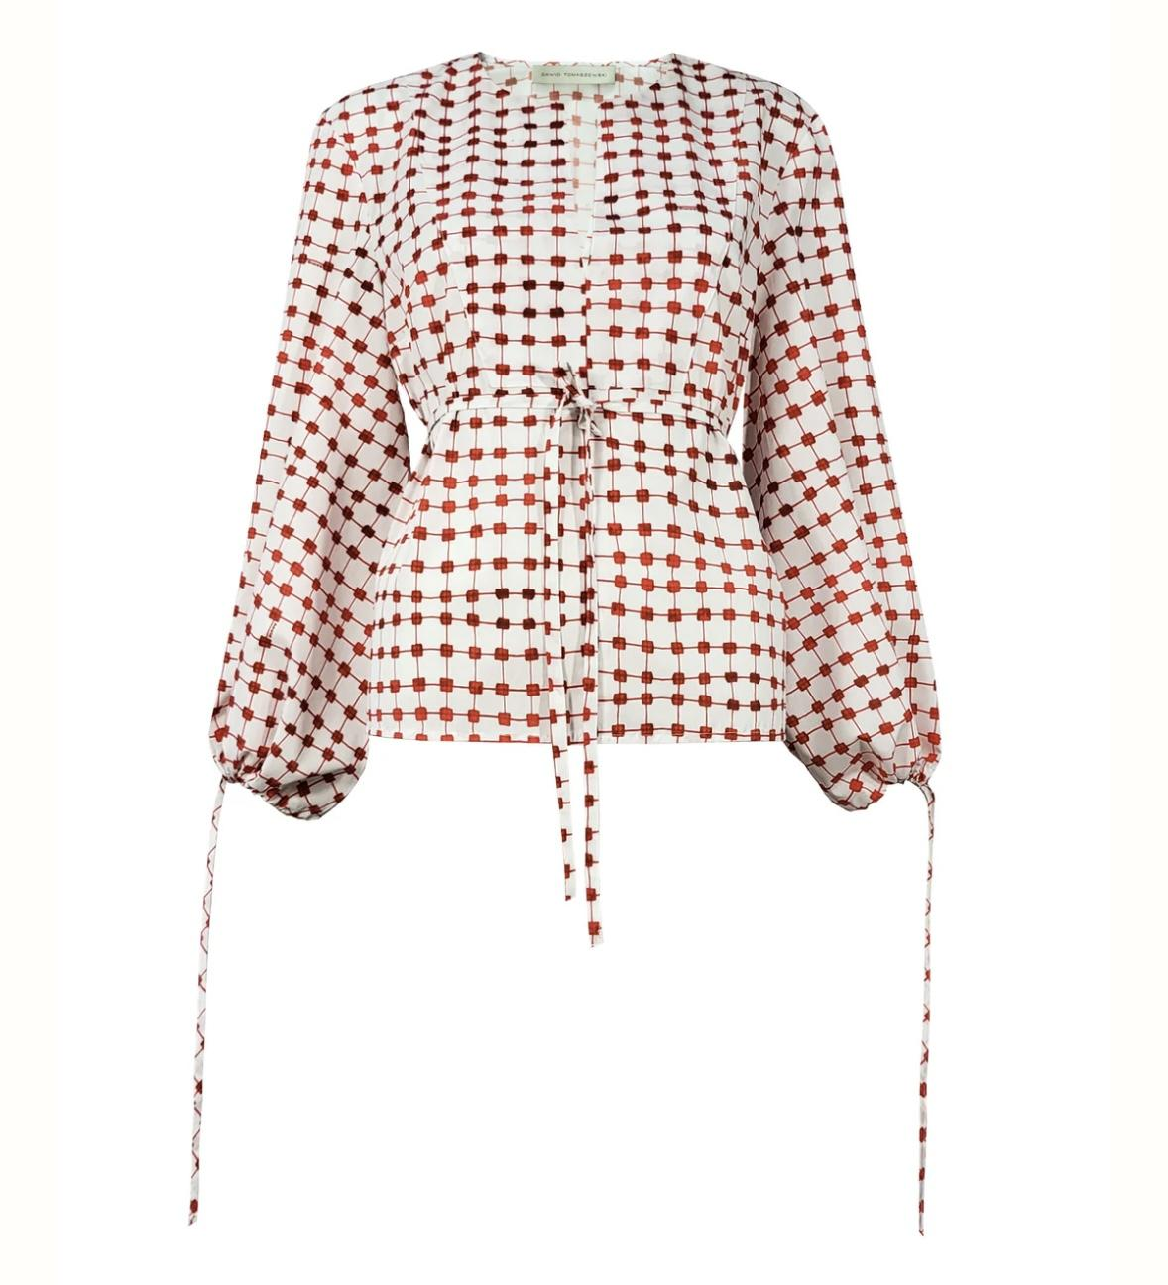 | make a cropped blouse, add huge bow to the neckline that is closed at the right side, it is closed up the narrow to the neck, keep the long sleeves
 |  | make it a cropped blouse, keep long sleeves, add a peplum like frill to the narrow neck line |  | ^
 | 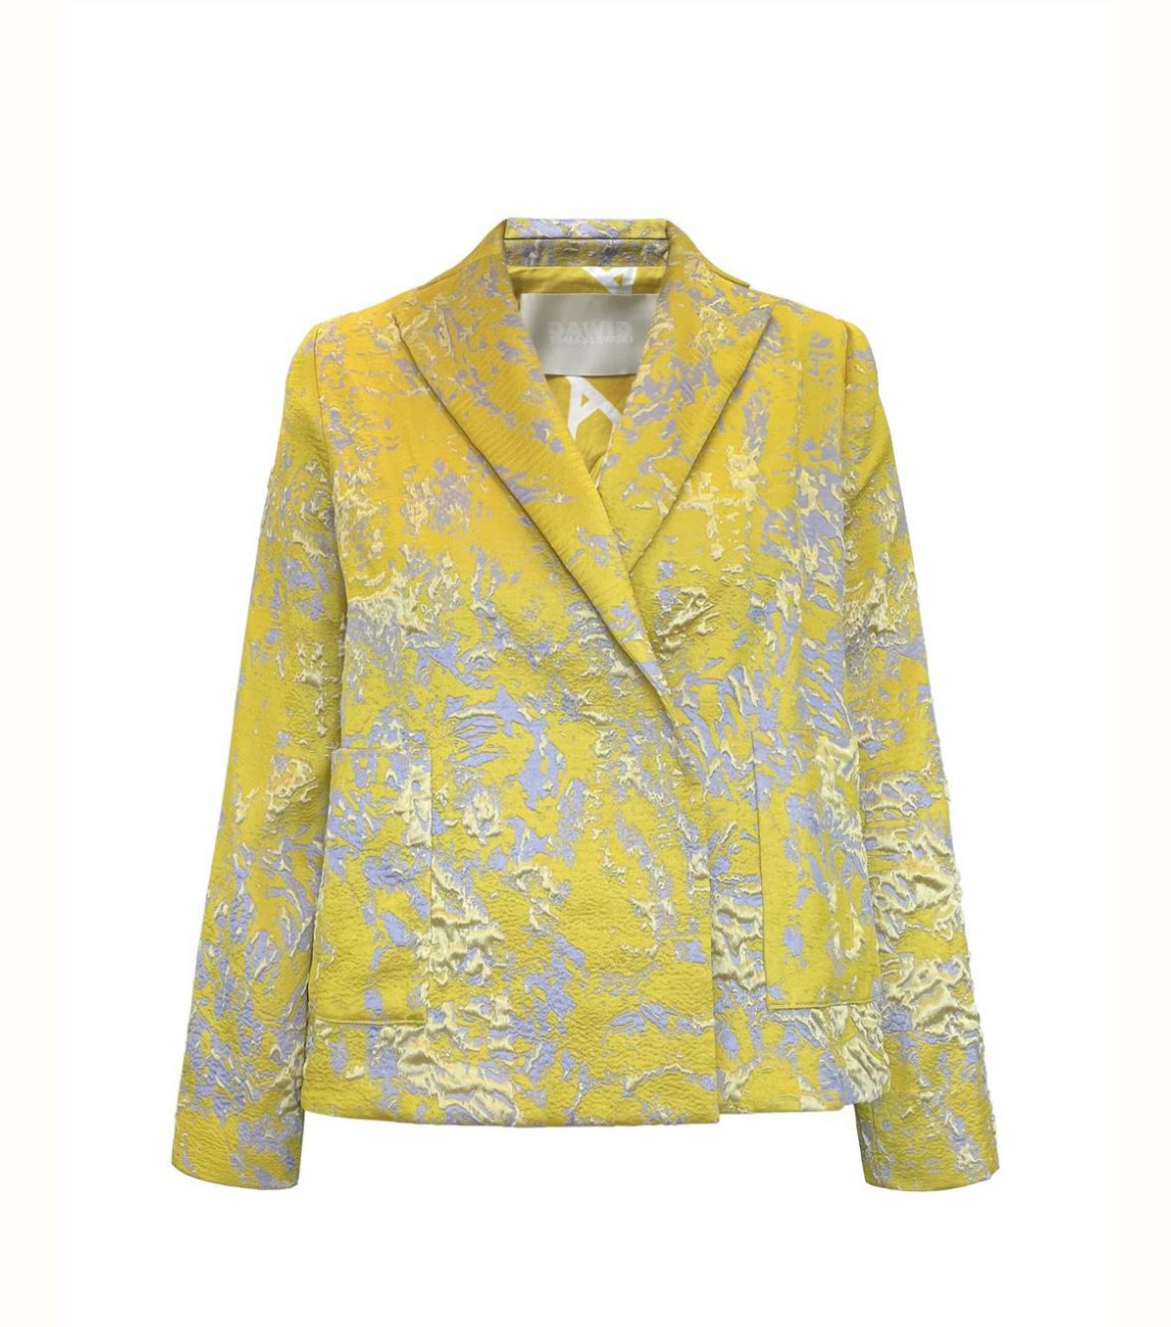 | remove sleeves, add peplum
 |  | remove sleeves, add frill to the hem in same fabric
 | 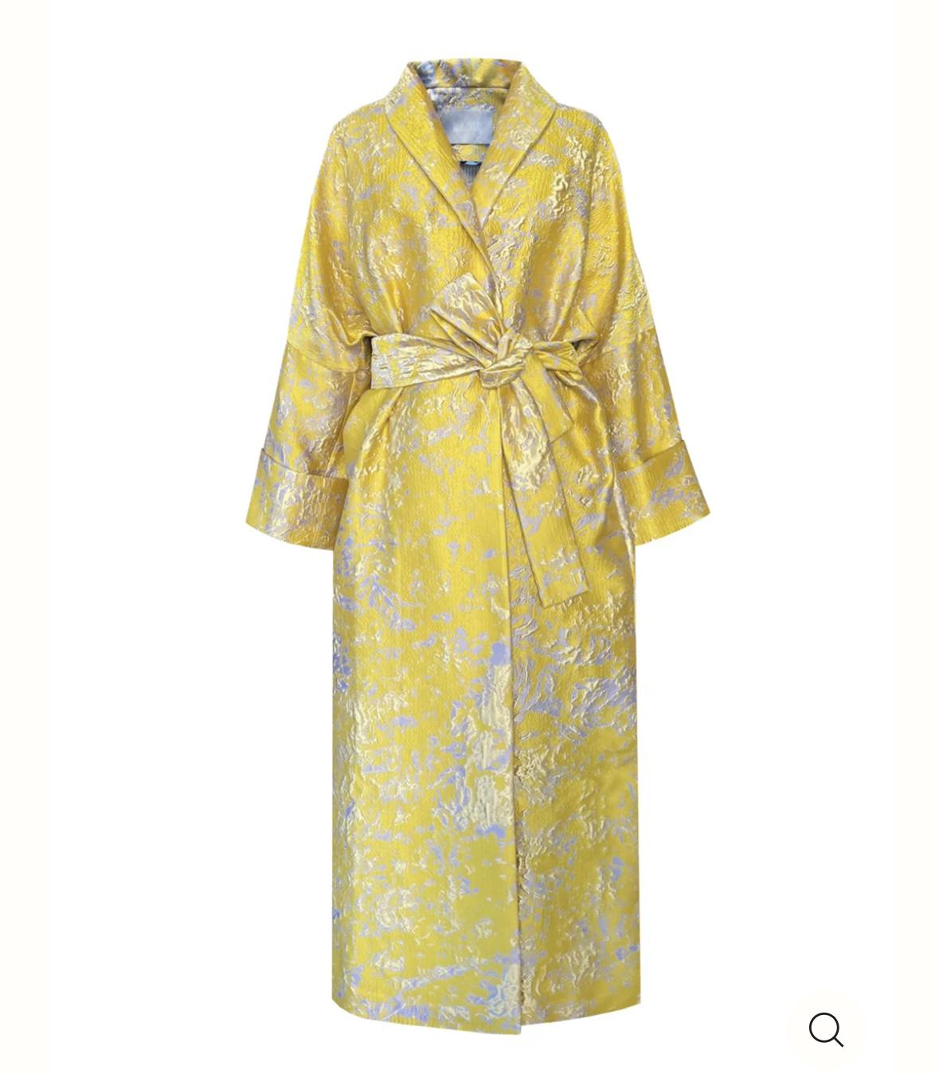 | divide into two pieces: a cropped top without sleves and a long wide skirt with slit at center front that is belted at the waist, keep the silhouette of the initial coat
 |  | make a long voluminous skirt from this, belted as the initial coat, add topstitched rectangle pockets to the front
 |  | shorten the coat to cropped top, add a silver coating to the shwal collar
 |  | cut the top to have a wide straight long wrap skirt belted at the side
 |  | cut the bottom to have a wide straight cropped top
 | 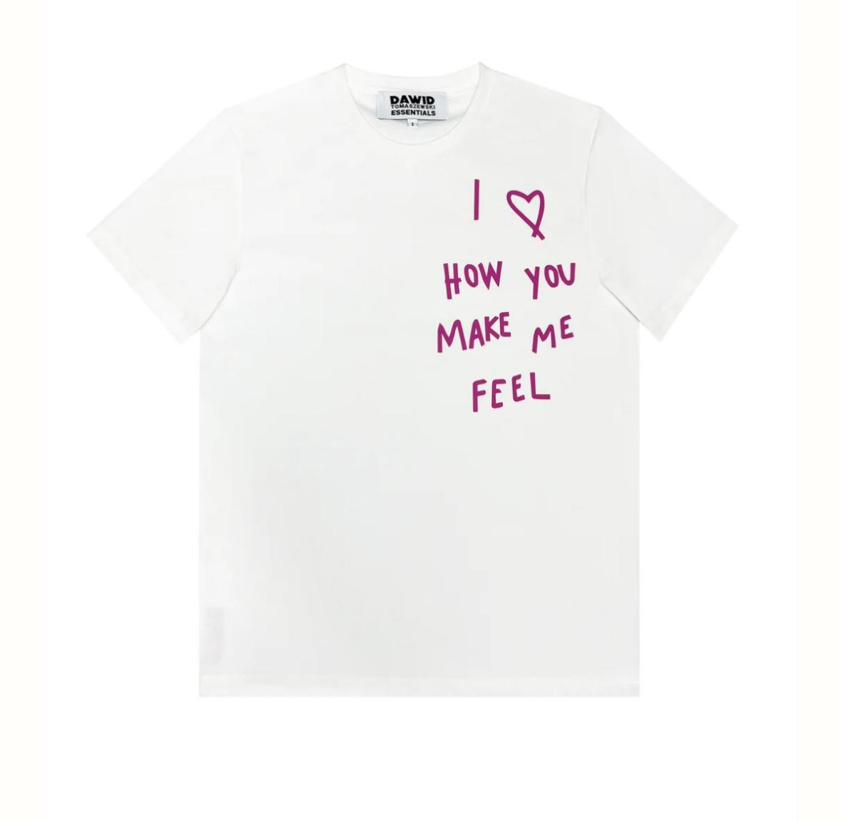 | replace upper part by yellow tulle shoulder yoke
 |  | add yellow tulle stripes to the side seams to bow front panel and back panel together
Malaikaraiss | 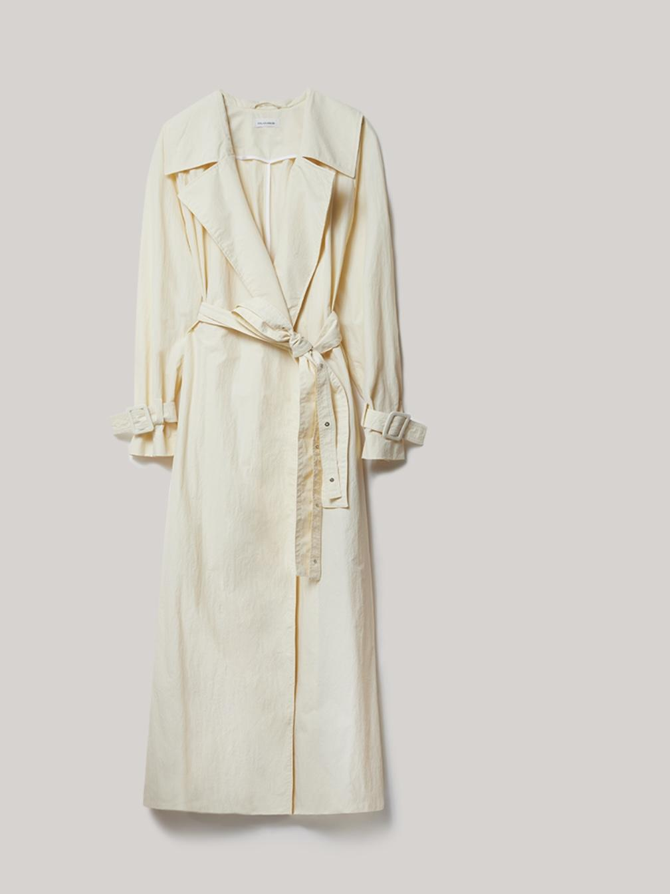 | cut the top part to have a belted straight wide wrap skirt as the bottom part already is
 |  | cut the bottom part to have a cropped sleeveless vest
 | 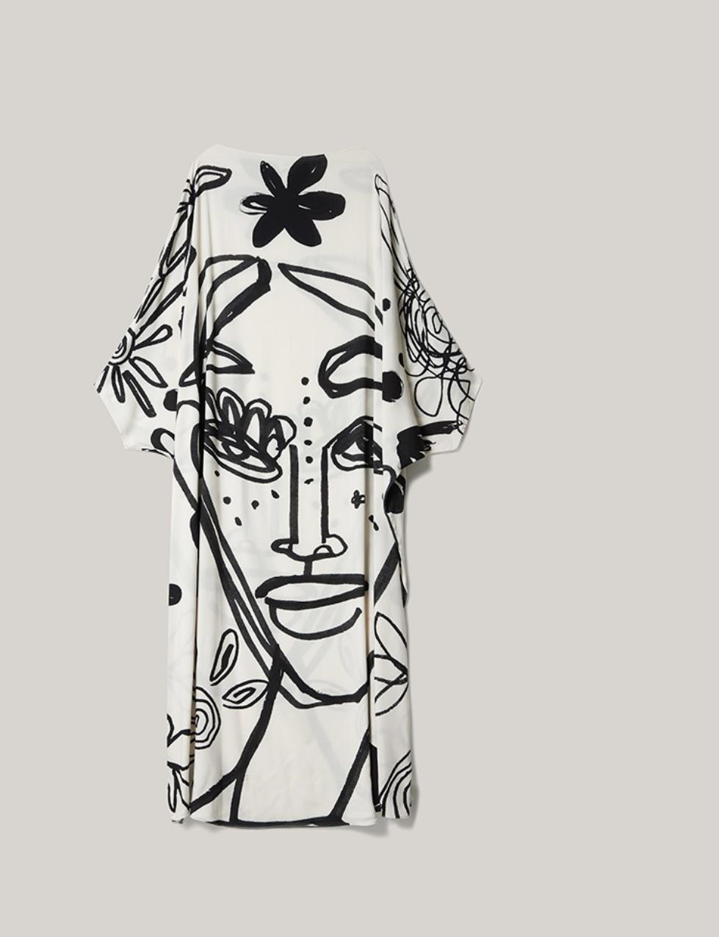 | dip into back colour from bottom up to hipline
 |  | colour the printed design of the dress as if overpainted by hand partly, keeping the white ground, use at all light rose beige shades, add white tulle frame to sleeves hem and hem
 |  | cut the bottom part, half of the piece and replace by black tulle bottom part
 |  | cut the sleeves make the shoulder higher and armhole with a black tulle framing, apply black tulle pieces to elevate the print design (on eyes and mouth)
 | 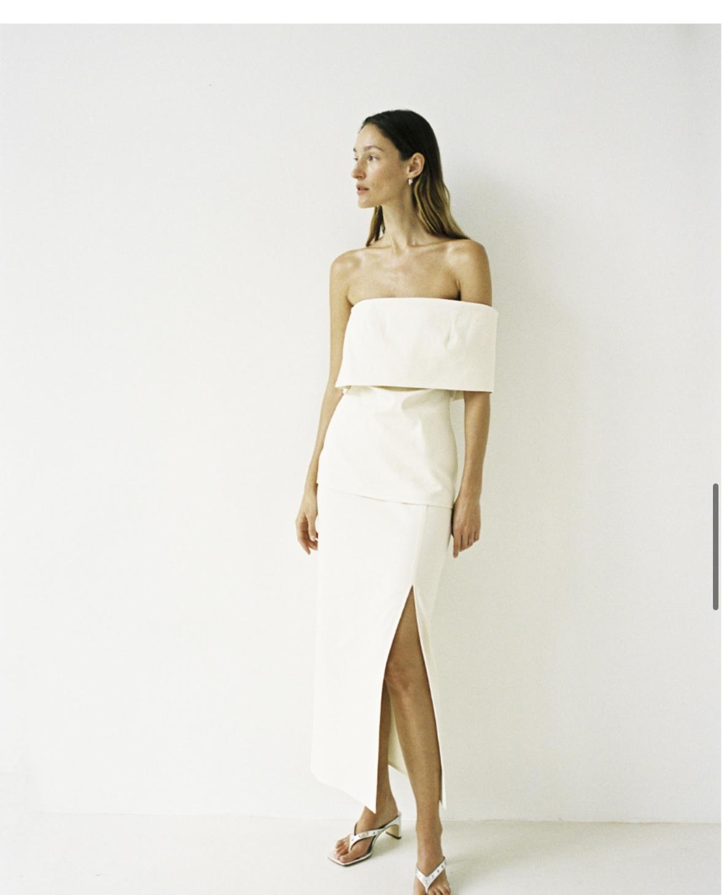 | put 30cm wide tulle straps that cross in center front to the cleavage, show bows on the shoulder with straps end hanging down for 50cm
 |  | put 30cm wide tulle strap only on the right side that cross in center front to the cleavage, show bows on the shoulder with straps end hanging down for 50cm
 |  | add thick black thread stitches horizontally
 | 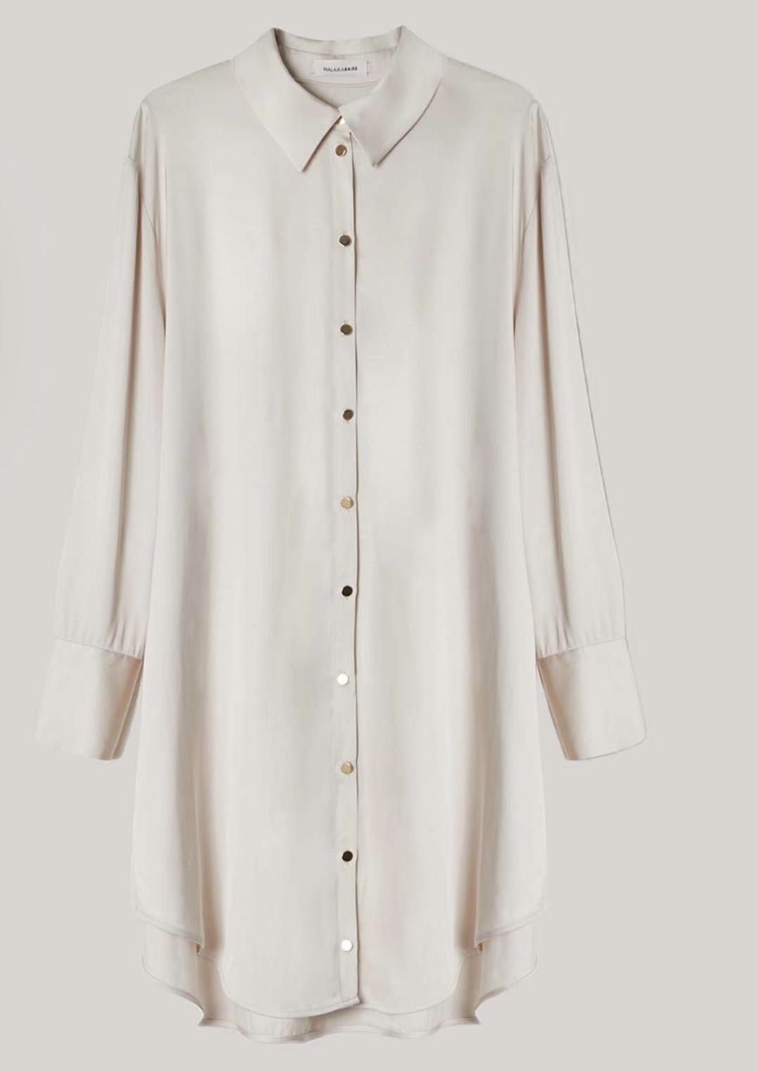 | attach gathered black raw edged black fabric tapes narrow and vertically in the shape of a bib to highlight the chest part of the blouse
 |  | attach a black padded bib opened in the center front n the width of the button placket
 |  | topstitch the upper part with thick thread in the shape of a womans portrait
 |  | dipdye in rose beige from buttom
odeeh |  | make longer by adding white tulle underskirt that looks 10cm out of the long skirt part, add long white tulle sleeves
 |  | make longer by adding white tulle underskirt that looks 20cm out of the long skirt part, add long white wing sleeves
 |  | add black tulle shoulder yoke and long tulle sleeves as well as ablack tulle hemframe
 | 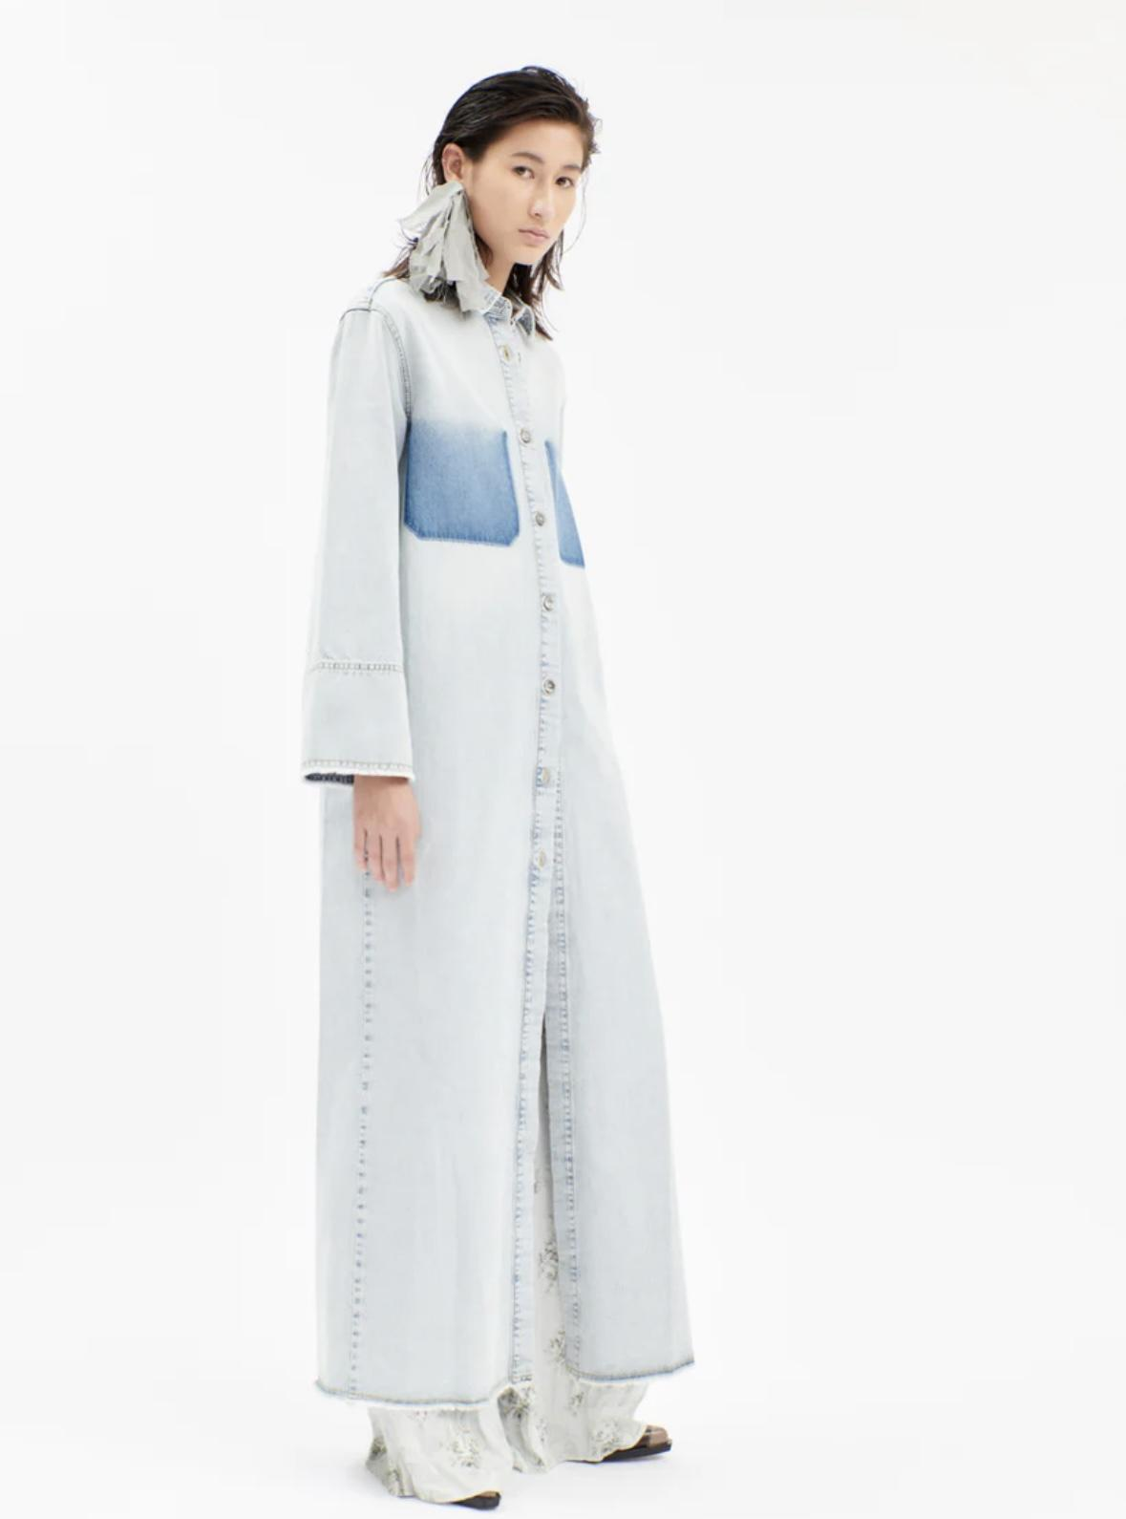 | topstitch huge black tulle breast pockets over the initial position, cut the bottom part of the dress and add a transparent tulle layer skirtpart
 |  | insert 10cm wide black tulle stripe to the sideseam
 |  | remove sleeves add a transparent tulle stripe that is inserted to the waistline as another fabric block
 | 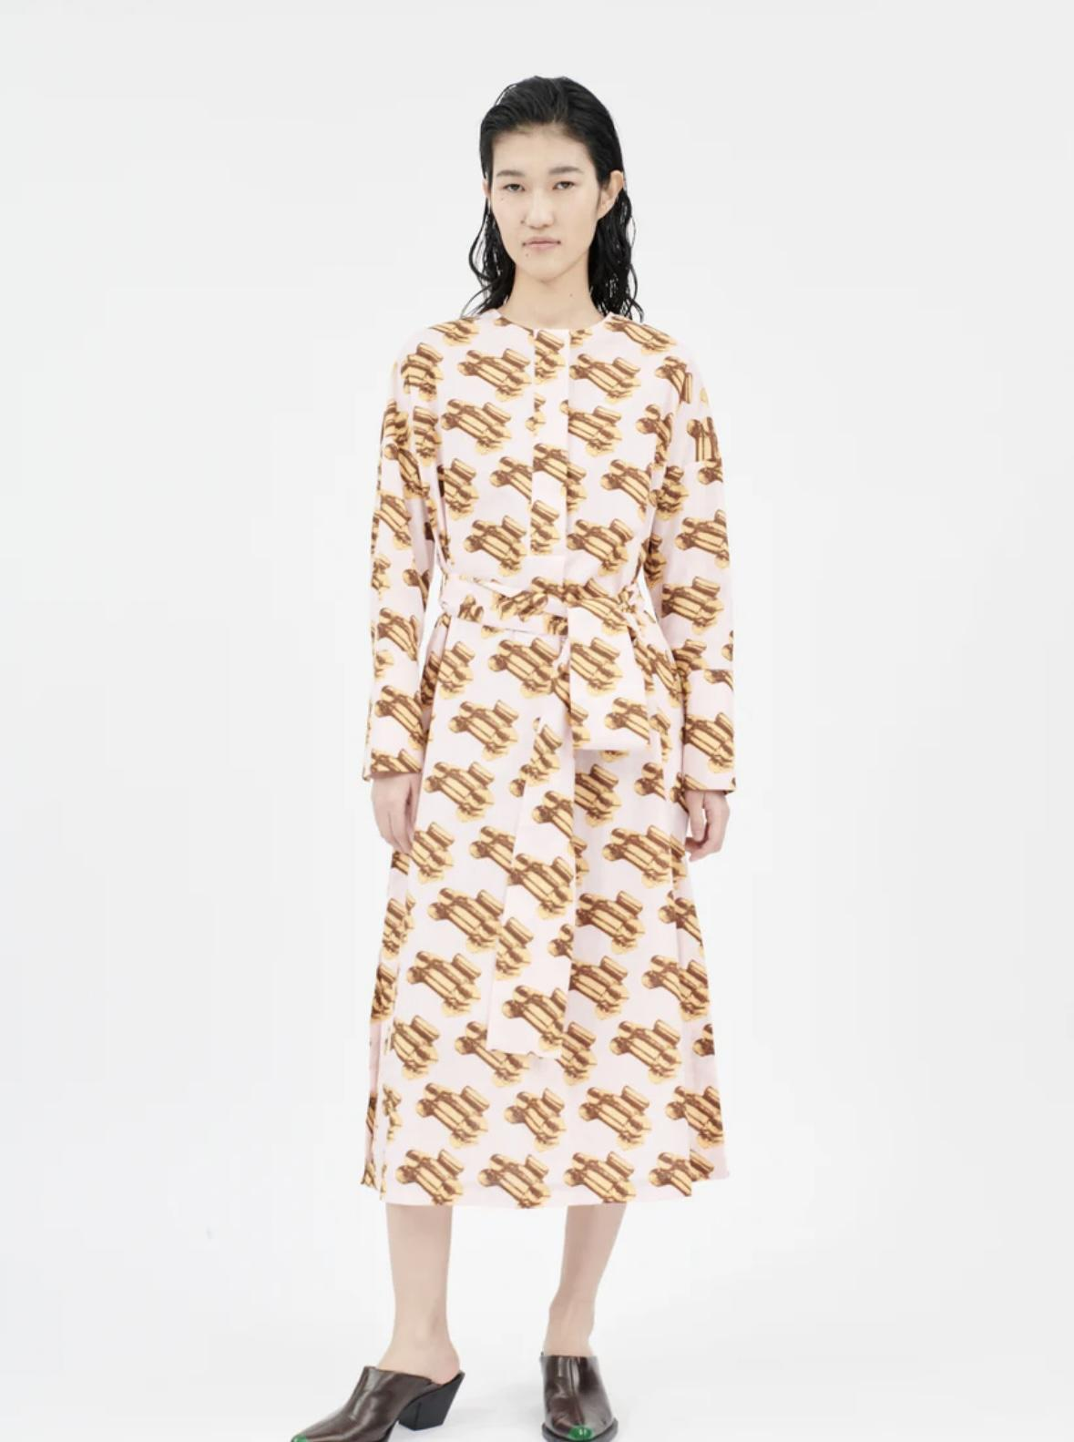 | shorten the dress to knee length, shorten sleeves to 3/4 sleeve, add voluminous bow with long bands to the waistline to gather voluminius skirt
 |  | make a short very puffy sleeve, add hemframe in goldlamé fabric to the kneelength volumninous skirt, remove the waistband
 |  | insert 20cm wide white tulle stripe vertically to centerfront and sideseams and center back to make the dress wider and belt the volume in the waistwith bow, shorten sleeve
Luisa Cerano |  | remove sleeves add 20cm long flat peplum
 |  | make the item longer by adding one same jacket sewn upside down to the hem (hem to hem), it is opened to the bottom by cutting the shoulder and neckline, remove all sleeves to get a midi slip dress
 |  | add scarf in same fabric to the neckline, shorten sleeves
 | 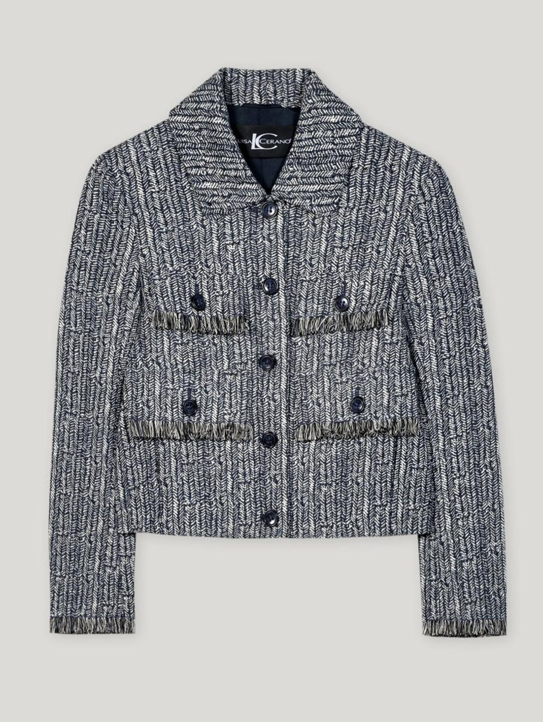 | shorten sleeve attach balloon pockets to the short sleeves
 |  | attach frame to the hem in same fabric, add padded stiff wrapped scarf in same fabric
 |  | remove collar and sleeves
 | 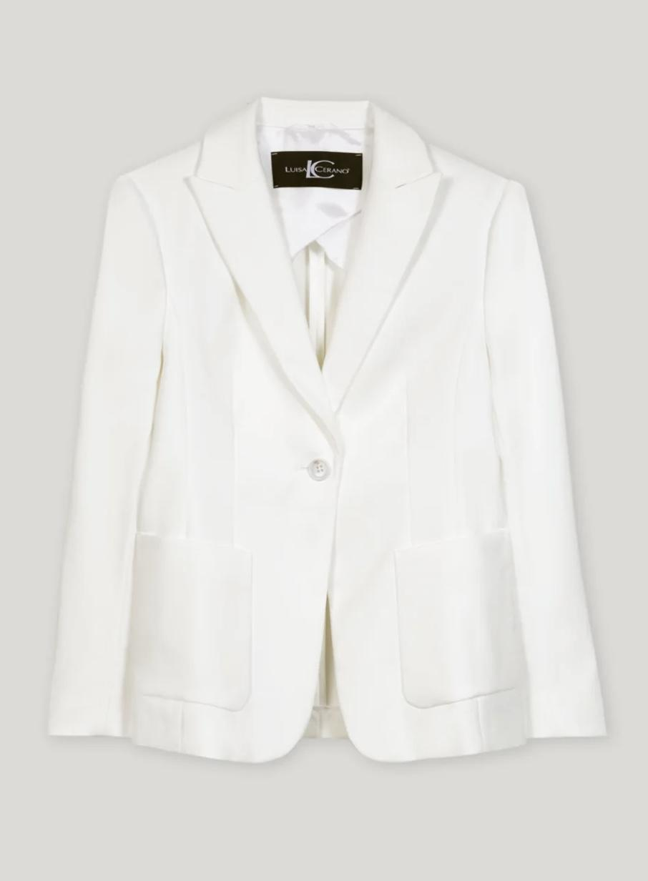 | make cutouts in the waistline
 |  | cut away collar and sleeves make longer with a hem frame in same fabric
 |  | shorten as cropped jacket, attach shoulder epaulettes in same fabric
Manaaka Project | 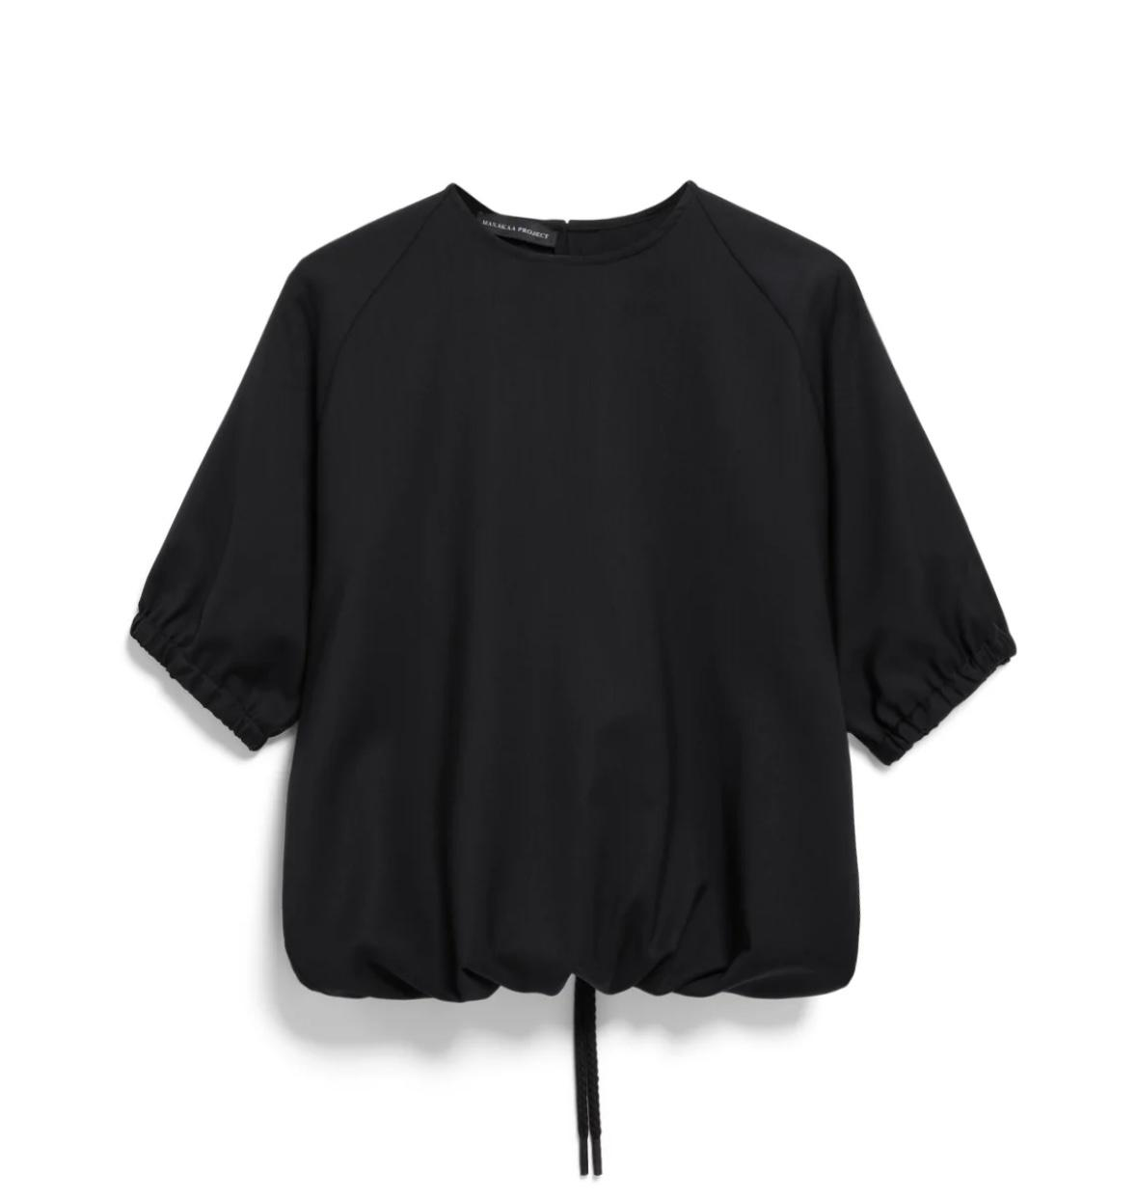 | make the item longer by sewing another same blouse to the hem, the shoulder and neckline of second other bottom blouse is cut away to be be attached to the hem, sleeves of lower blouse are now at the hipline and can be used as belt
 |  | make crop top, add ruffle in same fabric to the armhole and shoulder seam to highlicht shoulder
 |  | insert tulle shoulder yoke
 | 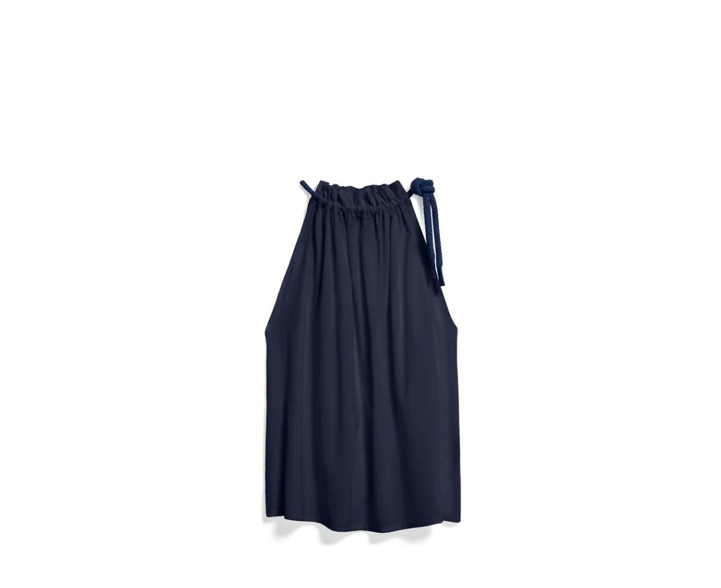 | add wide tulle sleeves
 |  | add voluminous tulle bow to gather the neckline
 |  | add tulle hemframe
 | 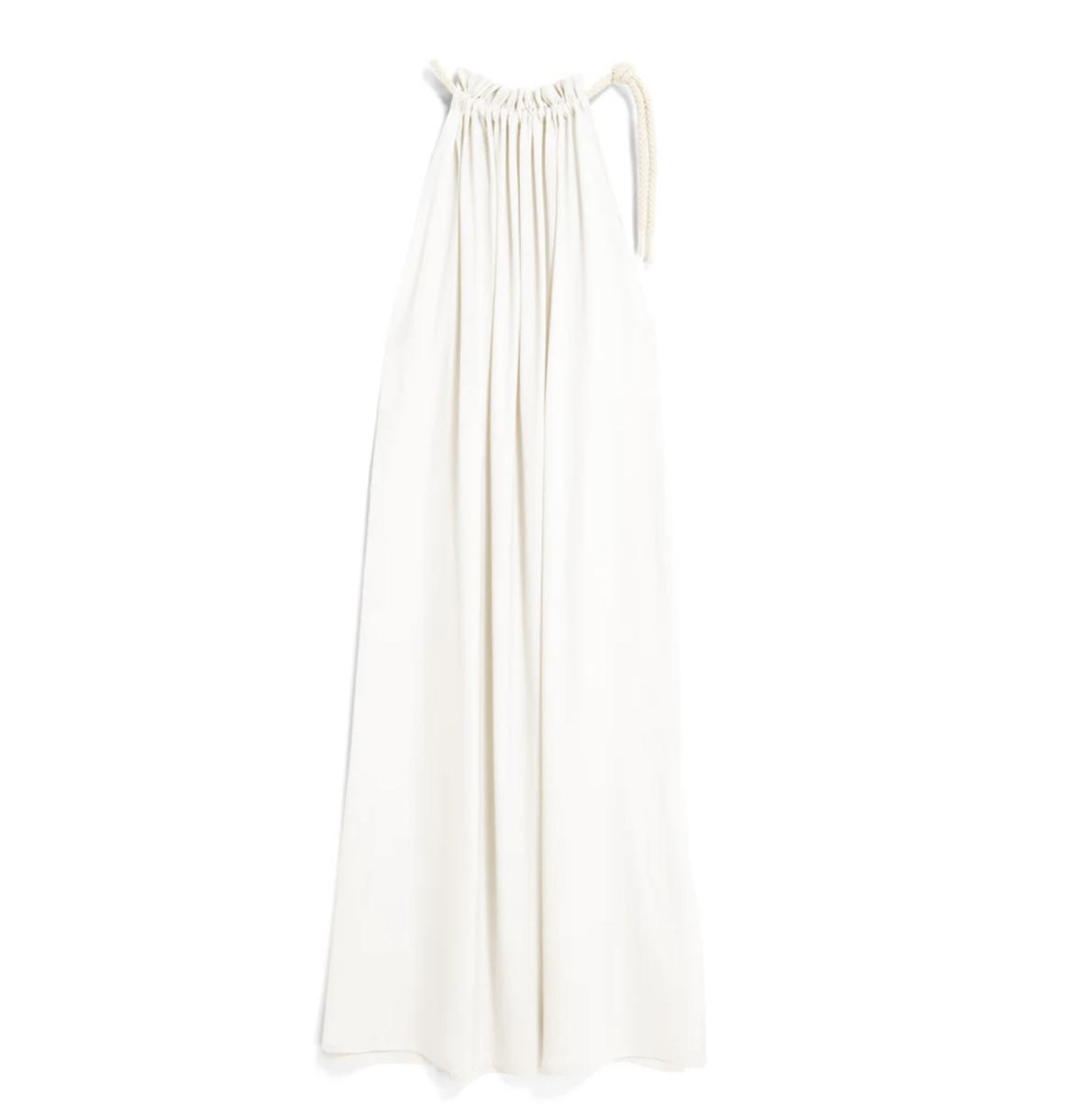 | add wide tulle sleeves
 |  | add voluminous tulle bow to gather the neckline
 |  | add voluminous tulle bow to gather the neckline, shorten to blouse and make wide sleeves in same fabric
Natascha v. Hirschhausen | 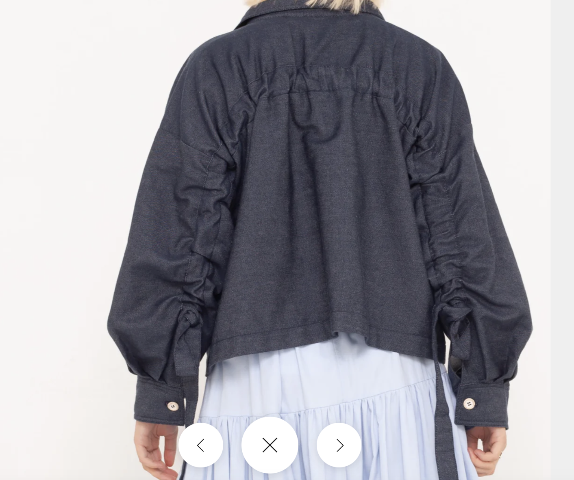 | betone die raffung mit einem zusätzlich aufgesteppten weissen band, mache weisse grobe vertikale stiche auf das rückteil
 |  | insert white wide back panel below the gathering, make it a bit longer like a train
 |  | add more horizontal drawstrings to the backpanel to tighten it
 | 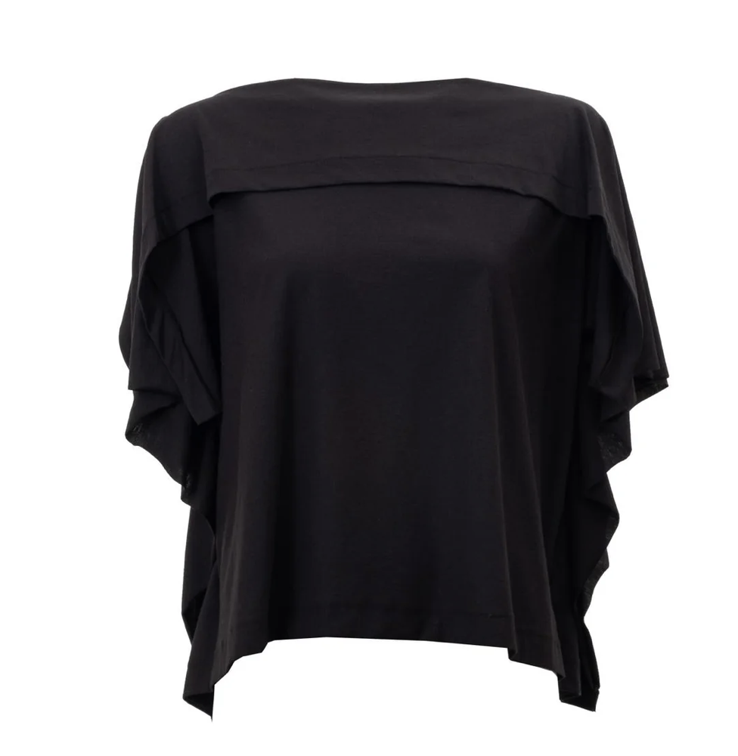 | add frame of white fabric to the horzontal pleat at the chest and to the sideseams
 |  | add frame of 10cm white gathered tulle to the horizontal pleat at the chest and to the sideseam
 |  | add frame of 10cm black tulle to the horizontal pleat at the chest and to the hem
 | 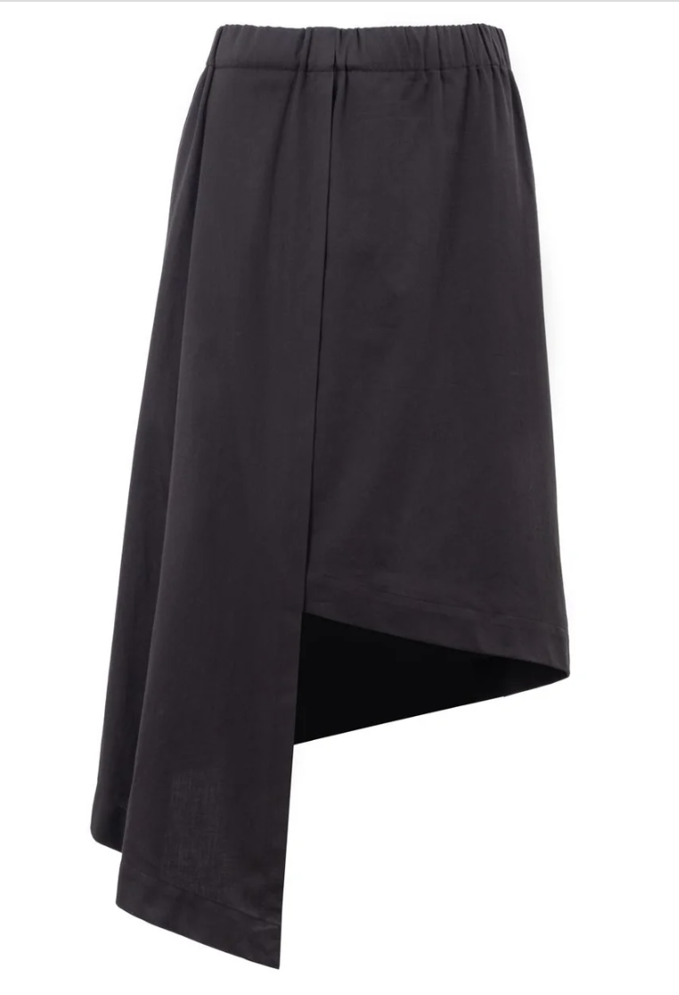 | add a white volant to the hem to fill the gap
 |  | add a black transparent volant to the hem to fill the gap straight
 |  | cut the bottompart of the skirt and gather it to the waist like a hugne peplum
SF1OG | 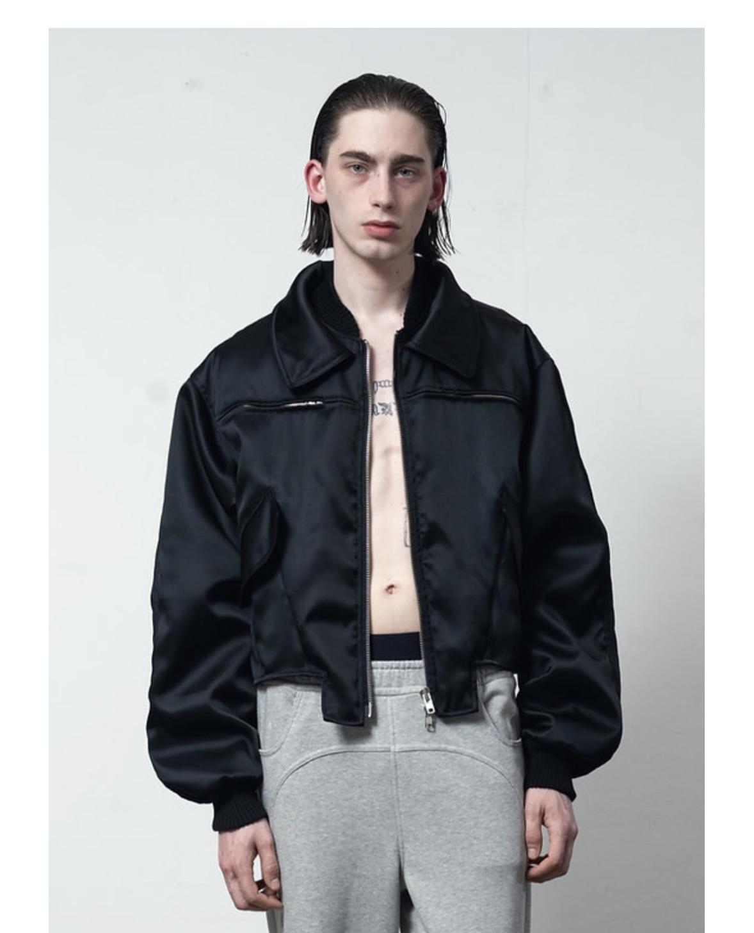 | Vorne geschlossen Ärmel entfernen Einen transparenten langen schwarzen Rockteil unten ansetzen Ballonartige eckige Taschen aus dem Jackenstoff hinzufügen
 |  | Vorne geschlossen, Ärmel entfernen, Einen langen Rockteil aus weisser Spitze ansetzen der wie gardine aussieht, Ballonartige eckige Taschen aus dem Jackenstoff aufsetzen die über den rockteil ragen
 |  | Vorne geschlossen, Ärmel zu kurzarm kürzen, Einen langen Rockteil aus pink farbener Tüllspitze ansetzen der wie gardine aussieht, Ballonartige eckige Taschen aus dem Jackenstoff aufsetzen die über den rockteil ragen
Vladimir Karaleev | 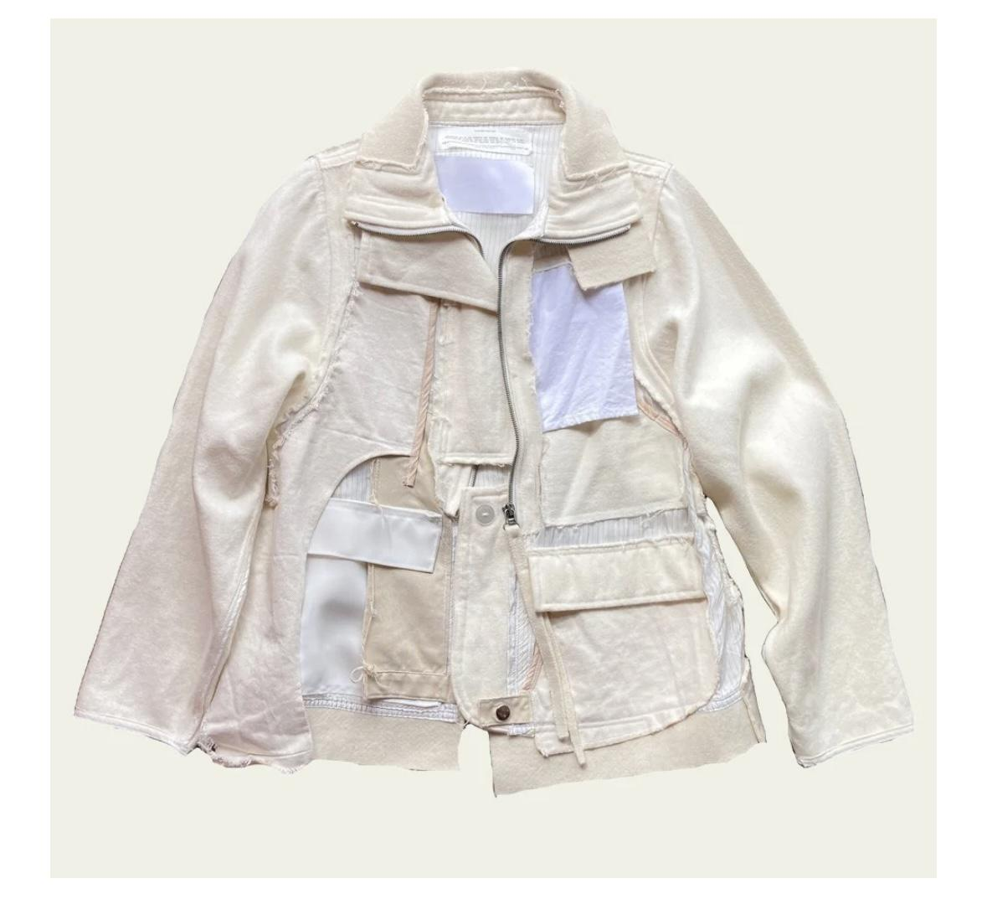 | Photorealistic product photo, front view. A fashion skirt designed in an upcycling look: the waistband is made from the bottom part of a black jacket, with visible seams, zipper and pockets. Attached to this waistband is a very voluminous, floor-length white tulle skirt, airy, layered and elegant, falling evenly. The photo is on a pure white background, high resolution, shop style, luxury fashion editorial quality.

working title | 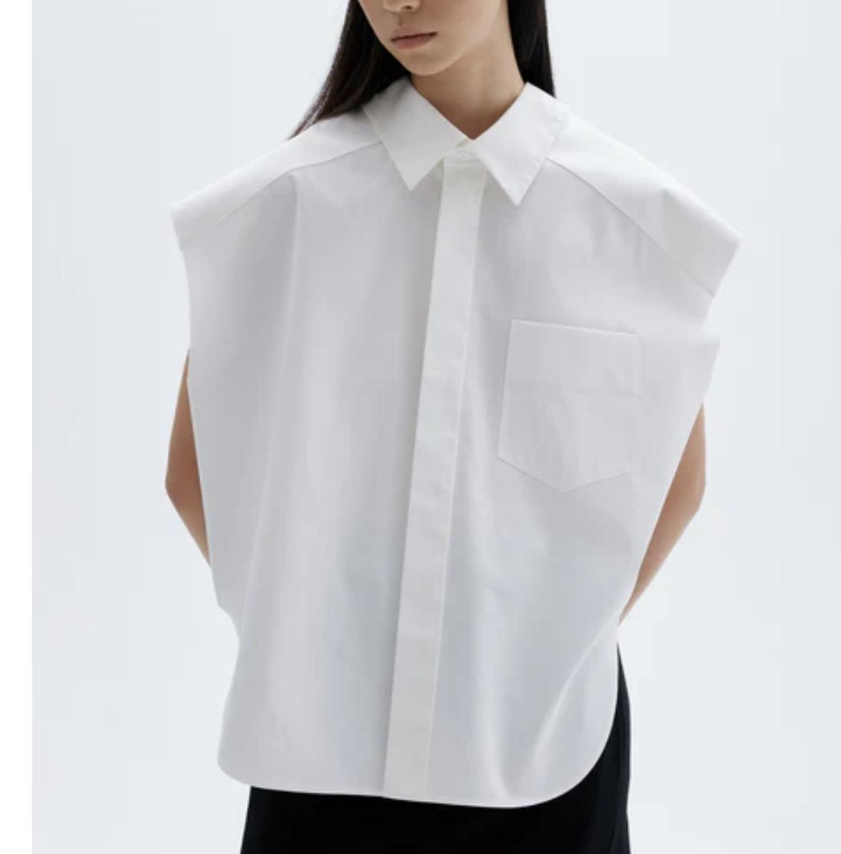 | setze in die seitennähte schwarze tüllkanten ein
 |  | add a drawstring in the waistlibe that is gathered wit black tulle ribbon that comes out at the sideseams, add wide tulle stripe to the sideseams
 |  | add a drawstring in the wist that is gathered with a tulle band that comes out at the sideseams as bow, add tulle stripe to the sides edges
 |  | add a drawstring in the waist that is gathered with a white band that comes out at the sideseams as bow, add 3cm tulle stripe along the sides edges
 | 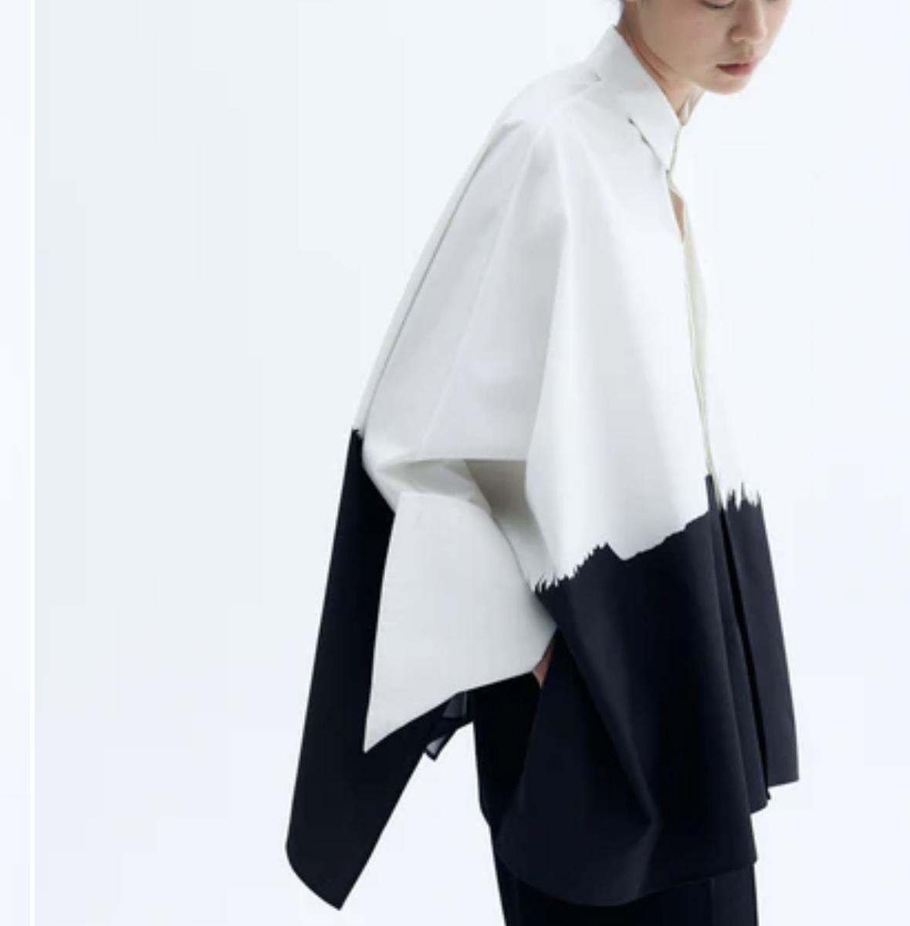 | TOPSTITCH A TULLE BREAST POCKET FILLED WITH RHINESTONES
 |  | TOPSTITCH A VERY TRANSPARENT TULLE BREAST POCKET THAT IS FILLED WITH LOSE RHINESTONES IN THE POCKETS THA SHOW THROUGH
 |  | EMBROIDER THE HEM WITH HUGE RECTANGLE BLACK RHINESTONES
 | 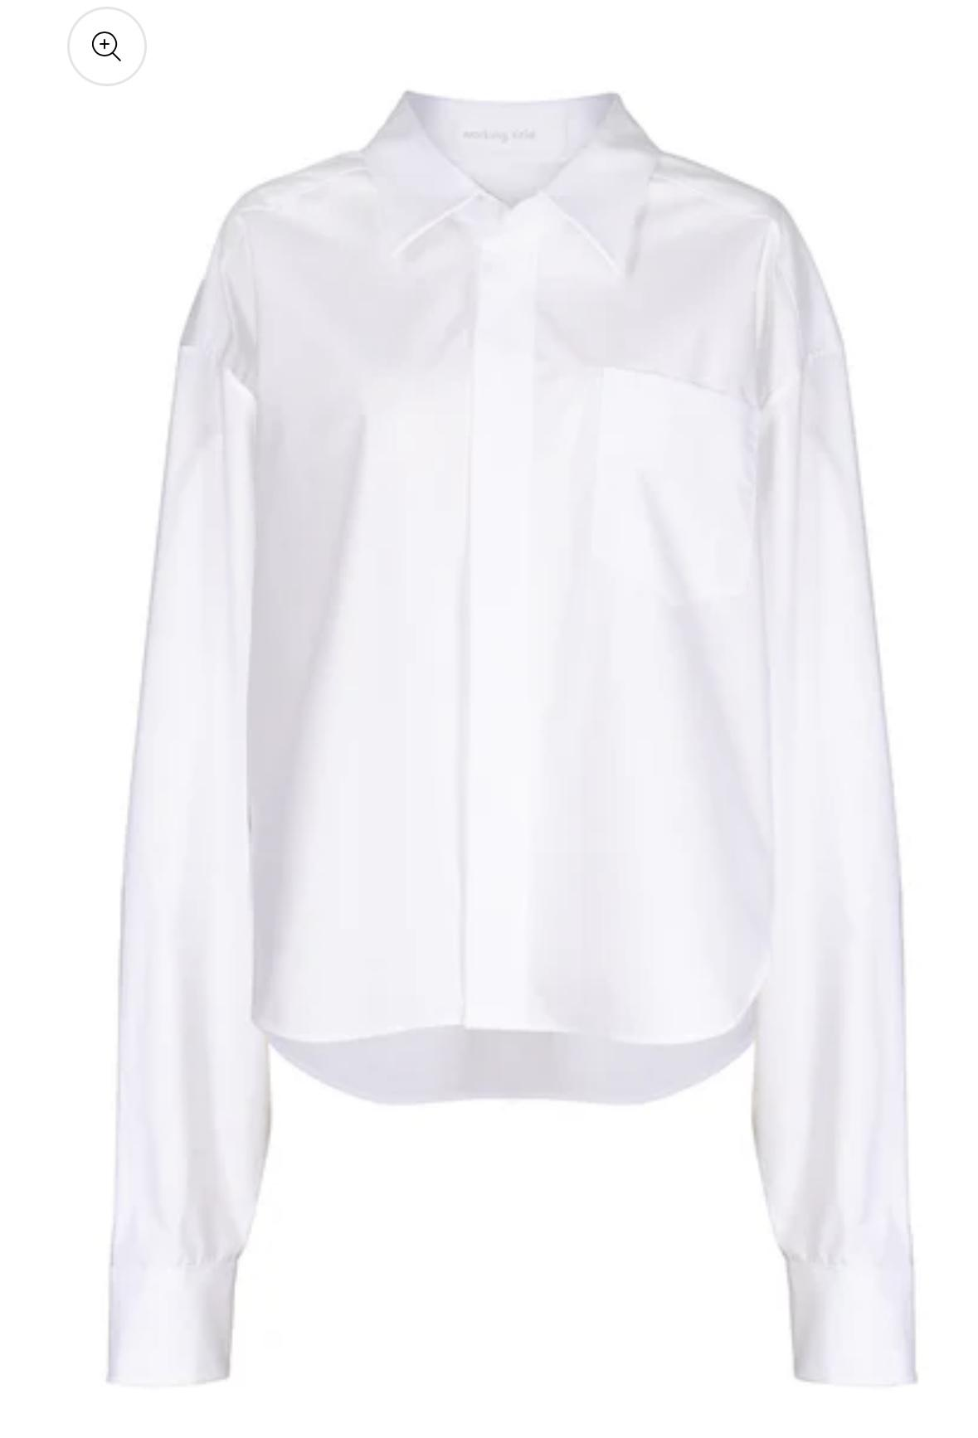 | TOPSTITCH A BLACK TULLE BIB THAT IS OPEN AT THE BUTTON LINE
 |  | TOPSTITCH 10 BLACK TULLE RIBBONS VERTIKALLY to the chest IN THE SHAPE OF A BIB
 |  | INSERT A BLACK TULLE FABRIC BLOCK TO THE WAISTLINE to make it longer
100times | 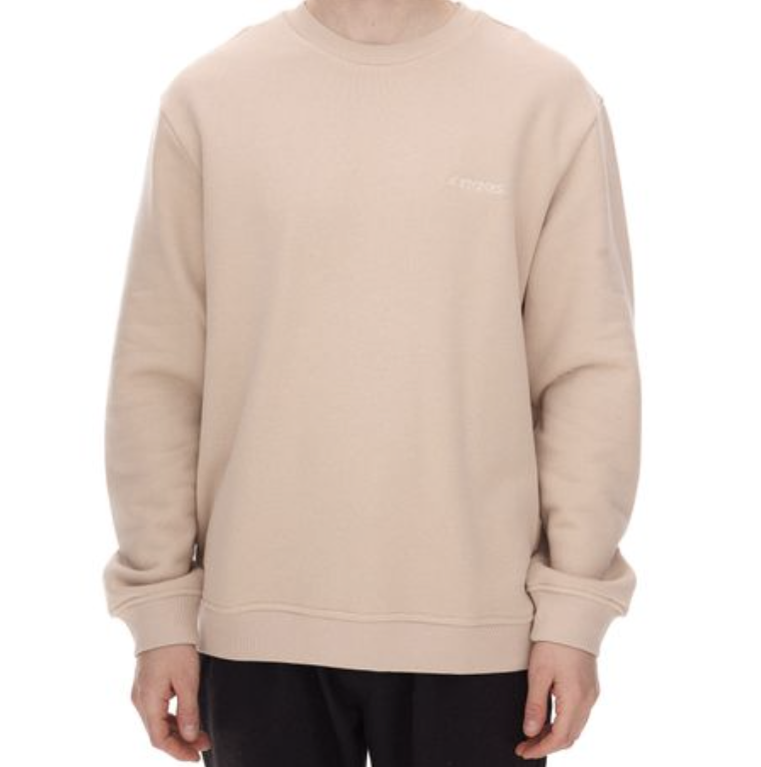 | add tulle stripe to the chest
 |  | add neon yellow ribbon along shoulder and arm
 | 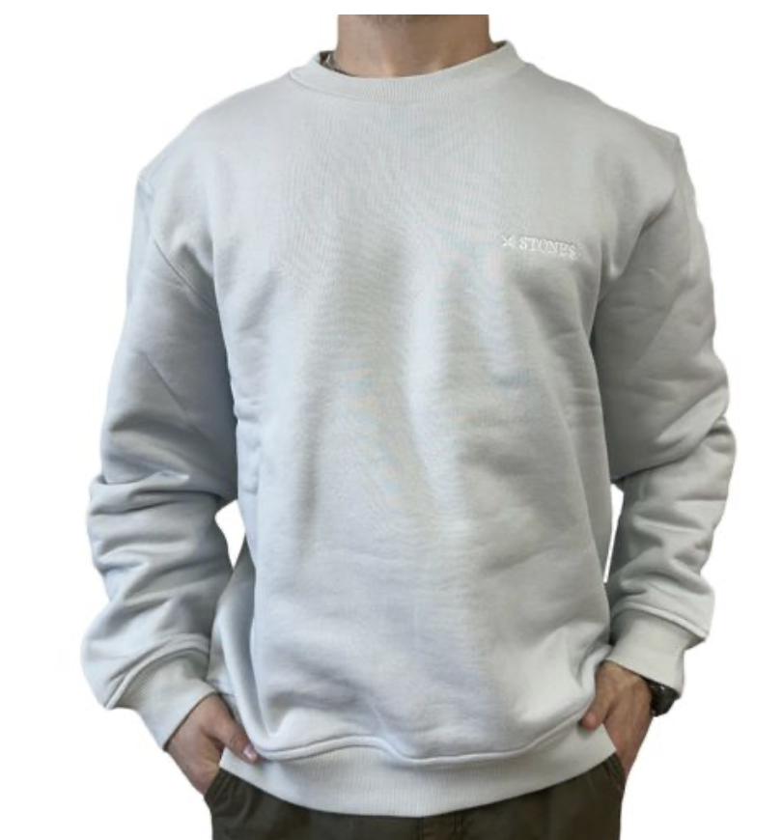 | make short sleeves, topstitch pockets to the front

 | 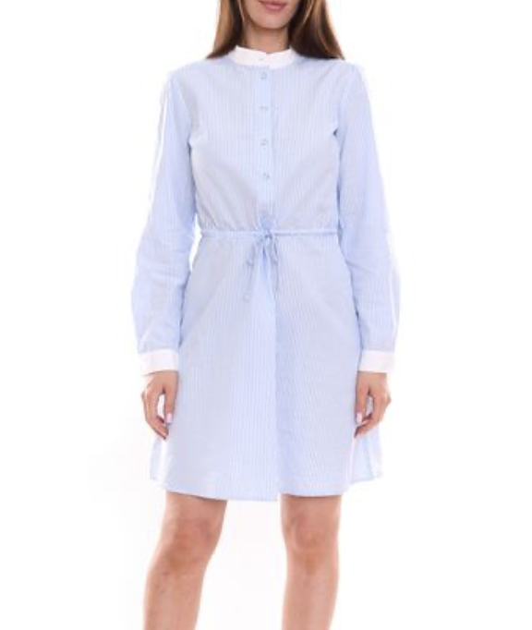

 | 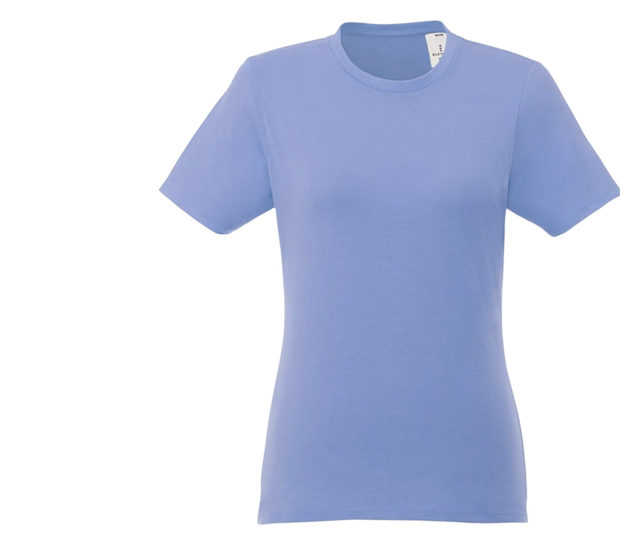

 | 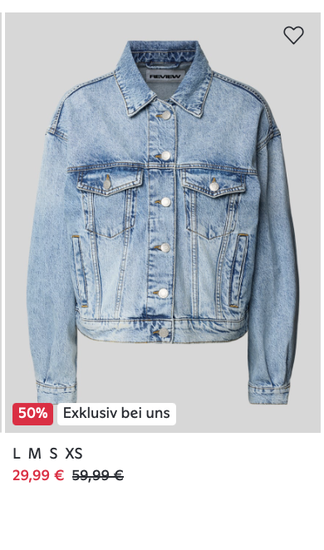

 | 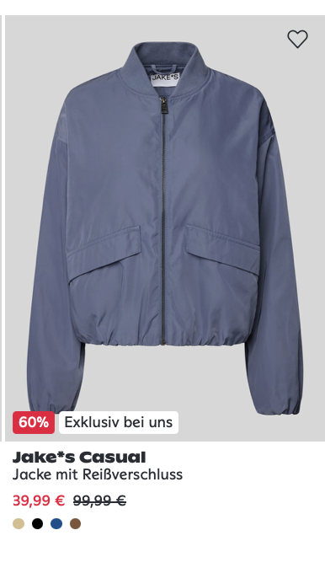

 | 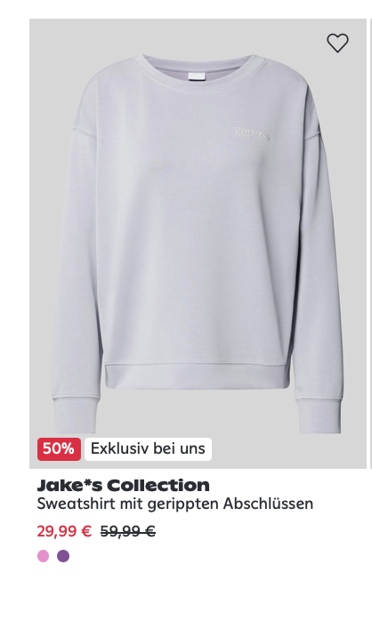

 | 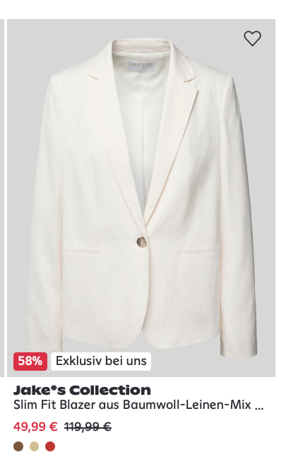

 | 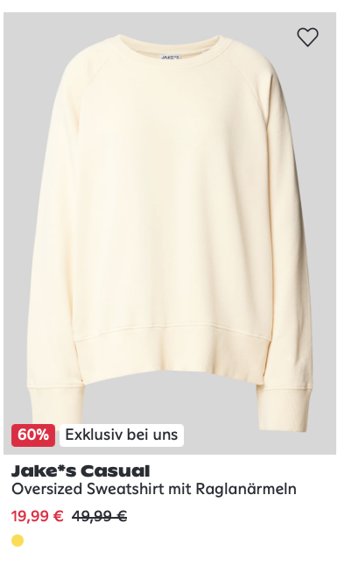

 | 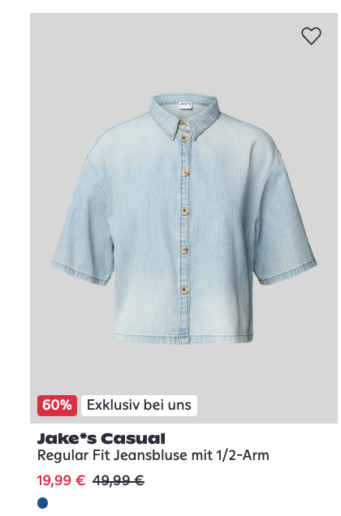

 | 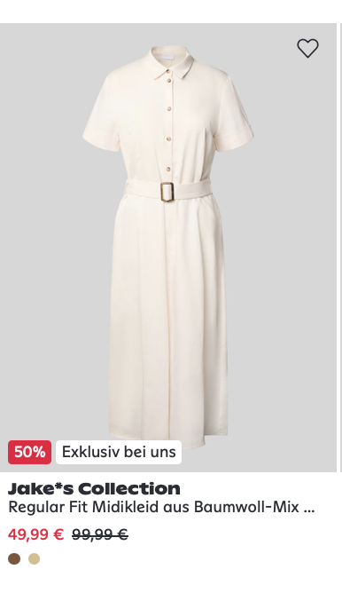

 | 