公式集合
返回目录
1 | 2 | 3 | 4 | 5 |  |  |  |  |  |  |  |  |  |  | 1 | 21 | 41 | 61 | 81 | 101 | 121 | 1
a2 | B2 | c2 | d2 | e2 |  | 返回查找位置：match_type 1 升序 ，0，-1 降序 【1 默认】 【，为0】 |  |  |  |  |  |  |  |  | 2 | 22 | 42 | 62 | 82 | 102 | 122
a3 | B3 | c3 | d3 | e3 |  | 4 | 范围只能为一维，查出结果为数字 |  |  |  |  |  |  |  | 3 | 23 | 43 | 63 | 83 | 103 | 123
a4 | B4 | c4 | d4 | e4 |  | #N/A | 查不出结果为#N/A |  |  |  |  |  |  |  | 4 | 24 | 44 | 64 | 84 | 104 | 124
a5 | B5 | c5 | d5 | e5 |  |  |  |  |  |  |  |  |  |  | 5 | 25 | 45 | 65 | 85 | 105 | 125
a6 | B6 | c6 | d6 | e6 |  | 查找符合条件求和,sum_range 为求和区域,range例如姓名,criteria为条件: sum_range 为分数 |  |  |  |  |  |  |  |  | 6 | 26 | 46 | 66 | 86 | 106 | 126
a7 | B7 | c7 | d7 | e7 |  | 2565 | 区域与求和区域不同，使用 sum_range 中左上角的单元格作为起始单元格，然后包括与区域大小和形状相对应的单元格 |  |  |  |  |  |  |  | 7 | 27 | 47 | 67 | 87 | 107 | 127
a8 | B8 | c8 | d8 | e8 |  |  |  |  |  |  |  |  |  |  | 8 | 28 | 48 | 68 | 88 | 108 | 128
a9 | B9 | c9 | d9 | e9 |  |  |  |  |  |  |  |  |  |  | 9 | 29 | 49 | 69 | 89 | 109 | 129
a10 | B10 | c10 | d10 | e10 |  |  |  |  |  |  |  |  |  |  | 10 | 30 | 50 | 70 | 90 | 110 | 130
a11 | B11 | c11 | d11 | e11 |  | 返回值,起为1,index只能返回1个单元格,offset可以返回一个n*m的区域 |  |  |  |  |  |  |  |  | 11 | 31 | 51 | 71 | 91 | 111 | 131
a12 | B12 | c12 | d12 | e12 |  | e3 | 一维默认将起始为1，向后返第N个单元格 |  |  |  |  |  |  |  | 12 | 32 | 52 | 72 | 92 | 112 | 132
a13 | B13 | c13 | d13 | e13 |  | d4 | 最后一个参数表示引用哪个区域 |  |  |  |  |  |  |  | 13 | 33 | 53 | 73 | 93 | 113 | 133
a14 | B14 | c14 | d14 | e14 |  | #NAME? |  |  |  |  |  |  |  |  | 14 | 34 | 54 | 74 | 94 | 114 | 134
a15 | B15 | c15 | d15 | e15 |  | 左上角起为0，实际上并不移动任何单元格或更改选定区域，它只是返回一个引用 |  |  |  |  |  |  |  |  | 15 | 35 | 55 | 75 | 95 | 115 | 135
a16 | B16 | c16 | d16 | e16 |  | 381 | 267 | 50 | 616 |  |  |  |  |  | 16 | 36 | 56 | 76 | 96 | 116 | 136
a17 | B17 | c17 | d17 | e17 |  |  |  |  |  |  |  |  |  |  | 17 | 37 | 57 | 77 | 97 | 117 | 137
a18 | B18 | c18 | d18 | e18 |  | 第三个参数是返行对应的内容,如果出现匹配空值变零,在公式后&""则会变空 |  |  |  |  |  |  |  |  | 18 | 38 | 58 | 78 | 98 | 118 | 138
a19 | B19 | c19 | d19 | e19 |  | count 统计数字的个数 counta统计非空的个数 |  |  |  |  |  |  |  |  | 19 | 39 | 59 | 79 | 99 | 119 | 139
=index(ref,row,col),返回ref中第row行第col列的单个值.
 |  |  |  |  |  | FIND(find_text,within_text,start_num) 查找字符在文本的位置
 |  |  |  |  |  | MID(text,start_num,num_chars) |  |  |  | 任意提取字符
 |  |  |  |  |  | sumproduct | 将两个同维度的元素相乘并求和，例如：单价列，数量列，处理数据类型
a20 | B20 | c20 | d20 | e20 |  | 6270 |  |  |  |  |  |  |  |  | 20 | 40 | 60 | 80 | 100 | 120 | 140
 |  |  |  |  |  | 而search函数和find函数的不同点是 用于在文本中查找指定的子字符串，并返回其起始位置 search不区分大小写，而find区分大小写 search支持通配符查找，而find不支持通配符查找 | 22212*34*66* | 1 | 9

 |  |  |  |  |  | SUBSTITUTE(需要替换的文本,旧文本,新文本,第N个旧文本)
 |  |  |  |  |  |  | 我人有的和,主产人不为和 |  | 12 | 我人有的@,主产人不为@

135 | 2 | 0 | 2 | 1 | 2 | 0 | 2 | 2 | 2 | 2 | 2 | 0 | 2 | 3 | 2 | 1 | 2 | 0 | 2 | 2 | 2
数组公式例子,统计偶数合计 |  |  | 22
31 | 返回包含数字的单元格的个数以及返回参数列表中的数字个数，row($1:$100)返回100个数
1 | <------ | 普通公式 | 数组公式 | ----> | 31
10 | 10 | 3 | 4 | 返回区域时，目标所在的位置，相对于width,height。
1
 |  | 1 | 1
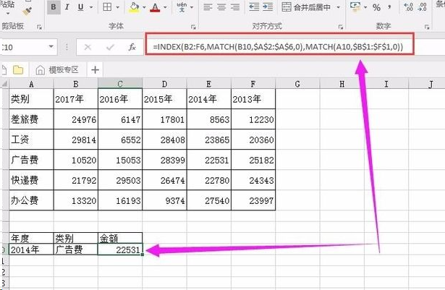

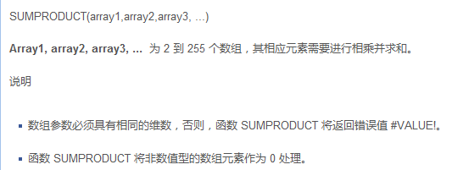

=SUM(OFFSET(P2:Q3,3,1,2,3)),第一个rows,cols,是针对ref的左上角,起始值为零,定位一个单元格A,height,width对于A扩展即为最终区域.起始为1.row,cols的缺省就是ref左上角,height,width,缺省为ref的形态,缺省height即默认为ref的形态向右扩充width列,缺省width,即默认为ref形态向下扩充height行

37

常用 的快捷 方式
//Ctrl+E 智能拆分数据// //Ctrl+\ 找不同// 按住Ctrl+D 键，Ctrl+D 向下填充 Ctrl+R 向右填充 Ctrl+K 插入超链接 Ctrl+； 输入日期 Alt+= 快速求和 Alt+T 添加上框线 Alt+B 添加下框线 Alt+L 添加左框线 Alt+R 添加右框线 Alt+D 添加下对角框线 Alt+U 添加上对角框线 F5 定位 | 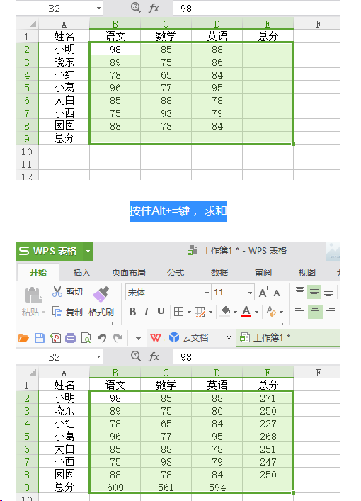
返回目录

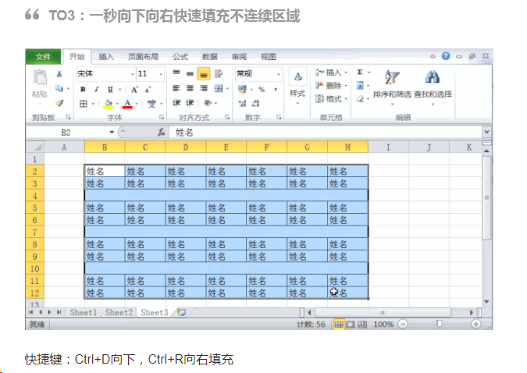

2020/10/282020/10/282020/10/282020/10/282020/10/28

 | 拆分单元格 | 姓名 | 分数
 | 主90 | 主 | 90 | 我的90
 | 我80 | 我 | 80 | 我的80
 | 我81 | 我 | 81 | 我的81
 | 我82 | 我 | 82 | 我的82
 | 我83 | 我 | 83 | 我的83
 | 我84 | 我 | 84 | 我的84
 | 我85 | 我 | 85 | 我的85
 | 我86 | 我 | 86 | 我的86
 | 我87 | 我 | 87 | 我的87
 | 我88 | 我 | 88 | 我的88
 | 我89 | 我 | 89 | 我的89
 | 我90 | 我 | 90 | 我的90
 | 我91 | 我 | 91 | 我的91
 | 我92 | 我 | 92 | 我的92
 | 我93 | 我 | 93 | 我的93

替换公式
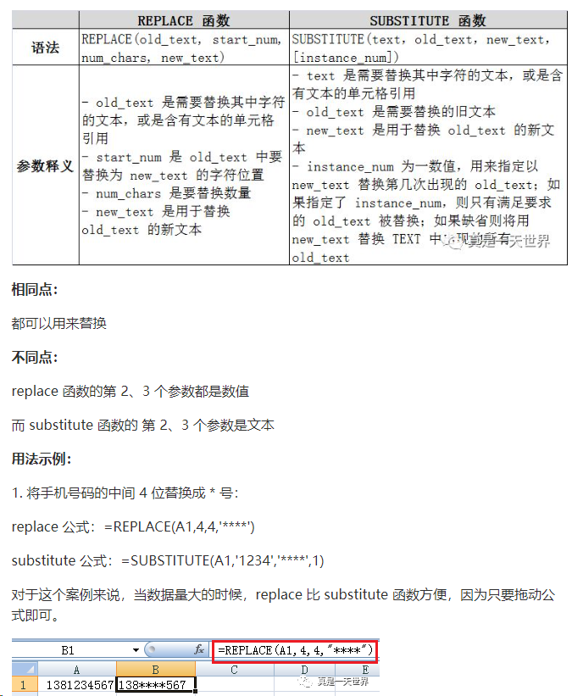
0 |  |  |  |  | 返回目录
参数:第一个是源,第二个是开始的位置,第三个从开始的位置开始计算要替换的数量,第四个是要替换的字符.
 | a
 | b | 2

 |  |  | q | #N/A
 |  |  | q | #N/A
 |  |  | a

参数:第一个是源,第二个是旧字符串,第三个是新字符串,第四个是要替换第几次出现的旧字符串,如果不指定则替换所有

查找公式
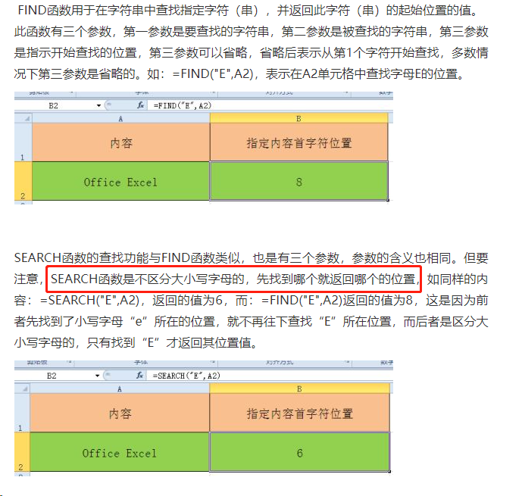
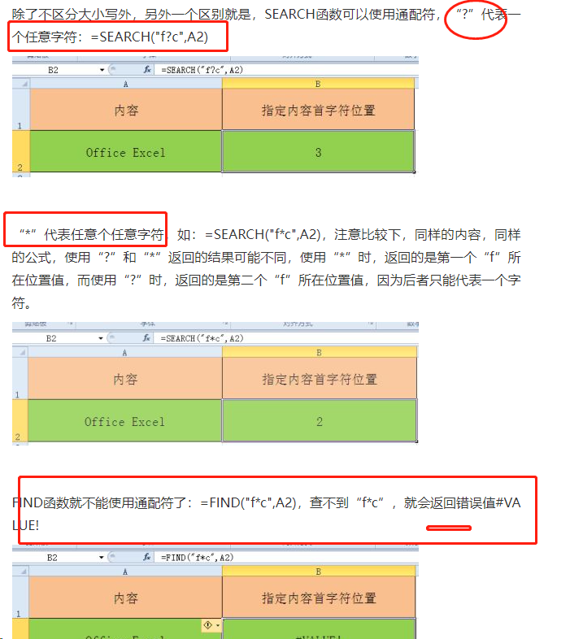
返回目录

工单排产
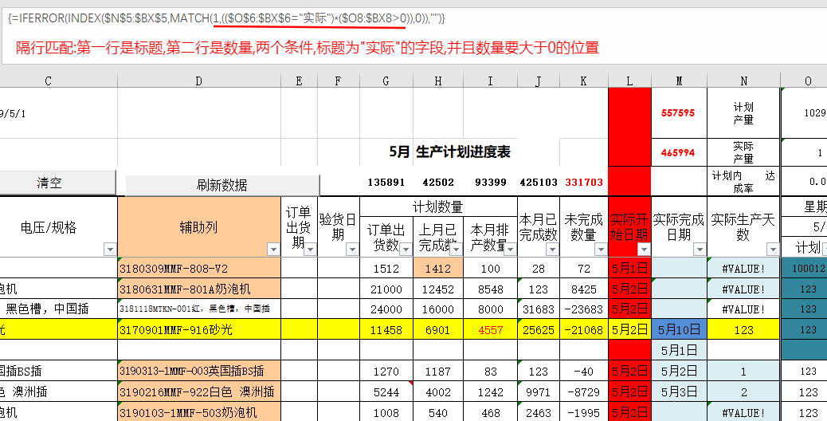
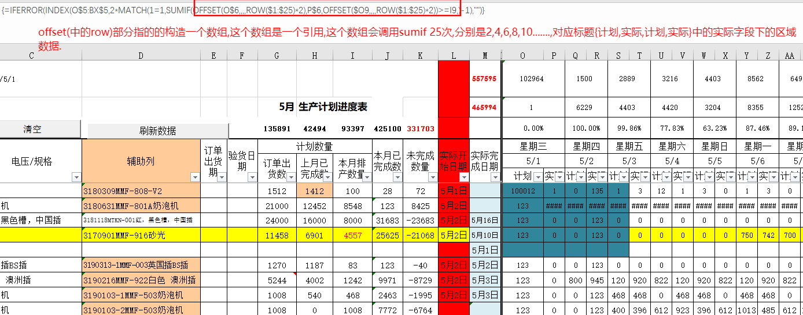
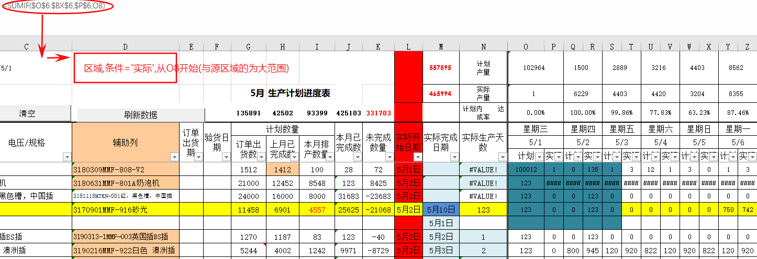
返回目录

sumproduct
SUMPRODUCT(array1, [array2], [array3], ...)
Array1, array3,... 可选。 2 到 255 个数组参数，其相应元素需要进行相乘并求和。 数组参数必须具有相同的维数。 否则，函数 SUMPRODUCT 将返回 #VALUE! 错误值 #REF!。 | 原理:同维度的两个数组相加,相当于两个分别相加后的组成,组成后是一个1为真0为假的数组,与别一组目标相X
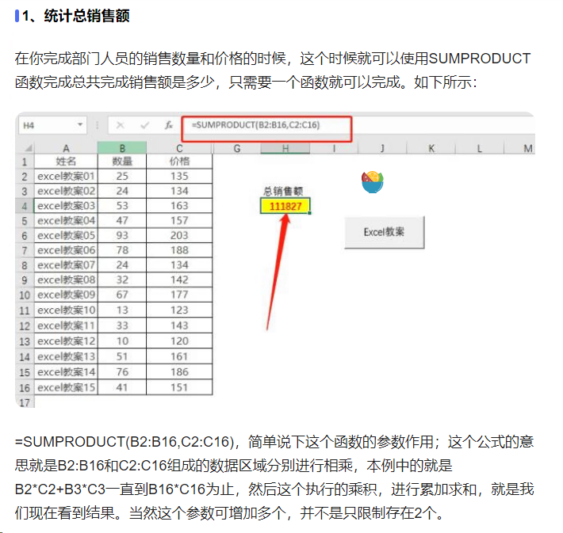
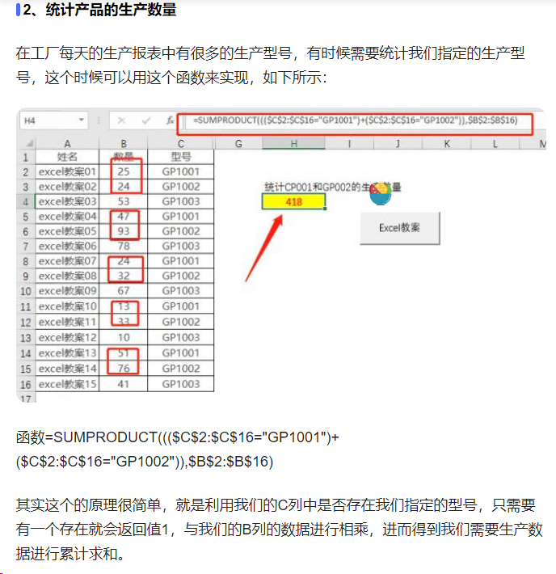

 |  |  | 这里很有意思
 |  | 1 | 1
 |  | 2 | FALSE
 |  | 3
 |  | 3
 |  | 3
 |  | 3
 |  | 1
 |  | 2
 |  | 3
 |  | 4

主生产计划
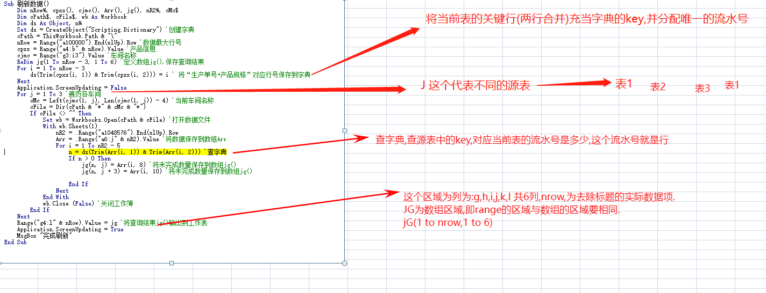
返回目录

VBA常用
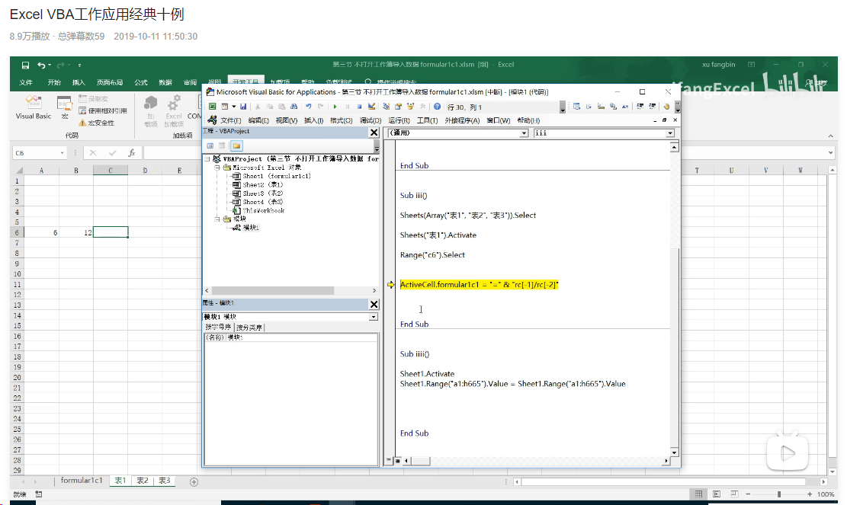
返回目录

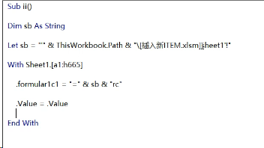

不打开是这有分号路径

这个是去除公式

forma.....这个是可以对多个表格进行写公式的.

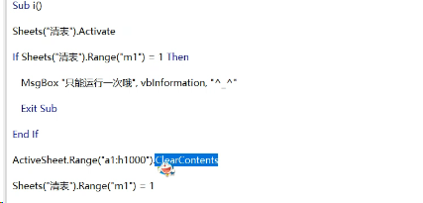

清除表内容



精确查找

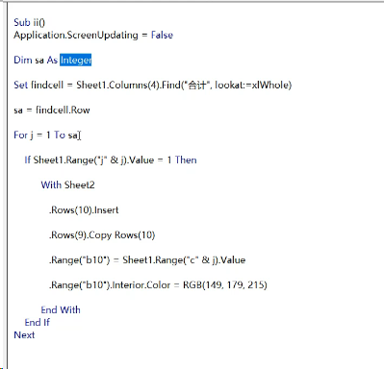

插入行,将第9行的内容复制到第10行(主是要复制公式)
然后更新第10行的关键字段,其他的信息也将完善,
后续不断loop
当前表.range("").end(xlup)最后一行.offset(1,0)实际就是最后一行减1
sa,为loop的表
currentRegion 有数据的区域
resize,指定要copy的源,sc为目标

如下是用数组实际,视频是推荐这种,注意扩展数组
redim preserve arr
相当于python list.append
语法要变(列,行),原来是(行,列)
使用时要转回.

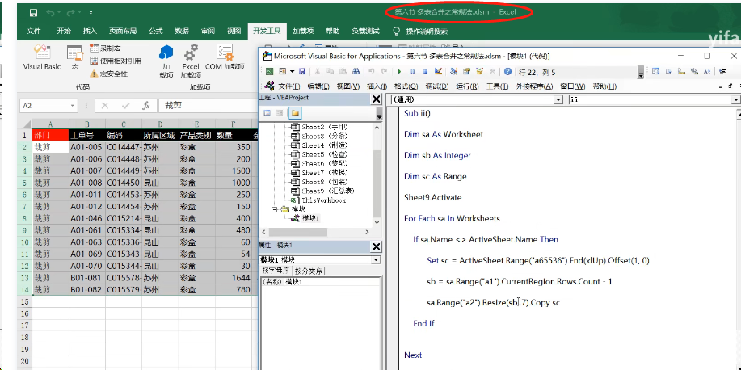
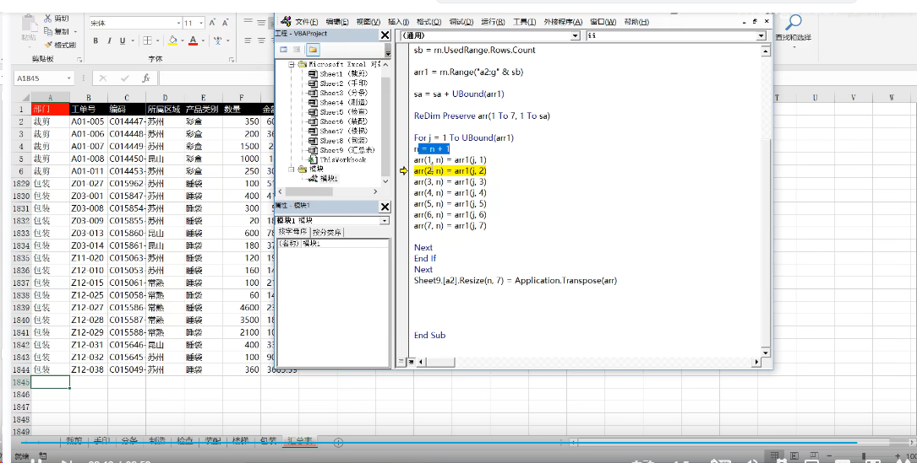

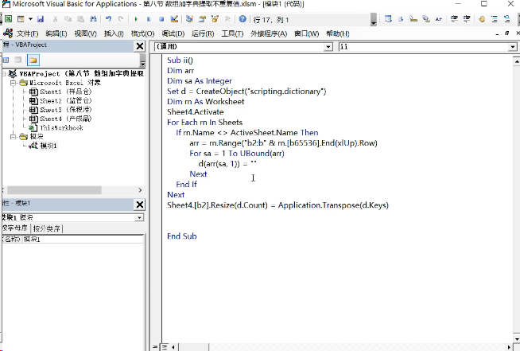

借用d.keys的唯一性

将数字转为文本的方法
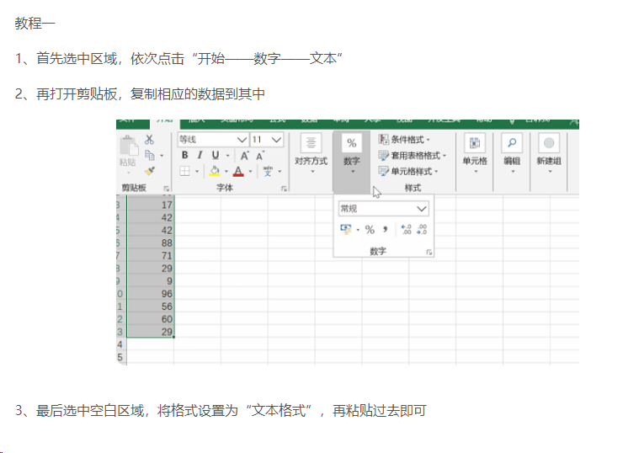
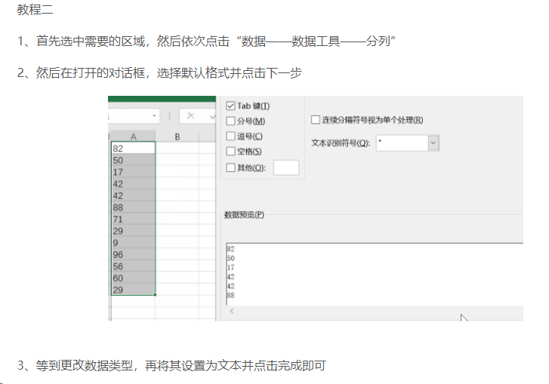
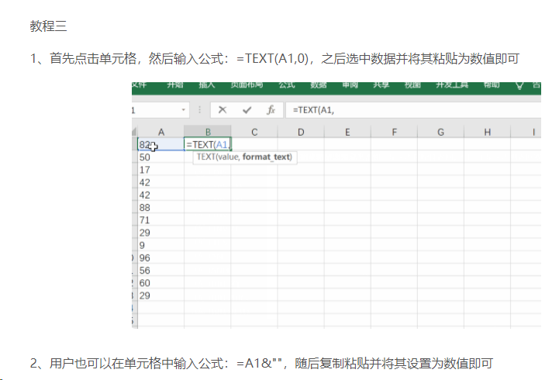
返回目录

ctrl+E
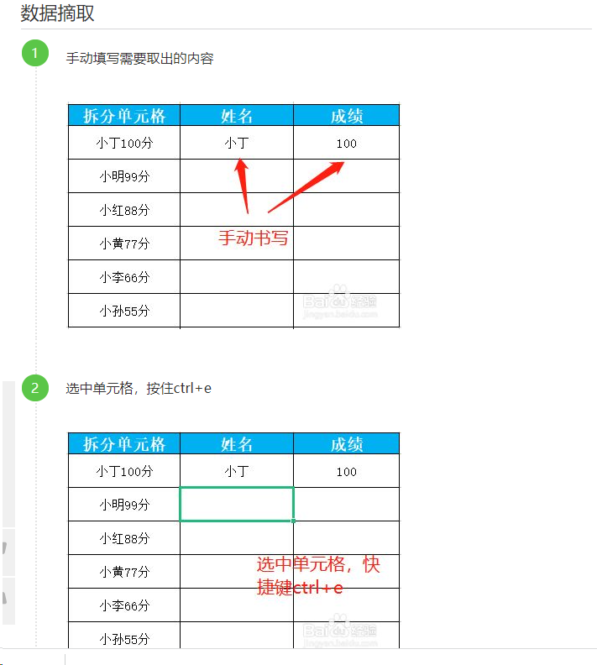
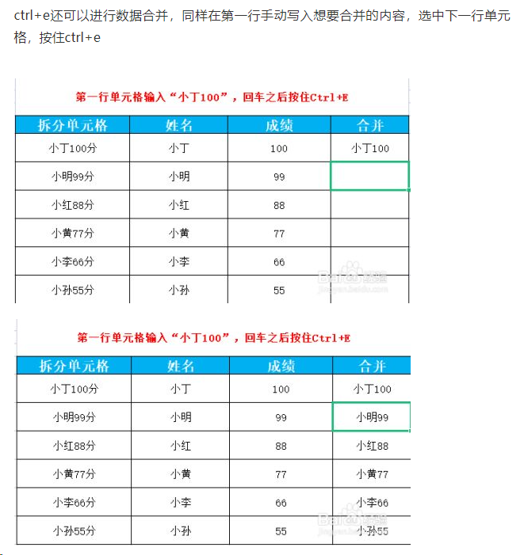
 | 返回目录

一、提取生份证号码中的生日。
们只需输入第一个人的身份证的日期，再按CTRL+E ，那后面的身份证日期就会部出来了。

二、合并数据。
我们如果想要将上表中的数据合并到一起，同样只需要在第一个单元格中输入姓名 和身份证号，再按CTRL+E，那后面的数据也就会自动合并了。

三、拆分数据
如果两个数据合并在一起，我们想要拆分的话，如一个一个地复制粘贴，那就太麻烦了。其实和上面合并数据一样，只需要在第一个单元格中输入拆分的第一个数据，再按下CTRL+E键，那下面所有的数据就自动折分了。

三、隐藏电话号码
当我们不想要别人看到完整的电话号码的时候，会将电话号码中间的几个数字变为星号。这个用函数也能实现，但是比较麻烦，同样，我们也可以用CTRL+E来快速实现。我们只需要将第一个电话号码录成我们想要的样子。然后再CTRL+E，那后面的号码就会全部变成这样。

四、设置电话号码格式
有时我们需要将电话号码设为136-2222-3333，这样子的，也可以用CTRL+E来实现。

五、批量添加单位。

六、批量除掉小数点

总之，CTRL+E就是根据你输入的第一个数据，从相邻的数据中提取和你第一个输入的相同类型的数据。
大家学会了没有，还有没有更好的用法呢？欢迎评论！觉得有用的请点个赞再走哦！

数组函数
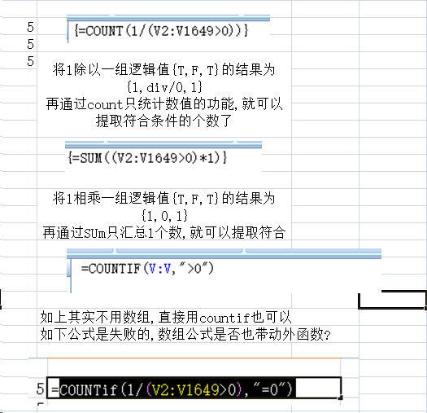
返回目录

 | 1

图表的制作
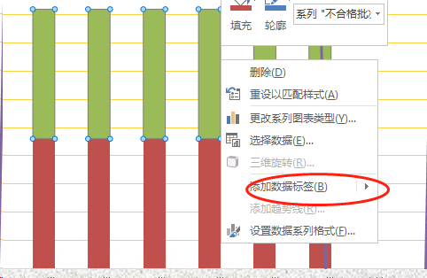
万事泰铝线本厂验货情况 |  |  |  |  |  |  |  |  |  |  |  |  |  |  | 返回目录
月份 | 1月份 | 2月份 | 3月份 | 4月份 | 5月份 | 6月份 | 7月份 | 8月份 | 9月份 | 10月份 | 11月份 | 12月份 | 合计 | 目标
检验总批次 | 80 | 46 | 46 | 46 | 46 | 46 | 46 | 46 | 46 | 46 | 46 | 46
合格批次 | 76 | 46 | 46 | 46 | 46 | 46 | 46 | 46 | 46 | 46 | 46 | 46
不合格批次 | 19 | 46 | 46 | 46 | 46 | 46 | 46 | 46 | 46 | 46 | 46 | 46
合格率 | 95.00% | 100.00% | 100.00% | 100.00% | 100.00% | 100.00% | 100.00% | 100.00% | 100.00% | 100.00% | 100.00% | 100.00% | #DIV/0! | 99.50%
目标 | 11.00% | 99.50% | 99.50% | 99.50% | 99.50% | 99.50% | 99.50% | 99.50% | 99.50% | 99.50% | 99.50% | 99.50% | 99.50%

第一步,选择所有的数据,插入图表,组合图表,自定义
万事泰铝线本厂验货情况
 | 检验总批次 | 合格批次 | 不合格批次 | 合格率
1月份 | 80 | 76 | 19 | 95.00%
2月份 | 46 | 46 | 46 | 100.00%
3月份 | 46 | 46 | 46 | 100.00%
4月份 | 46 | 46 | 46 | 100.00%
5月份 | 46 | 46 | 46 | 100.00%
6月份 | 46 | 46 | 46 | 100.00%
7月份 | 46 | 46 | 46 | 100.00%
8月份 | 46 | 46 | 46 | 100.00%
9月份 | 46 | 46 | 46 | 100.00%
10月份 | 46 | 46 | 46 | 100.00%
11月份 | 46 | 46 | 46 | 100.00%
12月份 | 46 | 46 | 46 | 100.00%
合计 |  |  |  | 0.00%
目标 |  |  |  | 99.50%

第二步,将总批次不统计,有两种 方法,快捷在过滤,或者选择数据源,如右截图
万事泰铝线本厂验货情况
 | 合格批次 | 不合格批次 | 合格率
1月份 | 76 | 19 | 95.00%
2月份 | 46 | 46 | 100.00%
3月份 | 46 | 46 | 100.00%
4月份 | 46 | 46 | 100.00%
5月份 | 46 | 46 | 100.00%
6月份 | 46 | 46 | 100.00%
7月份 | 46 | 46 | 100.00%
8月份 | 46 | 46 | 100.00%
9月份 | 46 | 46 | 100.00%
10月份 | 46 | 46 | 100.00%
11月份 | 46 | 46 | 100.00%
12月份 | 46 | 46 | 100.00%
合计 |  |  | 0.00%
目标 |  |  | 99.50%
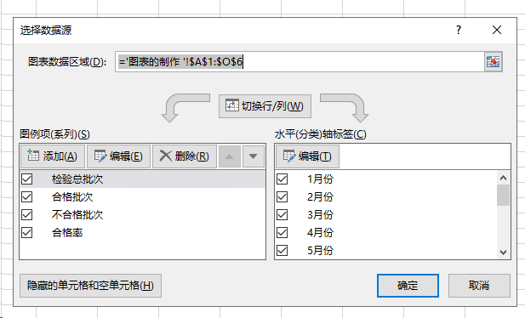

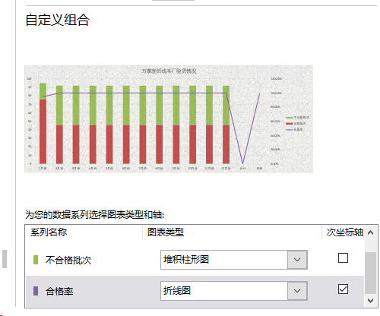
第三步,将族柱改为堆柱,如右图
万事泰铝线本厂验货情况
 | 合格批次 | 不合格批次 | 合格率
1月份 | 76 | 19 | 95.00%
2月份 | 46 | 46 | 100.00%
3月份 | 46 | 46 | 100.00%
4月份 | 46 | 46 | 100.00%
5月份 | 46 | 46 | 100.00%
6月份 | 46 | 46 | 100.00%
7月份 | 46 | 46 | 100.00%
8月份 | 46 | 46 | 100.00%
9月份 | 46 | 46 | 100.00%
10月份 | 46 | 46 | 100.00%
11月份 | 46 | 46 | 100.00%
12月份 | 46 | 46 | 100.00%
合计 |  |  | 0.00%
目标 |  |  | 99.50%

第 四步,调整相关的格式

万事泰铝线本厂验货情况
 | 合格批次 | 不合格批次 | 合格率
1月份 | 76 | 19 | 95.00%
2月份 | 46 | 46 | 100.00%
3月份 | 46 | 46 | 100.00%
4月份 | 46 | 46 | 100.00%
5月份 | 46 | 46 | 100.00%
6月份 | 46 | 46 | 100.00%
7月份 | 46 | 46 | 100.00%
8月份 | 46 | 46 | 100.00%
9月份 | 46 | 46 | 100.00%
10月份 | 46 | 46 | 100.00%
11月份 | 46 | 46 | 100.00%
12月份 | 46 | 46 | 100.00%
合计 |  |  | 0.00%
目标 |  |  | 99.50%
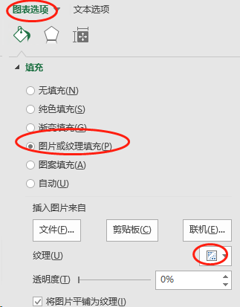
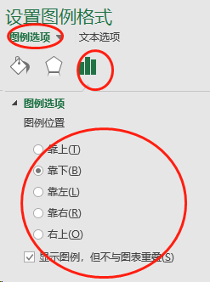
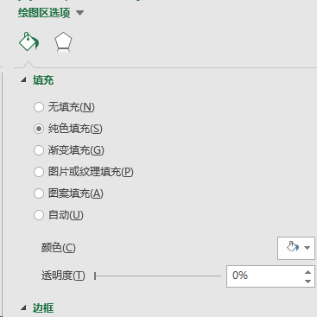
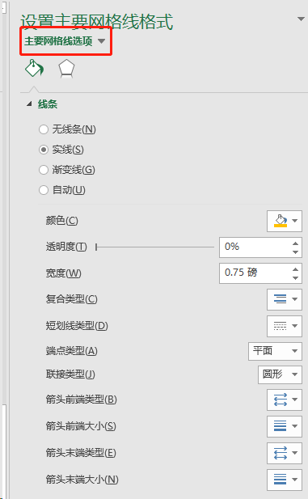

第 五步,显示数值
万事泰铝线本厂验货情况
 | 合格批次 | 不合格批次 | 合格率
1月份 | 76 | 19 | 95.00%
2月份 | 46 | 46 | 100.00%
3月份 | 46 | 46 | 100.00%
4月份 | 46 | 46 | 100.00%
5月份 | 46 | 46 | 100.00%
6月份 | 46 | 46 | 100.00%
7月份 | 46 | 46 | 100.00%
8月份 | 46 | 46 | 100.00%
9月份 | 46 | 46 | 100.00%
10月份 | 46 | 46 | 100.00%
11月份 | 46 | 46 | 100.00%
12月份 | 46 | 46 | 100.00%
合计 |  |  | 0.00%
目标 |  |  | 99.50%

sumif与sumifs结合INDIRECT
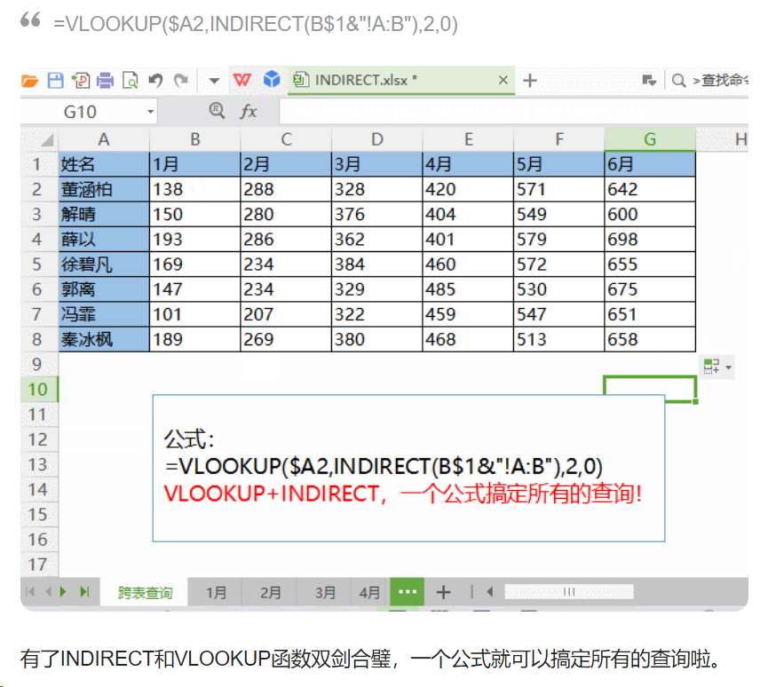
 |  | 条件区域 |  |  |  | 汇总区域
查找符合条件求和,sum_range 为求和区域,range例如姓名,criteria为条件: sum_range 为分数 |  | 1 | 21 | 61 | 81 | 101 | 121
1355 | 求和区域与条件区域不同，使用 sum_range 中左上角的单元格作为起始单元格，然后包括与区域大小和形状相对应的单元格 | 2 | 22 | 62 | 82 | 102 | 122
 |  | 3 | 23 | 63 | 83 | 103 | 123
 |  | 4 | 24 | 64 | 84 | 104 | 124
 |  | 5 | 25 | 65 | 85 | 105 | 125
140 | 第一列,为求和区域,后续为查询条件,相当与where 字段=值(1组) and 字段=(值)(2组) 须注意 sumif的顺序相反(第一个是查询条件组,第二才是求和区域) | 6 | 26 | 66 | 86 | 106 | 126
 |  | 7 | 27 | 67 | 87 | 107 | 127
 |  | 8 | 28 | 68 | 88 | 108 | 128
 |  | 9 | 29 | 69 | 89 | 109 | 129
 |  | 10 | 30 | 70 | 90 | 110 | 130
 |  | 11 | 31 | 71 | 91 | 111 | 131
 |  | 12 | 32 | 72 | 92 | 112 | 132
 |  | 13 | 33 | 73 | 93 | 113 | 133
 |  | 14 | 34 | 74 | 94 | 114 | 134
 |  | 15 | 35 | 75 | 95 | 115 | 135
 |  | 16 | 36 | 76 | 96 | 116 | 136
 |  | 17 | 37 | 77 | 97 | 117 | 137
 |  | 18 | 38 | 78 | 98 | 118 | 138
 |  | 19 | 39 | 79 | 99 | 119 | 139

 |  | 20 | 40 | 80 | 100 | 120 | 140
vlookup(查找的单元格,区域)一般这个区域是只限定在一个表里面. 如果这个区域再向上打包一个函数,这个函数就是indirect,这个函数会扩展字母, 这里补充说下,向下拖动受数量扩展,横向拖动受字母影响.因此,如果要写一个公式,填充一张二维表,可以考虑 vlookup+indirect

indirect:默认只有一个参数,即不采用rc表达式.例如如果要表示一个表的一个区域为"表名!A:B"

视频的学习教程
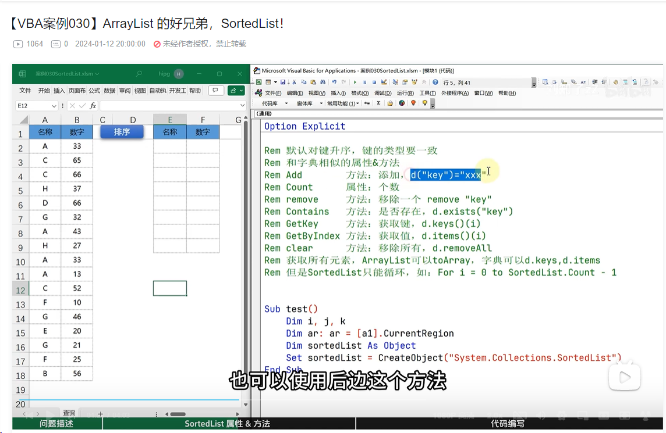
这个offset,是基于cell,1参数为行向下偏移0行,2表示向右偏移1列
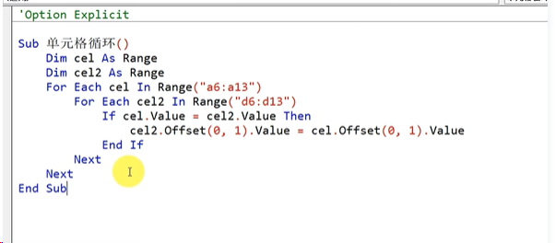
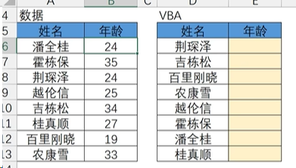

这个是通过数组的方式去实现vlookup,最终目标是br

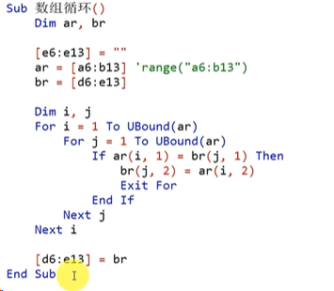

这个是通过字典的方式,字典是无序,唯一的KEY
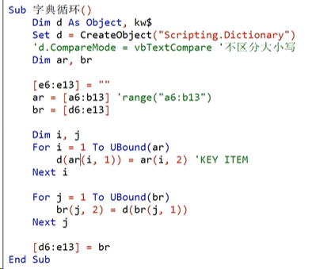

一对多

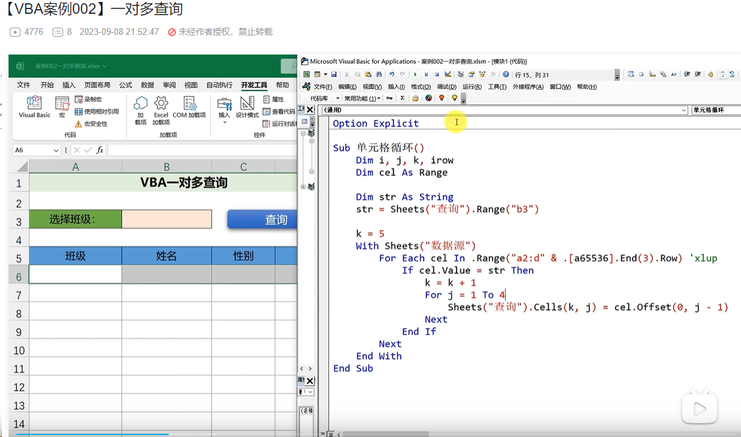

通过数组的方式

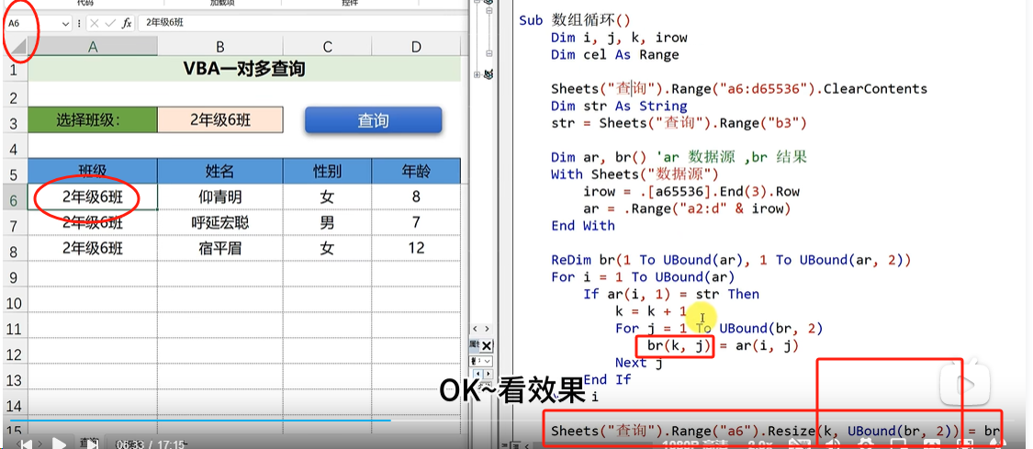

字典

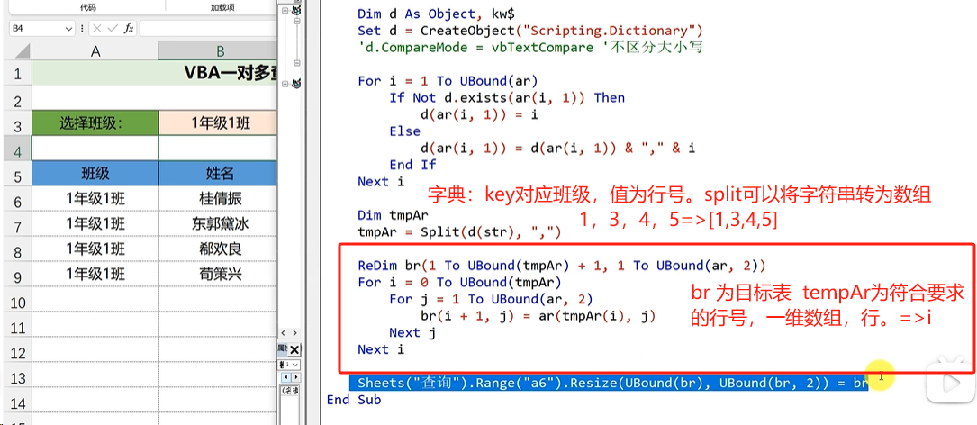

like 运算符号 *多?一个 instr 查不到为0,空为1

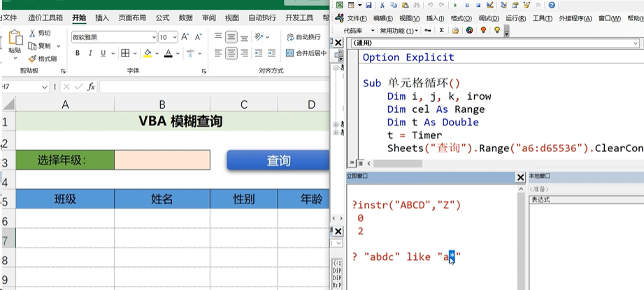

自动填充表格:将数据源的列表,填充到模板表,然后导出独立的excel文件.

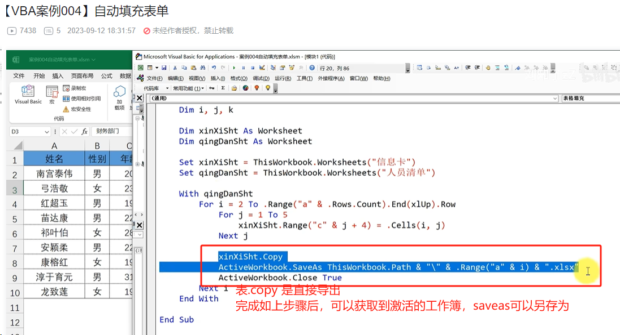

通过数组解决

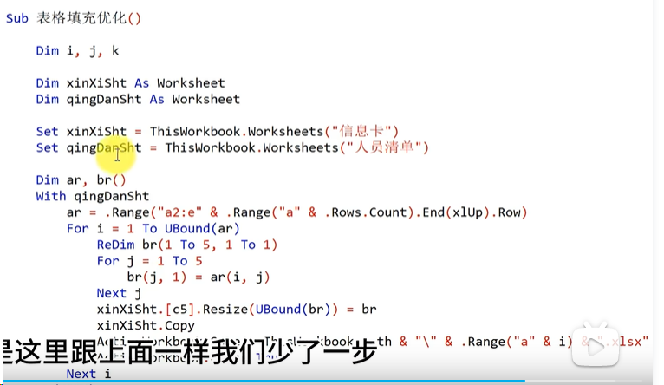

自动汇总各个excel表的数据到一 个汇总表

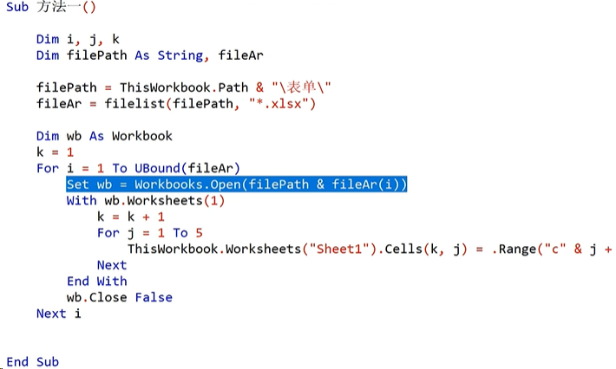

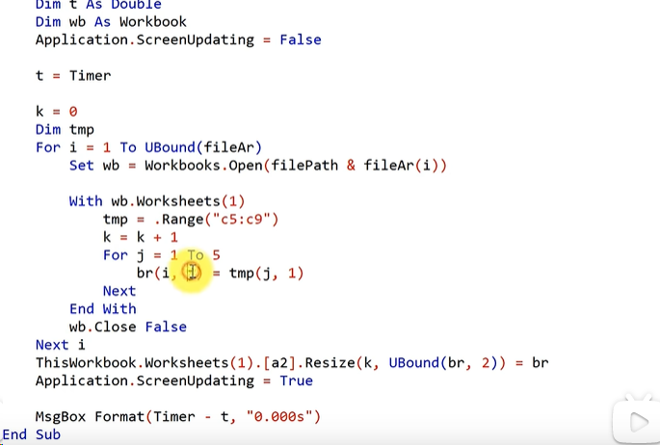

通过宏函数

数据去重.区域.removeduplicates 数组(列) 选定哪些列判定去重 第二个参数是否有标题

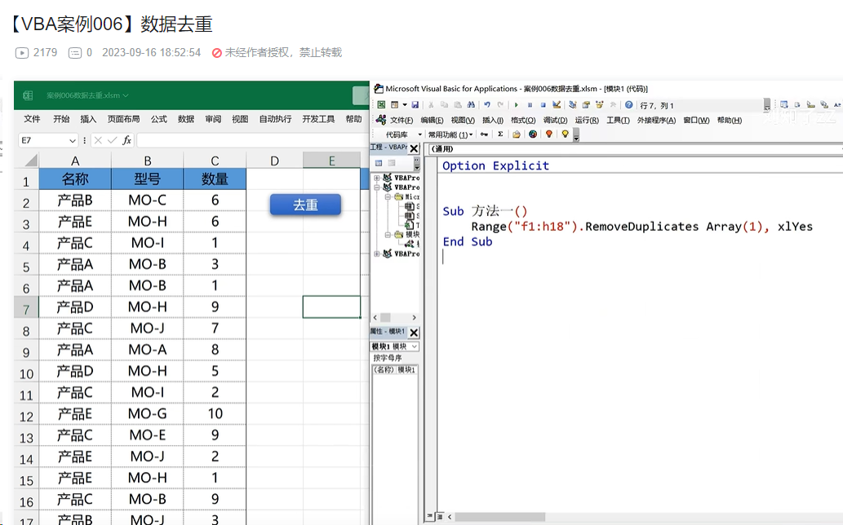

通过字典与数组的方式解决

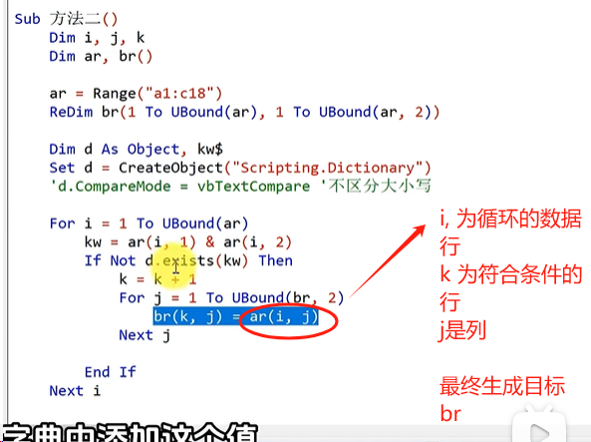

 | 最终将 br 输出到f1

去重复取最后一行

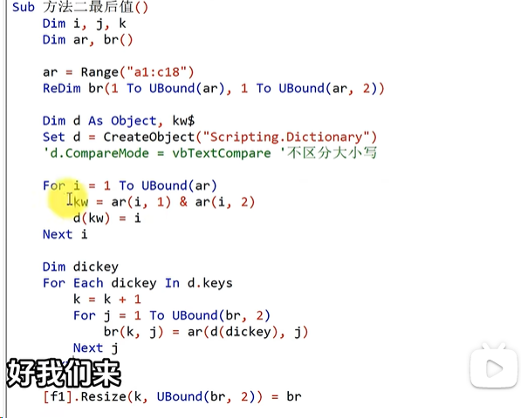

多条件汇总





多条件查询



合并 单 元格汇总数据



合并 工作表



数组的解决办法


多个工作簿多个工作表汇总到一个工作簿下



拆分工作表,按部门拆分单独的子表



按符合条件的区域安装到字典的值



单列转多列



ArrayList



sortedlist

