Documentation
Level Creation

 | Level builder how to use:

 |  |  | It can be run from the Grid3 scene if you want to test
 |  |  | When you start the scene you'll need to press the 'Home' key to spawn the level layout
 |  |  | The layout itself is read from a csv file
 |  |  | We can author new levels by creating an Excel sheet and inputting numbers from 0 - 5:
 |  |  |  | 0 - Empty (unset tile)
 |  |  |  | 1 - Start tile
 |  |  |  | 2 - End tile
 |  |  |  | 3 - Magma/Toxic tile
 |  |  |  | 4 - Blocking (rocks) tile
 |  |  |  | 5 - Solid ground (pre-gen island)
 |  |  | If you make any levels you should save them to Assets/Resources/Levels/Lv#.txt
 |  |  | Where # is the level number
 |  |  | Also, yes they need to be .txt files because of Unity reasons
 |  |  | Edit the text file and remove any trailing blank lines

 |  |  |  | 0 | Empty (unset tile) |  |  |  | Summary:
 |  |  |  | 1 | Start tile |  |  |  | You enter in an excel .csv grid some numbers from 0 to 5 corresponding to tile types
 |  |  |  | 2 | End tile |  |  |  | Then save that file into a txt, which transforms that data into comma separated text
 |  |  |  | 3 | Magma/Toxic tile |  |  |  | Then, the code for the level builder uses these and creates tiles from them
 |  |  |  | 4 | Blocking (rocks) tile
 |  |  |  | 5 | Solid ground (pre-gen island)
 | Level config:

 |  | Config file is in Assets\Resources\Levels and int he following format: Lv1.cfg.txt

 |  |  | { "ToxicSpreadTime": 10, "ToxicSpreadTimeVariation": 2 }
 |  | Where:
 |  |  | "ToxicSpreadTime" is in secs
 |  |  | "ToxicSpreadTimeVariation" is the spread of the normal curve, in secs

 | Setting up environments:

 |  | Environments can now be configured from the .cfg file
 |  |  | Set "EnvironmentName" to the name of the environment file to load (Environments must be prefabs in the Resources/Environments directory)
 |  |  | If necessary set "EnvironmentOffsetX", "EnvironmentOffsetY" and "EnvironmentOffsetZ" to offset the environment from origin
 |  |  | See Lv1.cfg.txt for example

 | Controlling toxic spread:

 |  | Toxic spread max distance can be controlled from the .cfg file
 |  |  | Set "MaxSpreadDistance" to the number of tiles spread should go from the source tile.
 |  |  | 0 = Unlimited
 |  |  | 1+ = number of tiles (radius) out from the centre
 |  |  | examples:

 |  | Max spread = 1 |  | Spread |  | Max = 2 | Spread | Max = 3 |  | Spread
 |  |  |  | Source |  |  | Source |  |  | Source

 | Conveyor/Queue how to use:

 |  | You need to make a ManualConveyorQueue asset by going to RMB->Create->Scriptable Objects/ManualConveyorQueue and placing shapes you want in that queue.
 |  | Atm make sure the type of shape is also added to the Unfold's Shape definitions in the AnimatedPlayer
 |  | Then select the NextShapeQueue and drag the newly created asset onto the ConveyorQueue field, and disable randomized

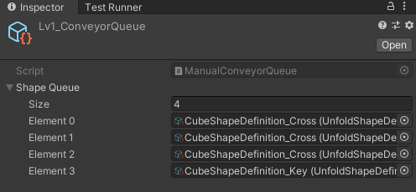

 |  | Authored Queue: options

 |  |  | In the hierarchy, "NextShapeQueue" object holds the list
 |  |  | Options are:
 |  |  |  | Conveyor queue: has the ordered list of objects in your queue
 |  |  |  | Randomized: randomizes the queue
 |  |  |  | Loop queue: when queue ends, loop back to item 1 in the queue
 |  |  |  | You can add a component to the list

 |  |  |  | Per level ManualConveyorQueue
 |  |  |  | In Assets/Resources/Levels/ you have conveyor queues named Lv#_Queue (eg Lv1_Queue, Lv5_Queue) which will automatically be loaded when a level gets loaded
 |  |  |  | New in the ManualConveyorQueue is a checkbox for looping now, since it's on a per level basis.
 |  |  |  | When a level doesn't have a ManualConveyorQueue next to the level file, it will default back to randomizing
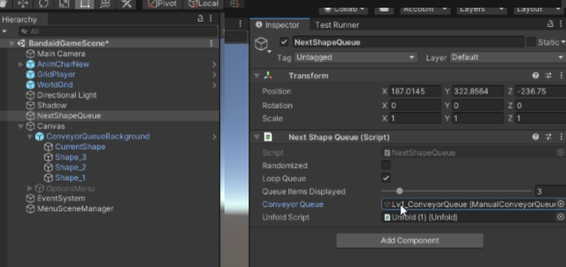

 | Making a Build for the game

 |  | Steam: File -> Build Setting and click Build

