Sheet1
Country | Name | Wikipedia | Images
algeria | Abdelaziz Bouteflika | https://en.wikipedia.org/wiki/President_of_Algeria | 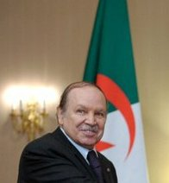 | AFRICA
angola | João Lourenço | https://en.wikipedia.org/wiki/President_of_Angola | 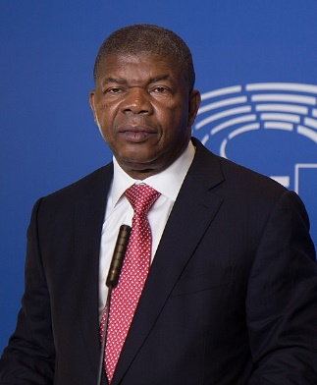
Benin | Patrice Talon | https://en.wikipedia.org/wiki/Patrice_Talon | 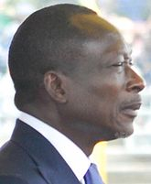
botswana | Mokgweetsi Masisi | https://en.wikipedia.org/wiki/President_of_Botswana | 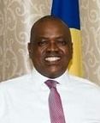
Burkina Faso | Roch Marc Christian Kaboré | https://en.wikipedia.org/wiki/Roch_Marc_Christian_Kabor%C3%A9 | 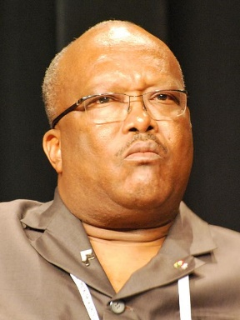
central african republic | Faustin-Archange Touadéra | https://en.wikipedia.org/wiki/Faustin-Archange_Touad%C3%A9ra | 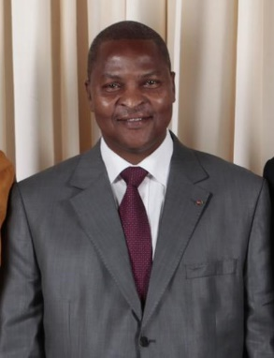
cameroon | Paul Biya | https://en.wikipedia.org/wiki/Paul_Biya | 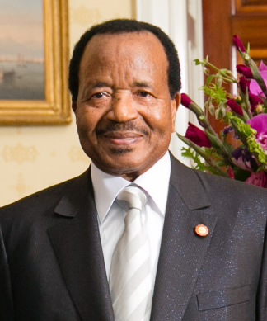
chad | Idriss Déby | https://en.wikipedia.org/wiki/Idriss_D%C3%A9by | 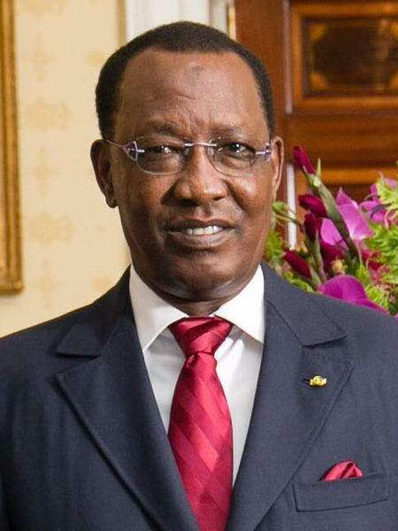
democratic republic of the congo | Joseph Kabila | https://en.wikipedia.org/wiki/Joseph_Kabila | 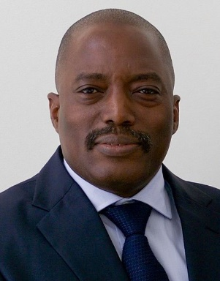
congo republic | Denis Sassou Nguesso | https://en.wikipedia.org/wiki/Denis_Sassou_Nguesso | 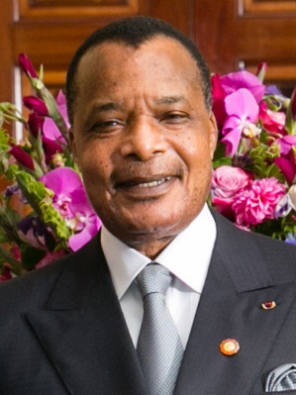
djibouti | Ismaïl Omar Guelleh | https://en.wikipedia.org/wiki/Isma%C3%AFl_Omar_Guelleh | 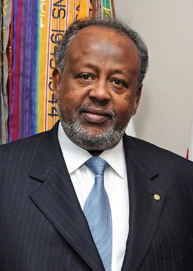
egypt | Abdel Fattah el-Sisi | https://en.wikipedia.org/wiki/President_of_Egypt | 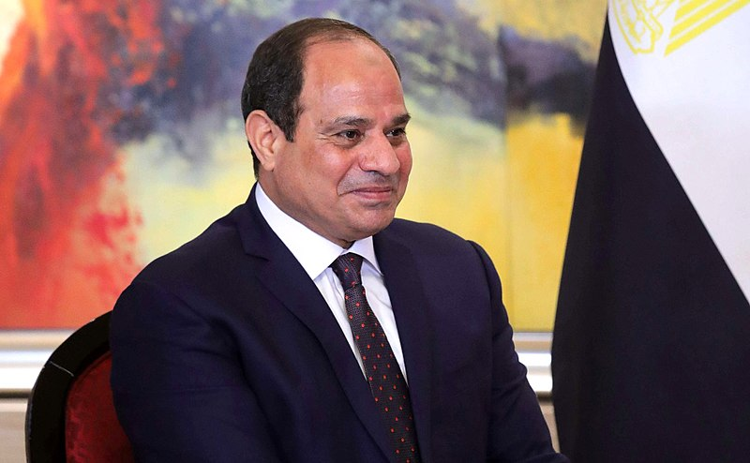
ethiopia | Mulatu Teshome | 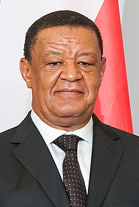 https://en.wikipedia.org/wiki/President_of_Ethiopia
gabon | Ali Bongo Ondimba | https://en.wikipedia.org/wiki/Ali_Bongo_Ondimba | 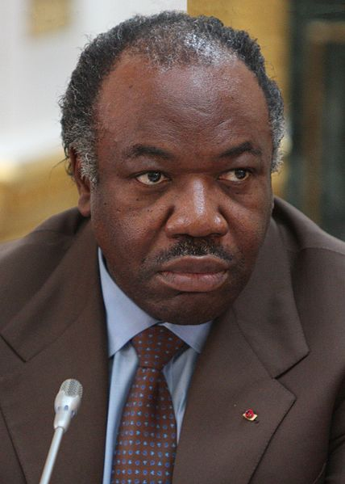
Gambia | Adama Barrow | https://en.wikipedia.org/wiki/President_of_the_Gambia | 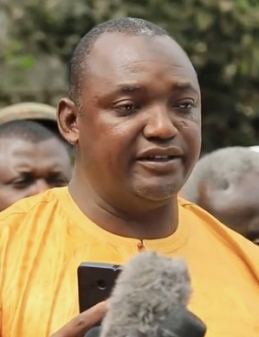
Ghana | Nana Akufo-Addo | https://en.wikipedia.org/wiki/President_of_Ghana | 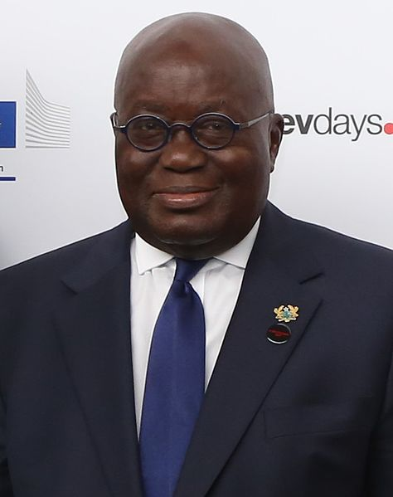
Guinea | Alpha Condé | https://en.wikipedia.org/wiki/Alpha_Cond%C3%A9 | 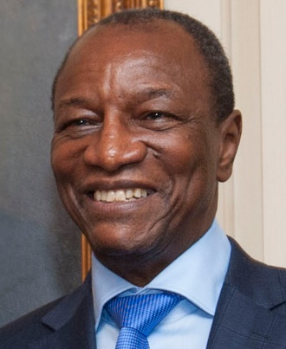
guinea bissau | José Mário Vaz | https://en.wikipedia.org/wiki/Jos%C3%A9_M%C3%A1rio_Vaz | 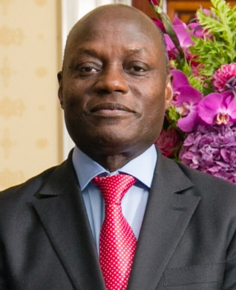
côte d'ivoire | Alassane Ouattara | https://en.wikipedia.org/wiki/Alassane_Ouattara | 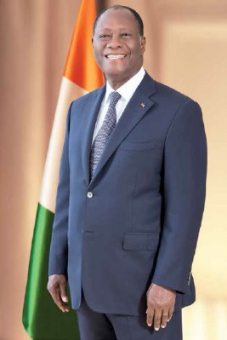
kenya | Uhuru Kenyatta | https://en.wikipedia.org/wiki/President_of_Kenya | 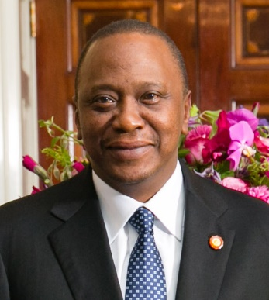
Liberia | George Weah | https://en.wikipedia.org/wiki/President_of_Liberia | 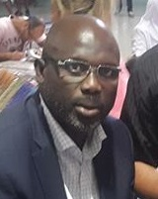
mali | Ibrahim Boubacar Keïta | https://en.wikipedia.org/wiki/Ibrahim_Boubacar_Ke%C3%Afta | 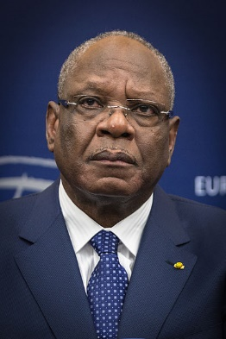
mauritania | Mohamed Ould Abdel Aziz | https://en.wikipedia.org/wiki/Mohamed_Ould_Abdel_Aziz | 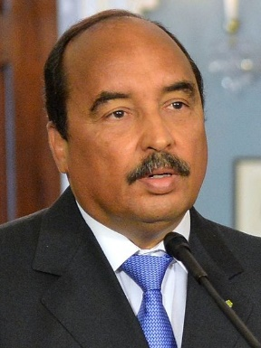
morocco | Mohammed VI | https://en.wikipedia.org/wiki/Mohammed_VI_of_Morocco | 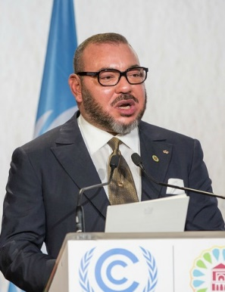
mozambique | Filipe Nyusi | https://en.wikipedia.org/wiki/Filipe_Nyusi | 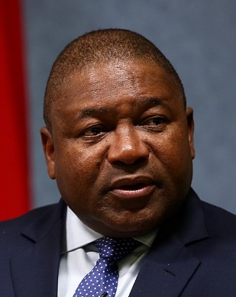
namibia | Hage Geingob | https://en.wikipedia.org/wiki/President_of_Namibia | 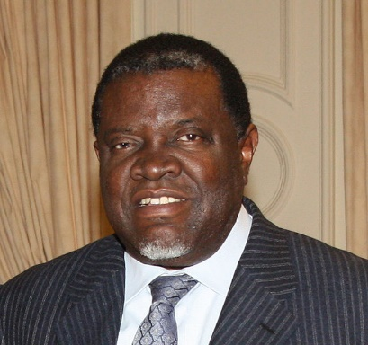
niger | Mahamadou Issoufou | https://en.wikipedia.org/wiki/Mahamadou_Issoufou
nigeria | Muhammadu Buhari | https://en.wikipedia.org/wiki/President_of_Nigeria | 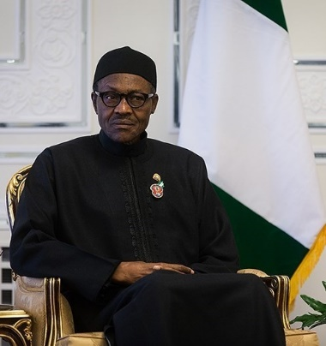
senegal | Macky Sall | https://en.wikipedia.org/wiki/President_of_Senegal | 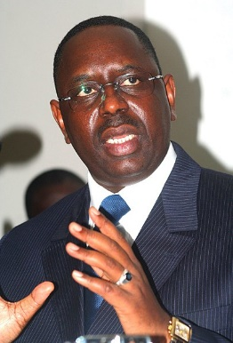
sierra leone | Julius Maada Bio | https://en.wikipedia.org/wiki/President_of_Sierra_Leone | 
south africa | Cyril Ramaphosa | https://en.wikipedia.org/wiki/President_of_South_Africa | 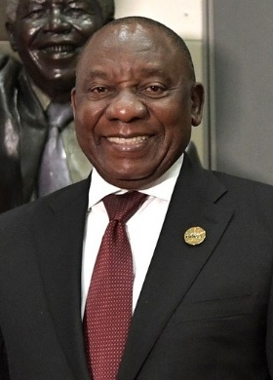
sudan | Omar al-Bashir | https://en.wikipedia.org/wiki/Omar_al-Bashir | 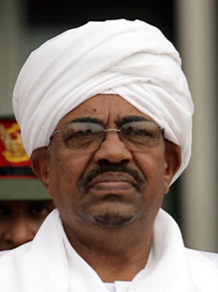
tanzania | John Magufuli | https://en.wikipedia.org/wiki/President_of_Tanzania | 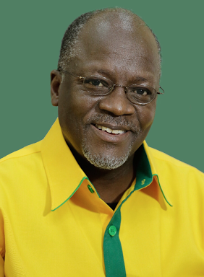
togo | Faure Gnassingbé | https://en.wikipedia.org/wiki/Faure_Gnassingb%C3%A9 | 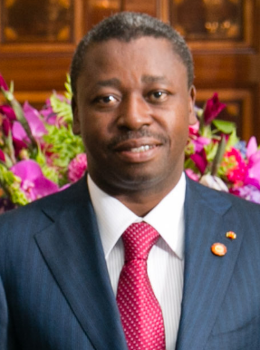
tunisia | Beji Caid Essebsi | https://en.wikipedia.org/wiki/President_of_Tunisia | 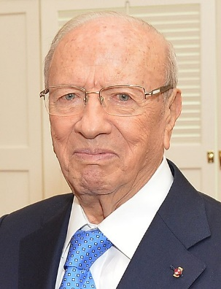
uganda | Yoweri Museveni | https://en.wikipedia.org/wiki/President_of_Uganda | 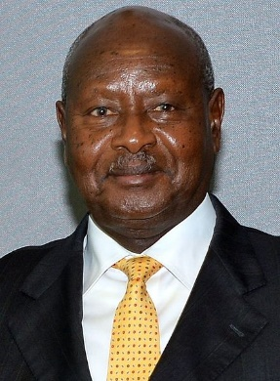
western sahara | brahim ghali | No Correct Details on Google | No Correct Details on Google
zambia | Edgar Lungu | https://en.wikipedia.org/wiki/President_of_Zambia | 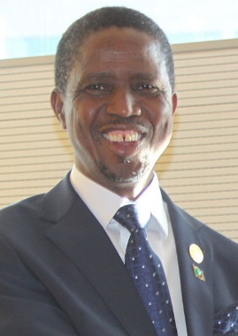
zimbabwe | Emmerson Mnangagwa | https://en.wikipedia.org/wiki/President_of_Zimbabwe | 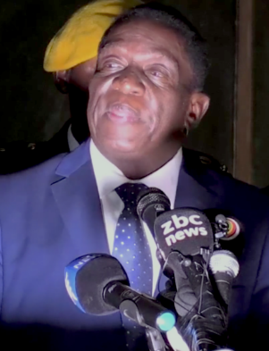

 |  |  |  | PAN America
argentina | Mauricio Macri | https://en.wikipedia.org/wiki/President_of_Argentina | 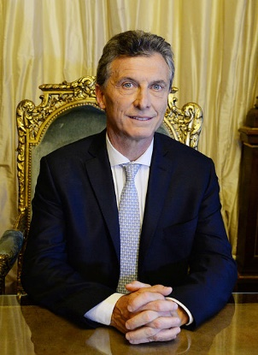
chile | Sebastián Piñera | https://en.wikipedia.org/wiki/President_of_Chile | 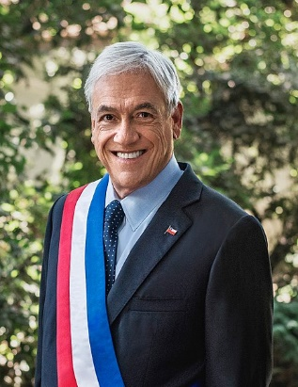
colorado | Bruce D. Benson | https://en.wikipedia.org/wiki/Bruce_D._Benson | 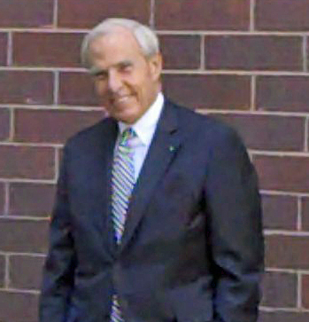
colombia | Juan Manuel Santos | https://en.wikipedia.org/wiki/President_of_Colombia | 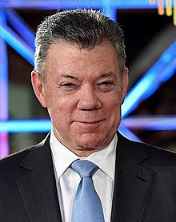
costa rica | Carlos Alvarado Quesada | https://en.wikipedia.org/wiki/President_of_Costa_Rica | 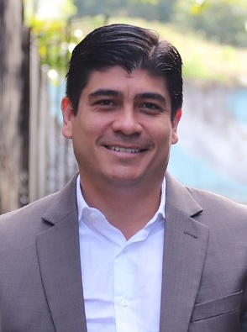
ecuador | Lenín Moreno | 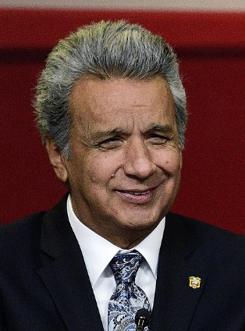 https://en.wikipedia.org/wiki/President_of_Ecuador
guatemala | Jimmy Morales | https://en.wikipedia.org/wiki/President_of_Guatemala | 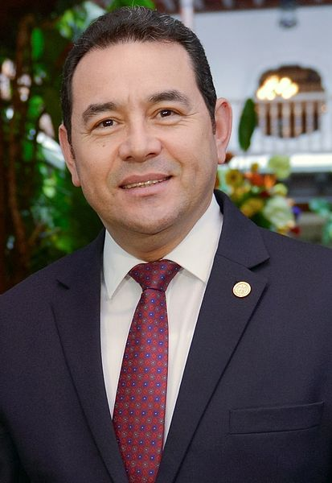
honduras | Juan Orlando Hernández | https://en.wikipedia.org/wiki/President_of_Honduras | 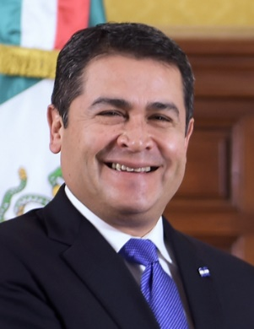
north dakota | Mark Kennedy | https://en.wikipedia.org/wiki/Mark_Kennedy_(politician) | 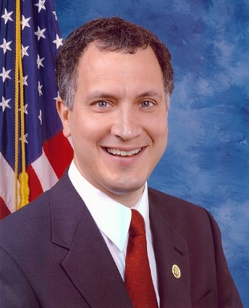
new mexico | Enrique Peña Nieto | https://en.wikipedia.org/wiki/Enrique_Pe%C3%B1a_Nieto | 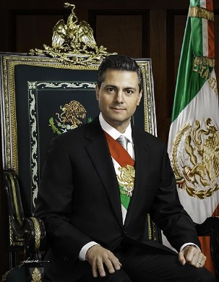
nicaragua | Daniel Ortega | https://en.wikipedia.org/wiki/President_of_Nicaragua | 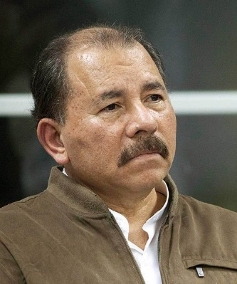
panama | Juan Carlos Varela | https://en.wikipedia.org/wiki/Juan_Carlos_Varela | 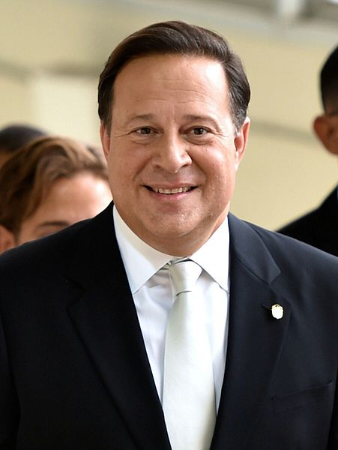
peru | Martín Vizcarra | https://en.wikipedia.org/wiki/President_of_Peru | 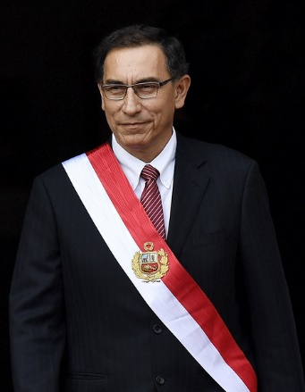
salvador | Salvador Sánchez Cerén | https://en.wikipedia.org/wiki/President_of_El_Salvador | 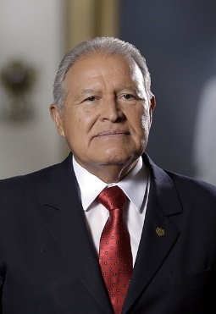
saskatchewan | Peter Stoicheff | No Google Data
south dakota | No Data | No Data | No Data
texas | No Data | https://en.wikipedia.org/wiki/President_of_the_Republic_of_Texas | No Data
wyoming | No Data | No Data | No Data

