KITTI
1. Data Description
目录树
├── kitti
│ ├── data_object_image_2
│ │ ├── training
│ │ │ ├── image_2 # 7481张图片
│ │ │ ├── image_2_jpg # 7481张图片
│ │ └── testing
│ │ │ └── image_2 # 7518张图片
│ ├── data_object_label_2
│ │ └── training
│ │ │└── image_2 # 7481张图片

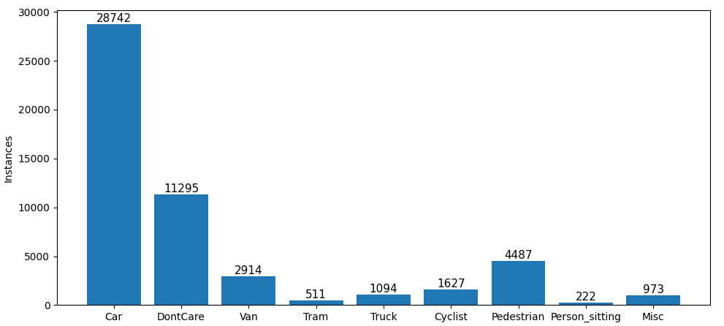
图像尺寸 | 1242*375

标签 | Car
 | Van
 | Truck
 | Pedestrian
 | Person_sitting
 | Cyclist
 | Tram
 | Misc
 | DontCare

2. Train config & Result
Date | AI Env | AI Algorithm | Loss Methods | Input Size | Batch Size | Class Num | Learning Rate | Steps | Train Num | Eval Num | Test Num | Test Set | Fine Tune Checkpoint | Precision | Recall | mAP | Loss | Model Path

