LED_botqueue
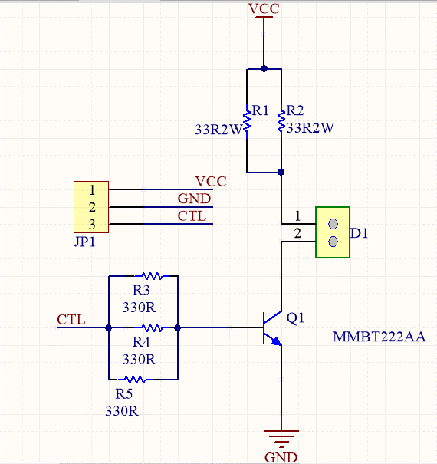
Avail PCB | 0 | Made | 5
MANUFACTURE | http://pcb24h.com/

This board was made and use for Botqueue to control LED power in notification function
VCC is 5V.
CTL is 0 or 3.3V
D1 is used to connect two pins of POWER LED, 1 to possitive, 2 to negative.

ISO7240F
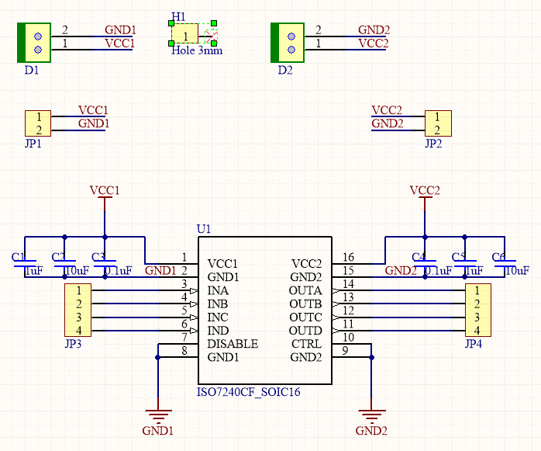
Avail PCB | A lot | Made | 1
MANUFACTURE | http://pcb24h.com/

This board was made and tested, but we lack of ISO7240F, need to order via digikey

This board act as a shifting level and isolation as well
D1, D2 is terminal for power supply.
J3, J4 is four channels.
VCC1 is use for input channel, VCC2 is power for output channel.
The input/output channel understand voltage of logic 1 based on voltage on VCC1 or VCC2

LevelShifting
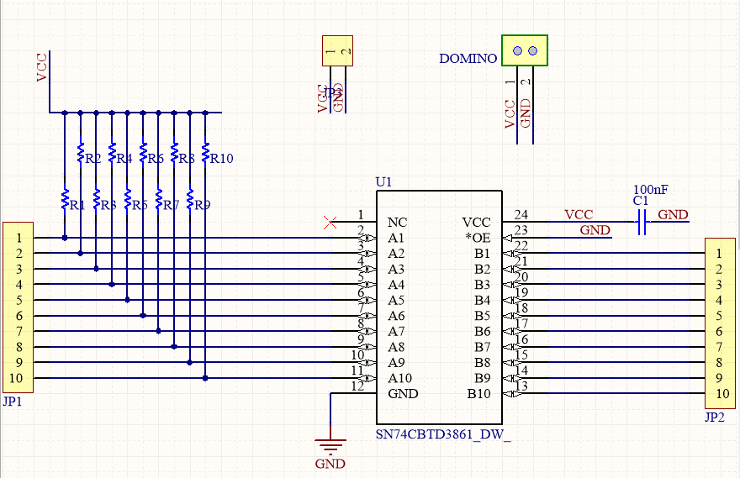
Avail PCB | A lot | Made | 2
MANUFACTURE | http://pcb24h.com/

This board was made and tested, ready to build and test (we already order a lot of chip)
This board based on chip SN74CBTD3861DW, with Digital Bus Switch ICs 10bit FET w/Lvl Shft
It need a 5V supply to VCC, Ax is input, Bx is output, this will shift from 5V input to 3.3 at output, this is bidirection but not linear, suitable for digital input/output application (not use for ADC).

