Sheet1
DISPLAY
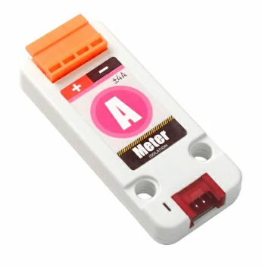
AMMETER
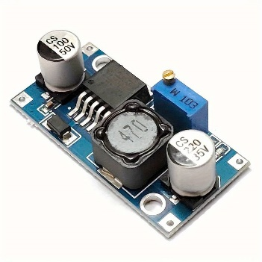
DC-DC CONVERTER

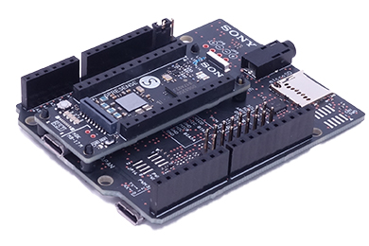
SPRESSENSE
MAIN CORE
SUB1 CORE
MOTOR DRIVER
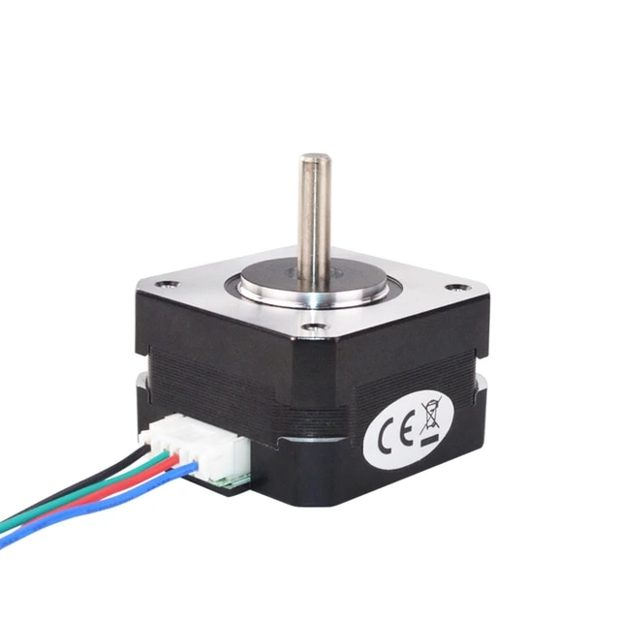
MOTOR

