Sheet1
Input

OD | 1 | 2 | 3 | 4 | 5 | 6
1 |  |  |  | 100 | 100 | 100
2 |  |  |  |  | 100 | 100
3 |  |  |  |  |  | 100
4 |  |  |  |  | 100
5 |  |  |  |  |  | 100
6

link | distance | capacity
1-2 | 10 | 500
2-3 | 10 | 500
2-4 | 10 | 500
3-5 | 10 | 500
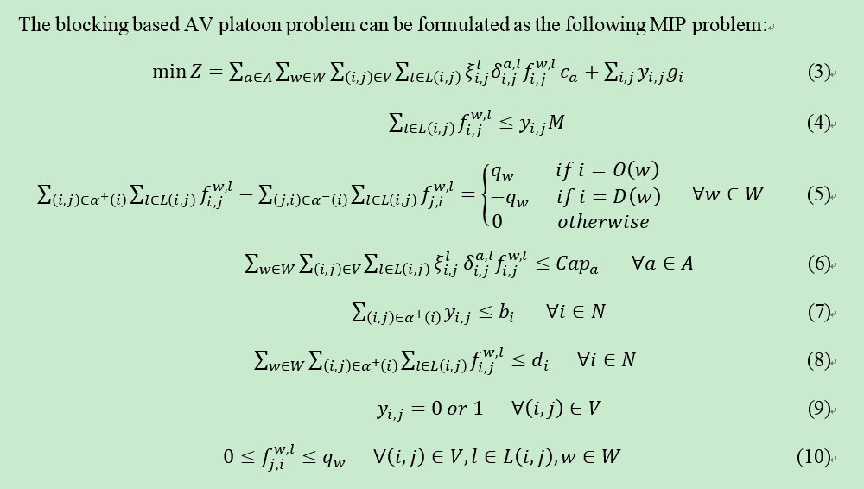
4-5 | 10 | 500
5-6 | 10 | 500

potential block | cost | capacity
1-2 | 10 | 500
1-3 | 20 | 500
1-4 | 20 | 500
1-5 | 30 | 500
1-6 | 40 | 500
2-3 | 10 | 500
2-4 | 10 | 500
2-5 | 20 | 500
2-6 | 30 | 500
3-5 | 10 | 500
3-6 | 20 | 500
4-5 | 10 | 500
4-6 | 20 | 500
5-6 | 10 | 500

potential classification node | fixed cost for each block | maximum number of blocks | maximum number of cars
1 | 100 | 2 | 1000
2 | 100 | 3 | 1000
3 | 100 | 2 | 1000
4 | 100 | 2 | 200
5 | 100 | 2 | 1000
6 | 100 | 3 | 1000

Output

No | block
1 | 1-4
2 | 1-5
3 | 2-3
4 | 2-4
5 | 3-6
6 | 4-5
7 | 5-6

OD | demand | block sequence
1-4 | 100 | (1,4)
1-5 | 100 | (1,5)
1-6 | 100 | (1,5)-(5,6)
2-5 | 100 | (2,4)-(4,5)
2-6 | 100 | (2,3)-(3,6)
3-6 | 100 | (3,6)
4-5 | 100 | (4,5)
5-6 | 100 | (5,6)

total cost | 18700

