Wire System GUI Updates
Add Security dropdown (all Securities within DealID from PIPELINE AND SS&C)
 | Update Payment Type List - List of selections (TABLES TAB - PAYMENT TYPE TABLE)

 | Add in "Payment Sub-Type" - List of selections (TABLES TAB - PAYMENT TYPE TABLE)

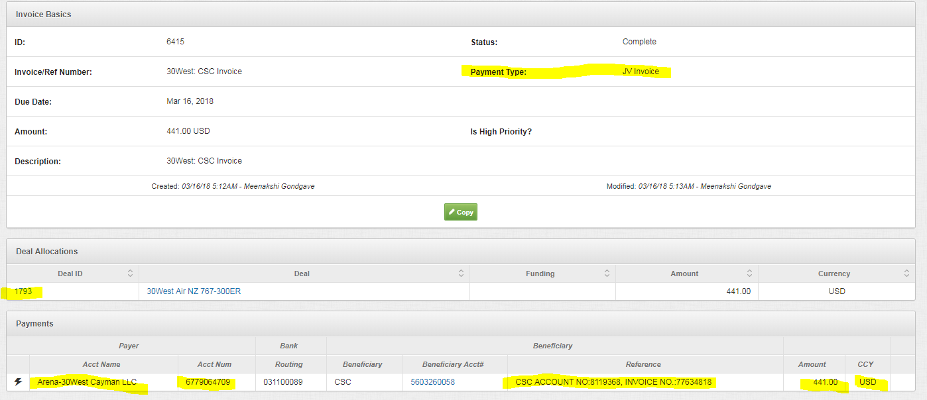

 |  | Add strategy dropdown (all strats in the fund) - If expense payment type, then only strategies with word EXPENSES, else all strategies associated with that Deal ID

 |  | Add TransactionType drowndown - List of selections (TABLES TAB - EXPENSE TABLE)

 |  | Add Checkbox for "If Accrued"

