Cover Sheet
PAPR Design Review
June 8, 2020

NIOSH DESIGN REQUIREMENTS
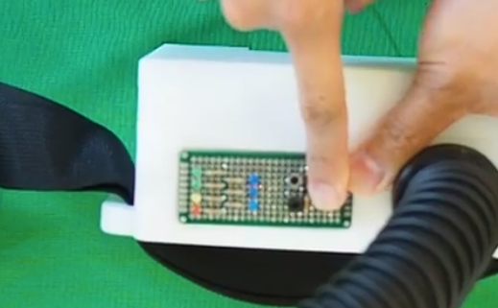
Regulatory Design Requirements for Battery-Powered PAPR for use in Healthcare Environments NIOSH Requirements per 42 CFR Part 84

NIOSH Requirements per 42 CFR Part 84

84.61 | General Construction Requirements | Met Yes/No | Notes
b) | Respirator components which come into contact with the wearer's skin shall be made of nonirritating materials. | yes | Hood made of Tychem. Currently used in hospitals. `
d) | Mouthpieces, hoods, helmets, and facepieces, except those employed in single-use respirators, shall be constructed of materials which will withstand repeated disinfection as recommended by the applicant in his instructions for use of the device. | Yes | Hood good for 100 cycles

84.62 | Component parts; minimum requirements
a) | The component parts of each respirator shall be:
1 | Designed, constructed, and fitted to insure against creation of any hazard to the wearer; | Yes | Hood made of Tychem. Currently used in hospitals. Non abrasive material.
2 | Assembled to permit easy access for inspection and repair of functional parts; and |  | Each component of the unit can be disassembled for inspection.
3 | Assembled to permit easy access to parts which require periodic cleaning and disinfecting. |  | Each component of the unit can be disassembled for inspection.
b) | Replacement parts shall be designed and constructed to permit easy installation and to maintain the effectiveness of the respirator. |  | Battery and hood can be considered replaceable parts. Battery is stored in an external pouch and can be swapped as frequently as needed by disconnecting from the connector. Hood can be replaced in the same manner.



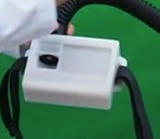
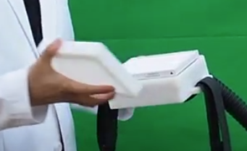

84.171 | Required components and attributes
 | The components of each air-purifying particulate respirator must meet the minimum construction requirements set forth in subpart G of this part. Each air-purifying particulate respirator described in 84.170 must, where its design requires, contain the following component parts:
a) | Respiratory inlet covering |  | Inlet covering is the hood
1) | Tight-fitting respiratory inlet coverings must be designed and constructed to fit persons with various facial shapes and sizes either: | N/A | Loose fitting hood
i) | By providing more than one size: or | N/A
ii) | By providing more than one size which will fit varying facial shapes and sizes. | N/A
2) | Full facepieces must provide for optional use of corrective spectacles or lenses, which must not reduce the respiratory protective qualities of the respirator. | N/A
3) | Loose fitting respiratory inlet coverings must be designed and constructed to fit persons with various head sizes, provide for the optional use of corrective spectacles or lenses, and insure against any restriction of movement by the wearer. |  | Adult head-sized hood. The hood may be used with or without corrective lenses. Adequate space inside for glasses to fit.
5) | Respiratory inlet coverings that incorporate a lens or face shield must be designed to prevent eyepiece fogging. |  | There is positive airflow through the hood. There is no buildup of air inside the hood. Exhalation air is pushed down and out of the hood from the wearer's nose and should minimize moisture buildup inside the hood. This can be physically tested this by wearing it.
7) | Respiratory inlet coverings must be designed and constructed to provide adequate vision which is not distorted by the eyepieces. |  | Uses clear plastic lenses. Tested by Mike and Aaron and no distortions were noted.

b) | Filter unit. The respirator manufacturer, as part of the application for certification, must specify the filter series and the filter efficiency level (i.e., “N95,” “R95,” “P95,” “N99,” “R99,” “P99,” “N100,” “R100,” “P100,” “HE,” “PAPR100-N” or “PAPR100-P”) for which certification is being sought. |  | PAPR100-N
2) | Filters for powered respirators (classes HE and PAPR100) must be prominently labeled as follows:
ii) | PAPR100-N filters must be labeled as “PAPR100-N Particulate Filter (99.97% filter efficiency level)” and must be color coded magenta. |  | Label to be created. Will be magenta and correctly marked.
iii) | PAPR100-P filters must be labeled as “PAPR100-P Particulate Filter (99.97% filter efficiency level)” and must be color coded magenta. |  | N/A

c) | Valves.
1) | Inhalation and exhalation valves must be protected against distortion. | N/A | No valve
2) | Inhalation valves must be designed and constructed and provided where necessary to prevent excessive exhaled air from adversely affecting filters, except where filters are specifically designed to resist moisture. | N/A | Exhaled air is forced downwards and out of hood by positive air flow coming from top of hood.
3) | Exhalation valves must be: | N/A
i) | Provided where necessary; | N/A
ii) | Protected against damage and external influence; and | N/A
iii) | Designed and constructed to prevent inward leakage of contaminated air. | N/A
d) | Head harness.
1) | All facepieces must be equipped with head harnesses designed and constructed to provide adequate tension during use and an even distribution of pressure over the entire area in contact with the face. | N/A
2) | Facepiece head harnesses, except those employed on filtering facepiece respirators, must be adjustable and replaceable. | N/A

e) | Breathing tube. Flexible breathing tubes used in conjunction with respirators must be designed and constructed to prevent: |  | Spring coiled design prevents kinking and collapse of hose.
1) | Restriction of free head movement; |  | Hood freely rotates between the hood the hose connection.
2) | Disturbance of the fit of facepieces, mouthpieces, or loose fitting respiratory-inlet covering; |  | No facepiece or mouth piece. The hose attaches to the back of the hood and allows for free rotating around the hose connection.
3) | Interference with the wearer's activities; and |  | Hose comes out of the PAPR at an angle to follow the streamline of the wearer's back. The hose does not stick out and will not interfere with the wearer's activities.
4) | Shutoff of airflow due to kinking, or from chin or arm pressure. |  | Anti-kink hose. Low flow warning present. If flow rate drops in the hood, the fan speed will increase to compensate. If the unit goes into a catastrophic uncontrollable state, warning will sound and unit will turn off.
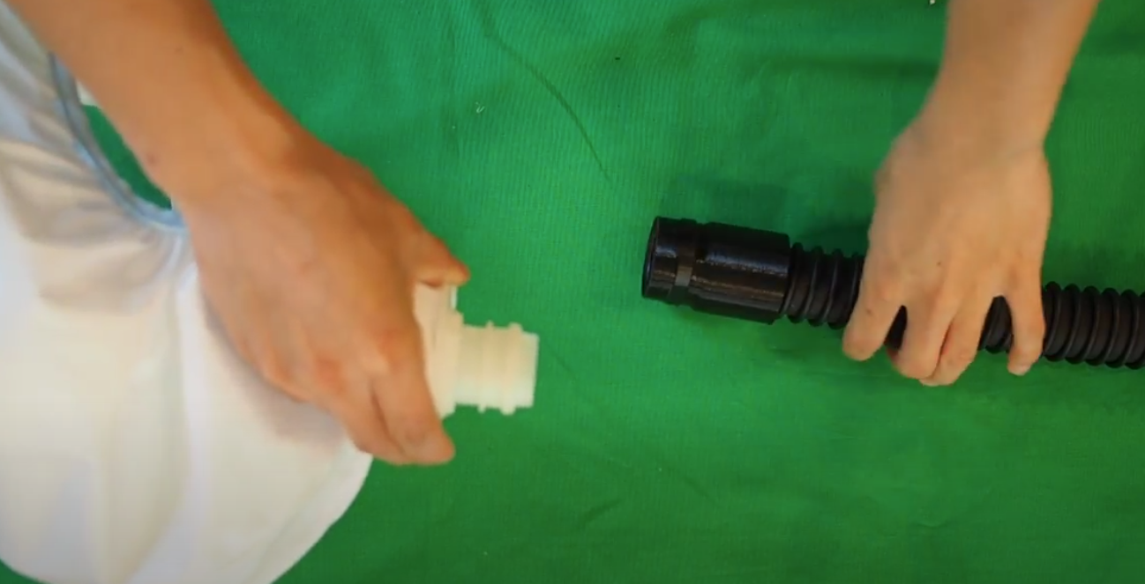

g) | Container. |  | This is the container the unit will be transported in.
1) | Except as provided in paragraph (b) of this section, each respirator must be equipped with a substantial, durable container bearing markings which show the applicant's name, the type of respirator it contains, and all appropriate approval labels. |  | Will be a hard case, to be determined.
2) | Containers for respirators may provide for storage of more than one respirator; however, such containers must be designed and constructed to prevent contamination of respirators which are not removed, and to prevent damage to respirators during transit. |  | N/A, Containers will only be for one PAPR unit per time

h) | Harness.
1) | Each respirator must, where necessary, be equipped with a suitable harness designed and constructed to hold the components of the respirator in position against the wearer's body. |  | There is a belt with a buckle. Adjustable to make the belt tighter.
2) | Harnesses must be designed and constructed to permit easy removal and replacement of respirator parts, and, where applicable, provide for holding a full facepiece in the ready position when not in use. |  | Belt has buckle and can be easily disassembled. We do not use a full facepiece.
i) | Attached blower—PAPR classes HE and PAPR100. Blowers must be designed to achieve the air flow rates required by the testing standards in §84.175. |  | Required flowrate > 6 CFM. Prototype has already been tested at 16 CFM.



j) | Low-flow warning device—PAPR class PAPR100.
1) | The design must include a low-flow warning. It must actively and readily indicate when flow inside the respiratory inlet covering falls below the minimum air flow defined in §84.175. |  | In design, but intent is to use pressure transducers to measure flow rate. A warning will be audible via speakers when flowrate drops below 4 CFM.
2) | Any warning must be detectable by the wearer without any intervention by the wearer. |  | Warning sound to be sufficiently above 80 decibels.
3) | Warning devices must be configured so that they may not be de-energized while the blower is energized. |  | Hardware will take care of this. Power will run parallel to the warnings and will not be de-energized when the fan is running. Warning is dependent on low battery signal or signal from flow measurements.
4) | During use, warning devices must not switch off automatically and must not be capable of being switched off by the wearer. |  | Software controlled, cannot be tampered by the user. Buttons need to be pressed down for a certain amount of time to input change to prevent accidental presses.
5) | Any warnings which require different reactions by the wearer must be distinguishable from one another. |  | Different sound for low battery vs flow rate/failure beep
6) | If the warning provided is audible only, or other warnings are not readily apparent to the wearer, the minimum sound level must be 80 dBA. |  | Sound intended to be above 80 decibels.

