PREFERREDLANGUAGE
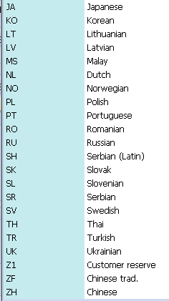
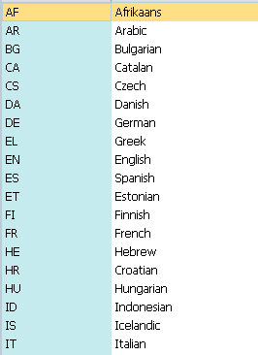
Prefferred Language Code | Preferred Language "Name"
 |  | Indian Languages not available

