Test Case 1
Test Case ID |  | TC_Practical-001 | Test Case Desc | Test the Login Functionality in Academic Management System
Created By |  | Sundeep Gawande | Reviewed By |  |  | Version |  | 1.0
Tester's Name |  | Aishwarya S.Gunjarkar | Date Tested | 2026-07-17 |  | Test Case Status (Passed/Failed/NE)

# | Prerequisites: |  |  | # | Test Data
1 | Access to internet |  |  | 1
2 | Chrome Browser |  |  | 2
3 |  |  |  | 3
4 |  |  |  | 4

Test Scenario | Test the complete cases notepad

Step # | Step details |  | Expected Results | Actual Results |  |  | Pass/Fail/Not
1 | 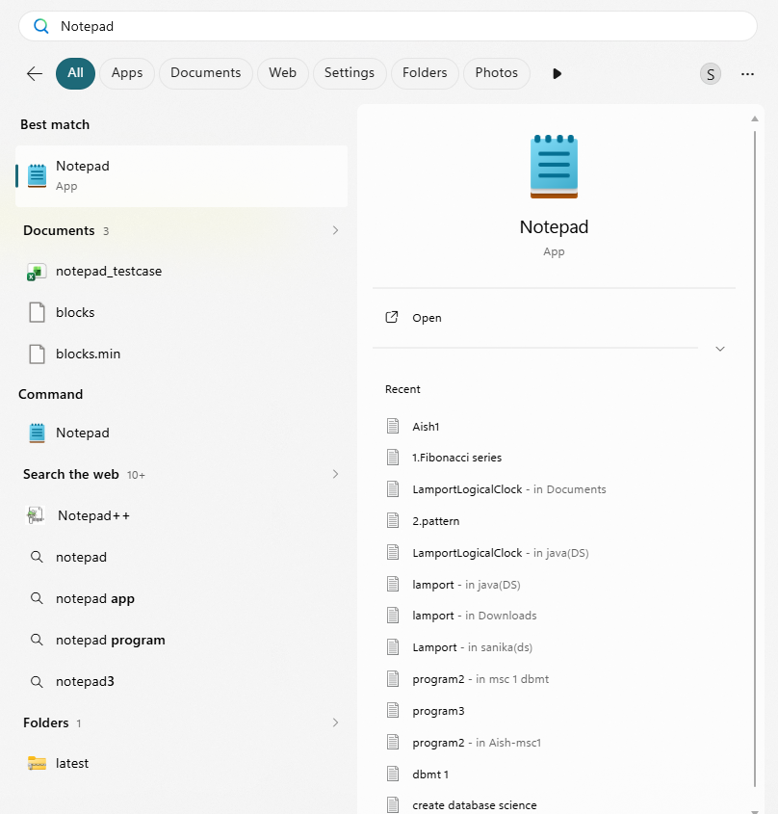 1)Click on task bar 2)Search notepad on search box 3)Click on notepad |  | 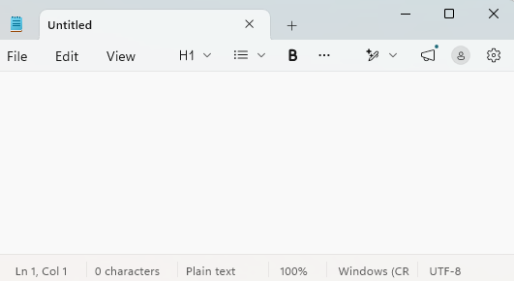 Verify it open successfully without any error.
2 | Type text ex:"Hello student" |  | 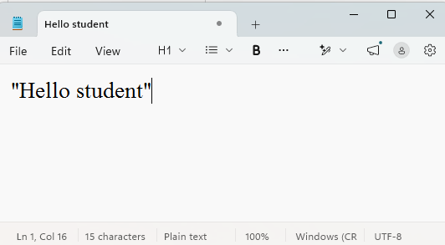 Verify typed text visible correctly on the screen.
3 | Press backspace key |  | Verify selected or last typed text is deleted.
4 | 1)Then type "Name" 2)Then press enter key |  | 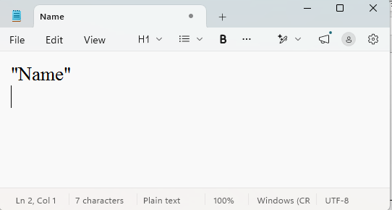 Verify cursor is moves to the next line.
5 | 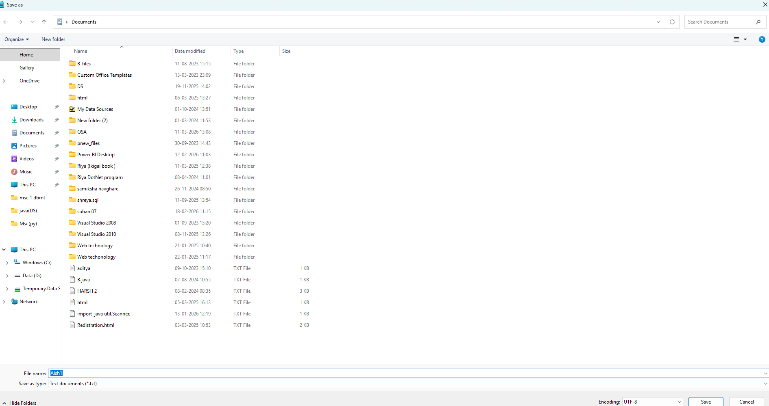 1)Then click on file for save 2)Enter a file name 3)Click save |  | 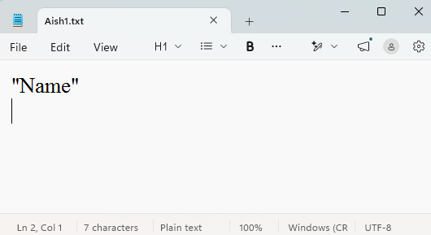 The file is save successfully in the selected location.
6 | 1)Click on file save 2)Select the save file 3)Click for open |  | Verify saved file open and displays the correct text.
7 | 1)Click on file and take new tab 2)To create a new file |  | Verify a blank notepad window is open.
8 | 1)Type some text
9
10
11
12
13
14
15
16
17
18
19
20

