Sheet1
 | ID | SMILES
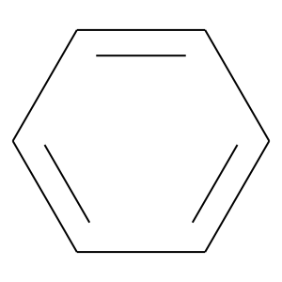 | Benzene | c1ccccc1
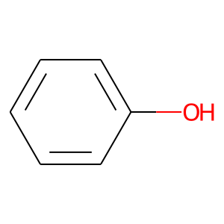 | Phenol | c1ccccc1O
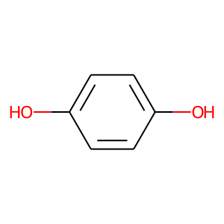 | Hydroquinone | c1cc(O)ccc1O

