Sheet1
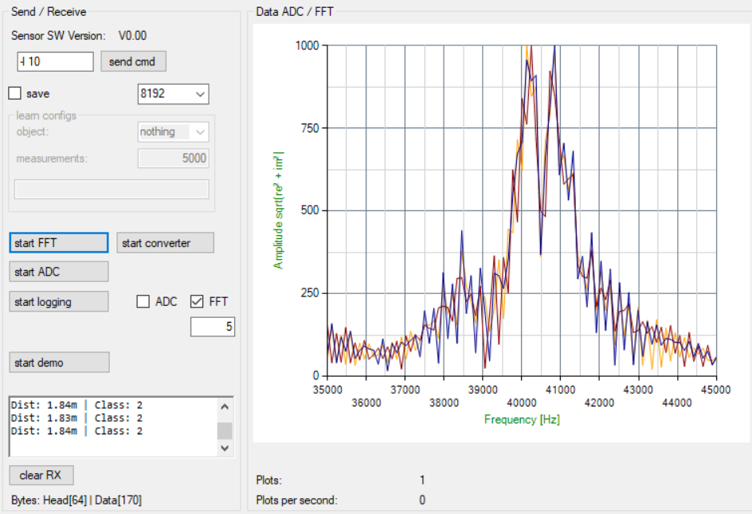
RedPitaya Sensor Model: 35000 Training & 15000 Testing Dataset (Female + Chair)
Person Sitting Training 35000 Measurements : https://docs.google.com/spreadsheets/d/e/2PACX-1vRKsEt3KvB7iGTZe12RQJjyirMbTzpRJerNrvBMucsCiRnsyhmJ4fiP0ZFpD9rbJvUF2-H-AAd7HDpK/pub?gid=833867582&single=true&output=csv
Empty Chair Training 35000 Measurements : https://docs.google.com/spreadsheets/d/e/2PACX-1vTxLWnHw1-fUXQTrsd9iVHyFnNXD-CUO9f2LhAFfTL4VREw1kQYgVfLJvGt4ZwF4M1aFQRFtz1kMgNk/pub?gid=675087772&single=true&output=csv

Person Sitting Testing 15000 Measurements : https://docs.google.com/spreadsheets/d/e/2PACX-1vTEKmtL_LOtA6ewTxzFOkssoAl5pVWE1lOBjW1015f_Jiwr3iJfhBFoSJQ5msZyvnm3vAX0yKHtVv29/pub?gid=1911371396&single=true&output=csv
Empty Chair Testing 15000 Measurements : https://docs.google.com/spreadsheets/d/e/2PACX-1vT7pXj4Atx7yEN3kxn8lwLavzpVRs4Npt2bpzQwgF3vybCkGJ__vonYS6qgZnrvJQ6TBzc4q1EP8KUN/pub?gid=142151048&single=true&output=csv

Plot for "Person Sitting on Chair Category":
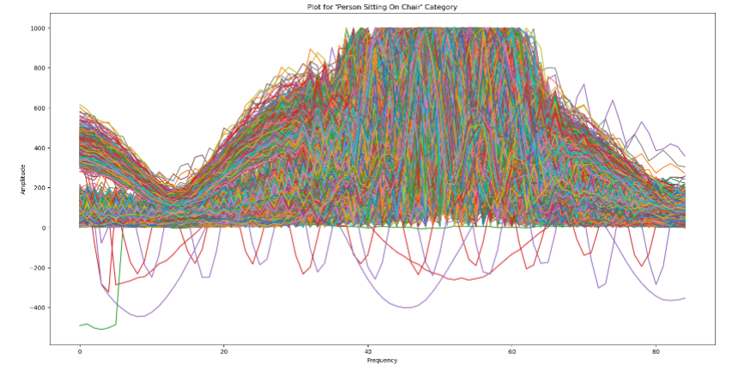

Plot for "Empty Chair Category":
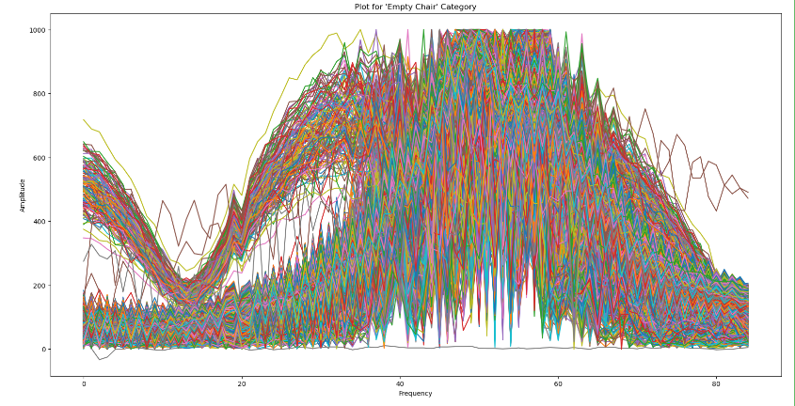

HeatMaps: Training Measurements 35000 for both Person Sitting & Empty Chair Categories:

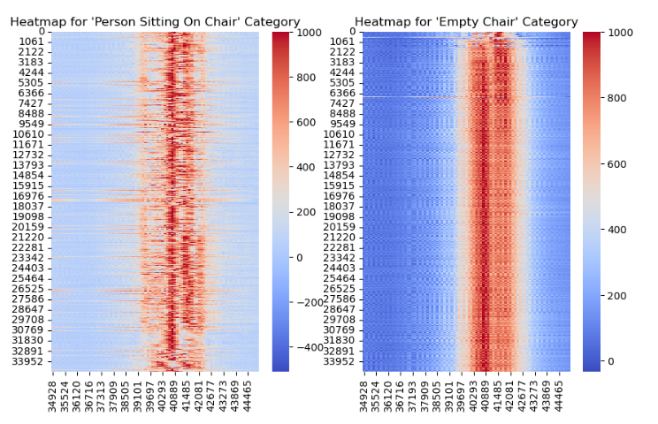

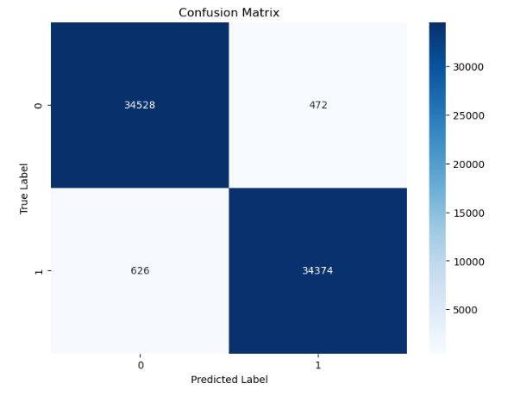
Confusion Matrix: Training Set Result 35000 measurements:

Training Dataset used for "Person Sitting Category": 35000
Training Dataset used for "Empty Chair Category": 35000

Assigned Target Value for "Person Sitting" Events : 1
Assigned Target Value for "Empty Chair" Events : 0

Labels: | 1: "Person Sitting on Chair"
 | 0: "Empty Chair or Object Detection"

Performance Metrics:
Accuracy: 0.9843142857142857
Precision: 0.986454686334156
Recall: 0.9821142857142857
F1 Score: 0.9842797010566103

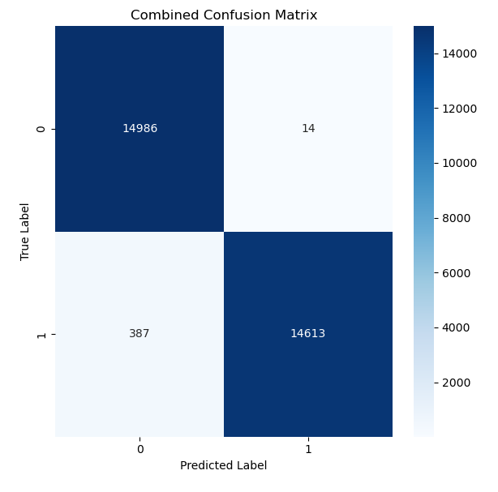

Confusion Matrix: Testing Set Result 15000 measurements:

Testing Dataset used for "Person Sitting Category": 15000
Testing Dataset used for "Empty Chair Category": 15000

Assigned Target Value for "Person Sitting" Events : 1
Assigned Target Value for "Empty Chair" Events : 0

Labels: | 1: "Person Sitting on Chair"
 | 0: "Empty Chair or Object Detection"

Performance Metrics:
Accuracy: 0.9843142857142857
Precision: 0.986454686334156
Recall: 0.9821142857142857
F1 Score: 0.9842797010566103

RedPitaya Sensor Model: 10000 Training & 5000 Testing Dataset (Male + Different Chair)
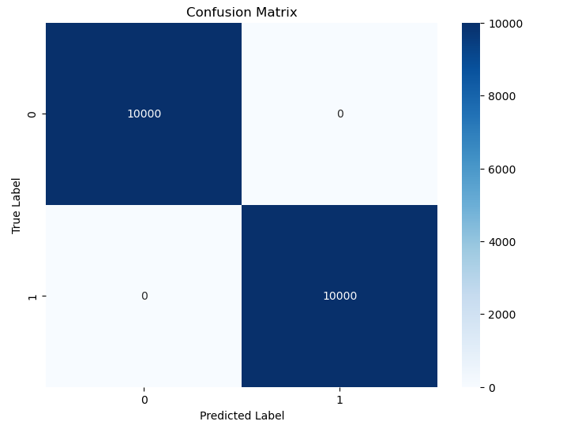
Confusion Matrix: Training Set Result 10000 measurements:

Accuracy: 1.0
Precision: 1.0
Recall: 1.0
F1 Score: 1.0

Labels: | 1: "Person Sitting on Chair"
 | 0: "Empty Chair or Object Detection"

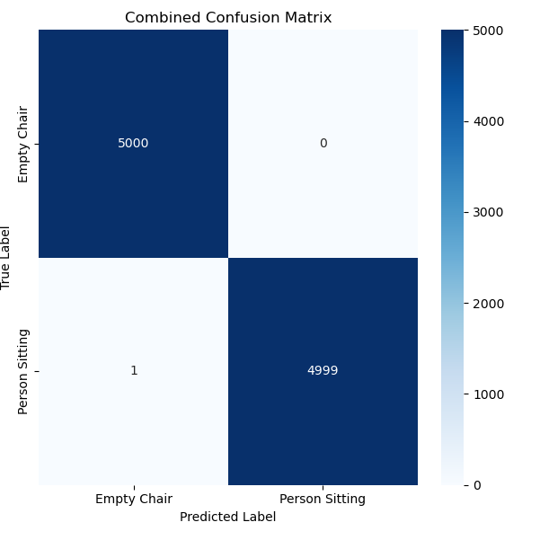
Confusion Matrix: Testing Set Result 5000 measurements:

Accuracy: 0.9999
Precision: 1.0
Recall: 0.9998
F1 Score: 0.9998999899989999

Labels: | 1: "Person Sitting on Chair"
 | 0: "Empty Chair or Object Detection"

Camera + RedPitaya Sensor Model: 25000 Training & 10000 Testing Dataset

Person Sitting 35000 Measurements : https://docs.google.com/spreadsheets/d/e/2PACX-1vTOD0G0l5yivtXqDfhWdGoKYUSFbVRKIDkSH8IM1hgdbZ7Qt3fbdxJStEI5qsZ03z_LC_KPNVmtrOYF/pub?gid=252194231&single=true&output=csv
Empty Chair 35000 Measurements : https://docs.google.com/spreadsheets/d/e/2PACX-1vRaxtjOkn-XV95EE9WyROmxMzIFpEF8cFlfMyOCz25_FwS1RlhBs1ImJQVs89R7cEesEHFUsbtk9Y_b/pub?gid=1711377743&single=true&output=csv

Combined Confusion Matrix: Training (10000) & Testing (5000) measurements result:

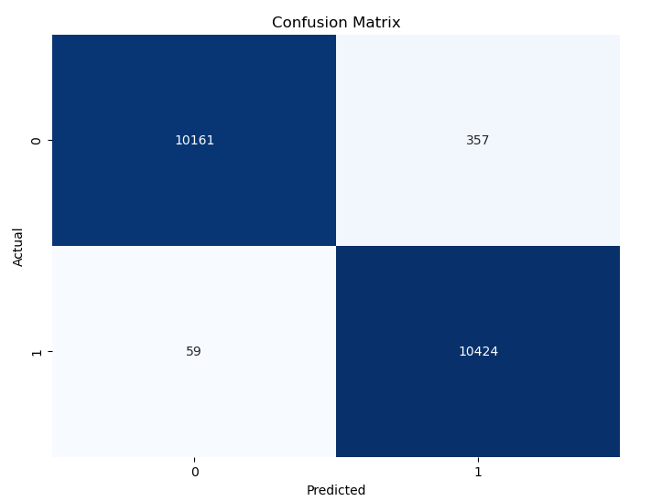
Labels: | 1: "Person Sitting on Chair"
 | 0: "Empty Chair or Object Detection"

Classification Report of Testing RF algorithm:
 | Labels | Precision | Recall | F1 Score | Data Used
 | 0 | 0.99 | 0.97 | 0.98 | 10518
 | 1 | 0.97 | 0.99 | 0.98 | 10483

 | Accuracy |  |  | 0.98 | 20001

Evaluation Metrics - Combined Data:

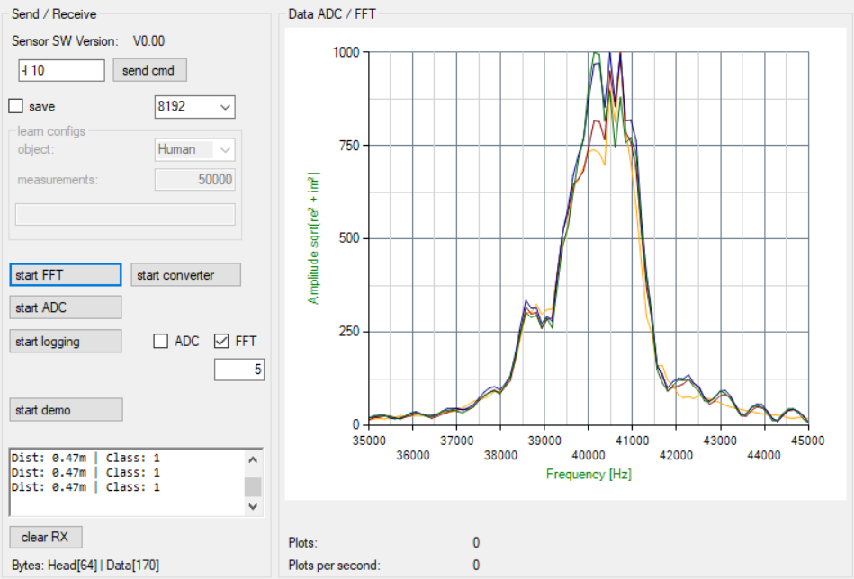

Empty Chair

