Univariate Analysis
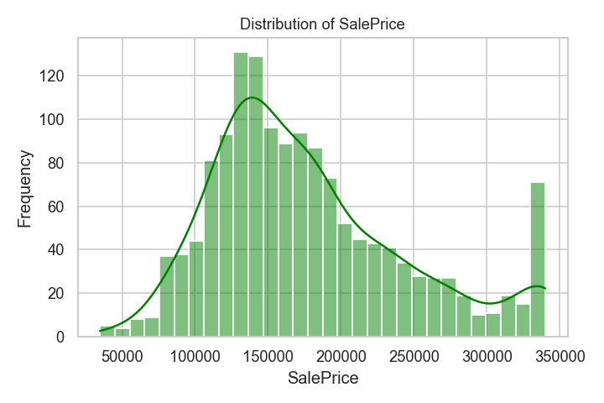
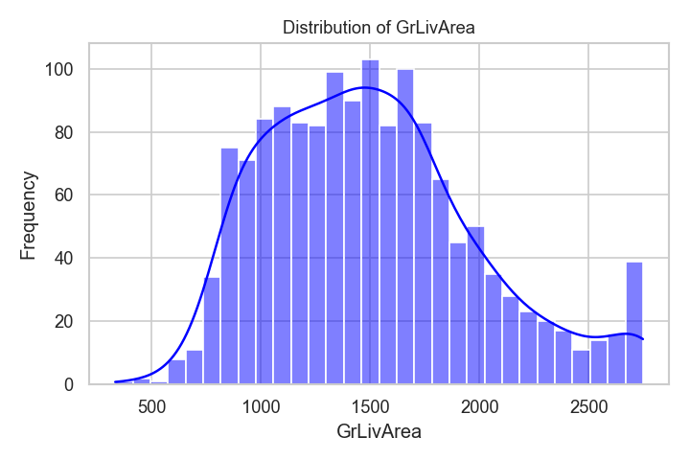
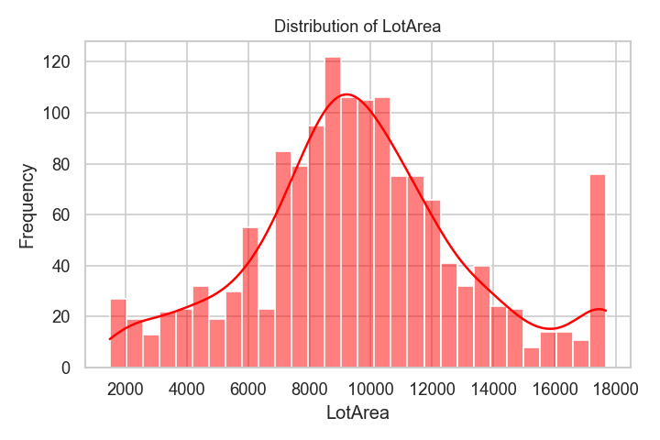
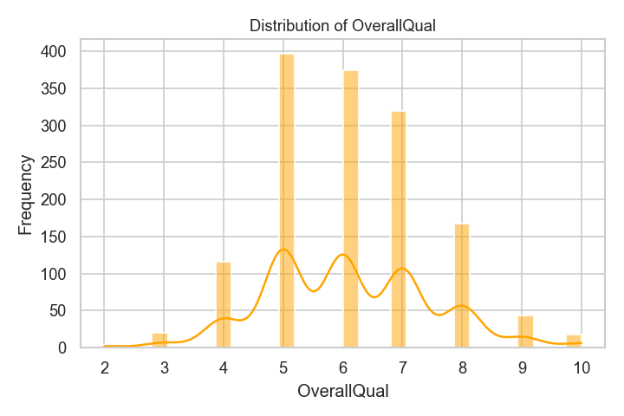
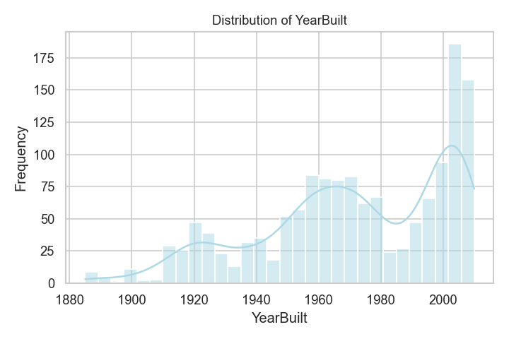
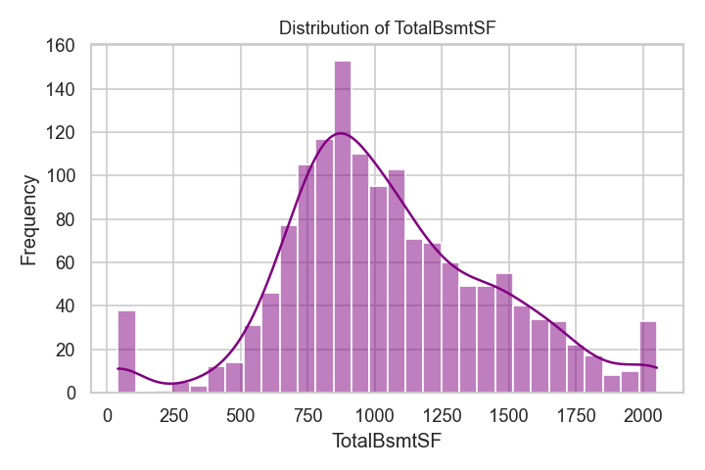
Feature | Mean | Median | Std Dev | Skewness | Kurtosis
SalePrice | 177331.55 | 163000 | 67205.89 | 0.8 | 0.09
GrLivArea | 1503.74 | 1464 | 481.4 | 0.59 | -0.04
LotArea | 9647.41 | 9478.5 | 3594.41 | 0.21 | 0.08
OverallQual | 6.1 | 6 | 1.38 | 0.25 | -0.01
YearBuilt | 1971.3 | 1973 | 30.11 | -0.59 | -0.52
TotalBsmtSF | 1050.25 | 991.5 | 397.94 | 0.24 | 0.3

Bivariate Analysis
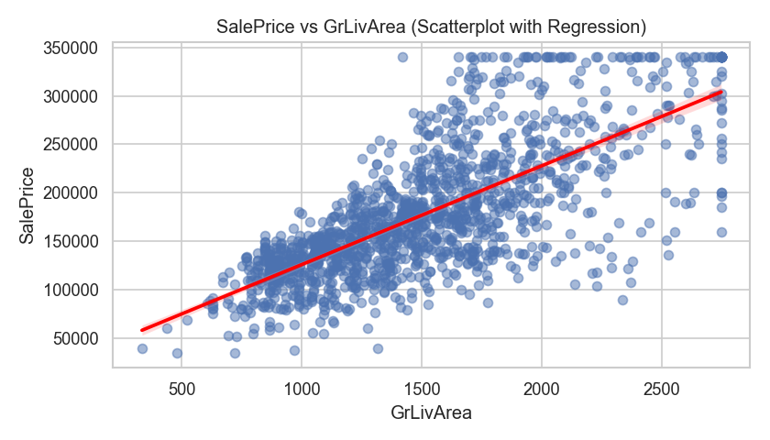
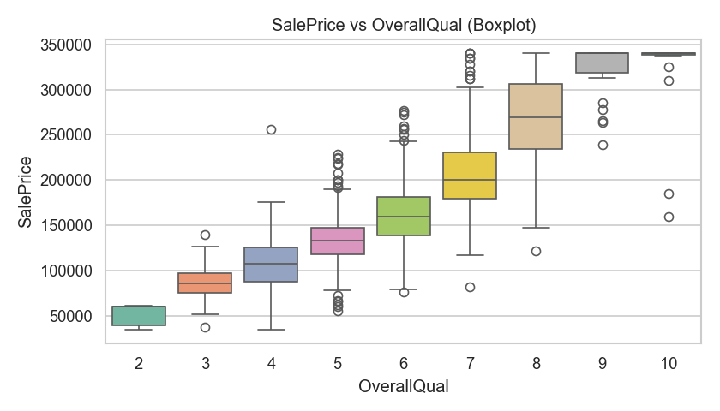
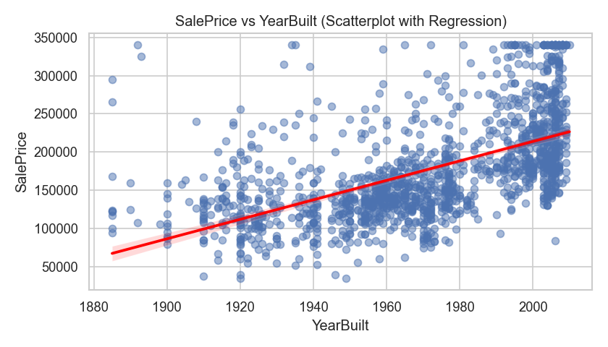
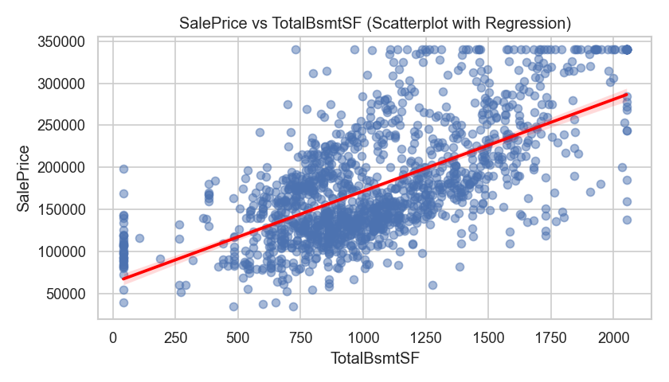
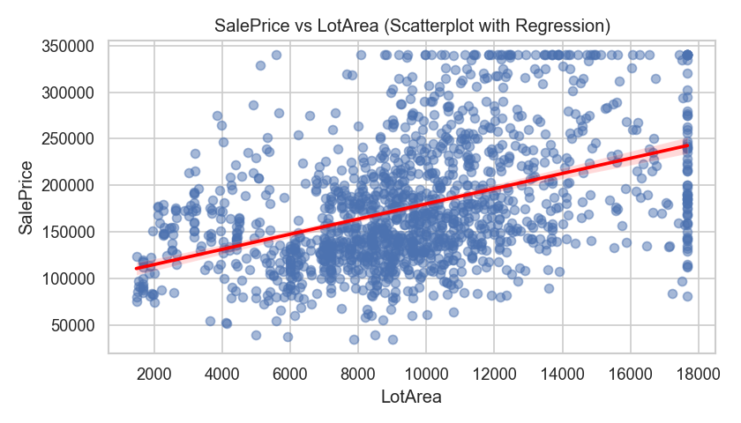
Bivariate Analysis

Multivariate Analysis
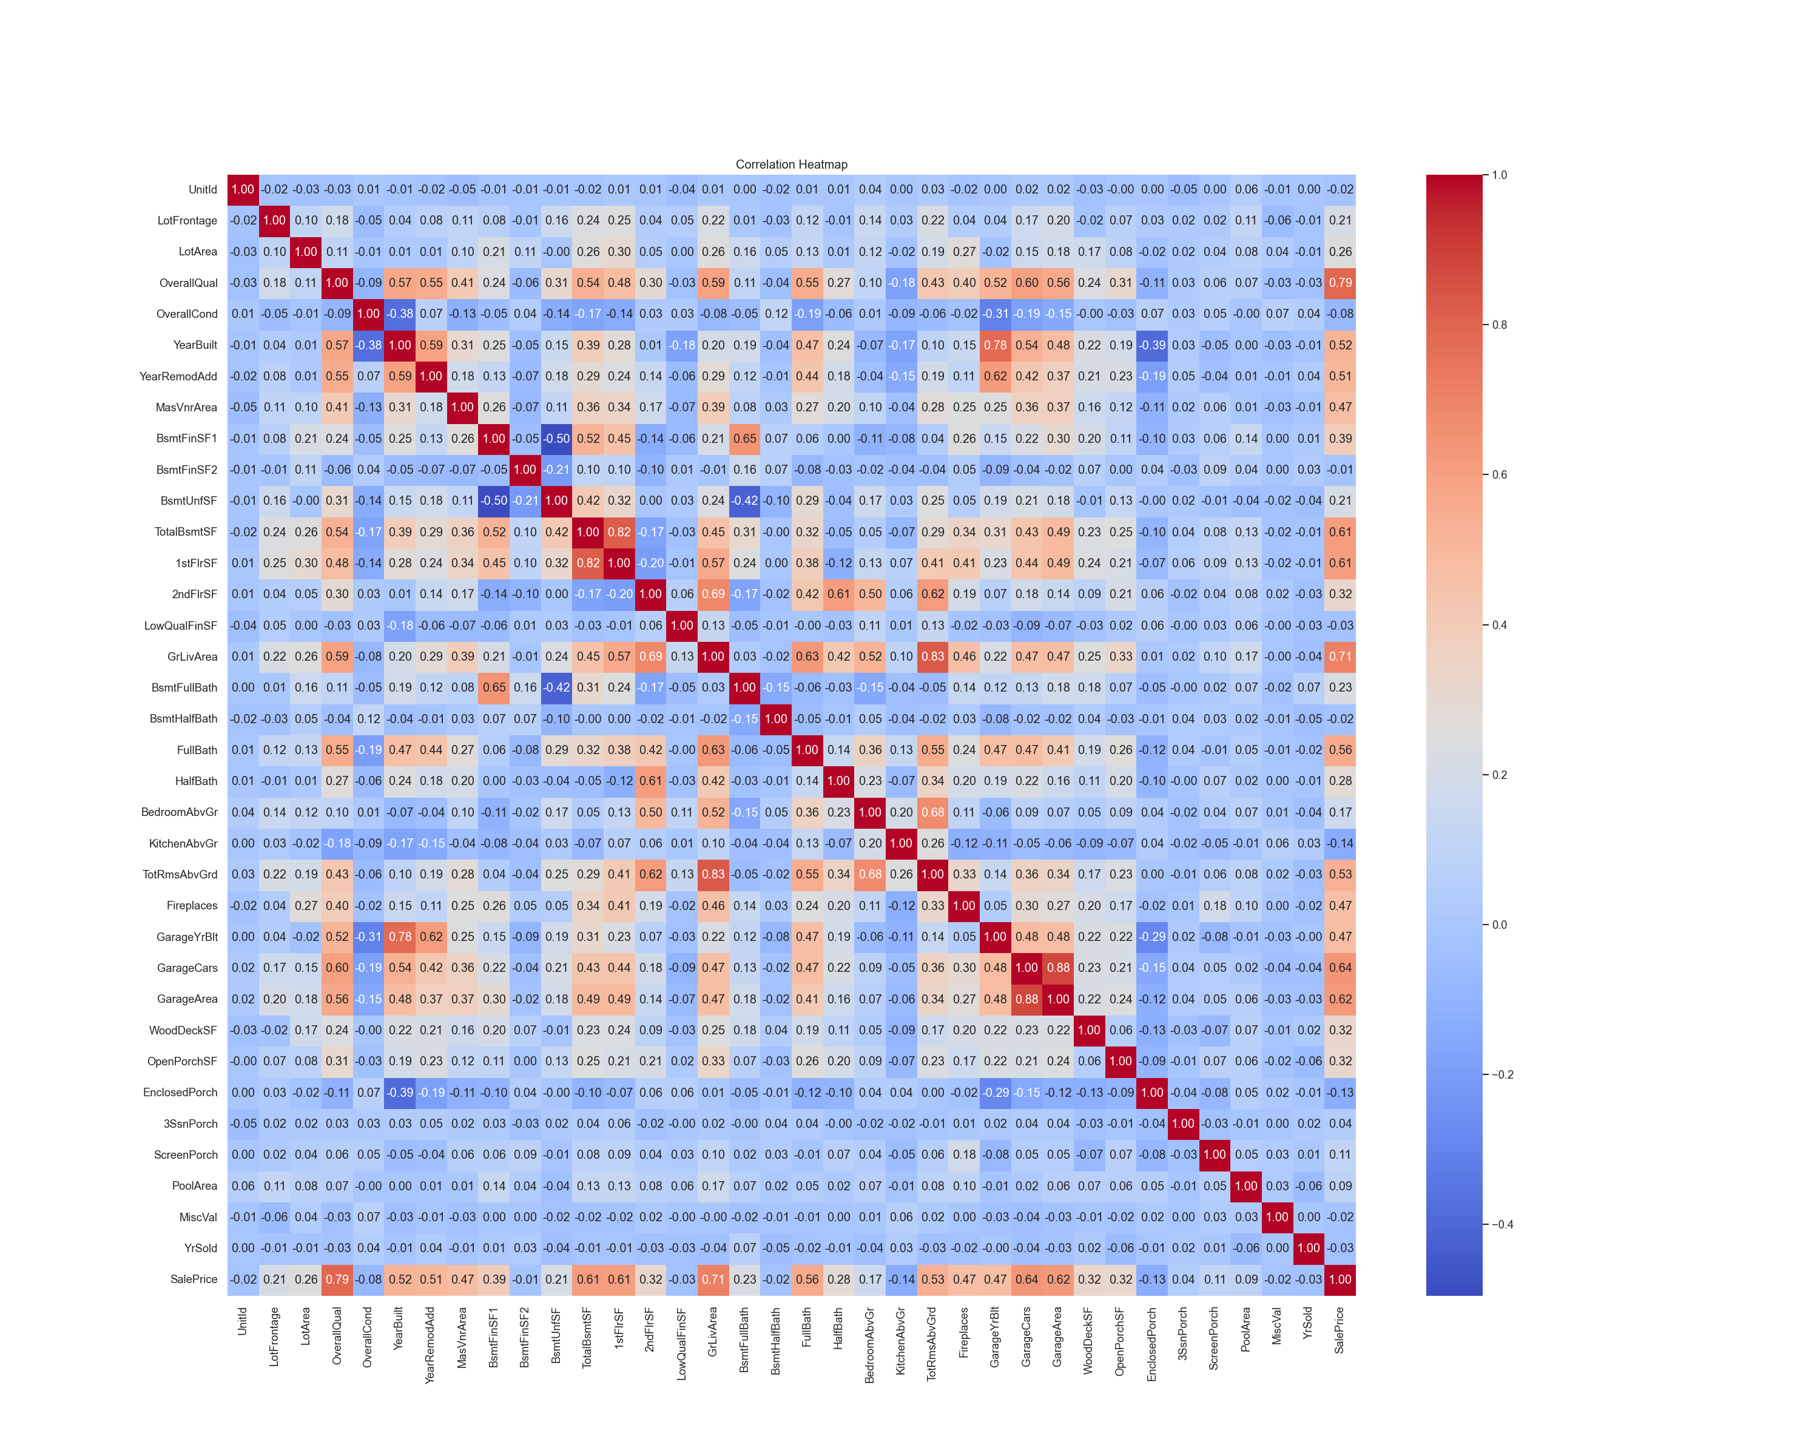
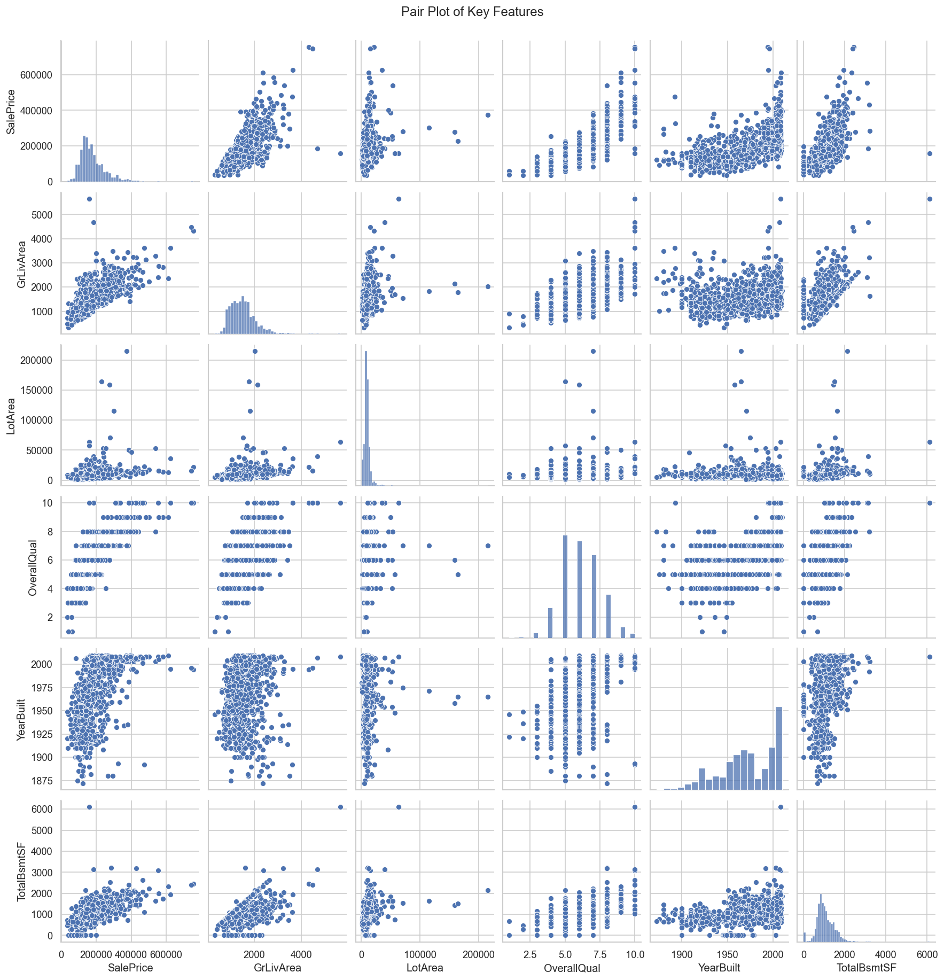
 | UnitId | LotFrontage | LotArea | OverallQual | OverallCond | YearBuilt | YearRemodAdd | MasVnrArea | BsmtFinSF1 | BsmtFinSF2 | BsmtUnfSF | TotalBsmtSF | 1stFlrSF | 2ndFlrSF | LowQualFinSF | GrLivArea | BsmtFullBath | BsmtHalfBath | FullBath | HalfBath | BedroomAbvGr | KitchenAbvGr | TotRmsAbvGrd | Fireplaces | GarageYrBlt | GarageCars | GarageArea | WoodDeckSF | OpenPorchSF | EnclosedPorch | 3SsnPorch | ScreenPorch | PoolArea | MiscVal | YrSold | SalePrice
UnitId | 1 | -0.02 | -0.03 | -0.03 | 0.01 | -0.01 | -0.02 | -0.05 | -0.01 | -0.01 | -0.01 | -0.02 | 0.01 | 0.01 | -0.04 | 0.01 | 0 | -0.02 | 0.01 | 0.01 | 0.04 | 0 | 0.03 | -0.02 | 0 | 0.02 | 0.02 | -0.03 | 0 | 0 | -0.05 | 0 | 0.06 | -0.01 | 0 | -0.02
LotFrontage | -0.02 | 1 | 0.1 | 0.18 | -0.05 | 0.04 | 0.08 | 0.11 | 0.08 | -0.01 | 0.16 | 0.24 | 0.25 | 0.04 | 0.05 | 0.22 | 0.01 | -0.03 | 0.12 | -0.01 | 0.14 | 0.03 | 0.22 | 0.04 | 0.04 | 0.17 | 0.2 | -0.02 | 0.07 | 0.03 | 0.02 | 0.02 | 0.11 | -0.06 | -0.01 | 0.21
LotArea | -0.03 | 0.1 | 1 | 0.11 | -0.01 | 0.01 | 0.01 | 0.1 | 0.21 | 0.11 | 0 | 0.26 | 0.3 | 0.05 | 0 | 0.26 | 0.16 | 0.05 | 0.13 | 0.01 | 0.12 | -0.02 | 0.19 | 0.27 | -0.02 | 0.15 | 0.18 | 0.17 | 0.08 | -0.02 | 0.02 | 0.04 | 0.08 | 0.04 | -0.01 | 0.26
OverallQual | -0.03 | 0.18 | 0.11 | 1 | -0.09 | 0.57 | 0.55 | 0.41 | 0.24 | -0.06 | 0.31 | 0.54 | 0.48 | 0.3 | -0.03 | 0.59 | 0.11 | -0.04 | 0.55 | 0.27 | 0.1 | -0.18 | 0.43 | 0.4 | 0.52 | 0.6 | 0.56 | 0.24 | 0.31 | -0.11 | 0.03 | 0.06 | 0.07 | -0.03 | -0.03 | 0.79
OverallCond | 0.01 | -0.05 | -0.01 | -0.09 | 1 | -0.38 | 0.07 | -0.13 | -0.05 | 0.04 | -0.14 | -0.17 | -0.14 | 0.03 | 0.03 | -0.08 | -0.05 | 0.12 | -0.19 | -0.06 | 0.01 | -0.09 | -0.06 | -0.02 | -0.31 | -0.19 | -0.15 | 0 | -0.03 | 0.07 | 0.03 | 0.05 | 0 | 0.07 | 0.04 | -0.08
YearBuilt | -0.01 | 0.04 | 0.01 | 0.57 | -0.38 | 1 | 0.59 | 0.31 | 0.25 | -0.05 | 0.15 | 0.39 | 0.28 | 0.01 | -0.18 | 0.2 | 0.19 | -0.04 | 0.47 | 0.24 | -0.07 | -0.17 | 0.1 | 0.15 | 0.78 | 0.54 | 0.48 | 0.22 | 0.19 | -0.39 | 0.03 | -0.05 | 0 | -0.03 | -0.01 | 0.52
YearRemodAdd | -0.02 | 0.08 | 0.01 | 0.55 | 0.07 | 0.59 | 1 | 0.18 | 0.13 | -0.07 | 0.18 | 0.29 | 0.24 | 0.14 | -0.06 | 0.29 | 0.12 | -0.01 | 0.44 | 0.18 | -0.04 | -0.15 | 0.19 | 0.11 | 0.62 | 0.42 | 0.37 | 0.21 | 0.23 | -0.19 | 0.05 | -0.04 | 0.01 | -0.01 | 0.04 | 0.51
MasVnrArea | -0.05 | 0.11 | 0.1 | 0.41 | -0.13 | 0.31 | 0.18 | 1 | 0.26 | -0.07 | 0.11 | 0.36 | 0.34 | 0.17 | -0.07 | 0.39 | 0.08 | 0.03 | 0.27 | 0.2 | 0.1 | -0.04 | 0.28 | 0.25 | 0.25 | 0.36 | 0.37 | 0.16 | 0.12 | -0.11 | 0.02 | 0.06 | 0.01 | -0.03 | -0.01 | 0.47
BsmtFinSF1 | -0.01 | 0.08 | 0.21 | 0.24 | -0.05 | 0.25 | 0.13 | 0.26 | 1 | -0.05 | -0.5 | 0.52 | 0.45 | -0.14 | -0.06 | 0.21 | 0.65 | 0.07 | 0.06 | 0 | -0.11 | -0.08 | 0.04 | 0.26 | 0.15 | 0.22 | 0.3 | 0.2 | 0.11 | -0.1 | 0.03 | 0.06 | 0.14 | 0 | 0.01 | 0.39
BsmtFinSF2 | -0.01 | -0.01 | 0.11 | -0.06 | 0.04 | -0.05 | -0.07 | -0.07 | -0.05 | 1 | -0.21 | 0.1 | 0.1 | -0.1 | 0.01 | -0.01 | 0.16 | 0.07 | -0.08 | -0.03 | -0.02 | -0.04 | -0.04 | 0.05 | -0.09 | -0.04 | -0.02 | 0.07 | 0 | 0.04 | -0.03 | 0.09 | 0.04 | 0 | 0.03 | -0.01
BsmtUnfSF | -0.01 | 0.16 | 0 | 0.31 | -0.14 | 0.15 | 0.18 | 0.11 | -0.5 | -0.21 | 1 | 0.42 | 0.32 | 0 | 0.03 | 0.24 | -0.42 | -0.1 | 0.29 | -0.04 | 0.17 | 0.03 | 0.25 | 0.05 | 0.19 | 0.21 | 0.18 | -0.01 | 0.13 | 0 | 0.02 | -0.01 | -0.04 | -0.02 | -0.04 | 0.21
TotalBsmtSF | -0.02 | 0.24 | 0.26 | 0.54 | -0.17 | 0.39 | 0.29 | 0.36 | 0.52 | 0.1 | 0.42 | 1 | 0.82 | -0.17 | -0.03 | 0.45 | 0.31 | 0 | 0.32 | -0.05 | 0.05 | -0.07 | 0.29 | 0.34 | 0.31 | 0.43 | 0.49 | 0.23 | 0.25 | -0.1 | 0.04 | 0.08 | 0.13 | -0.02 | -0.01 | 0.61
1stFlrSF | 0.01 | 0.25 | 0.3 | 0.48 | -0.14 | 0.28 | 0.24 | 0.34 | 0.45 | 0.1 | 0.32 | 0.82 | 1 | -0.2 | -0.01 | 0.57 | 0.24 | 0 | 0.38 | -0.12 | 0.13 | 0.07 | 0.41 | 0.41 | 0.23 | 0.44 | 0.49 | 0.24 | 0.21 | -0.07 | 0.06 | 0.09 | 0.13 | -0.02 | -0.01 | 0.61
2ndFlrSF | 0.01 | 0.04 | 0.05 | 0.3 | 0.03 | 0.01 | 0.14 | 0.17 | -0.14 | -0.1 | 0 | -0.17 | -0.2 | 1 | 0.06 | 0.69 | -0.17 | -0.02 | 0.42 | 0.61 | 0.5 | 0.06 | 0.62 | 0.19 | 0.07 | 0.18 | 0.14 | 0.09 | 0.21 | 0.06 | -0.02 | 0.04 | 0.08 | 0.02 | -0.03 | 0.32
LowQualFinSF | -0.04 | 0.05 | 0 | -0.03 | 0.03 | -0.18 | -0.06 | -0.07 | -0.06 | 0.01 | 0.03 | -0.03 | -0.01 | 0.06 | 1 | 0.13 | -0.05 | -0.01 | 0 | -0.03 | 0.11 | 0.01 | 0.13 | -0.02 | -0.03 | -0.09 | -0.07 | -0.03 | 0.02 | 0.06 | 0 | 0.03 | 0.06 | 0 | -0.03 | -0.03
GrLivArea | 0.01 | 0.22 | 0.26 | 0.59 | -0.08 | 0.2 | 0.29 | 0.39 | 0.21 | -0.01 | 0.24 | 0.45 | 0.57 | 0.69 | 0.13 | 1 | 0.03 | -0.02 | 0.63 | 0.42 | 0.52 | 0.1 | 0.83 | 0.46 | 0.22 | 0.47 | 0.47 | 0.25 | 0.33 | 0.01 | 0.02 | 0.1 | 0.17 | 0 | -0.04 | 0.71
BsmtFullBath | 0 | 0.01 | 0.16 | 0.11 | -0.05 | 0.19 | 0.12 | 0.08 | 0.65 | 0.16 | -0.42 | 0.31 | 0.24 | -0.17 | -0.05 | 0.03 | 1 | -0.15 | -0.06 | -0.03 | -0.15 | -0.04 | -0.05 | 0.14 | 0.12 | 0.13 | 0.18 | 0.18 | 0.07 | -0.05 | 0 | 0.02 | 0.07 | -0.02 | 0.07 | 0.23
BsmtHalfBath | -0.02 | -0.03 | 0.05 | -0.04 | 0.12 | -0.04 | -0.01 | 0.03 | 0.07 | 0.07 | -0.1 | 0 | 0 | -0.02 | -0.01 | -0.02 | -0.15 | 1 | -0.05 | -0.01 | 0.05 | -0.04 | -0.02 | 0.03 | -0.08 | -0.02 | -0.02 | 0.04 | -0.03 | -0.01 | 0.04 | 0.03 | 0.02 | -0.01 | -0.05 | -0.02
FullBath | 0.01 | 0.12 | 0.13 | 0.55 | -0.19 | 0.47 | 0.44 | 0.27 | 0.06 | -0.08 | 0.29 | 0.32 | 0.38 | 0.42 | 0 | 0.63 | -0.06 | -0.05 | 1 | 0.14 | 0.36 | 0.13 | 0.55 | 0.24 | 0.47 | 0.47 | 0.41 | 0.19 | 0.26 | -0.12 | 0.04 | -0.01 | 0.05 | -0.01 | -0.02 | 0.56
HalfBath | 0.01 | -0.01 | 0.01 | 0.27 | -0.06 | 0.24 | 0.18 | 0.2 | 0 | -0.03 | -0.04 | -0.05 | -0.12 | 0.61 | -0.03 | 0.42 | -0.03 | -0.01 | 0.14 | 1 | 0.23 | -0.07 | 0.34 | 0.2 | 0.19 | 0.22 | 0.16 | 0.11 | 0.2 | -0.1 | 0 | 0.07 | 0.02 | 0 | -0.01 | 0.28
BedroomAbvGr | 0.04 | 0.14 | 0.12 | 0.1 | 0.01 | -0.07 | -0.04 | 0.1 | -0.11 | -0.02 | 0.17 | 0.05 | 0.13 | 0.5 | 0.11 | 0.52 | -0.15 | 0.05 | 0.36 | 0.23 | 1 | 0.2 | 0.68 | 0.11 | -0.06 | 0.09 | 0.07 | 0.05 | 0.09 | 0.04 | -0.02 | 0.04 | 0.07 | 0.01 | -0.04 | 0.17
KitchenAbvGr | 0 | 0.03 | -0.02 | -0.18 | -0.09 | -0.17 | -0.15 | -0.04 | -0.08 | -0.04 | 0.03 | -0.07 | 0.07 | 0.06 | 0.01 | 0.1 | -0.04 | -0.04 | 0.13 | -0.07 | 0.2 | 1 | 0.26 | -0.12 | -0.11 | -0.05 | -0.06 | -0.09 | -0.07 | 0.04 | -0.02 | -0.05 | -0.01 | 0.06 | 0.03 | -0.14
TotRmsAbvGrd | 0.03 | 0.22 | 0.19 | 0.43 | -0.06 | 0.1 | 0.19 | 0.28 | 0.04 | -0.04 | 0.25 | 0.29 | 0.41 | 0.62 | 0.13 | 0.83 | -0.05 | -0.02 | 0.55 | 0.34 | 0.68 | 0.26 | 1 | 0.33 | 0.14 | 0.36 | 0.34 | 0.17 | 0.23 | 0 | -0.01 | 0.06 | 0.08 | 0.02 | -0.03 | 0.53
Fireplaces | -0.02 | 0.04 | 0.27 | 0.4 | -0.02 | 0.15 | 0.11 | 0.25 | 0.26 | 0.05 | 0.05 | 0.34 | 0.41 | 0.19 | -0.02 | 0.46 | 0.14 | 0.03 | 0.24 | 0.2 | 0.11 | -0.12 | 0.33 | 1 | 0.05 | 0.3 | 0.27 | 0.2 | 0.17 | -0.02 | 0.01 | 0.18 | 0.1 | 0 | -0.02 | 0.47
GarageYrBlt | 0 | 0.04 | -0.02 | 0.52 | -0.31 | 0.78 | 0.62 | 0.25 | 0.15 | -0.09 | 0.19 | 0.31 | 0.23 | 0.07 | -0.03 | 0.22 | 0.12 | -0.08 | 0.47 | 0.19 | -0.06 | -0.11 | 0.14 | 0.05 | 1 | 0.48 | 0.48 | 0.22 | 0.22 | -0.29 | 0.02 | -0.08 | -0.01 | -0.03 | 0 | 0.47
GarageCars | 0.02 | 0.17 | 0.15 | 0.6 | -0.19 | 0.54 | 0.42 | 0.36 | 0.22 | -0.04 | 0.21 | 0.43 | 0.44 | 0.18 | -0.09 | 0.47 | 0.13 | -0.02 | 0.47 | 0.22 | 0.09 | -0.05 | 0.36 | 0.3 | 0.48 | 1 | 0.88 | 0.23 | 0.21 | -0.15 | 0.04 | 0.05 | 0.02 | -0.04 | -0.04 | 0.64
GarageArea | 0.02 | 0.2 | 0.18 | 0.56 | -0.15 | 0.48 | 0.37 | 0.37 | 0.3 | -0.02 | 0.18 | 0.49 | 0.49 | 0.14 | -0.07 | 0.47 | 0.18 | -0.02 | 0.41 | 0.16 | 0.07 | -0.06 | 0.34 | 0.27 | 0.48 | 0.88 | 1 | 0.22 | 0.24 | -0.12 | 0.04 | 0.05 | 0.06 | -0.03 | -0.03 | 0.62
WoodDeckSF | -0.03 | -0.02 | 0.17 | 0.24 | 0 | 0.22 | 0.21 | 0.16 | 0.2 | 0.07 | -0.01 | 0.23 | 0.24 | 0.09 | -0.03 | 0.25 | 0.18 | 0.04 | 0.19 | 0.11 | 0.05 | -0.09 | 0.17 | 0.2 | 0.22 | 0.23 | 0.22 | 1 | 0.06 | -0.13 | -0.03 | -0.07 | 0.07 | -0.01 | 0.02 | 0.32
OpenPorchSF | 0 | 0.07 | 0.08 | 0.31 | -0.03 | 0.19 | 0.23 | 0.12 | 0.11 | 0 | 0.13 | 0.25 | 0.21 | 0.21 | 0.02 | 0.33 | 0.07 | -0.03 | 0.26 | 0.2 | 0.09 | -0.07 | 0.23 | 0.17 | 0.22 | 0.21 | 0.24 | 0.06 | 1 | -0.09 | -0.01 | 0.07 | 0.06 | -0.02 | -0.06 | 0.32
EnclosedPorch | 0 | 0.03 | -0.02 | -0.11 | 0.07 | -0.39 | -0.19 | -0.11 | -0.1 | 0.04 | 0 | -0.1 | -0.07 | 0.06 | 0.06 | 0.01 | -0.05 | -0.01 | -0.12 | -0.1 | 0.04 | 0.04 | 0 | -0.02 | -0.29 | -0.15 | -0.12 | -0.13 | -0.09 | 1 | -0.04 | -0.08 | 0.05 | 0.02 | -0.01 | -0.13
3SsnPorch | -0.05 | 0.02 | 0.02 | 0.03 | 0.03 | 0.03 | 0.05 | 0.02 | 0.03 | -0.03 | 0.02 | 0.04 | 0.06 | -0.02 | 0 | 0.02 | 0 | 0.04 | 0.04 | 0 | -0.02 | -0.02 | -0.01 | 0.01 | 0.02 | 0.04 | 0.04 | -0.03 | -0.01 | -0.04 | 1 | -0.03 | -0.01 | 0 | 0.02 | 0.04
ScreenPorch | 0 | 0.02 | 0.04 | 0.06 | 0.05 | -0.05 | -0.04 | 0.06 | 0.06 | 0.09 | -0.01 | 0.08 | 0.09 | 0.04 | 0.03 | 0.1 | 0.02 | 0.03 | -0.01 | 0.07 | 0.04 | -0.05 | 0.06 | 0.18 | -0.08 | 0.05 | 0.05 | -0.07 | 0.07 | -0.08 | -0.03 | 1 | 0.05 | 0.03 | 0.01 | 0.11
PoolArea | 0.06 | 0.11 | 0.08 | 0.07 | 0 | 0 | 0.01 | 0.01 | 0.14 | 0.04 | -0.04 | 0.13 | 0.13 | 0.08 | 0.06 | 0.17 | 0.07 | 0.02 | 0.05 | 0.02 | 0.07 | -0.01 | 0.08 | 0.1 | -0.01 | 0.02 | 0.06 | 0.07 | 0.06 | 0.05 | -0.01 | 0.05 | 1 | 0.03 | -0.06 | 0.09
MiscVal | -0.01 | -0.06 | 0.04 | -0.03 | 0.07 | -0.03 | -0.01 | -0.03 | 0 | 0 | -0.02 | -0.02 | -0.02 | 0.02 | 0 | 0 | -0.02 | -0.01 | -0.01 | 0 | 0.01 | 0.06 | 0.02 | 0 | -0.03 | -0.04 | -0.03 | -0.01 | -0.02 | 0.02 | 0 | 0.03 | 0.03 | 1 | 0 | -0.02
YrSold | 0 | -0.01 | -0.01 | -0.03 | 0.04 | -0.01 | 0.04 | -0.01 | 0.01 | 0.03 | -0.04 | -0.01 | -0.01 | -0.03 | -0.03 | -0.04 | 0.07 | -0.05 | -0.02 | -0.01 | -0.04 | 0.03 | -0.03 | -0.02 | 0 | -0.04 | -0.03 | 0.02 | -0.06 | -0.01 | 0.02 | 0.01 | -0.06 | 0 | 1 | -0.03
SalePrice | -0.02 | 0.21 | 0.26 | 0.79 | -0.08 | 0.52 | 0.51 | 0.47 | 0.39 | -0.01 | 0.21 | 0.61 | 0.61 | 0.32 | -0.03 | 0.71 | 0.23 | -0.02 | 0.56 | 0.28 | 0.17 | -0.14 | 0.53 | 0.47 | 0.47 | 0.64 | 0.62 | 0.32 | 0.32 | -0.13 | 0.04 | 0.11 | 0.09 | -0.02 | -0.03 | 1

Feature Engineering
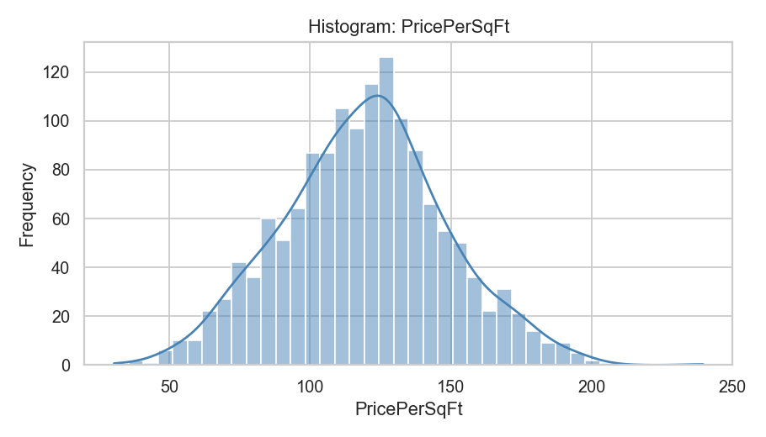
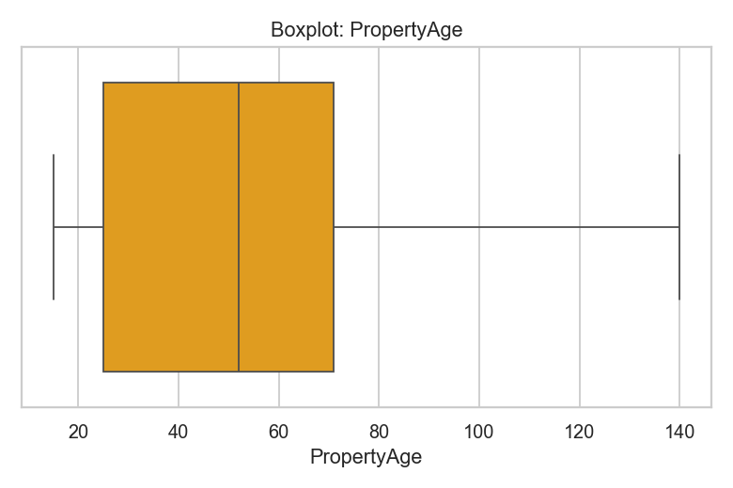
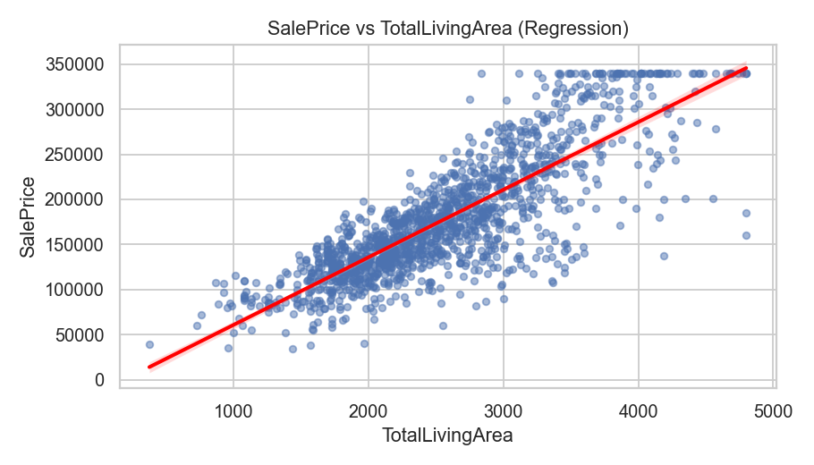
Feature Engineering: Introduces new variables that might enhance the model's ability to predict house prices.

Feature | Mean | Median | Std Dev | Non-Null Count
PricePerSqFt | 119.53 | 120.14 | 29.14 | 1460
PropertyAge | 53.7 | 52 | 30.11 | 1460
TotalLivingArea | 2554 | 2479 | 738.26 | 1460

Market Trends
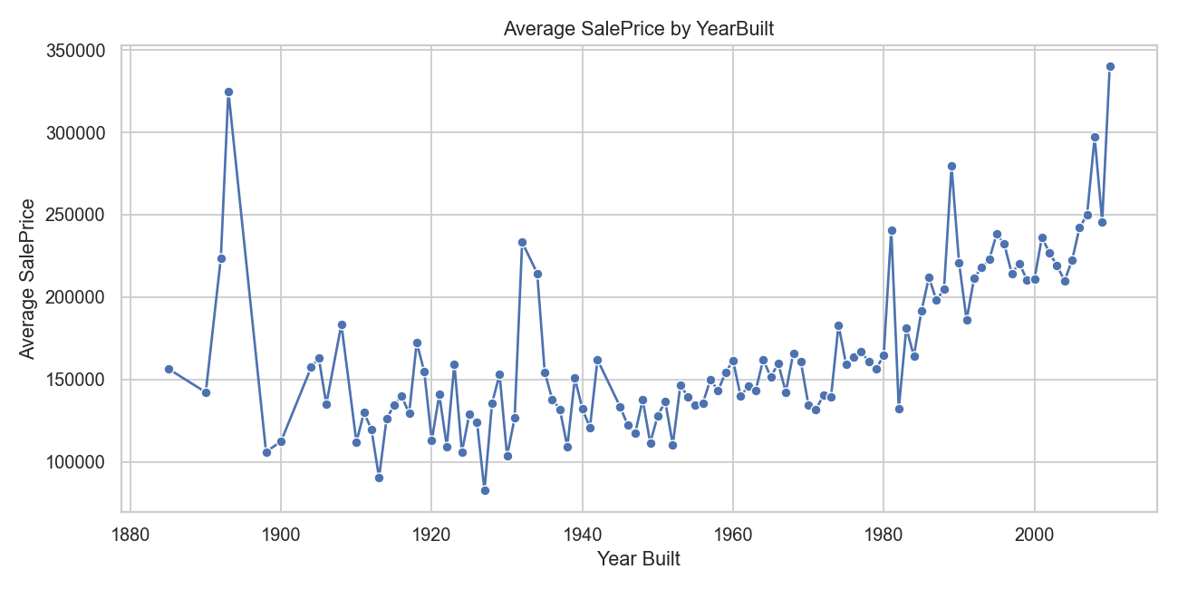
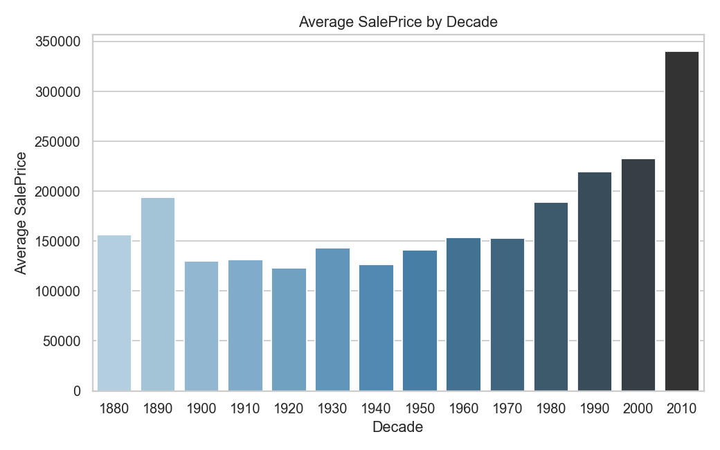
Market Trends and Historical Pricing: Analyze the dataset temporally, looking at trends in house prices over different periods. Understand how external factors, such as economic indicators, may have influenced these trends.

YearBuilt | Avg SalePrice
1885 | 156553.22
1890 | 142200
1892 | 223769
1893 | 325000
1898 | 106000
1900 | 112492.6
1904 | 157500
1905 | 163000
1906 | 135000
1908 | 183500
1910 | 111959.06
1911 | 130000
1912 | 119466.67
1913 | 90350
1914 | 126055.29
1915 | 134387.5
1916 | 139800
1917 | 129500
1918 | 172421.43
1919 | 154833.33
1920 | 112903.33
1921 | 140813.33
1922 | 109237.5
1923 | 159428.57
1924 | 105985.71
1925 | 129190.62
1926 | 124144.44
1927 | 82666.67
1928 | 135557.14
1929 | 153000
1930 | 103588.89
1931 | 126650
1932 | 233358.5
1934 | 214412.67
1935 | 154256.33
1936 | 137888.89
1937 | 131974.2
1938 | 109137.5
1939 | 150825
1940 | 131994.44
1941 | 120900
1942 | 162000
1945 | 133500
1946 | 122400
1947 | 117200
1948 | 137764.29
1949 | 111517.58
1950 | 128036.25
1951 | 136600
1952 | 110398.6
1953 | 146333.33
1954 | 139650
1955 | 134517.19
1956 | 135810.71
1957 | 149959.1
1958 | 143179.17
1959 | 154124.31
1960 | 161550
1961 | 139846.43
1962 | 145742.11
1963 | 143403.12
1964 | 161893.33
1965 | 151659.21
1966 | 159559.44
1967 | 142337.5
1968 | 166075
1969 | 160725.64
1970 | 134647.92
1971 | 131820.45
1972 | 140353.83
1973 | 139400
1974 | 183050
1975 | 159268.75
1976 | 163831.97
1977 | 166860.94
1978 | 160962.5
1979 | 156396.89
1980 | 164800
1981 | 240887.6
1982 | 132400
1983 | 181400
1984 | 164111.11
1985 | 191400
1986 | 212000
1987 | 198000
1988 | 204636.36
1989 | 279500
1990 | 220881.67
1991 | 186140
1992 | 211464.46
1993 | 218002.24
1994 | 222798.74
1995 | 238425.11
1996 | 232165.2
1997 | 214356.29
1998 | 220450
1999 | 210614.72
2000 | 210766.67
2001 | 236306.9
2002 | 226869.57
2003 | 219173.91
2004 | 209904.69
2005 | 222355.44
2006 | 242213.81
2007 | 250073.31
2008 | 297198.09
2009 | 245862.44
2010 | 340038

Decade | Avg SalePrice
1880 | 156553.22
1890 | 193823
1900 | 129828.4
1910 | 131511.48
1920 | 123268.35
1930 | 143304.28
1940 | 126887.48
1950 | 140935.67
1960 | 153652.86
1970 | 152801.94
1980 | 189343.25
1990 | 219762.38
2000 | 233007.65
2010 | 340038

Customer Preferences
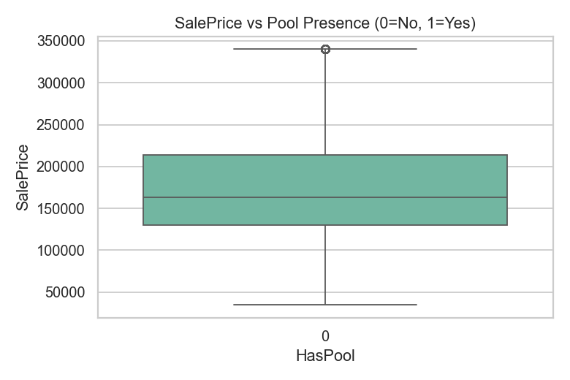
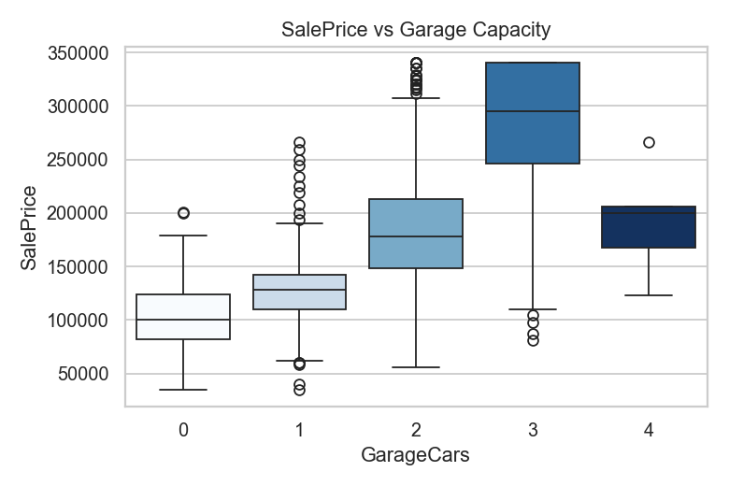
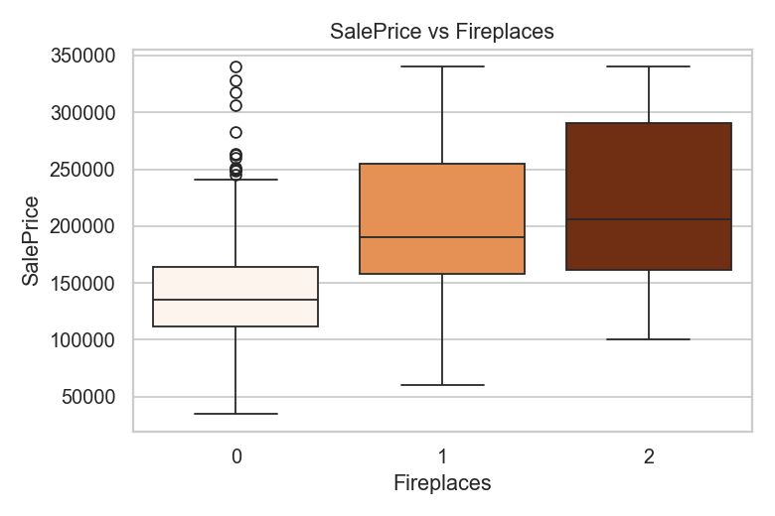
Customer Preferences and Amenities: Investigates how customer preferences and amenities impact house prices. Examines features such as swimming pools, garages, and fireplaces to understand their contribution to property value.

Amenity | AvgPrice_With | AvgPrice_Without
Pool |  | 177331.55
Garage | 181679.01 | 103317.28
Fireplace | 209594.73 | 141327.71

