Dashboard
STUDENT PERFORMANCE DASHBOARD

Grade Distribution
Grade | 0
A+ | 2
A | 3
B | 1
C | 1
D | 1
F | 2
TOTAL STUDENTS | CLASS AVERAGE
10 | 72.68

HIGHEST % | PASS RATE
94.75 | 90%

Subject Average
 | Average
English | 70.6
Mathematics | 73.1
Science | 72.3
Computer | 74.7
Student Performance
Aarav | 83.75
Diya | 91.50
Kabir | 68.75
Anaya | 59.50
Rohan | 48.25
Ishita | 84.50
Vivaan | 40.00
Meera | 73.25
Arjun | 94.75
Sara | 82.50

Project Report
STUDENT PERFORMANCE ANALYSIS

1. Project Objective
The objective of this project is to analyze student marks using Microsoft Excel and create an interactive dashboard that summarizes student performance, grades, subject averages, and pass rate.

2.Tools Used
Microsoft Excel

3.Dataset
The dataset contains marks for 10 students across four subjects: English, Mathematics, Science, and Computer.

4.Excel Functions Used
SUM, AVERAGE, COUNTIF, IF, Conditional Formatting, Excel Tables, Cell Formatting, and Charts.

5. Key Performance Indicators
Total Students: 10
Class Average: 72.68
Highest Percentage: 94.75
Pass Rate: 90%

6. Dashboard Visualizations
The dashboard includes Grade Distribution, Student Performance, and Subject Average charts.

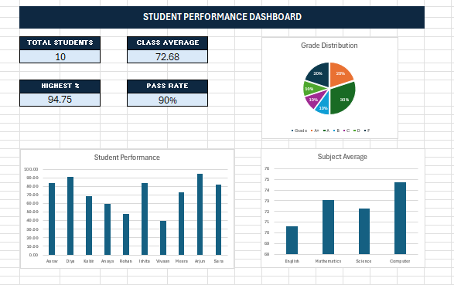

7. Key Findings
The dashboard shows that most students achieved passing grades. Computer has the highest subject average, while the grade distribution provides a clear overview of overall student performance.

8. Conclusion
This project demonstrates how Excel can be used to transform raw student marks into meaningful performance insights through formulas, conditional formatting, KPIs, and charts.

