Data Exhibit-1
Data as of 30th Sep'20
Supplier Name | Location | Revenue | Cash from Operations | Credit Rating | S-OTD | Single Source | IP Protection | Data security | Labour Unrests | Environmental Incidents
Plaxian | US | $6,040M | $354M | 3 | 0.91 | Y | N | 9 | Y | N
GutesGlas | Germany | $8,293M | $905M | 3 | 0.85 | N | N | 8 | N | N
Boavidro | Brazil | $9,287M | $364M | 3 | 0.63 | N | N | 8 | N | N
Saanch | India | $3,147M | $436M | 2 | 0.9 | N | N | 9 | N | N
RealGlass | China | $37,719M | $3,996M | 1 | 0.82 | Y | Y | 10 | Y | Y
Optikiet | China | $113M | $23M | 4 | 0.88 | Y | Y | 7 | N | N
BestOGlass | US | $5,379M | $24M | 2 | 0.78 | Y | N | 10 | N | N
MedicMetric | Philippines | $10M | $10M | 4 | 0.94 | Y | Y | 7 | N | N
Shale | Saudi Arabia | $2,431M | $309M | 3 | 0.86 | N | N | 8 | N | Y
Opticful | Italy | $95M | $6M | 3 | 0.92 | N | N | 5 | N | N
basicPharm | US | $395M | $9M | 5 | 0.88 | Y | Y | 7 | N | N
PharmyLeaf | India | $1,431M | $340M | 2 | 0.79 | N | N | 8 | N | N
 |  | Financial Risk |  |  | Operations Risk | Data Management Risk |  |  | Regulatory Risk
Revenue and Cash from Operations
On-Time Delivery Performance
Credit Rating Distribution

Data Exhibit-3
Demand History and Projections
Demand History and Projections
Demand Projections | Q3 2020 (actual) | Q4 2020 | Q1 2021 | Q2 2021
 | [in lots]
Ampoules | 15 | 55 | 60 | 65
Vials | 5 | 20 | 30 | 35
Syringes | 10 | 35 | 40 | 45

Product-wise cycle time
Product | Cycle Time (hours)
Ampoules | 60
Cycle time breakup by product and line
Vials | 63
Syringes | 57

Cycle time breakup by product and line
Cycle Time (hours/process) | Tubing | Hot-forming | Washing | Packing
Ampoules | 6 | 12 | 18 | 24
Vials | 9 | 9 | 21 | 24
Syringes | 6 | 9 | 18 | 24

Net lot equivalent rejected in a quarter
Net lot equivalent rejected in a quarter
Product | Bend tubing Rejects | Contamination rejects | Glass breakages | Air bubbles
Ampoules | 1 | 5.7 | 3.5 | 2.8
Vials | 2.8 | 6 | 3.2 | 3
Syringes | 3.4 | 5.2 | 2.8 | 2.6

Data Exhibit-4
4-step manufacturing process for all 3 products in Fabricadas
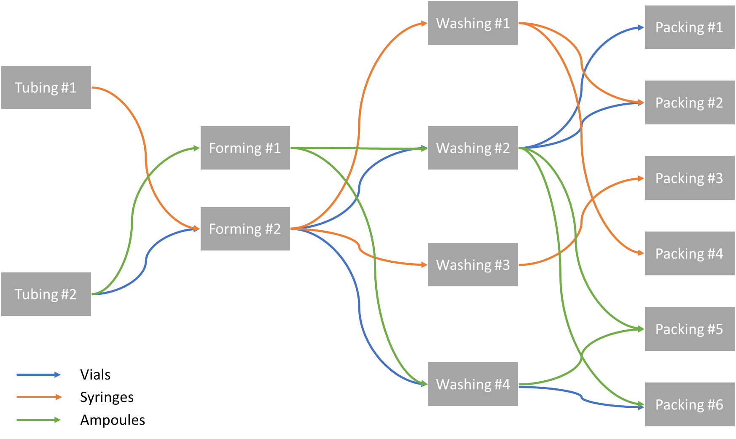

Fabricadas Utilization and Stoppages
Unit | Weekends and Holidays | Planned shutdowns | Unplanned shutdowns
Tubing #1 | 115 | 10 | 15
Tubing #2 | 115 | 10 | 20
Forming #1 | 115 | 10 | 15
Forming #2 | 115 | 10 | 25
Washing #1 | 115 | 10 | 15
Washing #2 | 115 | 10 | 20
Washing #3 | 115 | 10 | 20
Washing #4 | 115 | 10 | 15
Packing #1 | 115 | 10 | 20
Packing #2 | 115 | 10 | 20
Packing #3 | 115 | 10 | 25
Packing #4 | 115 | 10 | 15
Packing #5 | 115 | 10 | 20
Packing #6 | 115 | 10 | 20

