Metadata
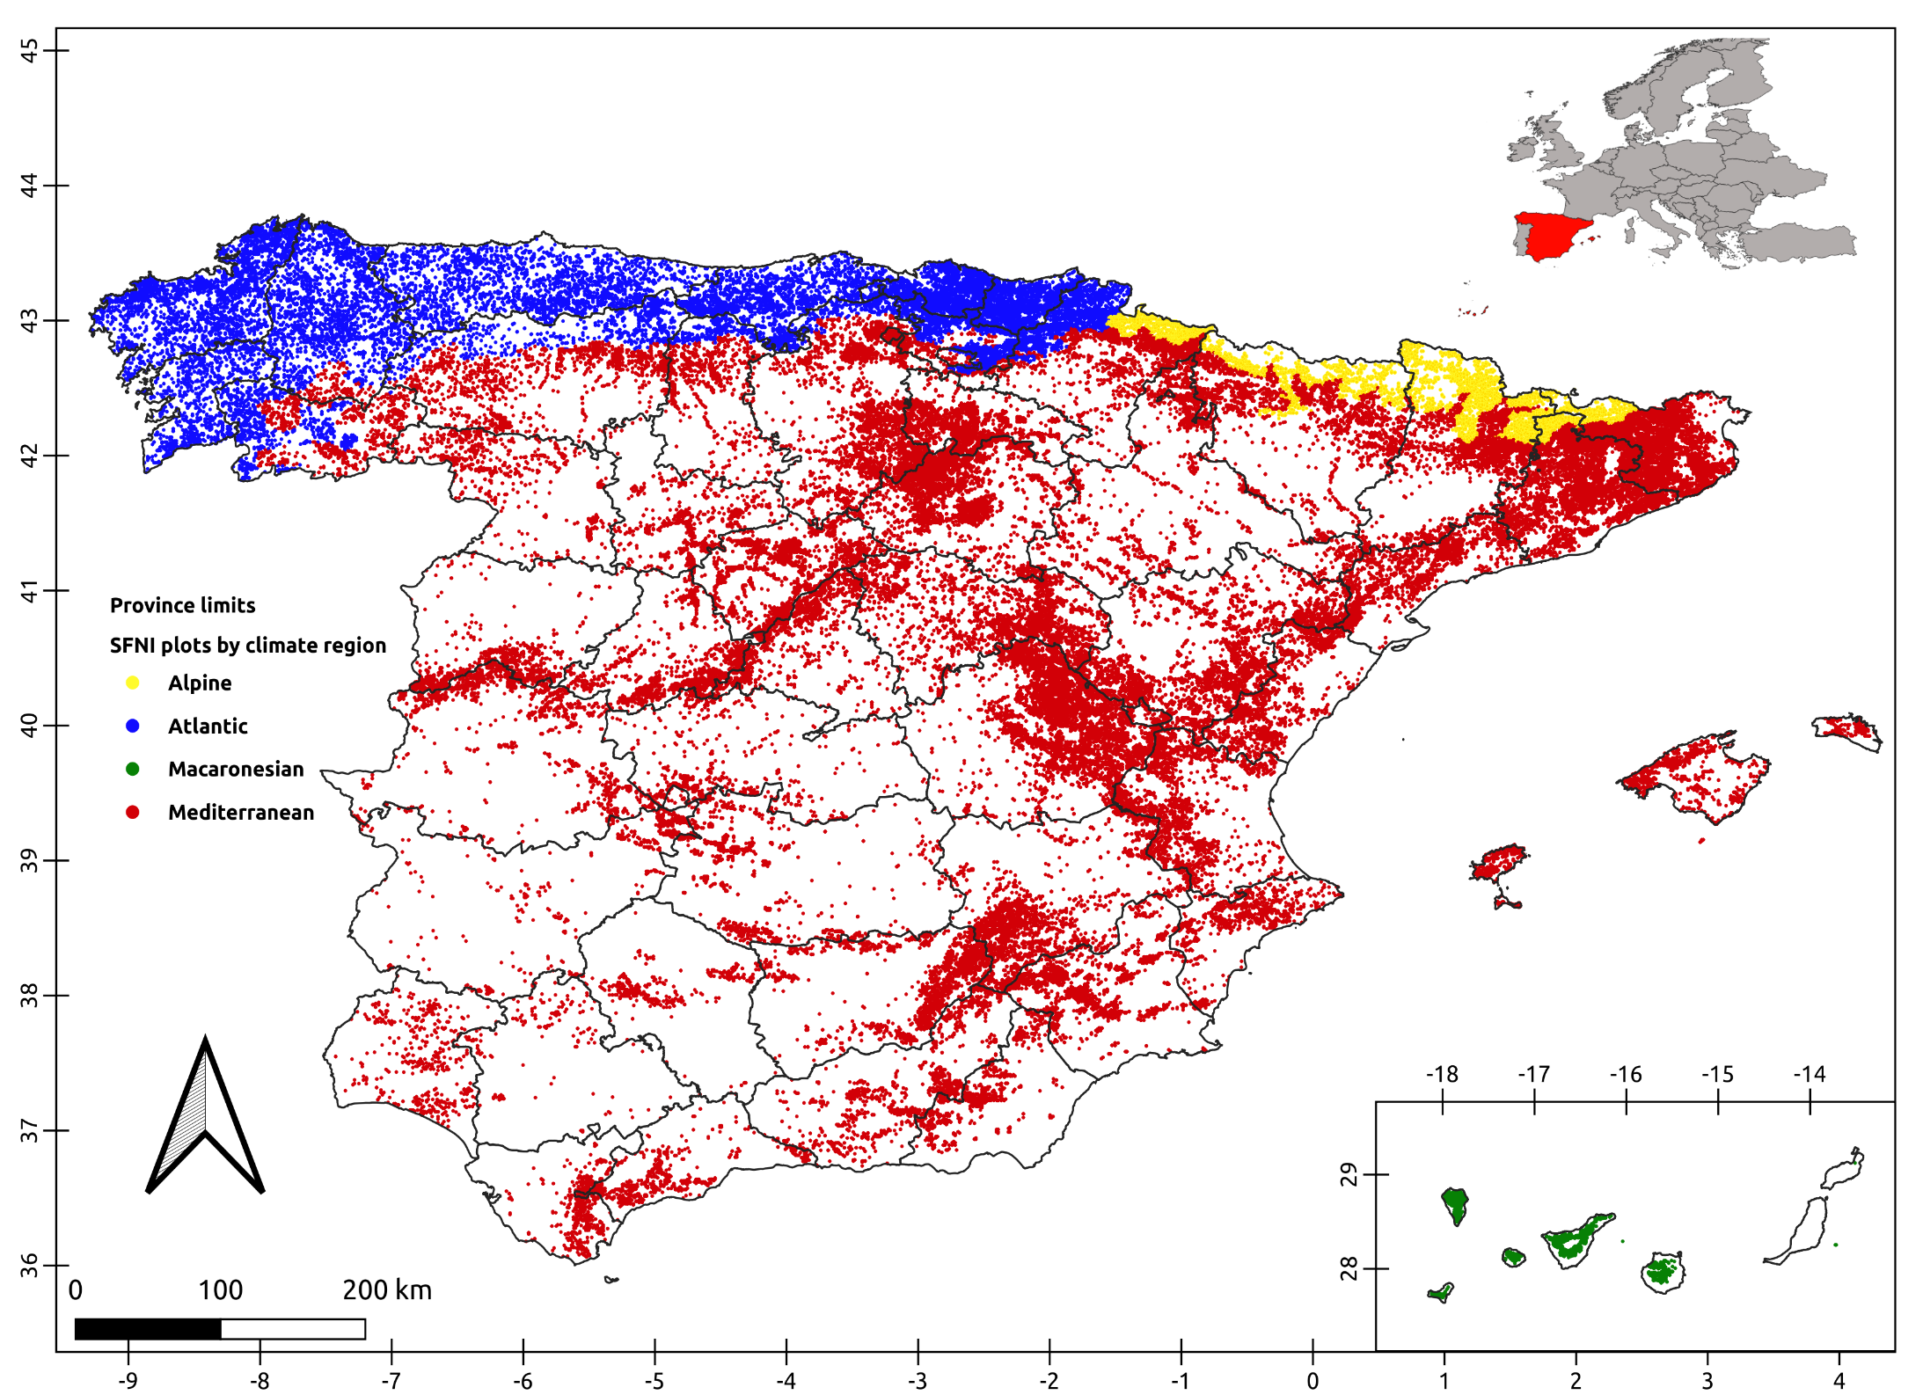
VARIABLES | DATA TYPE | EXPLANATION
Plot ID | string / numeric | [optional] Unique plot identifier code. The plot ID can be a number, a letter, or a combination. Use the same plot ID for all trees within the same plot
Tree ID | string / numeric | [optional] Unique tree identifier code within a specific plot. The tree ID can be a number, a letter, or a combination. Use a unique tree ID for each tree within the same plot, avoiding repetitions
Species | dropdown list | Species selection. If your species does not appear in the list, select "All the species" as the default value
dbh (cm) | numeric | Diameter at breast height (cm). The dbh value must be between 7.5 and 150 cm to ensure the proper functioning of the model
Biogeographic region | dropdown list | Selection of the biogeographic region where the forest is located. This field is necessary to distinguish the behavior that the same species may have under different ecological conditions. The options are "Alpine," "Atlantic," "Macaronesian," and "Mediterranean." At the bottom of this same sheet, you have a map to check where each of them is located
Stand mixture | dropdown list | Selection of the stand type according to the present species. You must choose between the "pure" or "mixed" stand options; for this, consider the characteristics of the plot you are evaluating and not the entire forest, as the conditions of each stand are different. In this study, we consider a stand to be mixed when the combined proportion of at least two species exceeds 90% of the plot's basal area, and the proportion of both species is greater than 15% of the total. It does not matter which species is accompanying or the proportion of mixing
Stand origin | dropdown list | Selection of the stand origin. You must choose between the options "natural" or "plantation," whose names are self-explanatory. The plantation design does not matter
Predicted height (m) | numeric | Total tree height predicted by the model (m). Keep in mind that this value is a prediction and not a real measurement, so it may differ from the actual observed data. If you are using this model for common dbh values, the model will provide a more accurate prediction than if you use it for extreme dbh values, where the model errors are greater

Distribution of plots from the Spanish Forest National Inventory by biogeographic regions
Blank spaces indicate the absence of plot data but retain the same biogeographic region as the surrounding areas

Calculator
Original publication:
Vázquez-Veloso, A., Yang, S.I., Bullock, B.P., Bravo, F., 2025. One model to rule
them all: new height-diameter equations for Spanish forest species.
Manuscript in preparation.
This file has been downloaded from the following link, where you can find the same model programmed in R and Python:
https://github.com/aitorvv/height-diameter_models_Spain
If you want to have a more complete output for your forest inventory try our forest management simulator:
Bravo, F., Ordóñez, C., Vázquez-Veloso, A., Michalakopoulos, S., 2025. SIMANFOR
cloud Decision Support System: Structure, content, and applications. Ecological
Modelling 499, 110912. https://doi.org/10.1016/j.ecolmodel.2024.110912
Contact: aitor.vazquez.veloso@uva.es / aitorvv96@gmail.com
Plot ID | Tree ID | Species | dbh (cm) | Biogeographic region | Stand mixture | Stand origin | Predicted height (m)
1 | 1 | Pinus pinaster | 20.00 | Alpine | pure | natural | 9.16
1 | 2 | Pinus nigra | 20.00 | Atlantic | pure | natural | 12.47
1 | 3 | Pinus pinaster | 20.00 | Macaronesian | pure | natural | 10.75
1 | 4 | Pinus pinaster | 20.00 | Mediterranean | pure | natural | 9.49
2 | 1 | Populus alba | 15.00 | Mediterranean | pure | natural | 11.97
2 | 2 | Populus alba | 15.00 | Mediterranean | pure | plantation | 12.29
3 | 1 | Quercus robur | 30.00 | Atlantic | pure | natural | 16.81
3 | 2 | Quercus robur | 30.00 | Atlantic | mix | natural | 16.22
...

