Extended Syntax Check
Extended Syntax Check (SLIN) Screen Shot
NOTE: Red text below is an ISO 27001 Control implemented for " Secure Engineering Principals" and intended as instructions & guidelines. Please do not remove it from the template for the project.
NOTE: Please provide clear justification of unavoidable errors and warnings in the respective sections. Simple statements, example, “5 Errors can be ignored” are not acceptable and in non-compliance with SAP Best Practice & Coding Guidelines. Instead, please mention the reason, for example, “5 Errors can be ignored as these originate from the Standard code” or “7 Warnings can be ignored as these originate from standard generated includes”. The above are just a guidance on filling the reason – please apply your judgement and expertise to provide suitable justifications.

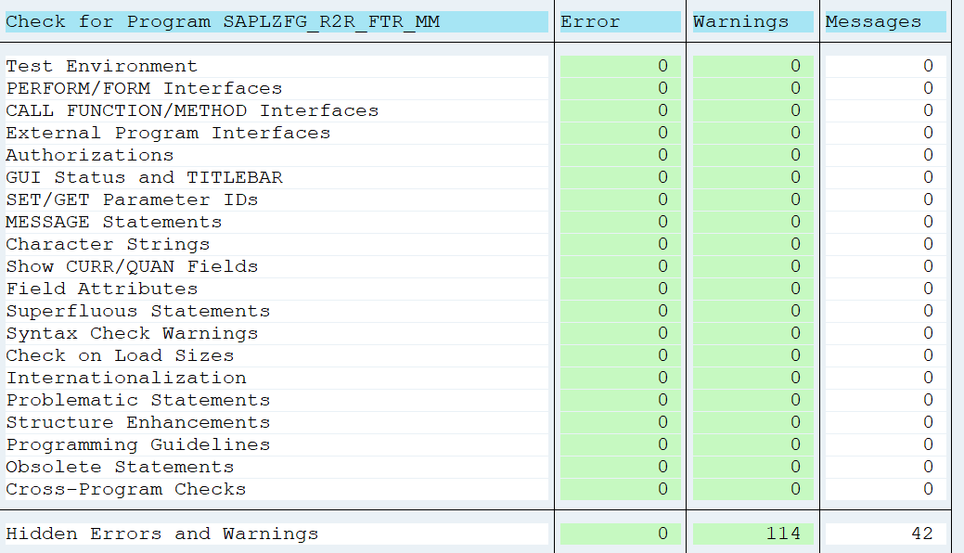
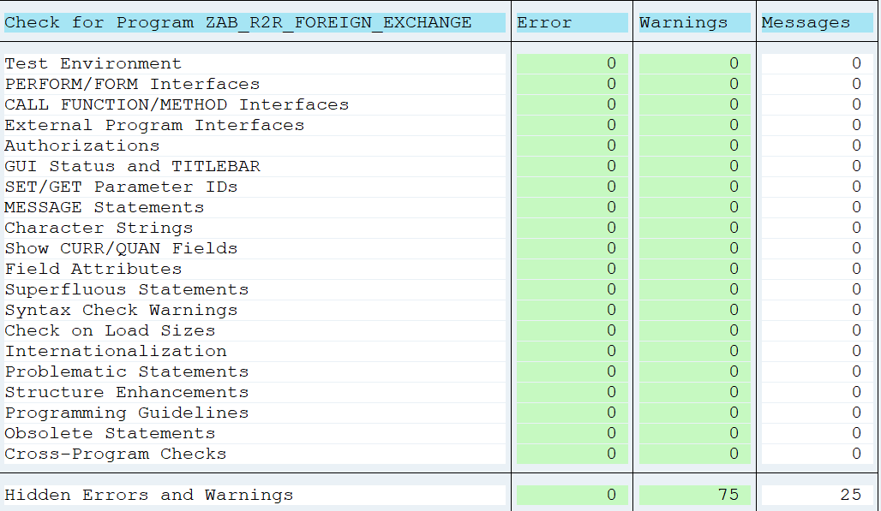

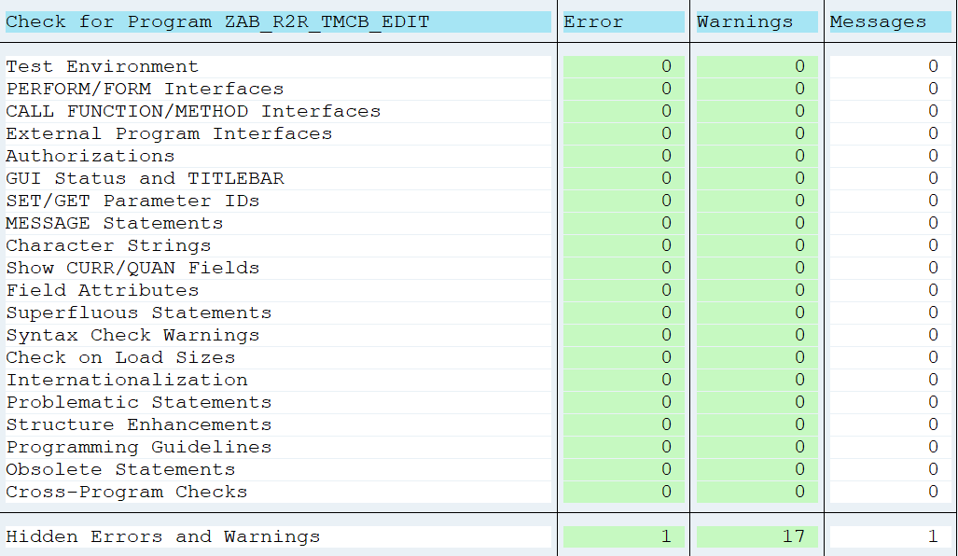
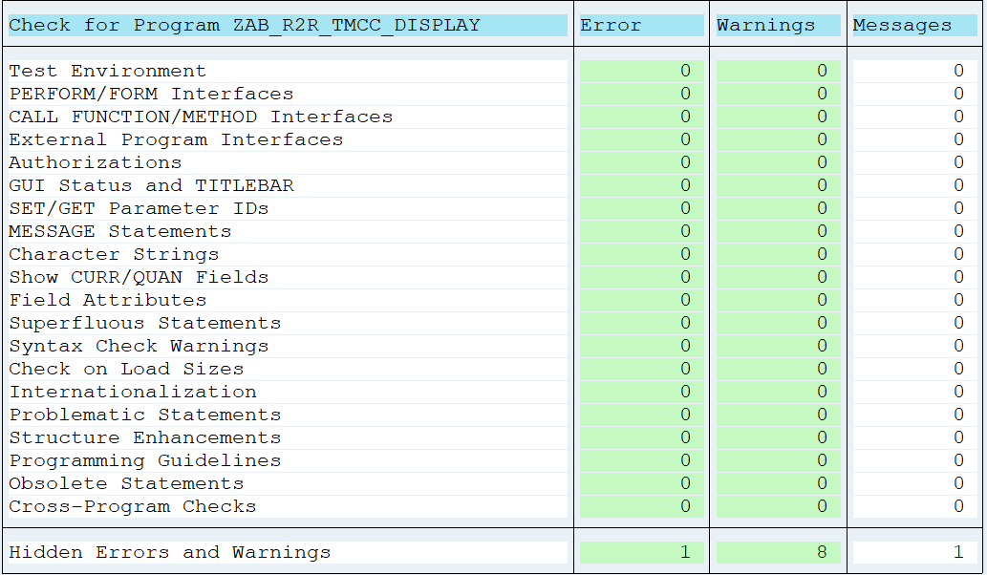

Exceptions why some of the errors, warnings or messages can't be removed
Reasons for unavoidabe Errors
1
2
3
4
5
6
7
8
9
10

Reasons for unavoidabe Warnings
1
2
3
4
5
6
7
8
9
10

Reasons for unavoidabe Messages
1
2
3
4
5
6
7
8
9
10

CI and ATC
Code Inspector (CI) Screen shot (post removal of all the Defects)
NOTE: Red text below is an ISO 27001 Control implemented for " Secure Engineering Principals" and intended as instructions & guidelines. Please do not remove it from the template for the project.
NOTE: Please provide clear justification of unavoidable errors and warnings in the respective sections. Simple statements, example, “5 Errors can be ignored” are not acceptable and in non-compliance with SAP Best Practice & Coding Guidelines. Instead, please mention the reason, for example, “5 Errors can be ignored as these originate from the Standard code” or “7 Warnings can be ignored as these originate from standard generated includes”. The above are just a guidance on filling the reason – please apply your judgement and expertise to provide suitable justifications.

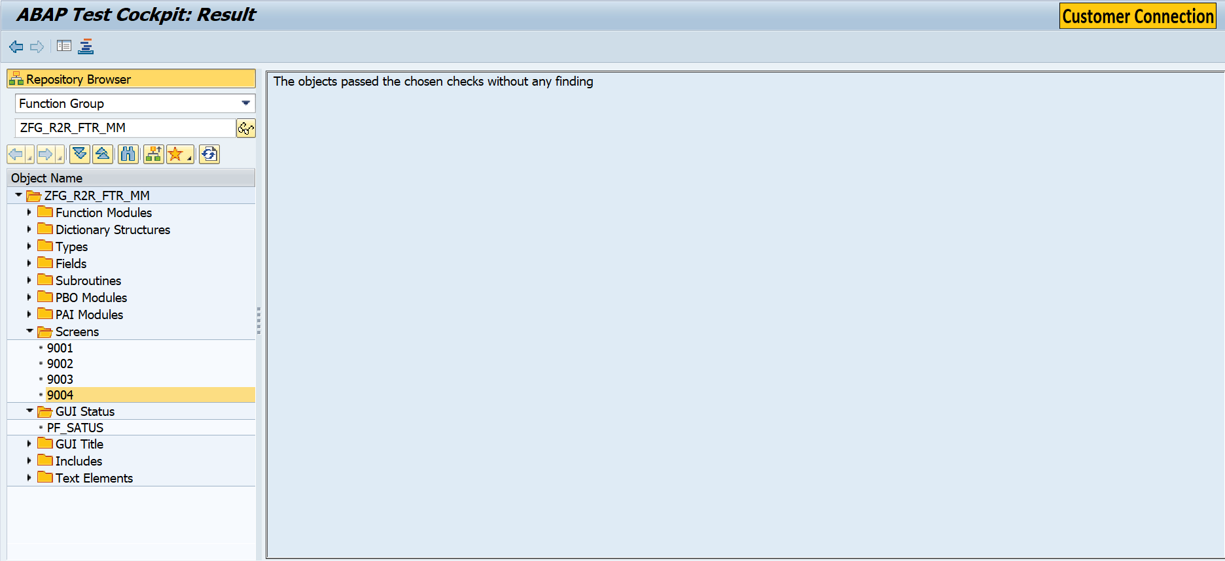
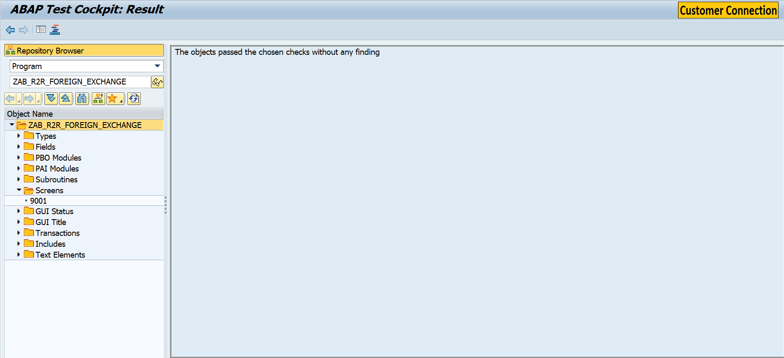

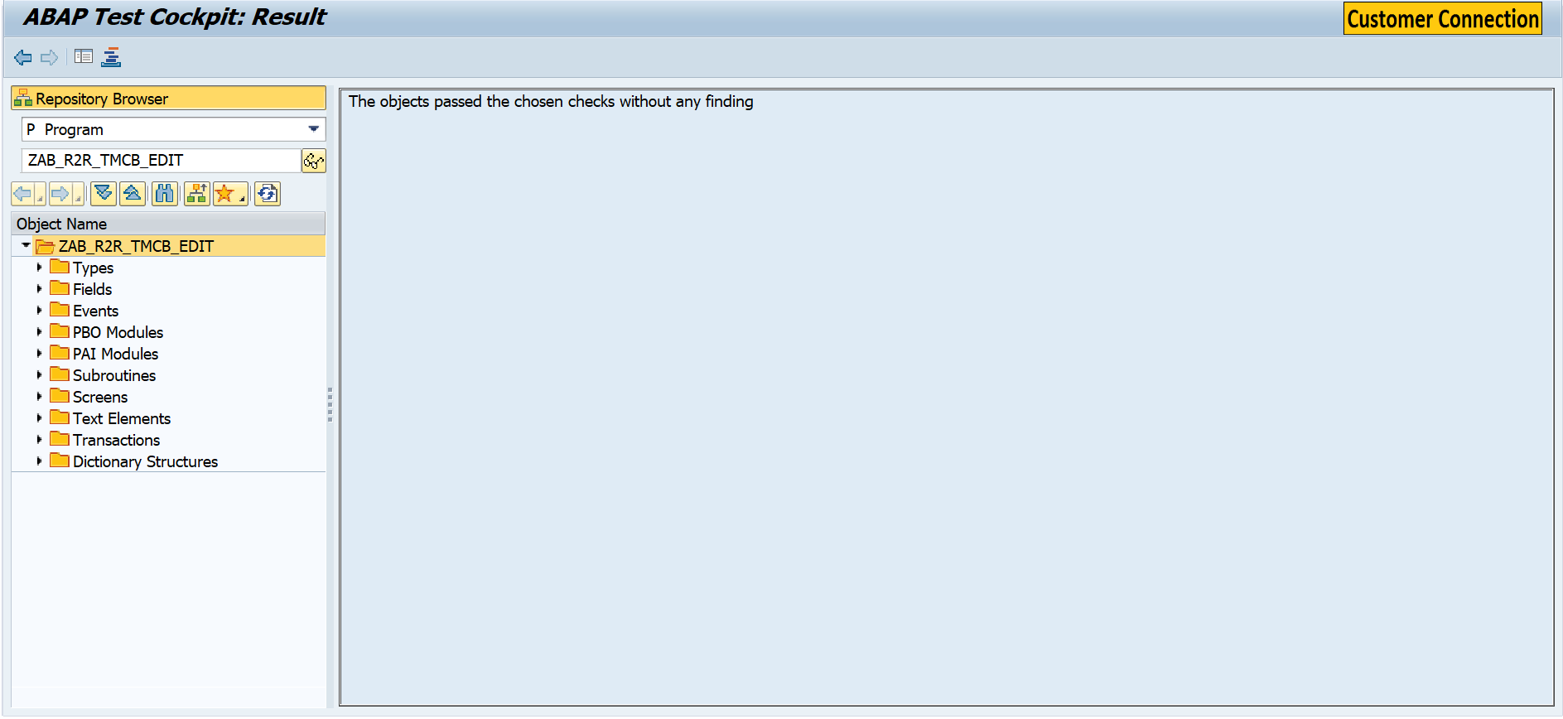



Exceptions why some of the errors, warnings or messages can't be removed
Reasons for unavoidabe Errors
1 | ATC errors in the generated code, during declaration of class ZL_BT116IT__GENERICITEM_IMPL. The error cannot be avoided as its in generated code.
2
3
4
5
6
7
8
9
10

Reasons for unavoidabe Warnings
1
2
3
4
5
6
7
8
9
10

Reasons for unavoidabe Messages
1
2
3
4
5
6
7
8
9
10

