FRONT


Reference Data:
Date:
Control No.:
Clients Information and Service Provided:
Client's Name and Contact Details:
Client Type:
Age:
Gender:
Email Address:
Region/Office Visited:
Citizens Charter Service:
External/Internal:
Type of Transaction:
Action Provided:
Date Resolve:
No. of Days to Resolution:
CC1 Score:
CC2 Score:
Citizen's Charter Score:
CC3 Score:
SQD 0 (Satisfaction of Services):
Citizen's Quality Dimensions:
SQD Measurement Scale:
1 - Strongly Disagree (Labis na hindi sumasangayon)
2 - Disagree (Hindi sumasangayon)
3 - Neither Agree nor Disagree (Walang Kinikilingan)
4 - Agree (Labis na sumasangayon)
5 - Strongly Agree (Labis na sumasangayon)
SQD 1 (Responsiveness):
SQD 2 (Reliability):
SQD 3 (Access & Facilities):
SQD 4 (Communication):
SQD 5 (Costs):
SQD 6 (Integrity):
SQD 7 (Assurance):
SQD 8 (Outcome):
Citizens Comments:
Action Taken if any:
Complaint/Inquiry:
CUSAT
Republic of the Philippines
TECHNICAL EDUCATION AND SKILLS DEVELOPMENT AUTHORITY
off
off

 |  |  | Aj

Client response
 |  |  | 24
Region/Executive Office:
Province/ District Office:
Head of Operating Unit:
Cusat Focal:
Period Covered:
Operating Unit:
Month
Year
Set up Logo Information:
Filename:
Path:
e.g: PTCLU Logo.png
Designation/Position:
Service provider
TTI Logo path: |  |  | sample@gmail.com
C:\Users\LENOVO\Desktop\CUSAT automated\CUSAT updated from CCU
Tap to slide
Emblem | Filename
Bagong Pilipinas | Bagong Pilipinas.png
TESDA logo | TESDA logo.png
TTI logo | TTI Logo.png

Region/Executive Office:
Province/ District Office: |  |  |  | 0
Operating Unit:
Head of Operating Unit:
Designation/Position Title:
Cusat Focal:
Month:
Year:
Date coverage: |  | #N/A

Feedback Forms
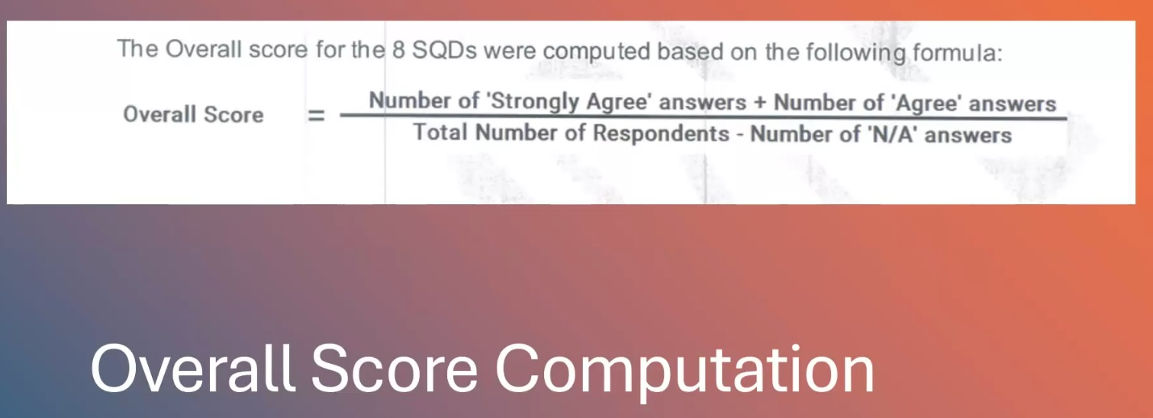
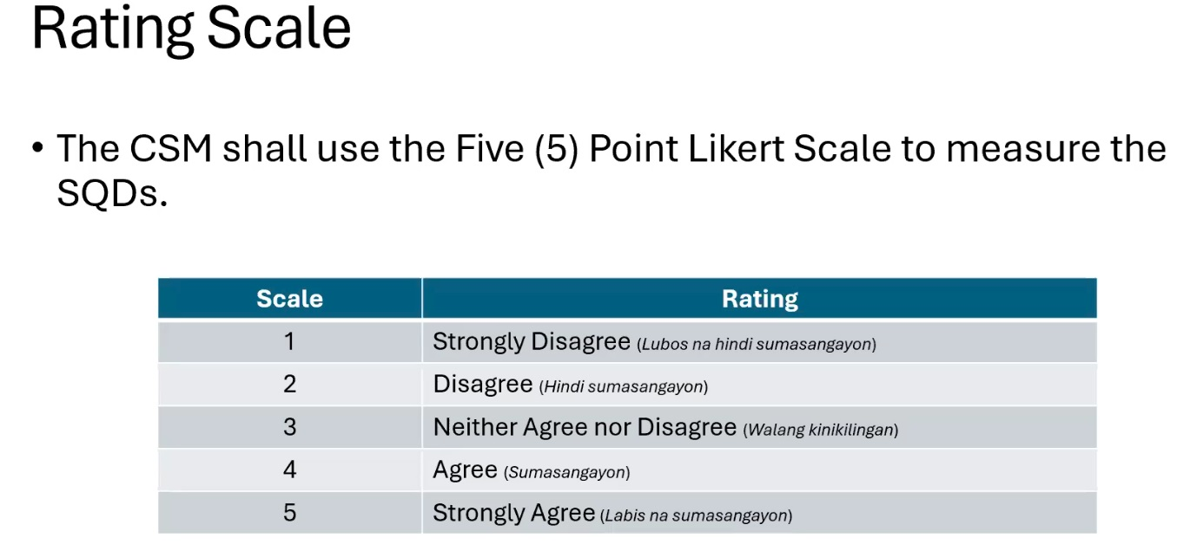
 |  |  |  | Monitoring Report of Customer Feedback Form Results
 |  |  |  | (Face-to-Face and Online)
Region/Executive Office:
Province/ District Office:
Period Covered:

Feedback Box Location |  |  | CONTACT CENTER UNIT |  |  |  |  |  |  |  |  |  |  |  | Citizens Charter Score |  |  | Service Quality Dimension |  |  |  |  |  |  |  |  | Citizens Comment | Action Taken if any | Nature of Transaction (Inquiry/ Complaint) |  |  |  |  |  |  |  |  |  |  |  |  |  |  |  |  |  |  | Summary of Comments
No. | Date | Control Number | Client's Name and Contact Details | Client Type (Citizen / Business / Government) | Age | Gender | Email Address | Region / Office Visited | Citizens Charter Service (service name stated in the Citizens Charter) | External / Internal | Type of Transaction | Action Provided | Date Resolve | Number of Days to Resolution |  |  |  |  |  |  |  |  |  |  |  |  |  |  |  | value (SQD0) | value (SQD1) | value (SQD2) | value (SQD3) | value (SQD4) | value (SQD5) | value (SQD6) | value (SQD7) | value (SQD8) | value (age) | Client Type (Citizen / Business / Government) + External/ Internal | Age+ External/ Internal | Gender + External/ Internal | Type of Transaction + External/ Internal | value (CC1) | value (CC2) | value (CC3) | Citizens Charter Service-External/ Internal | Application for Assessment and Certification-External Services | Accreditation of New Competency Assessors-External Services | Accreditation of Competency Assessment Centers-External Services | Availment of Scholarship Programs (Face to Face)-External Services | Availment of Scholarship Programs (Online)-External Services | Complaints Handling-External Services | Conduct of Training Induction Program (TIP)-External Services | Customer Inquiry and Feedback Through Calls-External Services | Customer Inquiry and Feedback Through Calls with concerned Office-External Services | Customer Inquiry and Feedback Through Public Assistance and Complaint Desk-External Services | Customer Inquiry and Feedback Through Public Assistance and Complaint Desk with concerned Office-External Services | Customer Inquiry and Feedback Through SMS and Electronic mails-External Services | Customer Inquiry and Feedback Through SMS and Electronic mails with concerned Office-External Services | Issuance of Certification for Authentication and Verification (CAV) of Scholastic Records-External Services | Issuance of Certified True Copy (CTC) of National Certificate (NC)/ Certificate of Competency (CoC)-External Services | Issuance of E-Certification (NC/COC)-External Services | Issuance of National TVET Trainer Certificate-External Services | Issuance of NC Plastic Card-External Services | Issuance of Special Order (SO)-External Services | Online Processing of Program Registration Application-External Services | Payment of Scholarship Vouchers-External Services | Payment of Training Support Fund-Last Tranche-External Services | Preparation of Provincial Qualification Map-External Services | Program Registration-External Services | Release of Starter Toolkits-External Services | Renewal of Competency Assessor’s Accreditation-External Services | Renewal of National Certificate/ Certificate of Competency-External Services | Replacement of Damaged National Certificate/Certificate of Competency-External Services | Replacement of Lost National Certificate and Certificate of Competency-External Services | Replacement of National Certificate and Certificate of Competency due to Change of Name-External Services | Replacement of NC/COC due to Erroneous Entry-External Services | Issuance of Supplies Available on Stock-Internal Services | Payment of Scholarship Vouchers-Internal Services | Procurement of Supplies, Equipment and Services-Internal Services
 |  |  |  |  |  |  |  |  |  |  |  |  |  |  | CC1 Score | CC2 Score | CC3 Score | SQD0 | SQD1 | SQD2 | SQD3 | SQD4 | SQD5 | SQD6 | SQD7 | SQD8 |  |  |  |  |  |  |  |  |  |  |  |  |  |  |  |  |  |  |  |  |  | Application for Assessment and Certification | Accreditation of New Competency Assessors | Accreditation of Competency Assessment Centers | Availment of Scholarship Programs (Face to Face) | Availment of Scholarship Programs (Online) | Complaints Handling | Conduct of Training Induction Program (TIP) | Customer Inquiry and Feedback Through Calls | Customer Inquiry and Feedback Through Calls with concerned Office | Customer Inquiry and Feedback Through Public Assistance and Complaint Desk | Customer Inquiry and Feedback Through Public Assistance and Complaint Desk with concerned Office | Customer Inquiry and Feedback Through SMS and Electronic mails | Customer Inquiry and Feedback Through SMS and Electronic mails with concerned Office | Issuance of Certification for Authentication and Verification (CAV) of Scholastic Records | Issuance of Certified True Copy (CTC) of National Certificate (NC)/ Certificate of Competency (CoC) | Issuance of E-Certification (NC/COC) | Issuance of National TVET Trainer Certificate | Issuance of NC Plastic Card | Issuance of Special Order (SO) | Online Processing of Program Registration Application | Payment of Scholarship Vouchers | Payment of Training Support Fund-Last Tranche | Preparation of Provincial Qualification Map | Program Registration | Release of Starter Toolkits | Renewal of Competency Assessor’s Accreditation | Renewal of National Certificate/ Certificate of Competency | Replacement of Damaged National Certificate/Certificate of Competency | Replacement of Lost National Certificate and Certificate of Competency | Replacement of National Certificate and Certificate of Competency due to Change of Name | Replacement of NC/COC due to Erroneous Entry | Issuance of Supplies Available on Stock | Payment of Scholarship Vouchers | Procurement of Supplies, Equipment and Services

 |  |  |  |  |  |  |  |  |  |  |  |  |  |  |  |  |  |  |  |  |  |  |  |  |  |  |  |  |  |  |  |  |  |  |  |  |  |  |  |  |  |  |  |  |  |  |  |  |  |  |  |  |  |  |  |  |  |  |  |  |  |  |  |  |  |  |  |  |  |  |  |  |  |  |  |  |  |  |  |  |  | 1
...

Customers Per CC
SUMMARY OF CUSTOMERS SERVED PER DECLARED SERVICES IN THE CITIZENS CHARTER

Central/Region:
Division/Province/
District:
Period Covered:

The NUMBER OF CLIENTS column is manually encoded to account for clients served but did not fill-out CSM form.
Citizen’s Charter Services Availed by Respondents | Month | Total Number of Clients per Services Offered
 |  | Number of Clients | TOTAL
External Services
Application for Assessment and Certification | 0 |  | 0
Accreditation of New Competency Assessors |  |  | 0
Accreditation of Competency Assessment Centers |  |  | 0
Availment of Scholarship Programs (Face to Face) |  |  | 0
Availment of Scholarship Programs (Online) |  |  | 0
Complaints Handling |  |  | 0
Conduct of Training Induction Program (TIP) |  |  | 0
Customer Inquiry and Feedback Through Calls |  |  | 0
Customer Inquiry and Feedback Through Calls with concerned Office |  |  | 0
Customer Inquiry and Feedback Through Public Assistance and Complaint Desk |  |  | 0
Customer Inquiry and Feedback Through Public Assistance and Complaint Desk with concerned Office |  |  | 0
Customer Inquiry and Feedback Through SMS and Electronic mails |  |  | 0
Customer Inquiry and Feedback Through SMS and Electronic mails with concerned Office |  |  | 0
Issuance of Certification for Authentication and Verification (CAV) of Scholastic Records |  |  | 0
Issuance of Certified True Copy (CTC) of National Certificate (NC)/ Certificate of Competency (CoC) |  |  | 0
Issuance of E-Certification (NC/COC) |  |  | 0
Issuance of National TVET Trainer Certificate
Issuance of NC Plastic Card |  |  | 0
Issuance of Special Order (SO) |  |  | 0
Online Processing of Program Registration Application |  |  | 0
Payment of Scholarship Vouchers |  |  | 0
Payment of Training Support Fund-Last Tranche |  |  | 0
Preparation of Provincial Qualification Map |  |  | 0
Program Registration |  |  | 0
Release of Starter Toolkits |  |  | 0
Renewal of Competency Assessor’s Accreditation |  |  | 0
Renewal of National Certificate/ Certificate of Competency |  |  | 0
Replacement of Damaged National Certificate/Certificate of Competency |  |  | 0
Replacement of Lost National Certificate and Certificate of Competency |  |  | 0
Replacement of National Certificate and Certificate of Competency due to Change of Name |  |  | 0
Replacement of NC/COC due to Erroneous Entry |  |  | 0
Internal Services
Issuance of Supplies Available on Stock | 0 |  | 0
Payment of Scholarship Vouchers |  |  | 0
Procurement of Supplies, Equipment and Services |  |  | 0
Total |  | 0 | 0

Prepared by: |  | Noted by:

CUSAT Focal

Feedback Report
SUMMARY FEEDBACK REPORT GATHERED THROUGH FACE TO FACE AND ONLINE TRANSACTIONS
(CSM Questionnaire)

A. Total Number of Customers Served by Gender

Note:
The INTERNAL/EXTERNAL classification of the repondents must be specified along with the basic classificaiton/category as requirement for it to be counted.
Sex | No. of Responses |  | Internal |  | External |  | Percentage
Female | 0 |  | 0 |  | 0 |  | 0.00
Male | 0 |  | 0 |  | 0 |  | 0.00
Did not specify | 0 |  | 0 |  | 0 |  | 0.00
Total | 0 |  | 0 |  | 0 |  | 0.00

B. Distribution of Customers Served by Age Group

Age Group | No. of Responses |  | Internal |  | External |  | Percentage
19 or lower | 0 |  | 0 |  | 0 |  | 0.00
20-34 | 0 |  | 0 |  | 0 |  | 0.00
35-49 | 0 |  | 0 |  | 0 |  | 0.00
50-64 | 0 |  | 0 |  | 0 |  | 0.00
65 or higher | 0 |  | 0 |  | 0 |  | 0.00
Did not specify | 0 |  | 0 |  | 0 |  | 0.00
Total: | 0 |  | 0 |  | 0 |  | 0.00

C. Total Number of Customers by Customer Type

Customer Type | No. of Responses |  | Internal |  | External |  | Percentage
Citizen | 0 |  | 0 |  | 0 |  | 0.00
Business | 0 |  | 0 |  | 0 |  | 0.00
Government | 0 |  | 0 |  | 0 |  | 0.00
Did not specify | 0 |  | 0 |  | 0 |  | 0.00
Total | 0 |  | 0 |  | 0 |  | 0.00

D. Total Number of Customers by Type of Transaction per TESDA Programs and Services

Type of Transaction | No. of Responses |  | Internal |  | External |  | Percentage
Assessment & Certification | 0 |  | 0 |  | 0 |  | 0.00
Program Registration | 0 |  | 0 |  | 0 |  | 0.00
Training | 0 |  | 0 |  | 0 |  | 0.00
Scholarship | 0 |  | 0 |  | 0 |  | 0.00
Admin. Related | 0 |  | 0 |  | 0 |  | 0.00
Others | 0 |  | 0 |  | 0 |  | 0.00
Total | 0 |  | 0 |  | 0 |  | 0.00

The TOTAL TRANSACTIONS column in item E is manually encoded to account for clients served but did not fill-out CSM form.
E. Total Number of Customers by Nature of Transaction per TESDA Programs and Services

Nature of Transaction | Total Transactions
Inquiry | 0
Complaint | 0

F. Total Number of Customers by Service Rendered based on the Citizens Charter Service Offered
The OVERALL RATING column is computed by:
1.) Filtering the specific Citizens Charter service in the Monitoring Report of Customer Feedback Form Results (TESDA-OP-AS-03-F02). Example: Customer Inquiry and Feedback Through the Public Assistance and Complaints Desk
2.) Use the following formula to compute:
Note:
1.) The interpretation of the “Number of Responses” column in item F aligns with the concept of the “Total Transactions” column, where the figures are based on the number of clients served.
- No. of responses: no. of clients served and filled out CSM form
- No. of Transactions: The total number of transactions reflects all customers served, including those who did not fill out the CSM form.
2.) The Over all rating or score however, is based on the no. of responses on SQD 1-8 for specific CC service rendered as per ARTA MC 2022-05 s. 2022.
External Services Offered | No. of Responses |  |  | Total Transactions |  |  | Overall Rating
Application for Assessment and Certification | 0 |  |  | 0 |  |  | 0.00
Accreditation of New Competency Assessors | 0 |  |  | 0 |  |  | 0.00
Accreditation of Competency Assessment Centers | 0 |  |  | 0 |  |  | 0.00
Availment of Scholarship Programs (Face to Face) | 0 |  |  | 0 |  |  | 0.00
Availment of Scholarship Programs (Online) | 0 |  |  | 0 |  |  | 0.00
Complaints Handling | 0 |  |  | 0 |  |  | 0.00
Conduct of Training Induction Program (TIP) | 0 |  |  | 0 |  |  | 0.00
Customer Inquiry and Feedback Through Calls | 0 |  |  | 0 |  |  | 0.00
Customer Inquiry and Feedback Through Calls with concerned Office | 0 |  |  | 0 |  |  | 0.00
Customer Inquiry and Feedback Through Public Assistance and Complaint Desk | 0 |  |  | 0 |  |  | 0.00
Customer Inquiry and Feedback Through Public Assistance and Complaint Desk with concerned Office | 0 |  |  | 0 |  |  | 0.00
Customer Inquiry and Feedback Through SMS and Electronic mails | 0 |  |  | 0 |  |  | 0.00
Customer Inquiry and Feedback Through SMS and Electronic mails with concerned Office | 0 |  |  | 0 |  |  | 0.00
Issuance of Certification for Authentication and Verification (CAV) of Scholastic Records | 0 |  |  | 0 |  |  | 0.00
Issuance of Certified True Copy (CTC) of National Certificate (NC)/ Certificate of Competency (CoC) | 0 |  |  | 0 |  |  | 0.00
Issuance of E-Certification (NC/COC) | 0 |  |  | 0 |  |  | 0.00
Issuance of National TVET Trainer Certificate | 0 |  |  | 0 |  |  | 0.00
Issuance of NC Plastic Card | 0 |  |  | 0 |  |  | 0.00
Issuance of Special Order (SO) | 0 |  |  | 0 |  |  | 0.00
Online Processing of Program Registration Application | 0 |  |  | 0 |  |  | 0.00
Payment of Scholarship Vouchers | 0 |  |  | 0 |  |  | 0.00
Payment of Training Support Fund-Last Tranche | 0 |  |  | 0 |  |  | 0.00
Preparation of Provincial Qualification Map | 0 |  |  | 0 |  |  | 0.00
Program Registration | 0 |  |  | 0 |  |  | 0.00
Release of Starter Toolkits | 0 |  |  | 0 |  |  | 0.00
Renewal of Competency Assessor’s Accreditation | 0 |  |  | 0 |  |  | 0.00
Renewal of National Certificate/ Certificate of Competency | 0 |  |  | 0 |  |  | 0.00
Replacement of Damaged National Certificate/Certificate of Competency | 0 |  |  | 0 |  |  | 0.00
Replacement of Lost National Certificate and Certificate of Competency | 0 |  |  | 0 |  |  | 0.00
Replacement of National Certificate and Certificate of Competency due to Change of Name | 0 |  |  | 0 |  |  | 0.00
Replacement of NC/COC due to Erroneous Entry | 0 |  |  | 0 |  |  | 0.00
The TOTAL TRANSACTIONS column in item F reflects the entries from SUMMARY OF CUSTOMERS SERVED PER DECLARED SERVICES IN THE CITIZENS CHARTER (Customers per CC worksheet) reporting form.
Total: | 0 |  |  | 0

Internal Services Offered | No. of Responses |  |  | Total Transactions |  |  | Overall Rating
Issuance of Supplies Available on Stock | 0 |  |  | 0 |  |  | 0.00
Payment of Scholarship Vouchers | 0 |  |  | 0 |  |  | 0.00
Procurement of Supplies, Equipment and Services | 0 |  |  | 0 |  |  | 0.00
Total: | 0 |  |  | 0

G. Citizen's Charter Questions

Questions | No. of Responses |  |  |  | Percentage
CC1. I know what a CC is and I saw this office's CC | 0 |  |  |  | 0.00
CC1. I know what a CC is but I did not see this office's CC | 0 |  |  |  | 0.00
CC1. I learned of the CC only when I saw this office's CC | 0 |  |  |  | 0.00
CC1. I do not know what a CC is and I did not see one in this office | 0 |  |  |  | 0.00
Total | 0

CC2. Easy to see | 0 |  |  |  | 0.00
CC2. Somewhat easy to see | 0 |  |  |  | 0.00
CC2. Difficult to see | 0 |  |  |  | 0.00
CC2. Not visible at all | 0 |  |  |  | 0.00
CC2. N/A | 0 |  |  |  | 0.00
Total | 0

CC3. Helped very much | 0 |  |  |  | 0.00
CC3. Somewhat helped | 0 |  |  |  | 0.00
CC3. Did not help | 0 |  |  |  | 0.00
CC3. N/A | 0 |  |  |  | 0.00
Total | 0

H. Action Provided Relative to Purpose of Visit

Action Provided | No. of Responses
Provided a Direct and Concrete Response / Information | 0
Referred to RO | 0
Referred to PO/DO | 0
Referred to Focal | 0
Referred to TVIs | 0
Referred Assessment Centers | 0
Others: conducted training and assessment | 0
Total: | 0

I. Service Quality Dimensions (SQD) Results

Service Quality Dimension | No. of Responses |  |  |  |  |  | Total Responses | Overall Rating
 | SA | A | NAD | D | SD | N/A
SQD1 - Kakayahang Tumugon (Responsiveness) | 0 | 0 | 0 | 0 | 0 | 0 | 0 | 0.00
SQD2 - Pagiging Maaasahan (Reliability) | 0 | 0 | 0 | 0 | 0 | 0 | 0 | 0.00
SQD3 - Akses at Pasilidad (Access and Facilities) | 0 | 0 | 0 | 0 | 0 | 0 | 0 | 0.00
SQD4 - Komunikasyon (Communication) | 0 | 0 | 0 | 0 | 0 | 0 | 0 | 0.00
SQD5 - Mga Halaga (Costs) | 0 | 0 | 0 | 0 | 0 | 0 | 0 | 0.00
SQD6 - Integridad (Integrity) | 0 | 0 | 0 | 0 | 0 | 0 | 0 | 0.00
SQD7 - Katiyakan (Assurance) | 0 | 0 | 0 | 0 | 0 | 0 | 0 | 0.00
SQD8 - Kinalabasan (Outcome) | 0 | 0 | 0 | 0 | 0 | 0 | 0 | 0.00
Overall Rating | 0 | 0 | 0 | 0 | 0 | 0 | 0 | #DIV/0!
 |  |  |  |  |  |  | 0
SQD0 Results | No. of Responses |  |  |  |  |  | Total Responses | Overall Rating
 | SA | A | NAD | D | SD | N/A
SQD0 - Nasiyahan sa Serbisyo (Satisfaction of Services) | 0 | 0 | 0 | 0 | 0 | 0 | 0 | 0.00

J. Overall Percentage

Rating | No. of Responses | Percentage
Lubhang Sumasang-ayon (Strongly Agree) | 0
Sumasang-ayon (Agree) | 0
Walang Sagot (Neither Agree nor Disagree) | 0
Hindi Sumasang-ayon (Disagree) | 0
Lubhang Hindi Sumasang-ayon (Strongly Disagreee) | 0
N/A | 0
Total | 0

ANALYSIS:

The analysis shall be manually encoded in this area

Prepared by: |  |  | Noted by:

CUSAT Focal

Customer Served
CENTRAL/REGIONAL/PROVINCIAL OFFICE/TTI
MONITORING OF CUSTOMERS SERVED
Period Covered:
Location:
The number of inquiries on the different channels is to be encoded manually
MODALITIES | NUMBER OF INQUIRIES
Total Telephone Calls Received
Total SMS Received
Total emails Received
Total Mails Received
Total Number of PACD Customers
Total Social Media Customers Served
Total | 0

Prepared by: |  | Noted by:

CUSAT Focal

Customer Comments
Copy the provided
texts from the Reference
table to the Summary of
Clients Comments column
& Actions Taken column
Summary of Client
Comments and Actions taken reports are displayed on the Reference table
hereunder.
SUMMARY OF CUSTOMER COMMENTS
 | Central / Region:
 | Division / Province / District:
 | Period Covered:
 |  |  |  | Reference Table
 | Citizens’ Charter Services Availed by Respondents | Summary of Clients Comments | Action/s Taken | External Services | Application for Assessment and Certification
 | External Services

 | Internal Services

 | Prepared by: |  | Noted by:

 | CUSAT Focal

Complaints
MONITORING OF COMPLAINTS RECEIVED

Region/Executive Office:
Period Covered:

Information on the COMPLAINTS RECEIVED is manually encoded
2024 MONITORING OF COMPLAINTS RECEIVED
No. | Name of Complainant | Category (Simple, Complex, Highly Technical) | Date Complaint Received | Nature of Complaint | Area Complained | Complaint Received Thru | Details of Complaint | Action Taken | Date Acted | Office Referred to | Date Referred | Action Taken by Responsible Office | Date of Action | Status of Complaint

 | Prepared by: |  |  |  |  |  |  | Noted by:

 | CUSAT Focal

Pls Read
Enter complete filename of the Operating Unit Logo (including the image type or format).
 | - Example: PTCLU Logo.png

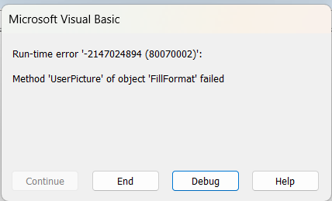
The |  | error means the filename does not exact with the one encoded on the textbox. Press end and copy exactly the file name

The logo file should be same of width and height (pixel) for symmetrical presentation in the “FRONT” worksheet.

The range used in the monitoring of feedback form for customer responses is from ROW 10 TO ROW 509, HIDE the remaining unutilized rows for printing and presentation purposes.
Please do not INSERT additional rows from row 10 to row 509 in "Feedback forms" worksheet due to the formula corresponded to each of the rows/cells.
When refreshing content for the next reporting period, just erase the data input. Do not DELETE/CUT the entire row of cells from the row header.
Do not drag one cell to the other as it affects the cell references of formulas.

UPDATED NOTES:
1. The Filename of the Operating Unit logo should always be "TTI logo" with filename extension ".png", thus, "TTI logo.png"
2. If client did not provide information on his/her Age, Gender, Customer type, e-mail address enter "Did not specify" (not case sensitive) utilizing the term provided in the template. This is for excel to still count the row inputs in these parameters accordingly despite being undisclosed.
3. The transaction date is the primary information needed to be entered by encoder on the Transaction Data Entry box so that the rows on the Monitoring Report of Customer Feedback Form Results (Feedback Forms worksheet) will display the information encoded when the RECORD button is tapped.
 | -The information will just be kept on being replaced on the same row without the transaction date provided.
4. You don't need to be always refreshing the contents of the data entry box for each client (Front worksheet), tapping RECORD button will place new entries on the next vacant row on the Monitoring Report of Customer Feedback Form Results (Feedback Forms worksheet).
5. The entry already recorded in Monitoring Report of Customer Feedback Form Results (Feedback Forms worksheet) can be edited directly on the cells. Dropdown list are integrated to ease correction of entries.

