set_info
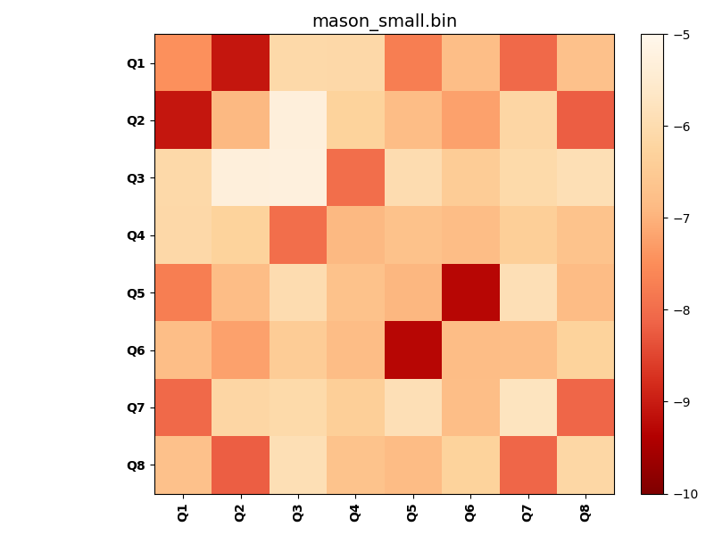
N_pairs: | 4
N_heterodimers: | 4
N_homodimers: | 0
orthogonality_average: | -2.02962779999
orthogonality_average_%: | 40.5925559998
orthogonality_gap: | 0.21248960495
orthogonality_gap_%: | -4.249792099
N_offtarget_above_min_ontarget: | 4

max_affinity: | -9.28518009186
min_affinity: | -5.25403022766
lower_is_better: | True

binding_min_affinity: | -7.97915029526
binding_min_affinity_%: | 59.5830059052

nonbinidng_max_affinity: | -8.19163990021
nonbinidng_max_affinity_%: | 63.8327980042

total_II_pairs: | 8
total_II_pairs_%: | 50.0
total_IN_mismatches: | 0
total_IN_mismatches_%: | 0.0
total_NN_pairs: | 8
total_NN_pairs_%: | 50.0

total_electrostatic_matches: | 32
total_electrostatic_matches_%: | 100.0
total_electrostatic_mismatches: | 0
total_electrostatic_mismatches_%: | 0.0

starting_pos: | f
N_heptades: | 4
N_aminoacids: | 29

ag_helicity: | mean: 37.96 std: 14.65 min: 17.45 max: 56.46
charge: | mean: -1.00 std: 4.27 min: -9.00 max: 6.99
gravy: | mean: 0.01 std: 0.03 min: -0.04 max: 0.07
instability_index: | mean: 3.29 std: 9.44 min: -13.77 max: 20.34
isoelectric_point: | mean: 5.45 std: 2.05 min: 3.28 max: 10.30
normalization_max: | -10
normalization_min: | -5

