set_info
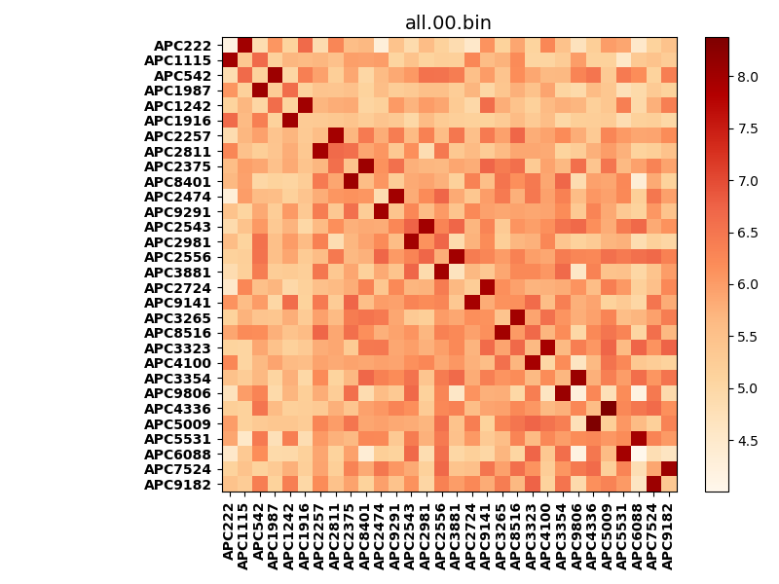
!full_name: | AP2N_only_potapov-B07_T1-DEL1.20/AP2N_only_potapov_B07_T1_bc-7.95_nc-6.75/all.00.set
name: | AP2N_only_potapov-B07_T1-DEL1.20/AP2N_only_potapov
N_pairs: | 15
N_heterodimers: | 15
N_homodimers: | 0
type: | all

orthogonality_average: | 2.27933645248
orthogonality_average_%: | -52.1396313729
orthogonality_gap: | 4.3716006279
orthogonality_gap_%: | -100.0
N_offtarget_above_min_ontarget: | 870

max_affinity: | 4.00379991531
min_affinity: | 8.37540054321
lower_is_better: | True

binding_cutoff: | -7.95
binding_min_affinity: | 8.37540054321
binding_min_affinity_%: | -0.0

nonbinding_cutoff: | -6.75
nonbinidng_max_affinity: | 4.00379991531
nonbinidng_max_affinity_%: | 100.0

total_II_pairs: | 0
total_II_pairs_%: | 0.0
total_IN_mismatches: | 0
total_IN_mismatches_%: | 0.0
total_NN_pairs: | 1
total_NN_pairs_%: | 1.66666666667

total_electrostatic_matches: | 68
total_electrostatic_matches_%: | 56.6666666667
total_electrostatic_mismatches: | 52
total_electrostatic_mismatches_%: | 43.3333333333

alignment: | B07_T1
starting_pos: | f
N_heptades: | 4
N_aminoacids: | 29

normalization_max: | 4.00379991531
normalization_min: | 8.37540054321

