set_info
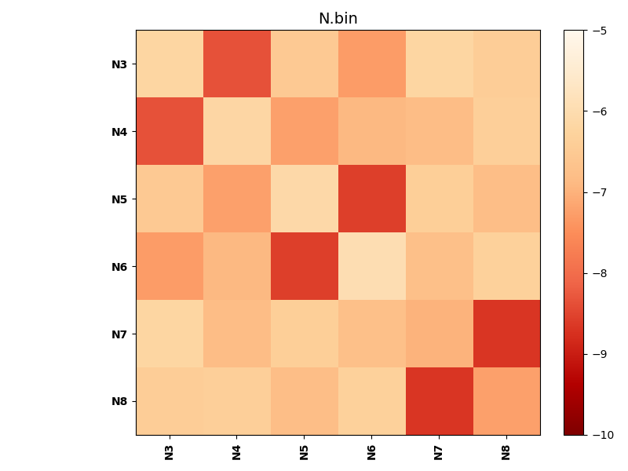
N_pairs: | 3
N_heterodimers: | 3
N_homodimers: | 0
orthogonality_average: | -1.91274261475
orthogonality_average_%: | 38.2548522949
orthogonality_gap: | -1.06694126129
orthogonality_gap_%: | 21.3388252258
N_offtarget_above_min_ontarget: | 0

max_affinity: | -8.68020057678
min_affinity: | -5.95295000076
lower_is_better: | True

binding_min_affinity: | -8.35289096832
binding_min_affinity_%: | 67.0578193665

nonbinidng_max_affinity: | -7.28594970703
nonbinidng_max_affinity_%: | 45.7189941406

total_II_pairs: | 9
total_II_pairs_%: | 75.0
total_IN_mismatches: | 0
total_IN_mismatches_%: | 0.0
total_NN_pairs: | 3
total_NN_pairs_%: | 25.0

total_electrostatic_matches: | 24
total_electrostatic_matches_%: | 100.0
total_electrostatic_mismatches: | 0
total_electrostatic_mismatches_%: | 0.0

starting_pos: | f
N_heptades: | 4
N_aminoacids: | 29

ag_helicity: | mean: 67.65 std: 3.28 min: 64.28 max: 72.11
charge: | mean: -1.00 std: 0.00 min: -1.00 max: -1.00
gravy: | mean: 0.47 std: 0.00 min: 0.47 max: 0.47
instability_index: | mean: 7.91 std: 6.84 min: 1.66 max: 14.16
isoelectric_point: | mean: 5.01 std: 0.00 min: 5.01 max: 5.01
normalization_max: | -10
normalization_min: | -5

