set_info
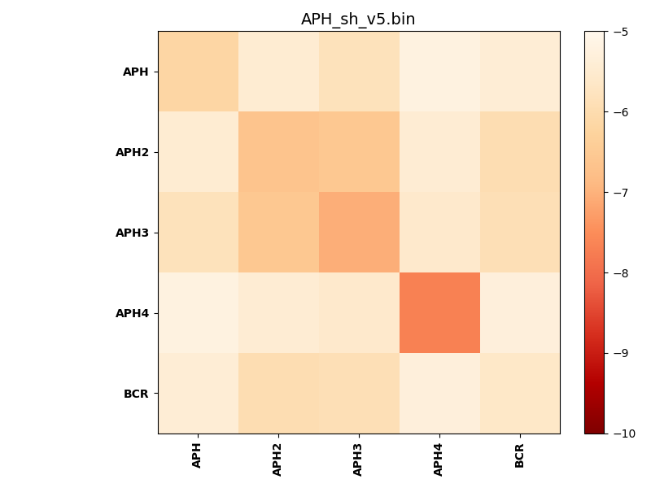
N_pairs: | 5
N_heterodimers: | 0
N_homodimers: | 5
orthogonality_average: | -0.970157146454
orthogonality_average_%: | 19.4031429291
orthogonality_gap: | 0.939929962158
orthogonality_gap_%: | -18.7985992432
N_offtarget_above_min_ontarget: | 8

max_affinity: | -7.67850971222
min_affinity: | -5.20766973495
lower_is_better: | True

binding_min_affinity: | -5.6125497818
binding_min_affinity_%: | 12.250995636

nonbinidng_max_affinity: | -6.55247974396
nonbinidng_max_affinity_%: | 31.0495948792

total_II_pairs: | 1
total_II_pairs_%: | 5.0
total_IN_mismatches: | 0
total_IN_mismatches_%: | 0.0
total_NN_pairs: | 0
total_NN_pairs_%: | 0.0

total_electrostatic_matches: | 12
total_electrostatic_matches_%: | 30.0
total_electrostatic_mismatches: | 18
total_electrostatic_mismatches_%: | 45.0

starting_pos: | f
N_heptades: | 4
N_aminoacids: | 29

ag_helicity: | mean: 39.76 std: 17.05 min: 14.56 max: 56.15
charge: | mean: 5.40 std: 2.51 min: 1.00 max: 7.00
gravy: | mean: -1.27 std: 0.41 min: -1.79 max: -0.73
instability_index: | mean: 87.15 std: 33.84 min: 49.59 max: 135.93
isoelectric_point: | mean: 10.24 std: 0.94 min: 8.63 max: 11.05
normalization_max: | -10
normalization_min: | -5

