set_info
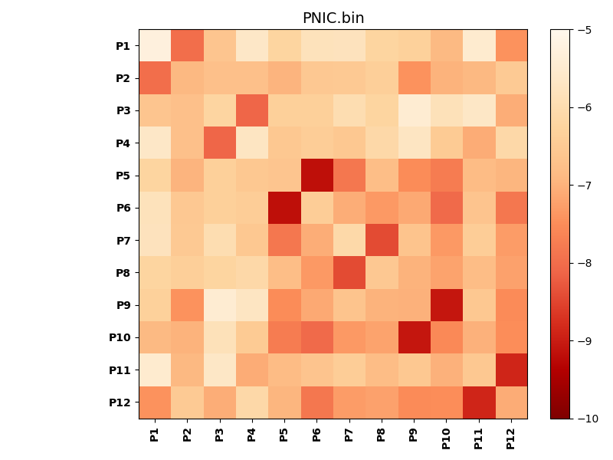
N_pairs: | 6
N_heterodimers: | 6
N_homodimers: | 0
orthogonality_average: | -1.92055654526
orthogonality_average_%: | 38.4111309052
orthogonality_gap: | 0.0543899536133
orthogonality_gap_%: | -1.08779907227
N_offtarget_above_min_ontarget: | 2

max_affinity: | -9.16613960266
min_affinity: | -5.25403022766
lower_is_better: | True

binding_min_affinity: | -7.97914981842
binding_min_affinity_%: | 59.5829963684

nonbinidng_max_affinity: | -8.03353977203
nonbinidng_max_affinity_%: | 60.6707954407

total_II_pairs: | 12
total_II_pairs_%: | 50.0
total_IN_mismatches: | 0
total_IN_mismatches_%: | 0.0
total_NN_pairs: | 12
total_NN_pairs_%: | 50.0

total_electrostatic_matches: | 48
total_electrostatic_matches_%: | 100.0
total_electrostatic_mismatches: | 0
total_electrostatic_mismatches_%: | 0.0

starting_pos: | f
N_heptades: | 4
N_aminoacids: | 29

ag_helicity: | mean: 18.36 std: 8.96 min: 6.15 max: 32.96
charge: | mean: -1.92 std: 3.58 min: -10.00 max: 4.99
gravy: | mean: -1.00 std: 0.14 min: -1.16 max: -0.73
instability_index: | mean: 41.34 std: 23.14 min: -4.36 max: 83.73
isoelectric_point: | mean: 5.58 std: 2.05 min: 3.29 max: 9.90
normalization_max: | -10
normalization_min: | -5

