set_info
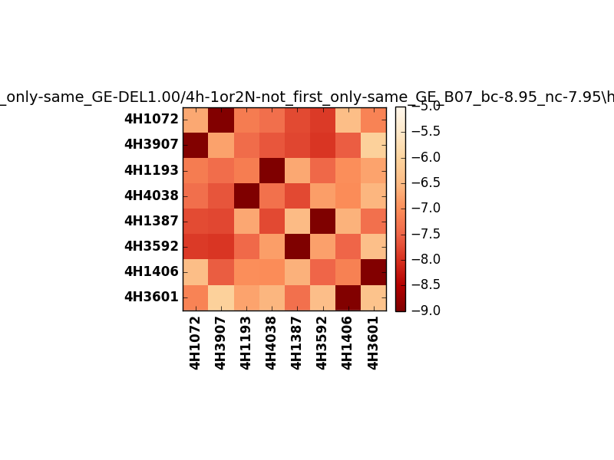
!full_name: | 4h-1or2N-not_first_only-same_GE-DEL1.00/4h-1or2N-not_first_only-same_GE_B07_bc-8.95_nc-7.95/hetero.00.set
name: | 4h-1or2N-not_first_only-same_GE-DEL1.00/4h-1or2N-not_first_only-same_GE
N_pairs: | 4
N_heterodimers: | 4
N_homodimers: | 0
type: | hetero

orthogonality_average: | -1.92370557785
orthogonality_average_%: | 48.0926394463
orthogonality_gap: | -1.01912021637
orthogonality_gap_%: | 25.4780054092
N_offtarget_above_min_ontarget: | 0

max_affinity: | -9.16613960266
min_affinity: | -6.04271936417
lower_is_better: | True

binding_cutoff: | -8.95
binding_min_affinity: | -8.9578704834
binding_min_affinity_%: | 98.946762085

nonbinding_cutoff: | -7.95
nonbinidng_max_affinity: | -7.93875026703
nonbinidng_max_affinity_%: | 73.4687566757

total_II_pairs: | 8
total_II_pairs_%: | 50.0
total_IN_mismatches: | 0
total_IN_mismatches_%: | 0.0
total_NN_pairs: | 8
total_NN_pairs_%: | 50.0

total_electrostatic_matches: | 32
total_electrostatic_matches_%: | 100.0
total_electrostatic_mismatches: | 0
total_electrostatic_mismatches_%: | 0.0

alignment: | B07
starting_pos: | f
N_heptades: | 4
N_aminoacids: | 29

normalization_max: | -9
normalization_min: | -5

