set_info
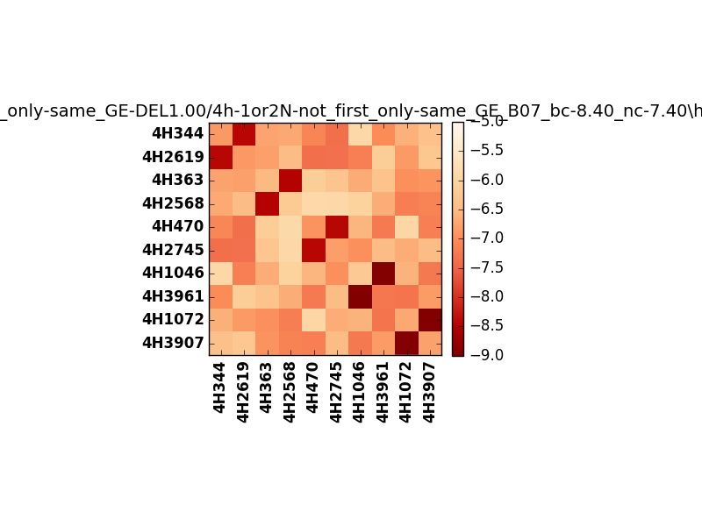
!full_name: | 4h-1or2N-not_first_only-same_GE-DEL1.00/4h-1or2N-not_first_only-same_GE_B07_bc-8.40_nc-7.40/hetero.01.set
name: | 4h-1or2N-not_first_only-same_GE-DEL1.00/4h-1or2N-not_first_only-same_GE
N_pairs: | 5
N_heterodimers: | 5
N_homodimers: | 0
type: | hetero

orthogonality_average: | -1.96453380585
orthogonality_average_%: | 49.1133451462
orthogonality_gap: | -1.05247020721
orthogonality_gap_%: | 26.3117551804
N_offtarget_above_min_ontarget: | 0

max_affinity: | -8.95787143707
min_affinity: | -5.85288000107
lower_is_better: | True

binding_cutoff: | -8.4
binding_min_affinity: | -8.42549991608
binding_min_affinity_%: | 85.6374979019

nonbinding_cutoff: | -7.4
nonbinidng_max_affinity: | -7.37302970886
nonbinidng_max_affinity_%: | 59.3257427216

total_II_pairs: | 11
total_II_pairs_%: | 55.0
total_IN_mismatches: | 0
total_IN_mismatches_%: | 0.0
total_NN_pairs: | 9
total_NN_pairs_%: | 45.0

total_electrostatic_matches: | 40
total_electrostatic_matches_%: | 100.0
total_electrostatic_mismatches: | 0
total_electrostatic_mismatches_%: | 0.0

alignment: | B07
starting_pos: | f
N_heptades: | 4
N_aminoacids: | 29

normalization_max: | -9
normalization_min: | -5

