set_info
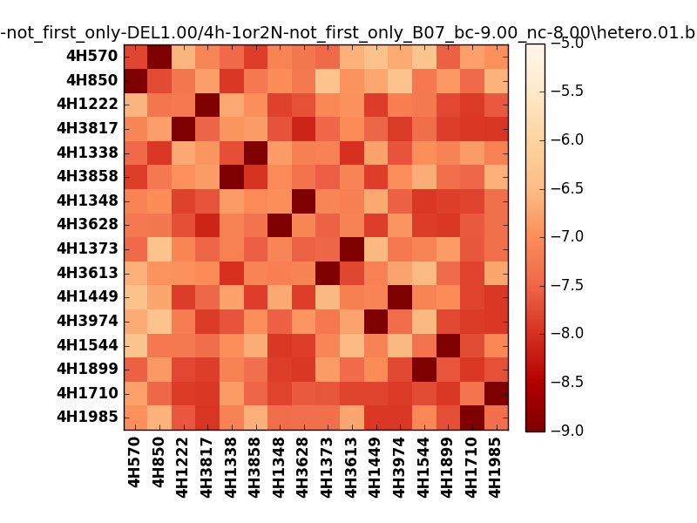
!full_name: | 4h-1or2N-not_first_only-DEL1.00/4h-1or2N-not_first_only_B07_bc-9.00_nc-8.00/hetero.01.set
name: | 4h-1or2N-not_first_only-DEL1.00/4h-1or2N-not_first_only
N_pairs: | 8
N_heterodimers: | 8
N_homodimers: | 0
type: | hetero

orthogonality_average: | -1.81405115128
orthogonality_average_%: | 45.3512787819
orthogonality_gap: | -0.906659126282
orthogonality_gap_%: | 22.666478157
N_offtarget_above_min_ontarget: | 0

max_affinity: | -9.17092037201
min_affinity: | -6.29106998444
lower_is_better: | True

binding_cutoff: | -9.0
binding_min_affinity: | -9.00203990936
binding_min_affinity_%: | 100.050997734

nonbinding_cutoff: | -8.0
nonbinidng_max_affinity: | -8.09538078308
nonbinidng_max_affinity_%: | 77.384519577

total_II_pairs: | 17
total_II_pairs_%: | 53.125
total_IN_mismatches: | 0
total_IN_mismatches_%: | 0.0
total_NN_pairs: | 15
total_NN_pairs_%: | 46.875

total_electrostatic_matches: | 64
total_electrostatic_matches_%: | 100.0
total_electrostatic_mismatches: | 0
total_electrostatic_mismatches_%: | 0.0

alignment: | B07
starting_pos: | f
N_heptades: | 4
N_aminoacids: | 29

normalization_max: | -9
normalization_min: | -5

