set_info
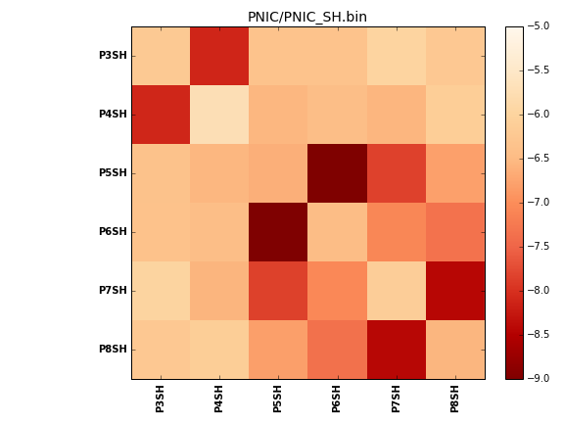
N_pairs: | 3
N_heterodimers: | 3
N_homodimers: | 0
orthogonality_average: | -2.01120138168
orthogonality_average_%: | 50.2800345421
orthogonality_gap: | -0.265600204468
orthogonality_gap_%: | 6.64000511169
N_offtarget_above_min_ontarget: | 0

max_affinity: | -9.16613960266
min_affinity: | -5.71238994598
lower_is_better: | True

binding_min_affinity: | -8.09819030762
binding_min_affinity_%: | 77.4547576904

nonbinidng_max_affinity: | -7.83259010315
nonbinidng_max_affinity_%: | 70.8147525787

total_II_pairs: | 6
total_II_pairs_%: | 50.0
total_IN_mismatches: | 0
total_IN_mismatches_%: | 0.0
total_NN_pairs: | 6
total_NN_pairs_%: | 50.0

total_electrostatic_matches: | 24
total_electrostatic_matches_%: | 100.0
total_electrostatic_mismatches: | 0
total_electrostatic_mismatches_%: | 0.0

starting_pos: | f
N_heptades: | 4
N_aminoacids: | 29

ag_helicity: | mean: 44.55 std: 9.28 min: 34.19 max: 54.81
charge: | mean: -3.66 std: 1.03 min: -5.00 max: -3.00
gravy: | mean: -1.95 std: 0.01 min: -1.97 max: -1.94
instability_index: | mean: 75.48 std: 13.00 min: 59.57 max: 93.39
isoelectric_point: | mean: 4.80 std: 0.15 min: 4.61 max: 4.96
normalization_max: | -9
normalization_min: | -5

