set_info
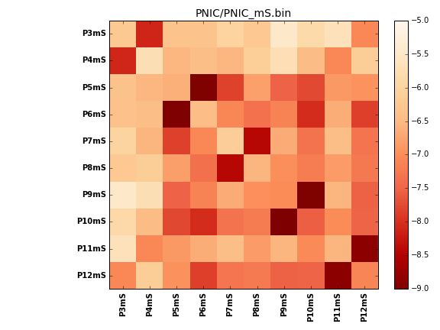
N_pairs: | 5
N_heterodimers: | 5
N_homodimers: | 0
orthogonality_average: | -1.95159292221
orthogonality_average_%: | 48.7898230553
orthogonality_gap: | -0.0646505355835
orthogonality_gap_%: | 1.61626338959
N_offtarget_above_min_ontarget: | 0

max_affinity: | -9.16613960266
min_affinity: | -5.4676399231
lower_is_better: | True

binding_min_affinity: | -8.09819030762
binding_min_affinity_%: | 77.4547576904

nonbinidng_max_affinity: | -8.03353977203
nonbinidng_max_affinity_%: | 75.8384943008

total_II_pairs: | 10
total_II_pairs_%: | 50.0
total_IN_mismatches: | 0
total_IN_mismatches_%: | 0.0
total_NN_pairs: | 10
total_NN_pairs_%: | 50.0

total_electrostatic_matches: | 40
total_electrostatic_matches_%: | 100.0
total_electrostatic_mismatches: | 0
total_electrostatic_mismatches_%: | 0.0

starting_pos: | f
N_heptades: | 4
N_aminoacids: | 29

ag_helicity: | mean: 5.52 std: 3.52 min: 3.05 max: 15.26
charge: | mean: -1.80 std: 1.75 min: -4.00 max: 0.99
gravy: | mean: -1.63 std: 0.06 min: -1.70 max: -1.55
instability_index: | mean: 66.62 std: 18.33 min: 30.95 max: 89.58
isoelectric_point: | mean: 5.38 std: 1.56 min: 4.21 max: 8.30
normalization_max: | -9
normalization_min: | -5

