set_info
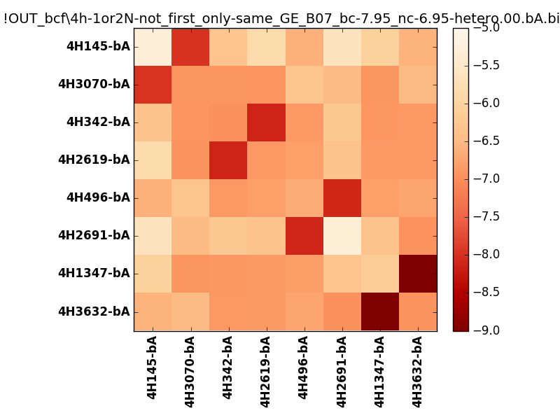
N_pairs: | 4
N_heterodimers: | 4
N_homodimers: | 0
orthogonality_average: | -1.81406354904
orthogonality_average_%: | 45.351588726
orthogonality_gap: | -1.05288028717
orthogonality_gap_%: | 26.3220071793
N_offtarget_above_min_ontarget: | 0

max_affinity: | -9.16613960266
min_affinity: | -5.25403022766
lower_is_better: | True

binding_min_affinity: | -7.97914981842
binding_min_affinity_%: | 74.4787454605

nonbinidng_max_affinity: | -6.92626953125
nonbinidng_max_affinity_%: | 48.1567382812

total_II_pairs: | 8
total_II_pairs_%: | 50.0
total_IN_mismatches: | 1
total_IN_mismatches_%: | 6.25
total_NN_pairs: | 7
total_NN_pairs_%: | 43.75

total_electrostatic_matches: | 32
total_electrostatic_matches_%: | 100.0
total_electrostatic_mismatches: | 0
total_electrostatic_mismatches_%: | 0.0

starting_pos: | f
N_heptades: | 4
N_aminoacids: | 29

ag_helicity: | mean: 29.09 std: 17.66 min: 6.46 max: 57.73
charge: | mean: -3.00 std: 5.23 min: -10.99 max: 4.99
gravy: | mean: -1.14 std: 0.10 min: -1.23 max: -0.90
instability_index: | mean: 31.92 std: 10.38 min: 13.62 max: 50.96
isoelectric_point: | mean: 5.86 std: 2.60 min: 3.22 max: 10.00
normalization_max: | -9
normalization_min: | -5

