set_info
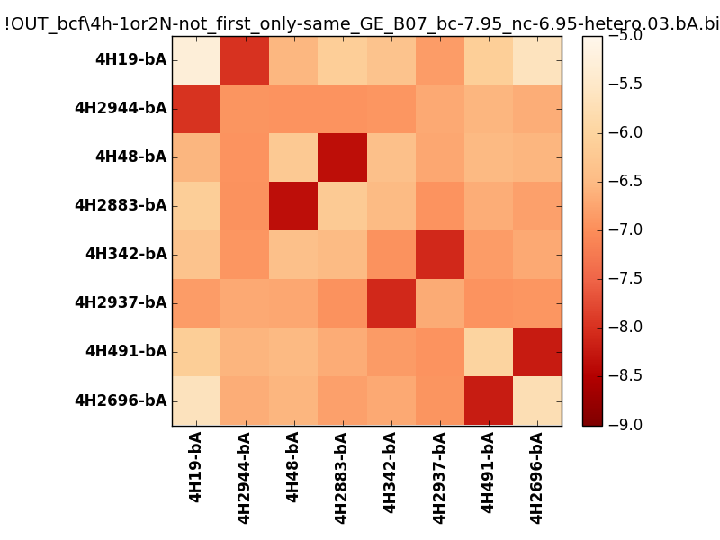
N_pairs: | 4
N_heterodimers: | 4
N_homodimers: | 0
orthogonality_average: | -1.60972833633
orthogonality_average_%: | 40.2432084084
orthogonality_gap: | -1.04378128052
orthogonality_gap_%: | 26.0945320129
N_offtarget_above_min_ontarget: | 0

max_affinity: | -8.35289096832
min_affinity: | -5.25403022766
lower_is_better: | True

binding_min_affinity: | -7.97915029526
binding_min_affinity_%: | 74.4787573814

nonbinidng_max_affinity: | -6.93536901474
nonbinidng_max_affinity_%: | 48.3842253685

total_II_pairs: | 10
total_II_pairs_%: | 62.5
total_IN_mismatches: | 0
total_IN_mismatches_%: | 0.0
total_NN_pairs: | 6
total_NN_pairs_%: | 37.5

total_electrostatic_matches: | 30
total_electrostatic_matches_%: | 93.75
total_electrostatic_mismatches: | 2
total_electrostatic_mismatches_%: | 6.25

starting_pos: | f
N_heptades: | 4
N_aminoacids: | 29

ag_helicity: | mean: 33.43 std: 16.81 min: 9.60 max: 62.09
charge: | mean: -2.50 std: 4.50 min: -10.99 max: 4.99
gravy: | mean: -1.04 std: 0.15 min: -1.23 max: -0.90
instability_index: | mean: 31.01 std: 11.76 min: 13.62 max: 50.96
isoelectric_point: | mean: 5.54 std: 2.33 min: 3.22 max: 10.00
normalization_max: | -9
normalization_min: | -5

