set_info
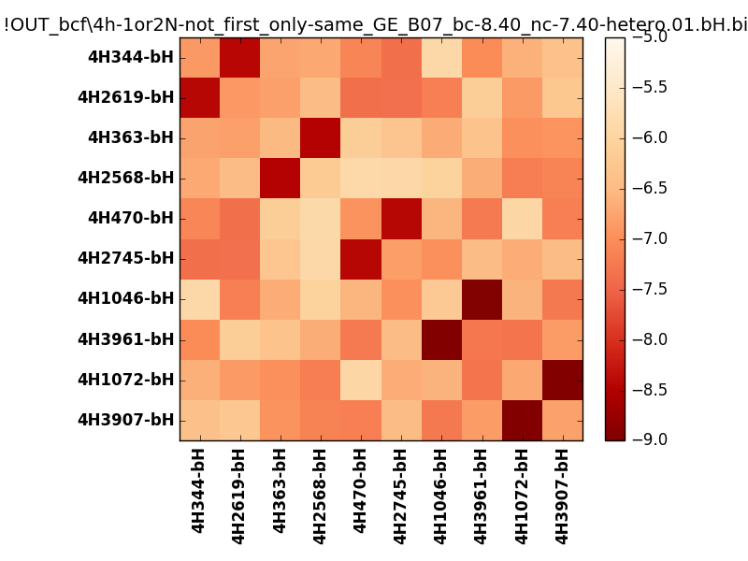
N_pairs: | 5
N_heterodimers: | 5
N_homodimers: | 0
orthogonality_average: | -1.96453380585
orthogonality_average_%: | 49.1133451462
orthogonality_gap: | -1.05247020721
orthogonality_gap_%: | 26.3117551804
N_offtarget_above_min_ontarget: | 0

max_affinity: | -8.95787143707
min_affinity: | -5.85288000107
lower_is_better: | True

binding_min_affinity: | -8.42549991608
binding_min_affinity_%: | 85.6374979019

nonbinidng_max_affinity: | -7.37302970886
nonbinidng_max_affinity_%: | 59.3257427216

total_II_pairs: | 11
total_II_pairs_%: | 55.0
total_IN_mismatches: | 0
total_IN_mismatches_%: | 0.0
total_NN_pairs: | 9
total_NN_pairs_%: | 45.0

total_electrostatic_matches: | 40
total_electrostatic_matches_%: | 100.0
total_electrostatic_mismatches: | 0
total_electrostatic_mismatches_%: | 0.0

starting_pos: | f
N_heptades: | 4
N_aminoacids: | 29

ag_helicity: | mean: 52.11 std: 13.66 min: 29.39 max: 69.83
charge: | mean: -2.00 std: 1.88 min: -6.00 max: 2.00
gravy: | mean: -1.95 std: 0.12 min: -2.03 max: -1.73
instability_index: | mean: 49.56 std: 10.91 min: 25.53 max: 63.50
isoelectric_point: | mean: 5.38 std: 1.34 min: 4.44 max: 9.16
normalization_max: | -9
normalization_min: | -5

