set_info
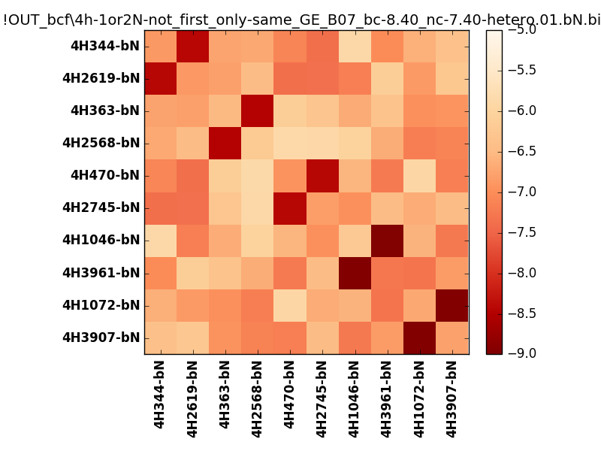
N_pairs: | 5
N_heterodimers: | 5
N_homodimers: | 0
orthogonality_average: | -1.96453380585
orthogonality_average_%: | 49.1133451462
orthogonality_gap: | -1.05247020721
orthogonality_gap_%: | 26.3117551804
N_offtarget_above_min_ontarget: | 0

max_affinity: | -8.95787143707
min_affinity: | -5.85288000107
lower_is_better: | True

binding_min_affinity: | -8.42549991608
binding_min_affinity_%: | 85.6374979019

nonbinidng_max_affinity: | -7.37302970886
nonbinidng_max_affinity_%: | 59.3257427216

total_II_pairs: | 11
total_II_pairs_%: | 55.0
total_IN_mismatches: | 0
total_IN_mismatches_%: | 0.0
total_NN_pairs: | 9
total_NN_pairs_%: | 45.0

total_electrostatic_matches: | 40
total_electrostatic_matches_%: | 100.0
total_electrostatic_mismatches: | 0
total_electrostatic_mismatches_%: | 0.0

starting_pos: | f
N_heptades: | 4
N_aminoacids: | 29

ag_helicity: | mean: 13.78 std: 10.22 min: 4.64 max: 34.40
charge: | mean: -4.00 std: 1.88 min: -8.00 max: -0.00
gravy: | mean: -1.85 std: 0.12 min: -1.93 max: -1.63
instability_index: | mean: 54.55 std: 5.82 min: 45.97 max: 66.24
isoelectric_point: | mean: 4.57 std: 0.65 min: 3.88 max: 6.35
normalization_max: | -9
normalization_min: | -5

