set_info
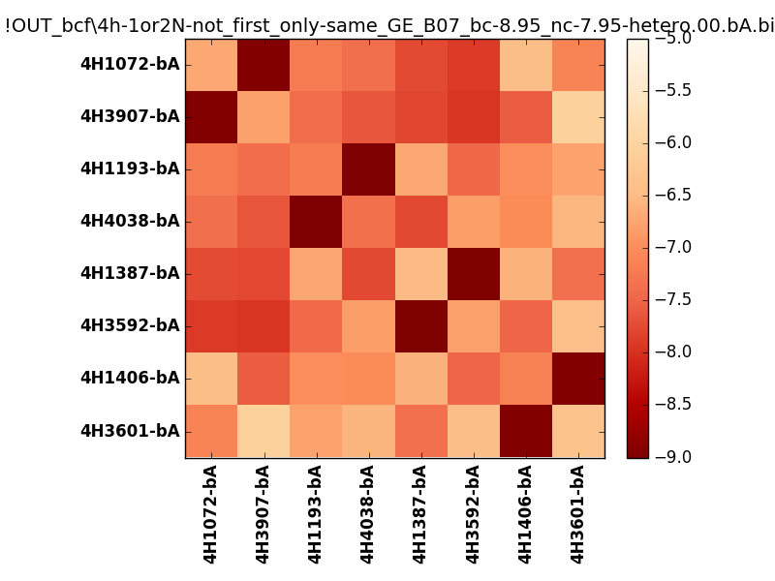
N_pairs: | 4
N_heterodimers: | 4
N_homodimers: | 0
orthogonality_average: | -1.92370557785
orthogonality_average_%: | 48.0926394463
orthogonality_gap: | -1.01912021637
orthogonality_gap_%: | 25.4780054092
N_offtarget_above_min_ontarget: | 0

max_affinity: | -9.16613960266
min_affinity: | -6.04271936417
lower_is_better: | True

binding_min_affinity: | -8.9578704834
binding_min_affinity_%: | 98.946762085

nonbinidng_max_affinity: | -7.93875026703
nonbinidng_max_affinity_%: | 73.4687566757

total_II_pairs: | 8
total_II_pairs_%: | 50.0
total_IN_mismatches: | 0
total_IN_mismatches_%: | 0.0
total_NN_pairs: | 8
total_NN_pairs_%: | 50.0

total_electrostatic_matches: | 32
total_electrostatic_matches_%: | 100.0
total_electrostatic_mismatches: | 0
total_electrostatic_mismatches_%: | 0.0

starting_pos: | f
N_heptades: | 4
N_aminoacids: | 29

ag_helicity: | mean: 37.65 std: 16.20 min: 11.28 max: 57.21
charge: | mean: -3.00 std: 3.02 min: -7.00 max: 1.00
gravy: | mean: -1.18 std: 0.02 min: -1.20 max: -1.15
instability_index: | mean: 32.29 std: 10.76 min: 17.96 max: 46.62
isoelectric_point: | mean: 5.34 std: 1.87 min: 3.93 max: 8.34
normalization_max: | -9
normalization_min: | -5

