set_info
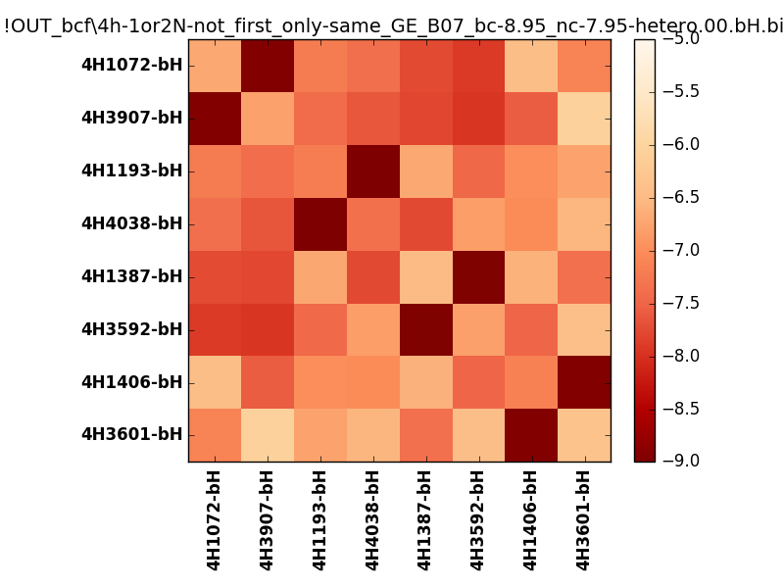
N_pairs: | 4
N_heterodimers: | 4
N_homodimers: | 0
orthogonality_average: | -1.92370557785
orthogonality_average_%: | 48.0926394463
orthogonality_gap: | -1.01912021637
orthogonality_gap_%: | 25.4780054092
N_offtarget_above_min_ontarget: | 0

max_affinity: | -9.16613960266
min_affinity: | -6.04271936417
lower_is_better: | True

binding_min_affinity: | -8.9578704834
binding_min_affinity_%: | 98.946762085

nonbinidng_max_affinity: | -7.93875026703
nonbinidng_max_affinity_%: | 73.4687566757

total_II_pairs: | 8
total_II_pairs_%: | 50.0
total_IN_mismatches: | 0
total_IN_mismatches_%: | 0.0
total_NN_pairs: | 8
total_NN_pairs_%: | 50.0

total_electrostatic_matches: | 32
total_electrostatic_matches_%: | 100.0
total_electrostatic_mismatches: | 0
total_electrostatic_mismatches_%: | 0.0

starting_pos: | f
N_heptades: | 4
N_aminoacids: | 29

ag_helicity: | mean: 58.77 std: 15.86 min: 25.65 max: 78.46
charge: | mean: -2.00 std: 3.02 min: -6.00 max: 2.00
gravy: | mean: -2.00 std: 0.02 min: -2.03 max: -1.98
instability_index: | mean: 48.39 std: 8.06 min: 32.37 max: 59.87
isoelectric_point: | mean: 5.91 std: 2.02 min: 4.44 max: 9.16
normalization_max: | -9
normalization_min: | -5

