set_info
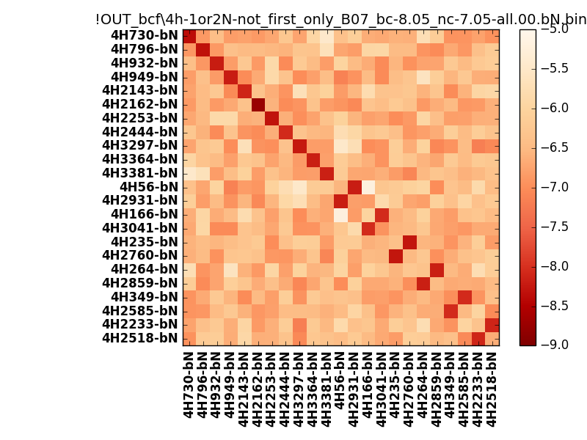
N_pairs: | 17
N_heterodimers: | 6
N_homodimers: | 11
orthogonality_average: | -1.71755027771
orthogonality_average_%: | 42.9387569427
orthogonality_gap: | -0.89196062088
orthogonality_gap_%: | 22.299015522
N_offtarget_above_min_ontarget: | 0

max_affinity: | -8.74738025665
min_affinity: | -5.18327999115
lower_is_better: | True

binding_min_affinity: | -8.05143070221
binding_min_affinity_%: | 76.2857675552

nonbinidng_max_affinity: | -7.15947008133
nonbinidng_max_affinity_%: | 53.9867520332

total_II_pairs: | 39
total_II_pairs_%: | 57.3529411765
total_IN_mismatches: | 0
total_IN_mismatches_%: | 0.0
total_NN_pairs: | 29
total_NN_pairs_%: | 42.6470588235

total_electrostatic_matches: | 133
total_electrostatic_matches_%: | 97.7941176471
total_electrostatic_mismatches: | 3
total_electrostatic_mismatches_%: | 2.20588235294

starting_pos: | f
N_heptades: | 4
N_aminoacids: | 29

ag_helicity: | mean: 13.45 std: 7.27 min: 4.19 max: 30.79
charge: | mean: -4.17 std: 1.47 min: -6.00 max: -2.00
gravy: | mean: -1.81 std: 0.14 min: -1.92 max: -1.62
instability_index: | mean: 52.71 std: 10.67 min: 34.14 max: 70.33
isoelectric_point: | mean: 4.43 std: 0.24 min: 4.14 max: 4.82
normalization_max: | -9
normalization_min: | -5

