set_info
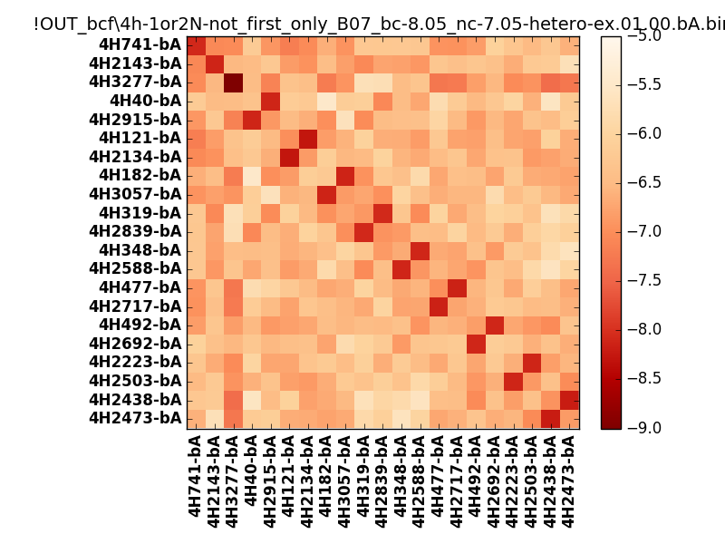
N_pairs: | 12
N_heterodimers: | 9
N_homodimers: | 3
orthogonality_average: | -1.70463371277
orthogonality_average_%: | 42.6158428192
orthogonality_gap: | -0.666480064392
orthogonality_gap_%: | 16.6620016098
N_offtarget_above_min_ontarget: | 0

max_affinity: | -9.11038970947
min_affinity: | -5.46531009674
lower_is_better: | True

binding_min_affinity: | -8.06354045868
binding_min_affinity_%: | 76.588511467

nonbinidng_max_affinity: | -7.39706039429
nonbinidng_max_affinity_%: | 59.9265098572

total_II_pairs: | 28
total_II_pairs_%: | 58.3333333333
total_IN_mismatches: | 0
total_IN_mismatches_%: | 0.0
total_NN_pairs: | 20
total_NN_pairs_%: | 41.6666666667

total_electrostatic_matches: | 95
total_electrostatic_matches_%: | 98.9583333333
total_electrostatic_mismatches: | 1
total_electrostatic_mismatches_%: | 1.04166666667

starting_pos: | f
N_heptades: | 4
N_aminoacids: | 29

ag_helicity: | mean: 30.12 std: 14.74 min: 8.27 max: 57.55
charge: | mean: -3.10 std: 1.18 min: -5.00 max: -1.00
gravy: | mean: -1.08 std: 0.13 min: -1.19 max: -0.89
instability_index: | mean: 31.25 std: 8.66 min: 9.85 max: 51.80
isoelectric_point: | mean: 4.56 std: 0.26 min: 4.22 max: 5.11
normalization_max: | -9
normalization_min: | -5

