set_info
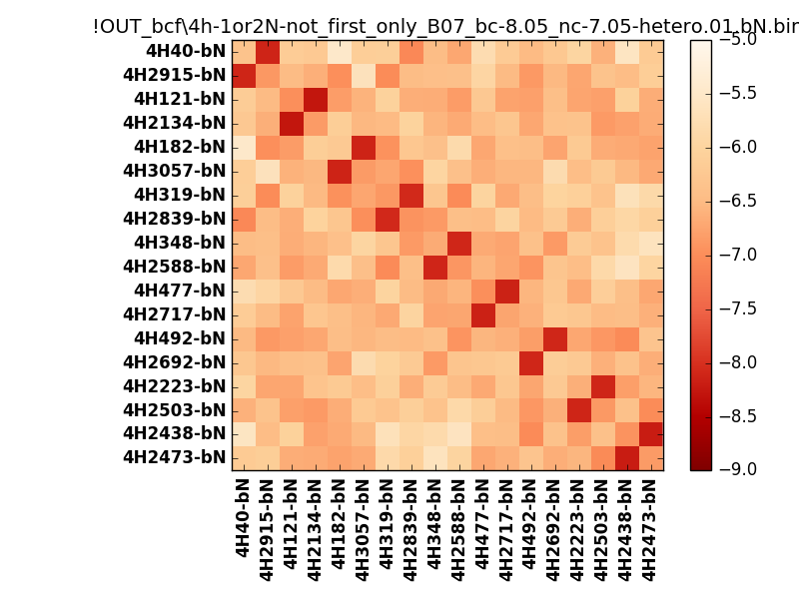
N_pairs: | 9
N_heterodimers: | 9
N_homodimers: | 0
orthogonality_average: | -1.7107872963
orthogonality_average_%: | 42.7696824074
orthogonality_gap: | -1.01573085785
orthogonality_gap_%: | 25.3932714462
N_offtarget_above_min_ontarget: | 0

max_affinity: | -8.27491950989
min_affinity: | -5.46531009674
lower_is_better: | True

binding_min_affinity: | -8.06354045868
binding_min_affinity_%: | 76.588511467

nonbinidng_max_affinity: | -7.04780960083
nonbinidng_max_affinity_%: | 51.1952400208

total_II_pairs: | 21
total_II_pairs_%: | 58.3333333333
total_IN_mismatches: | 0
total_IN_mismatches_%: | 0.0
total_NN_pairs: | 15
total_NN_pairs_%: | 41.6666666667

total_electrostatic_matches: | 71
total_electrostatic_matches_%: | 98.6111111111
total_electrostatic_mismatches: | 1
total_electrostatic_mismatches_%: | 1.38888888889

starting_pos: | f
N_heptades: | 4
N_aminoacids: | 29

ag_helicity: | mean: 12.60 std: 7.15 min: 3.76 max: 28.95
charge: | mean: -4.11 std: 1.28 min: -6.00 max: -2.00
gravy: | mean: -1.81 std: 0.14 min: -1.92 max: -1.62
instability_index: | mean: 52.71 std: 9.07 min: 33.82 max: 75.77
isoelectric_point: | mean: 4.43 std: 0.21 min: 4.14 max: 4.82
normalization_max: | -9
normalization_min: | -5

